Notes and assumptions
Notes: | Used the NIST full sample file version 6
 | The references between the coded section and text were not established and need to be added in the sample and referenced.
 | The data can vary dramitically depending on the tests/procedures. For example a blood chem test will have more values than an INR. This may be more suitable for a relational database than an excel spreadsheet because it allows for variety between each set of data.

 | From CDATOOLS.ORG

 | Development Only. The Normative content for these specifications may be found on the HL7, IHE, and HITSP web sites.

 | Results Section

 | [Section: templateId 2.16.840.1.113883.10.20.1.14]

 | 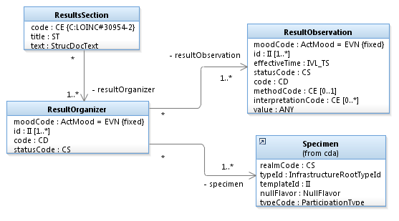
 | This section contains the results of observations generated by laboratories, imaging procedures, and other procedures. The scope includes hematology, chemistry, serology, virology, toxicology, microbiology, plain x-ray, ultrasound, CT, MRI, angiography, cardiac echo, nuclear medicine, pathology, and procedure observations. The section may contain all results for the period of time being summarized, but should include notable results such as abnormal values or relevant trends.

 | Lab results are typically generated by laboratories providing analytic services in areas such as chemistry, hematology, serology, histology, cytology, anatomic pathology, microbiology, and/or virology. These observations are based on analysis of specimens obtained from the patient, submitted to the lab.

 | Imaging results are typically generated by a clinician reviewing the output of an imaging procedure, such as where a cardiologist reports the left ventricular ejection fraction based on the review of a cardiac echo.

 | Procedure results are typically generated by a clinician wanting to provide more granular information about component observations made during the performance of a procedure, such as where a gastroenterologist reports the size of a polyp observed during a colonoscopy.

 | 1. SHALL conform to CDA Section
 | 2. SHALL contain [1..1] code/@code = "30954-2" Relevant diagnostic tests and/or laboratory data (CodeSystem: 2.16.840.1.113883.6.1 LOINC STATIC) (CONF-389)
 | 3. SHALL contain [1..1] title (CONF-391)
 | 4. SHOULD contain [1..*] entry, such that it
 | a. contains CCD Result Organizer (templateId: 2.16.840.1.113883.10.20.1.32) (CONF-388)
 | 5. SHALL contain [1..1] text (CONF-388)
 | 6. SHOULD satisfy: Contains a case-insensitive language-insensitive string containing 'results'. (CONF-392)

 | Figure 1. Results Section example

 | <?xml version="1.0" encoding="UTF-8"?>
 | <ClinicalDocument xmlns:xsi="http://www.w3.org/2001/XMLSchema-instance" xmlns="urn:hl7-org:v3" xsi:schemaLocation="urn:hl7-org:v3 CDA.xsd">
 | <component>
 | <structuredBody>
 | <component>
 | <section>
 | <templateId root="2.16.840.1.113883.10.20.1.14" assigningAuthorityName="CCD Results Section"/>
 | <code code="30954-2" codeSystem="2.16.840.1.113883.6.1" codeSystemName="LOINC" displayName="Relevant diagnostic tests and/or laboratory data"/>
 | <title>Relevant diagnostic tests and/or laboratory data</title>
 | <entry>
 | <organizer moodCode="EVN">
 | <templateId root="2.16.840.1.113883.10.20.1.32" assigningAuthorityName="CCD Result Organizer"/>
 | <id root="a56c93ef-c6d9-44b6-9d39-f58a6fb369e3"/>
 | <code/>
 | <statusCode/>
 | </organizer>
 | </entry>
 | </section>
 | </component>
 | </structuredBody>
 | </component>
 | </ClinicalDocument>

 | Parent topic: SECTION TEMPLATES

