Sheet1
size | requirement | reference image | copy
1600*1600 | null |  | Why Choose Us Powerful 5-Blade Vortex Airflow – Strong & Cooling 20000mAh 5C Power Battery – Long-Lasting Durability 90–180° Auto Oscillation – Cool for Multiple People Emergency Phone Charger – Portable Power Bank Hidden Hook – Hang Anywhere Infrared Remote Control Dual-Color Lighting – Perfect for Party Illumination Plug-in Only – Inconvenient for Camping 3-Blade Design – Weak Airflow, Not Cooling Enough Small Motor – Prone to Breakdowns Regular Blades – Weak Airflow Non-Power Battery – Short Lifespan No Auto Oscillation – Can’t Cool Multiple People Easy to Break – Troublesome for Camping
1600*1600 | Clear the Heat, Stay Cool Even at Parties 1. Blow the grass apart on the lawn 2. Show the airflow coverage with effects based on the blown grass 3. Auto oscillation visual effect 4. Speed settings introduction | 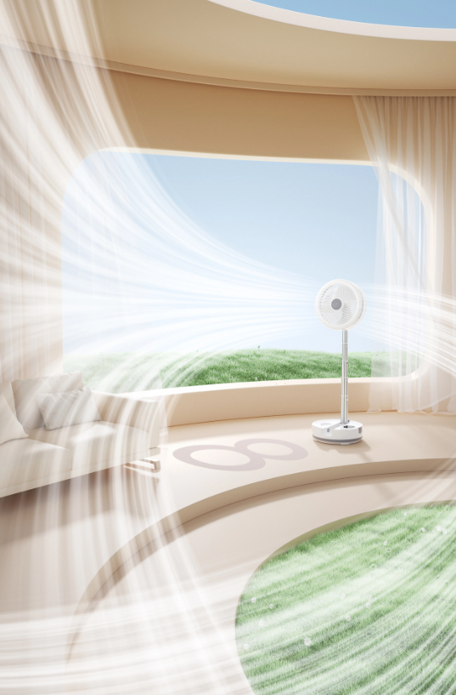 | Keep Your Family Cool Anytime, Anywhere 8 Speed Settings – Meet All Your Cooling Needs
1600*1600 | 20000mAh High-Density Lithium Battery – Long-Lasting Power 1. 16–50 Hours of Continuous Operation – Runs All Day 2. Split-Screen Visual: Left Side Daytime, Right Side Nighttime – Continuous Use | 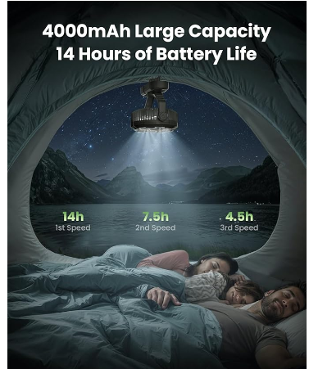 | Power – 20000mAh 5C Power Battery 16-30 Hours of Continuous Use – All-Day Cooling

Sheet2
title | description | image
Desk Fan, 5-Inch Portable Electric Table Desktop Air Circulator Fans, Small but Powerful with 3 Speed 360° Adjustable Tilt for Cooling Home Dorm Office Bedroom Bathroom Kitchen, Black | Compact and Powerful Design: The small desk fan is only 4.33*5.59*5.65 inch/ 0.73 lb, combines deep-pitched blades and aerodynamic design to propel air and help room fan to circulate strong cold air and cooling large areas faster Convenient & Portable Fan: This table fan is power by AC plug (4.92 ft undetachable cable provided), equipped with 4 rubber pads to reduce vibration and prevent from slipping; It's a perfect partner for your kitchen, bedroom, living room and office 360° Adjustable Tilt: 360° tilt and 3 speed manual setting to blow away the heat and surround yourself in coolness; The front cover of the air circulator fan can be detached for easy cleaning of blades and grille, keep air fresh Whisper-Quiet Cooling: With upgraded motor, the table fan has smoother airflow with minimal noise (30dB)，max wind speed reaches 6.2 m/s; The cooling fan is powerful and quiet enough to give you a comfortable working and resting environment Energy Efficient: Rated input 120V 6.8 Watts, pairing this air circulator fan with multiple appliances to move the airflow fast, airflow efficient increase, energy-saving and reduce energy costs | 