Sheet1
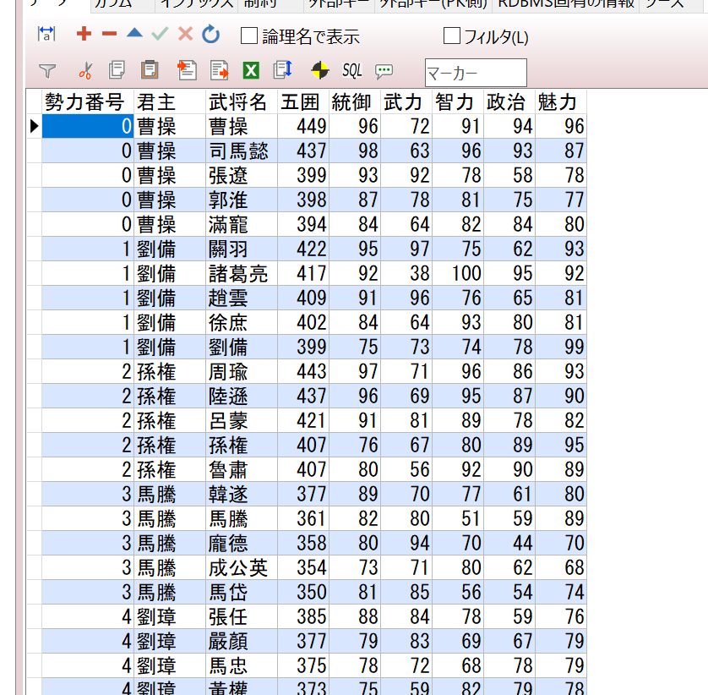
①諸葛亮の身分を「一般」に更新するSQL文を作る

update generals set status='一般' where no=288;

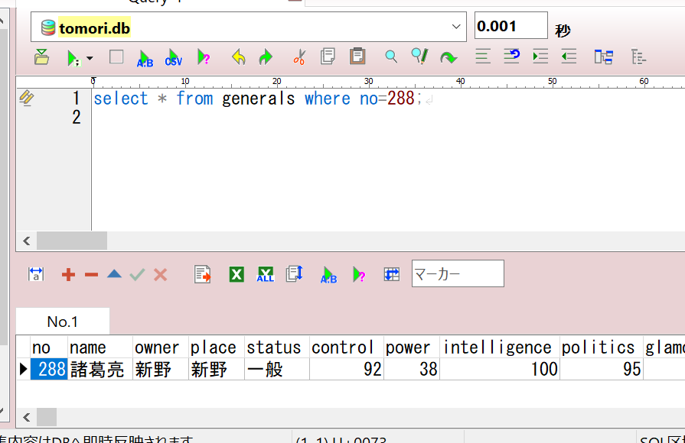

②曹操が支配している都市は何個あるかをSQL文で出す

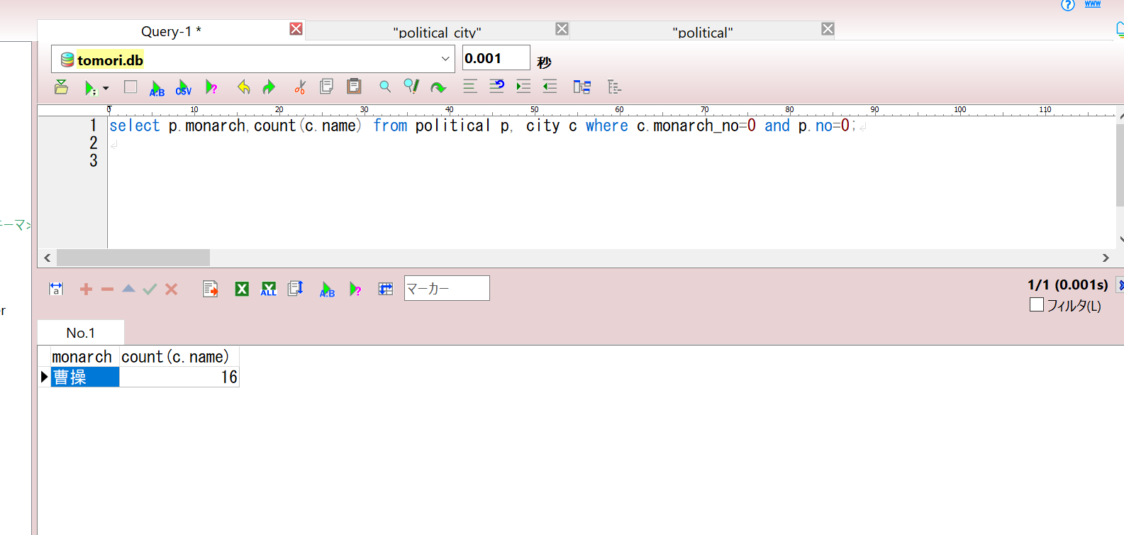

③それぞれ勢力が支配している都市は何個あるかをSQL文で一覧する

create view homework03 as
select
p.monarch as '勢力'
, count(c.name) as '支配都市個数'
from
political p
, city c
where p.no=c.monarch_no
group by p.monarch;



 | ④曹操配下の武将の五囲が高い順で一覧する（任意）
 |  | ※五囲は統御、武力、智力、政治、魅力の合計である
 |  |  | 五囲 = 統御 + 武力 + 智力 + 政治 + 魅力

 | create view homework04 as
 | select
 | g.no
 | , g.name
 | , g.status
 | , g.control+g.power+g.intelligence+g.politics+g.glamour as 'fiveData'
 | , g.control
 | , g.power
 | , g.intelligence
 | , g.politics
 | , g.glamour
 | from
 | generals g
 | inner join city c
 | on g.owner = c.name join political p
 | on c.monarch_no = p.no
 | where
 | p.monarch = '曹操'
 | and g.status not in ('未登場', '未発見', '在野', '死亡')
 | order by fiveData DESC
 | ;

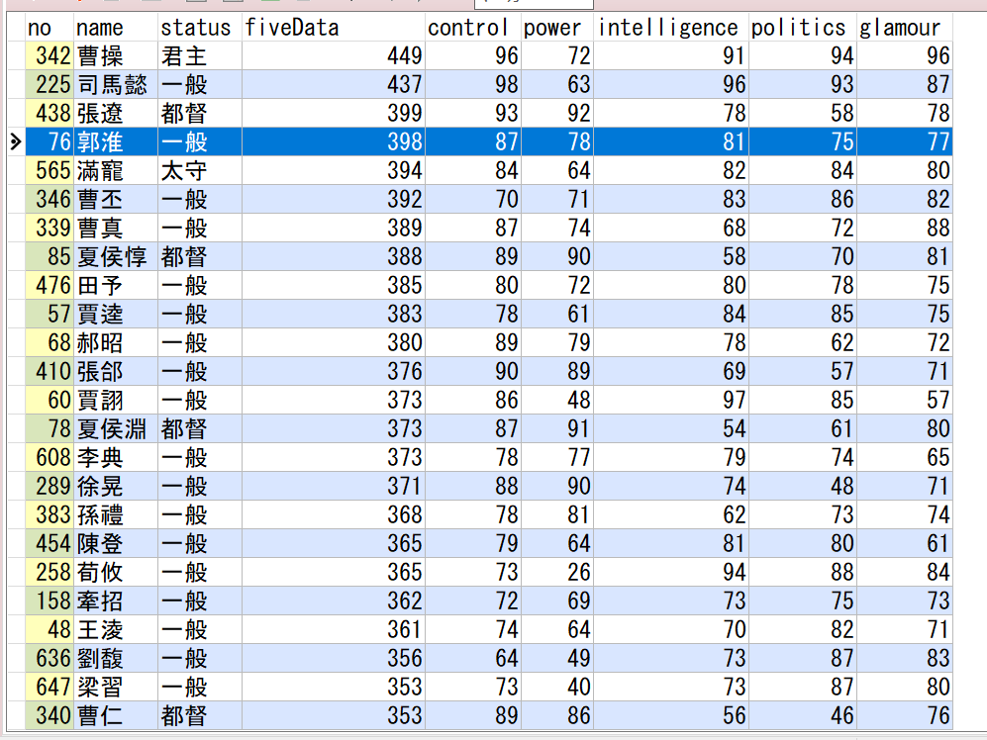

 | ⑤各勢力の配下の武将の五囲が高い順のTop5を一覧する（任意）

 | create view homework05 as
 | with dealwith
 | as(
 | select
 | p.no as '勢力番号'
 | , p.monarch as '君主'
 | , g.name as '武将名'
 | , g.control+g.power+g.intelligence+g.politics+g.glamour as '五囲'
 | , g.control as '統御'
 | , g.power as '武力'
 | , g.intelligence as '智力'
 | , g.politics as '政治'
 | , g.glamour as '魅力'
 | , row_number() over (partition by p.no order by p.no asc,g.control+g.power+g.intelligence+g.politics+g.glamour desc) as rank
 | from
 | generals g
 | inner join city c
 | on g.owner = c.name join political p
 | on c.monarch_no = p.no
 | where
 | g.status not in ('未登場', '未発見', '在野', '死亡')
 | )
 | select
 | 勢力番号
 | ,君主
 | ,武将名
 | ,五囲
 | ,統御
 | ,武力
 | ,智力
 | ,政治
 | ,魅力
 | from dealwith where rank<=5
 | ;

