Sheet1
question_id | question | option_a | option_b | option_c | option_d | option_e | correct_option | passage_text | question_image | explanation | explanation_image
1 | If all the vowels are skipped from the series then which of the following will be third to the left of the tenth element from right end? | @ | P | F | 7 | None of these | C | T % U 4 ) 6 & K Y ^ A 2 $ 8 L G | 3 M @ F P 7 ! C ~ H 9 Q : E 1 B 5 |  | When vowels are skipped Clearly, “F” is third to the left of 10th element from right end. Hence option C is correct
2 | How many numbers in the given series are immediately preceded by a consonant and immediately followed by a symbol? | 3 | 4 | 2 | 1 | None of these | D | T % U 4 ) 6 & K Y ^ A 2 $ 8 L G | 3 M @ F P 7 ! C ~ H 9 Q : E 1 B 6 |  | Only one number (given in bold) is immediately preceded by a consonant and immediately followed by a symbol.
3 | Four of the following five are alike in a certain way and thus form a group. Which of the following does not belong to the group? | 4&U | 6Y) | 7~P | 9EH | 15E | E | T % U 4 ) 6 & K Y ^ A 2 $ 8 L G | 3 M @ F P 7 ! C ~ H 9 Q : E 1 B 7 |  | Second element is third to the right of first element and third element is immediate left of first element. Hence option E is correct.
4 | If a meaningful English word has to be formed using 1st, 3rd, 5th and 8th letters of the word (each letter to be used once only) “SOUVENIR” then which of the following will be third letter of such word? If more than one such words can be formed then mark ‘M’ as your answer and if no meaningful English word can be formed then mark “P” as your answer. | E | S | R | M | P | D |  |  | 1. 1st, 3rd, 5th and 8th letters of SOUVENIR are S,U, E and R. Meaningful English words formed so are - USER, RUSE and SURE. Hence option D is correct.
5 | If a meaningful English word has to be formed using 1st, 4th, 5th, 8th, 9th and 15th letters of the word “Acknowledgement” such that one letter is used only once then which of the following is third letter of that word? If more than one such words can be formed then mark ‘X’ as your answer, If no such word can be formed then mark ‘Y’ as your answer. | A | E | N | X | Y | D |  |  | 2. 1st, 4th, 5th, 8th, 9th and 15th letters of the word “Acknowledgement” are A,N,O,E,D and T. The meaningful English words that can be formed are “DONATE” and "ATONED". Hence option D is correct.
6 | If first, third and sixth letters of the word “LINGUIST” are changed to their immediately preceding letters as per English alphabet series and fourth and seventh letters are changed to their immediately succeeding letters as per English alphabet series, then how many letters (in English alphabet series) are there between the third and fifth letters of the newly formed word? | 5 | 6 | 7 | 8 | None of these | C |  |  | 3. Given word: LINGUIST New word: KIMHUHTT Third letter of new word is ‘M’ and fifth letter is ‘U’. Number of letters between M and U (in English alphabet series ) is 7. Hence option C is correct
7 | Who among the following works as doctor? | SOHAN | AJAY | ANU | Data inadequate | None of these | A | In a family of six persons – Anu, Ayushi, Sohan, Ajay, Anupam and Anuj – there are three males and three females. There are two married couples and two persons are unmarried. Each one of them reads different newspapers, viz. Doctor, Engineer, Lawyer, Teacher, Writer and Architect. Anupam, who works as Engineer, is mother-in-law of Anu, who is wife of Sohan. Ajay is the father of Anuj and he does not read Doctor or Architect. Ayushi works as Writer and is the sister of Anuj, who works as Lawyer. Sohan does not works as Architect. |  | 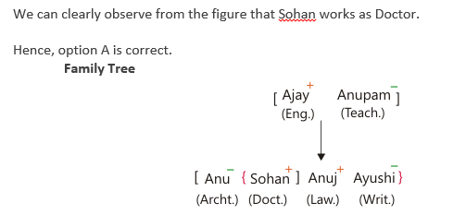
8 | How is Anuj related to Anupam? | DAUGHTER | BROTHER | SON | Data inadequate | None of these | C | In a family of six persons – Anu, Ayushi, Sohan, Ajay, Anupam and Anuj – there are three males and three females. There are two married couples and two persons are unmarried. Each one of them reads different newspapers, viz. Doctor, Engineer, Lawyer, Teacher, Writer and Architect. Anupam, who works as Engineer, is mother-in-law of Anu, who is wife of Sohan. Ajay is the father of Anuj and he does not read Doctor or Architect. Ayushi works as Writer and is the sister of Anuj, who works as Lawyer. Sohan does not works as Architect. |  | 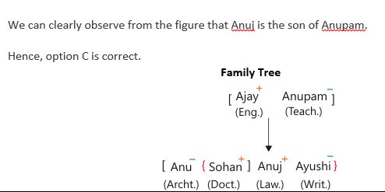
9 | How many sons does Anupam have? | 4 | 3 | 2 | 1 | None of these | C | In a family of six persons – Anu, Ayushi, Sohan, Ajay, Anupam and Anuj – there are three males and three females. There are two married couples and two persons are unmarried. Each one of them reads different newspapers, viz. Doctor, Engineer, Lawyer, Teacher, Writer and Architect. Anupam, who works as Engineer, is mother-in-law of Anu, who is wife of Sohan. Ajay is the father of Anuj and he does not read Doctor or Architect. Ayushi works as Writer and is the sister of Anuj, who works as Lawyer. Sohan does not works as Architect. |  | 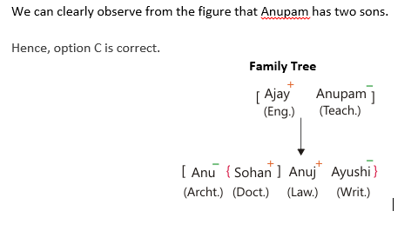
10 | What would be the code of ‘9D8O3J4’? | !>*&/XQ | XQ!>*&/ | !>*&QX/ | XQ!>&*/ | None of these | A | Directions: In each of the following questions given below, a word is given followed by four combinations of symbols and digits labelled A, B, C and D. You have to find out which of the following four combinations correctly represents the word based on the alphabet codes and the conditions given below. If none of the combinations matches, choose ‘None of these’ as your answer. Condition 1: If first element is a vowel and last element is a number then the codes are to be interchanged. Condition 2: If first element is a consonant and last element is a vowel then both of them are to be coded as middle element. Condition 3: Condition 4: If any element appears twice in a code then it will be coded as L. Note: If two or more conditions are applicable in single code then Condition 1 will be given 1st priority, Condition 2 will be given 2nd priority, Condition 3 will be given 3rd priority and Condition 4 will be given 4th priority. And position of all elements in the code will be taken from the left end. |  | 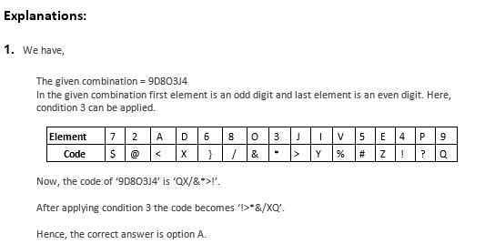
11 | What would be the code of ‘E6IVP27’? | $}%Y?@Z | $?%}Y?@ | $}Y%?@Z | Z}Y%?@$ | None of these | C | Directions: In each of the following questions given below, a word is given followed by four combinations of symbols and digits labelled A, B, C and D. You have to find out which of the following four combinations correctly represents the word based on the alphabet codes and the conditions given below. If none of the combinations matches, choose ‘None of these’ as your answer. Condition 1: If first element is a vowel and last element is a number then the codes are to be interchanged. Condition 2: If first element is a consonant and last element is a vowel then both of them are to be coded as middle element. Condition 3: Condition 4: If any element appears twice in a code then it will be coded as L. Note: If two or more conditions are applicable in single code then Condition 1 will be given 1st priority, Condition 2 will be given 2nd priority, Condition 3 will be given 3rd priority and Condition 4 will be given 4th priority. And position of all elements in the code will be taken from the left end. |  | 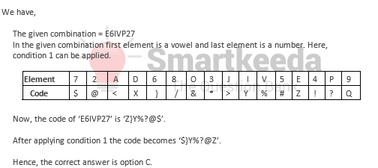
12 | What would be the code of ‘J8E735A’? | $/Z$#*< | </Z$*#> | $/Z$#*$ | $/Z$*#$ | None of these | D | Directions: In each of the following questions given below, a word is given followed by four combinations of symbols and digits labelled A, B, C and D. You have to find out which of the following four combinations correctly represents the word based on the alphabet codes and the conditions given below. If none of the combinations matches, choose ‘None of these’ as your answer. Condition 1: If first element is a vowel and last element is a number then the codes are to be interchanged. Condition 2: If first element is a consonant and last element is a vowel then both of them are to be coded as middle element. Condition 3: Condition 4: If any element appears twice in a code then it will be coded as L. Note: If two or more conditions are applicable in single code then Condition 1 will be given 1st priority, Condition 2 will be given 2nd priority, Condition 3 will be given 3rd priority and Condition 4 will be given 4th priority. And position of all elements in the code will be taken from the left end. |  | 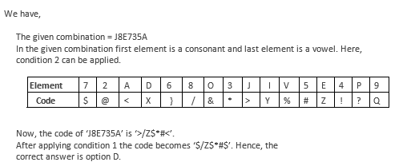
13 | Five persons – Mahi, Kona, Ramu, Deva and Jeet, each has a different weight. Who among these persons is the heaviest? Statement I : Only two persons are heavier than Kona who is heavier than Jeet and Deva. Statement II : Ramu, who is not the lightest, is heavier than Kona and Deva, but not Mahi. | If the data in statement I alone is sufficient to answer the question, while the data in statement II alone is not sufficient to answer the question | If the data in statement II alone is sufficient to answer the question, while the data in statement I alone is not sufficient to answer the question. | If the data either in statement I alone or in statement II alone is sufficient to answer the question. | If the data in both statement I and II together are not sufficient to answer the question | If the data in both statement I and II together are necessary to answer the question. | E | Directions: Each of the following consists of a question and some statements given below it. You have to decide whether the data provided in the statements are sufficient to answer the question. |  | We have, Five persons – Mahi, Kona, Ramu, Deva and Jeet, each has a different weight. Who among these persons is the heaviest? Statement I: Only two persons are heavier than Kona who is heavier than Jeet and Deva. Statement II: Ramu, who is not the lightest, is heavier than Kona and Deva but not Mahi. Checking Statement I: Statement I: Only two persons are heavier than Kona who is heavier than Jeet and Deva. Reference: Only two persons are heavier than Kona who is heavier than Jeet and Deva. Inference: After using the above references, we have: Order of weight: Clearly, Statement I alone is not sufficient to answer the question. Checking Statement II: Statement II: Ramu, who is not the lightest, is heavier than Kona and Deva but not Mahi. Reference: Ramu, who is not the lightest, is heavier than Kona and Deva but not Mahi. Inference: After using the above references, we have: Order of weight: Mahi > Ramu > Kona > Deva Here, we have no information about the weight of Jeet. Clearly, Statement II alone is also not sufficient to answer the question.
14 | Four persons – Arnav, Abdul, Afzal and Azam, are sitting in a straight line facing South then who is/are sitting adjacent to Arnav? Statement I : Arnav does not sit next to Azam, who does not sit on the extreme right. Statement II : No one sit to the right of Arnav and on the left of Abdul, while only one person sits between Afzal and Abdul. | If the data in statement I alone is sufficient to answer the question, while the data in statement II alone is not sufficient to answer the question | If the data in statement II alone is sufficient to answer the question, while the data in statement I alone is not sufficient to answer the question. | If the data either in statement I alone or in statement II alone is sufficient to answer the question. | If the data in both statement I and II together are not sufficient to answer the question | If the data in both statement I and II together are necessary to answer the question. | B | Directions: Each of the following consists of a question and some statements given below it. You have to decide whether the data provided in the statements are sufficient to answer the question. |  | We have, Four persons – Arnav, Abdul, Afzal and Azam, are sitting in a straight line facing South then who is/are sitting adjacent to Arnav? Statement I: Arnav does not sit next to Azam, who does not sit on the extreme right. Statement II: No one sit to the right of Arnav and on the left of Abdul, while only one person sits between Afzal and Abdul. Checking Statement I: Statement I: Arnav does not sit next to Azam, who does not sit on the extreme right Reference: Arnav does not sit next to Azam, who does not sit on the extreme right. Inference: Here, we have no sure information about the position of any of these persons in the row. Clearly, Statement I alone is sufficient to answer the question. Checking Statement II: Statement II: No one sit to the right of Arnav and on the left of Abdul, while only one person sits between Afzal and Abdul. Reference: No one sit to the right of Arnav and on the left of Abdul, while only one person sits between Afzal and Abdul. Inference: After using the above references, we can draw a following linear arrangement: Hence, the correct answer is option
15 | Six persons – P,Q,R,S,T and U, each earns a different amount of money. Who earns maximum? Statement I : R earns more than only two persons. Q earns more than P but not maximum. T earns more than only U. Statement II : P earns less than only two persons. T earns more than U but less than R. R earns less than P. Q earns less than S | If the data in statement I alone is sufficient to answer the question, while the data in statement II alone is not sufficient to answer the question | If the data in statement II alone is sufficient to answer the question, while the data in statement I alone is not sufficient to answer the question. | If the data either in statement I alone or in statement II alone is sufficient to answer the question. | If the data in both statement I and II together are not sufficient to answer the question | If the data in both statement I and II together are necessary to answer the question. | C | Directions: Each of the following consists of a question and some statements given below it. You have to decide whether the data provided in the statements are sufficient to answer the question. |  | We have, Six persons – P, Q, R, S, T and U, each earns a different amount of money. Who earns maximum? Statement I: R earns more than only two persons. Q earns more than P but not maximum. T earns more than only U. Statement II: P earns less than only two persons. T earns more than U but less than R. R earns less than P. Q earns less than S. Checking Statement I: Statement I: R earns more than only two persons. Q earns more than P but not maximum. T earns more than only U.
16 | If Bani is to look for Teenu in the game, what distance she saves if she goes to Teenu straight instead of first going to Dev and then reaching Teenu? | 42.47m | 56.60m | 27.34m | 23.44m | None of these | D | Read the given information carefully and answer the questions given beside: (A set of 2 questions) Five friends Teenu, Bani, Chandni, Dev and Joy are playing Hide and Seek and standing randomly. Bani is to the northeast of Joy. Dev is 20 m to the east of Joy, who is 60 m to the west of Teenu. Chandni is to the northwest of Dev and in the line of Joy and Bani. Dev is 40 m to the south of Bani. |  | Distance covered by Bani while going to Dev and then reaching Teenu = 40 + 40 = 80 m Distance covered by Bani while going straight to Teenu = = 1. Distance covered by Bani while going to Dev and then reaching Teenu = 40 + 40 = 80 m Distance covered by Bani while going straight to Teenu = = = 56.56 m Therefore, the distance saved = 80 – 56.56 = 23.44 m Option D is hence the correct answer. = 56.56 m Therefore, the distance saved = 80 – 56.56 = 23.44 m Option D is hence the correct answer.
17 | What angle does Bani make at the point where Teenu is standing while Joy, Dev and Teenu are in the same line? | 135 | 45 | 90 | 60 | None of these | B | Read the given information carefully and answer the questions given beside: (A set of 2 questions) Five friends Teenu, Bani, Chandni, Dev and Joy are playing Hide and Seek and standing randomly. Bani is to the northeast of Joy. Dev is 20 m to the east of Joy, who is 60 m to the west of Teenu. Chandni is to the northwest of Dev and in the line of Joy and Bani. Dev is 40 m to the south of Bani. |  | As per the diagram, the distance between Dev and Bani is 40 m while the distance between Dev and Teenu is also 40 m. Clearly, if we connect the points Bani, Dev and Teenu, they will form an isosceles triangle with angle BDT (Bani, Dev, Teenu) to be 90°. Therefore, the angle BTD(Bani, Teenu, Dev) must be 45°.
18 | Whose car won the first Prize? | Maruti | Arvind | Modi | Amit | None of these | A | Four persons participated with their cars in a car race. The colour and brand of each of the cars is different. Those colours are White, Black, Red and Brown and the brands are - Benz, Hyundai, Maruti and Toyota. The persons mentioned got four Prizes I, II, III and IV where I Prize is for the best performance in the race. (i) The colour of Modi’s car is not Red. (ii) Toyota, which is not white, got either first position or the last position in the Car race. (iii) Amit’s car got one position ahead of Modi’s but one position below the black Car. (iv) Arvind’s car was positioned just above Maruti, but was just below the white car. (v) Arvind’s car is not Hyundai. Maruti, who is the friend of Arvind, was also one of the participants in the race. |  | 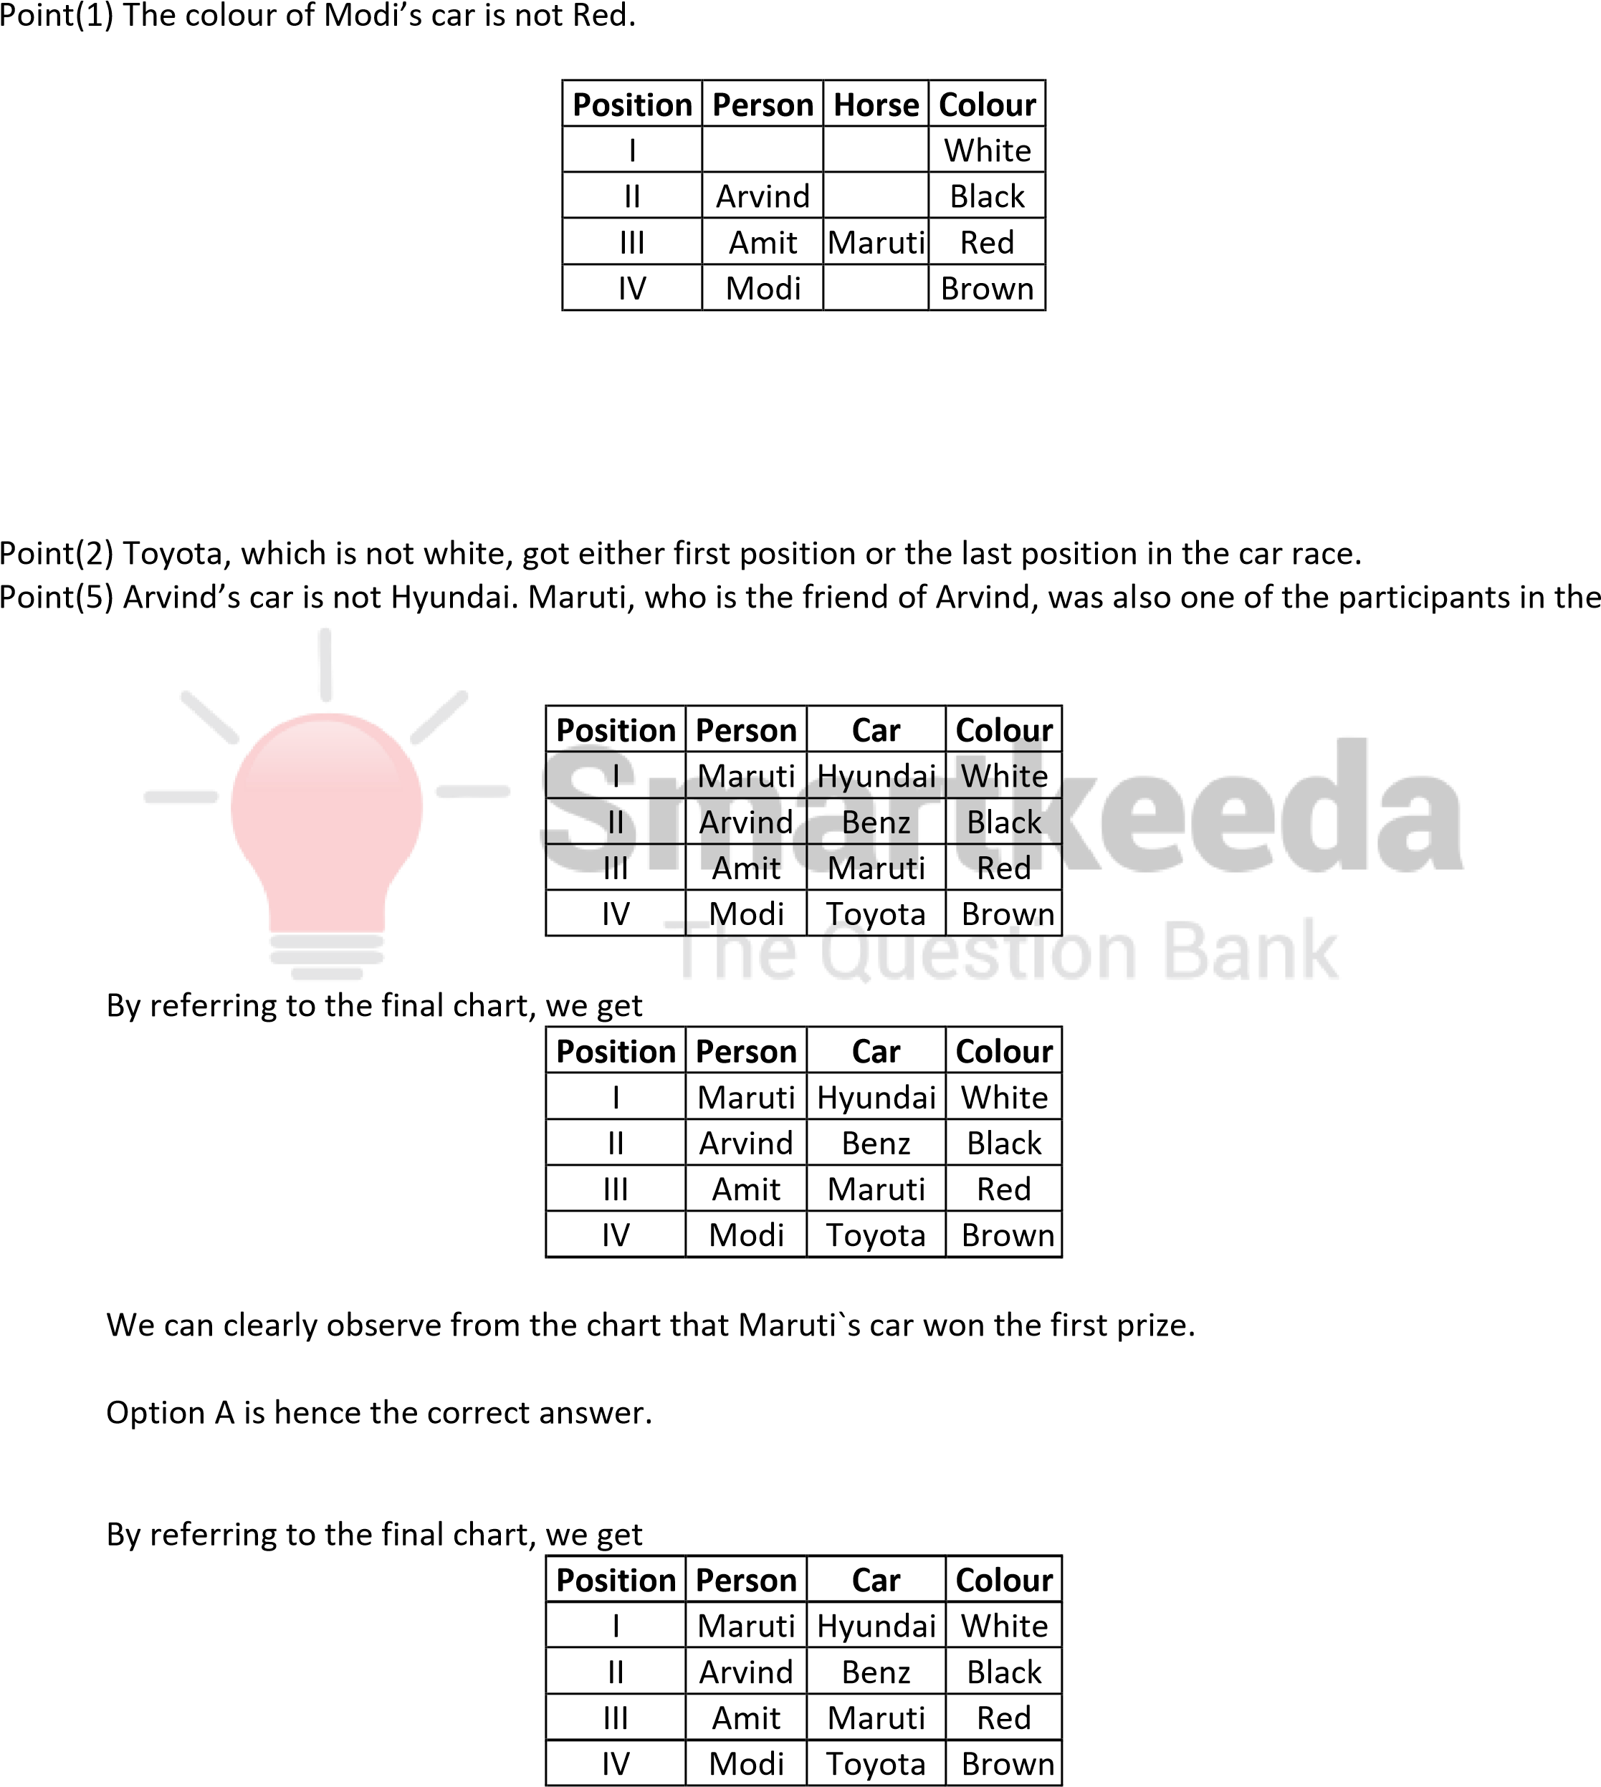
19 | Who owns Maruti? | Maruti | Arvind | Amit | Modi | None of these | C | Four persons participated with their cars in a car race. The colour and brand of each of the cars is different. Those colours are White, Black, Red and Brown and the brands are - Benz, Hyundai, Maruti and Toyota. The persons mentioned got four Prizes I, II, III and IV where I Prize is for the best performance in the race. (i) The colour of Modi’s car is not Red. (ii) Toyota, which is not white, got either first position or the last position in the Car race. (iii) Amit’s car got one position ahead of Modi’s but one position below the black Car. (iv) Arvind’s car was positioned just above Maruti, but was just below the white car. (v) Arvind’s car is not Hyundai. Maruti, who is the friend of Arvind, was also one of the participants in the race.
20 | Which of the following depicts the colour of Modi’s car? | White | Black | Red | Brown | None of these | D | Four persons participated with their cars in a car race. The colour and brand of each of the cars is different. Those colours are White, Black, Red and Brown and the brands are - Benz, Hyundai, Maruti and Toyota. The persons mentioned got four Prizes I, II, III and IV where I Prize is for the best performance in the race. (i) The colour of Modi’s car is not Red. (ii) Toyota, which is not white, got either first position or the last position in the Car race. (iii) Amit’s car got one position ahead of Modi’s but one position below the black Car. (iv) Arvind’s car was positioned just above Maruti, but was just below the white car. (v) Arvind’s car is not Hyundai. Maruti, who is the friend of Arvind, was also one of the participants in the race. |  | 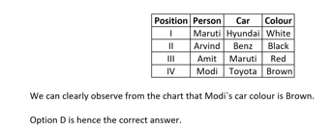
21 | Which of the following cars won the Second Prize? | Hyundai | Toyota | Benz | Maruti | None of these | C | Four persons participated with their cars in a car race. The colour and brand of each of the cars is different. Those colours are White, Black, Red and Brown and the brands are - Benz, Hyundai, Maruti and Toyota. The persons mentioned got four Prizes I, II, III and IV where I Prize is for the best performance in the race. (i) The colour of Modi’s car is not Red. (ii) Toyota, which is not white, got either first position or the last position in the Car race. (iii) Amit’s car got one position ahead of Modi’s but one position below the black Car. (iv) Arvind’s car was positioned just above Maruti, but was just below the white car. (v) Arvind’s car is not Hyundai. Maruti, who is the friend of Arvind, was also one of the participants in the race. |  | 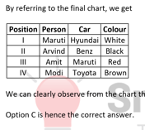
22 | Which of the following statements is true? | Hyundai is owned by Amit | The colour of Arvind’s car is Brown | Toyota is owned by Arvind | The colour of Maruti’s car is White. | None of these | D | Four persons participated with their cars in a car race. The colour and brand of each of the cars is different. Those colours are White, Black, Red and Brown and the brands are - Benz, Hyundai, Maruti and Toyota. The persons mentioned got four Prizes I, II, III and IV where I Prize is for the best performance in the race. (i) The colour of Modi’s car is not Red. (ii) Toyota, which is not white, got either first position or the last position in the Car race. (iii) Amit’s car got one position ahead of Modi’s but one position below the black Car. (iv) Arvind’s car was positioned just above Maruti, but was just below the white car. (v) Arvind’s car is not Hyundai. Maruti, who is the friend of Arvind, was also one of the participants in the race. |  | 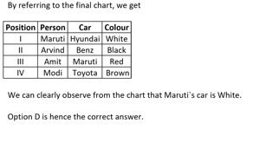
23 | Who among the following sit between Nitin and the representative from Food Processing Industries? | Jaitley and Radha | Radha and Ravi | Shankar and Jaitley | Shankar and Ravi | Nitin and Paswan | C | There is a meet of eight ministers at Rashtrapati Bhawan. These eight ministers namely Jaitley, Nitin, Prabhu, Paswan, Prakash, Radha, Ravi and Shankar are sitting around a circular table facing the centre but not necessarily in the same order. Each one of them is from a different ministery viz. Agriculture, Finance, Defence, Railways, Health and Family Welfare, HRD, Food Processing Industries and Law & order. Radha sits second to the right of the representative of Railways. Representatives of Food Processing Industries and Railways are immediate neighbours of the each other. Two people sit between the representative of Food Processing Industries and Nitin. Prabhu and Prakash are immediate neighbours of each other. Neither Prabhu nor Prakash is an immediate neighbour of either Nitin or the representative of Food Processing Industries. Representative of Defence sits second to the right of Paswan, Paswan is neither the representative of Railways nor Food Processing Industries. Ravi and the representative of Agriculture are immediate neighbours of each other. Nitin is not the representative of Agriculture. Only one person sits between Prabhu and the representative of Finance. Shankar sits third to the left of the representative of Law & order. Representative from HRD sits second to the left of the representative of Health and Family Welfare. | 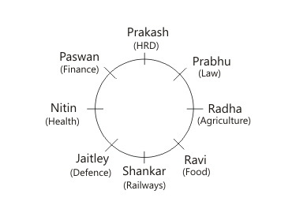 | By referring to the final seating arrangement chart, we get We can clearly observe that Jaitley and shankar are sitting between Nitin and Ravi, who is representative of Food Processing Industries. Hence, option C is correct.
24 | Who among the following sits second to the left of Nitin? | The representative of Railways | The representative of HRD | The representative of Law & order | The representative of Health and Family Welfare | None of these | B | There is a meet of eight ministers at Rashtrapati Bhawan. These eight ministers namely Jaitley, Nitin, Prabhu, Paswan, Prakash, Radha, Ravi and Shankar are sitting around a circular table facing the centre but not necessarily in the same order. Each one of them is from a different ministery viz. Agriculture, Finance, Defence, Railways, Health and Family Welfare, HRD, Food Processing Industries and Law & order. Radha sits second to the right of the representative of Railways. Representatives of Food Processing Industries and Railways are immediate neighbours of the each other. Two people sit between the representative of Food Processing Industries and Nitin. Prabhu and Prakash are immediate neighbours of each other. Neither Prabhu nor Prakash is an immediate neighbour of either Nitin or the representative of Food Processing Industries. Representative of Defence sits second to the right of Paswan, Paswan is neither the representative of Railways nor Food Processing Industries. Ravi and the representative of Agriculture are immediate neighbours of each other. Nitin is not the representative of Agriculture. Only one person sits between Prabhu and the representative of Finance. Shankar sits third to the left of the representative of Law & order. Representative from HRD sits second to the left of the representative of Health and Family Welfare. |  | 2. By referring to the final seating arrangement chart, we get We can clearly observe that the representative of HRD, Prakash is sitting second to the left of Nitin. Hence, option B is correct.
25 | Which of the following is true with respect to the given seating arrangement? | Jaitley sits second to the right of the representative of Food Processing Industries | The representative of Law & Order sits to the immediate left of the representative of Agriculture | Nitin is the representative of Defence | Prabhu sits second to the right of Shankar | Jaitley and Nitin are immediate neighbours of each other | E | There is a meet of eight ministers at Rashtrapati Bhawan. These eight ministers namely Jaitley, Nitin, Prabhu, Paswan, Prakash, Radha, Ravi and Shankar are sitting around a circular table facing the centre but not necessarily in the same order. Each one of them is from a different ministery viz. Agriculture, Finance, Defence, Railways, Health and Family Welfare, HRD, Food Processing Industries and Law & order. Radha sits second to the right of the representative of Railways. Representatives of Food Processing Industries and Railways are immediate neighbours of the each other. Two people sit between the representative of Food Processing Industries and Nitin. Prabhu and Prakash are immediate neighbours of each other. Neither Prabhu nor Prakash is an immediate neighbour of either Nitin or the representative of Food Processing Industries. Representative of Defence sits second to the right of Paswan, Paswan is neither the representative of Railways nor Food Processing Industries. Ravi and the representative of Agriculture are immediate neighbours of each other. Nitin is not the representative of Agriculture. Only one person sits between Prabhu and the representative of Finance. Shankar sits third to the left of the representative of Law & order. Representative from HRD sits second to the left of the representative of Health and Family Welfare. |  | 3. By referring to the final seating arrangement chart, we get We can clearly observe that Jaitley and Nitin are immediate neighbours of each other. Hence, option E is correct.
26 | Who among the following is the representative of Finance? | Jaitley | Prabhu | Shankar | Ravi | Paswan | E | There is a meet of eight ministers at Rashtrapati Bhawan. These eight ministers namely Jaitley, Nitin, Prabhu, Paswan, Prakash, Radha, Ravi and Shankar are sitting around a circular table facing the centre but not necessarily in the same order. Each one of them is from a different ministery viz. Agriculture, Finance, Defence, Railways, Health and Family Welfare, HRD, Food Processing Industries and Law & order. Radha sits second to the right of the representative of Railways. Representatives of Food Processing Industries and Railways are immediate neighbours of the each other. Two people sit between the representative of Food Processing Industries and Nitin. Prabhu and Prakash are immediate neighbours of each other. Neither Prabhu nor Prakash is an immediate neighbour of either Nitin or the representative of Food Processing Industries. Representative of Defence sits second to the right of Paswan, Paswan is neither the representative of Railways nor Food Processing Industries. Ravi and the representative of Agriculture are immediate neighbours of each other. Nitin is not the representative of Agriculture. Only one person sits between Prabhu and the representative of Finance. Shankar sits third to the left of the representative of Law & order. Representative from HRD sits second to the left of the representative of Health and Family Welfare. |  | 4. By referring to the final seating arrangement chart, we get We can clearly observe that Paswan is the representative of finance.
27 | The amount paid by YouTube per 1000 subscribers is Rs. 42 and per 10000 views is Rs. 85. Find the difference between the amount of money earned by channel A and channel B till 31st May. | Rs. 42246 | Rs. 39040 | Rs. 31983 | Rs. 42578 | Rs. 44212 | E | There is a meet of eight ministers at Rashtrapati Bhawan. These eight ministers namely Jaitley, Nitin, Prabhu, Paswan, Prakash, Radha, Ravi and Shankar are sitting around a circular table facing the centre but not necessarily in the same order. Each one of them is from a different ministery viz. Agriculture, Finance, Defence, Railways, Health and Family Welfare, HRD, Food Processing Industries and Law & order. Radha sits second to the right of the representative of Railways. Representatives of Food Processing Industries and Railways are immediate neighbours of the each other. Two people sit between the representative of Food Processing Industries and Nitin. Prabhu and Prakash are immediate neighbours of each other. Neither Prabhu nor Prakash is an immediate neighbour of either Nitin or the representative of Food Processing Industries. Representative of Defence sits second to the right of Paswan, Paswan is neither the representative of Railways nor Food Processing Industries. Ravi and the representative of Agriculture are immediate neighbours of each other. Nitin is not the representative of Agriculture. Only one person sits between Prabhu and the representative of Finance. Shankar sits third to the left of the representative of Law & order. Representative from HRD sits second to the left of the representative of Health and Family Welfare. |  | By referring to the final seating arrangement chart, we get Except Nitin – Defence, in all other pairs concerned department minister is sitting second to the right of first person. Hence, option E is correct..
28 | Which of the following represents the fifth element from left end in step IV and fourth element from right end in step II respectively? | relation -38 | 25 - 53 | relation - base | relation - 53 | None of these | D | Directions(1-5): A word and number arrangement machine when given an input line of words and numbers rearranges them following a particular rule in each step. The following is an illustration of input and rearrangement. Input: variety 35 spices 21 for 79 good 54 taste 46 Step I: for variety 35 spices 21 79 good 54 taste 46 Step II: good for variety 35 spices 79 54 taste 46 21 Step III: taste good for variety 35 spices 54 46 21 79 Step IV: spices taste good for variety 54 46 21 79 35 Step V: variety spices taste good for 46 21 79 35 54 Step V is the last step. Find the various steps and final output for the input given below. Input: Strong 64 relations 25 depends 38 on 53 base 45 |  | Change in word: The words are rearranged as per ascending order of number of letters and placed at extreme left end. Change in number: The numbers are rearranged as per ascending order of sum of their digits until a single digit is obtained and shifted to extreme right end. Note- Change in word and number takes place simultaneously at each step. Only one word and one number is changed in a step. Reference: Input: variety 35 spices 21 for 79 good 54 taste 46 Step I: for variety 35 spices 21 79 good 54 taste 46 Inference: Input: strong 64 relation 25 depends 38 on 53 base 45 Step I: on strong relation 25 depends 38 53 base 45 64 Reference: Step I: for variety 35 spices 21 79 good 54 taste 46 Step II: good for variety 35 spices 79 54 taste 46 21 Inference: Step I: on strong relation 25 depends 38 53 base 45 64 Step II: base on strong relation 25 depends 53 45 64 38 Reference: Step II: good for variety 35 spices 79 54 taste 46 21 Step III: taste good for variety 35 spices 54 46 21 79 Inference: Step II: base on strong relation 25 depends 53 45 64 38 Step III: strong base on relation depends 53 45 64 38 25 Reference: Step III: taste good for variety 35 spices 54 46 21 79 Step IV: spices taste good for variety 54 46 21 79 35 Inference: Step III: strong base on relation depends 53 45 64 38 25 Step IV: depends strong base on relation 45 64 38 25 53 Reference: Step IV: spices taste good for variety 54 46 21 79 35 Step V: variety spices taste good for 46 21 79 35 54 Inference: Step IV: depends strong base on relation 45 64 38 25 53 Step V: relation depends strong base on 64 38 25 53 45 Final Output: Input: strong 64 relation 25 depends 38 on 53 base 45 Step I: on strong relation 25 depends 38 53 base 45 64 Step II: base on strong relation 25 depends 53 45 64 38 Step III: strong base on relation depends 53 45 64 38 25 Step IV: depends strong base on relation 45 64 38 25 53 Step V: relation depends strong base on 64 3
29 | What is the difference of the odd numbers that come between 'strong' and 'base' in step I? | Only one odd number comes in between | 14 | 28 | No odd number comes in between | Can't be determined | C | Directions(1-5): A word and number arrangement machine when given an input line of words and numbers rearranges them following a particular rule in each step. The following is an illustration of input and rearrangement. Input: variety 35 spices 21 for 79 good 54 taste 46 Step I: for variety 35 spices 21 79 good 54 taste 46 Step II: good for variety 35 spices 79 54 taste 46 21 Step III: taste good for variety 35 spices 54 46 21 79 Step IV: spices taste good for variety 54 46 21 79 35 Step V: variety spices taste good for 46 21 79 35 54 Step V is the last step. Find the various steps and final output for the input given below. Input: Strong 64 relations 25 depends 38 on 53 base 45 |  | Change in word: The words are rearranged as per ascending order of number of letters and placed at extreme left end. Change in number: The numbers are rearranged as per ascending order of sum of their digits until a single digit is obtained and shifted to extreme right end. Note- Change in word and number takes place simultaneously at each step. Only one word and one number is changed in a step. Reference: Input: variety 35 spices 21 for 79 good 54 taste 46 Step I: for variety 35 spices 21 79 good 54 taste 46 Inference: Input: strong 64 relation 25 depends 38 on 53 base 45 Step I: on strong relation 25 depends 38 53 base 45 64 Reference: Step I: for variety 35 spices 21 79 good 54 taste 46 Step II: good for variety 35 spices 79 54 taste 46 21 Inference: Step I: on strong relation 25 depends 38 53 base 45 64 Step II: base on strong relation 25 depends 53 45 64 38 Reference: Step II: good for variety 35 spices 79 54 taste 46 21 Step III: taste good for variety 35 spices 54 46 21 79 Inference: Step II: base on strong relation 25 depends 53 45 64 38 Step III: strong base on relation depends 53 45 64 38 25 Reference: Step III: taste good for variety 35 spices 54 46 21 79 Step IV: spices taste good for variety 54 46 21 79 35 Inference: Step III: strong base on relation depends 53 45 64 38 25 Step IV: depends strong base on relation 45 64 38 25 53 Reference: Step IV: spices taste good for variety 54 46 21 79 35 Step V: variety spices taste good for 46 21 79 35 54 Inference: Step IV: depends strong base on relation 45 64 38 25 53 Step V: relation depends strong base on 64 38 25 53 45 Final Output: Input: strong 64 relation 25 depends 38 on 53 base 45 Step I: on strong relation 25 depends 38 53 base 45 64 Step II: base on strong relation 25 depends 53 45 64 38 Step III: strong base on relation depends 53 45 64 38 25 Step IV: depends strong base on relation 45 64 38 25 53 Step V: relation depends strong base on 64 3
30 | With respect to the step V, Four of the following five are alike in a certain way and thu form a group. Which of the following does not belong to that group? | 38 | base | depends | 53 | 45 | E | Directions(1-5): A word and number arrangement machine when given an input line of words and numbers rearranges them following a particular rule in each step. The following is an illustration of input and rearrangement. Input: variety 35 spices 21 for 79 good 54 taste 46 Step I: for variety 35 spices 21 79 good 54 taste 46 Step II: good for variety 35 spices 79 54 taste 46 21 Step III: taste good for variety 35 spices 54 46 21 79 Step IV: spices taste good for variety 54 46 21 79 35 Step V: variety spices taste good for 46 21 79 35 54 Step V is the last step. Find the various steps and final output for the input given below. Input: Strong 64 relations 25 depends 38 on 53 base 45 |  | Change in word: The words are rearranged as per ascending order of number of letters and placed at extreme left end. Change in number: The numbers are rearranged as per ascending order of sum of their digits until a single digit is obtained and shifted to extreme right end. Note- Change in word and number takes place simultaneously at each step. Only one word and one number is changed in a step. Reference: Input: variety 35 spices 21 for 79 good 54 taste 46 Step I: for variety 35 spices 21 79 good 54 taste 46 Inference: Input: strong 64 relation 25 depends 38 on 53 base 45 Step I: on strong relation 25 depends 38 53 base 45 64 Reference: Step I: for variety 35 spices 21 79 good 54 taste 46 Step II: good for variety 35 spices 79 54 taste 46 21 Inference: Step I: on strong relation 25 depends 38 53 base 45 64 Step II: base on strong relation 25 depends 53 45 64 38 Reference: Step II: good for variety 35 spices 79 54 taste 46 21 Step III: taste good for variety 35 spices 54 46 21 79 Inference: Step II: base on strong relation 25 depends 53 45 64 38 Step III: strong base on relation depends 53 45 64 38 25 Reference: Step III: taste good for variety 35 spices 54 46 21 79 Step IV: spices taste good for variety 54 46 21 79 35 Inference: Step III: strong base on relation depends 53 45 64 38 25 Step IV: depends strong base on relation 45 64 38 25 53 Reference: Step IV: spices taste good for variety 54 46 21 79 35 Step V: variety spices taste good for 46 21 79 35 54 Inference: Step IV: depends strong base on relation 45 64 38 25 53 Step V: relation depends strong base on 64 38 25 53 45 Final Output: Input: strong 64 relation 25 depends 38 on 53 base 45 Step I: on strong relation 25 depends 38 53 base 45 64 Step II: base on strong relation 25 depends 53 45 64 38 Step III: strong base on relation depends 53 45 64 38 25 Step IV: depends strong base on relation 45 64 38 25 53 Step V: relation depends strong base on 64 38
31 | Which of the following elements is third to the left of fourth element from right end in step III? | 53 | relation | base | depends | None of these | B | Directions(1-5): A word and number arrangement machine when given an input line of words and numbers rearranges them following a particular rule in each step. The following is an illustration of input and rearrangement. Input: variety 35 spices 21 for 79 good 54 taste 46 Step I: for variety 35 spices 21 79 good 54 taste 46 Step II: good for variety 35 spices 79 54 taste 46 21 Step III: taste good for variety 35 spices 54 46 21 79 Step IV: spices taste good for variety 54 46 21 79 35 Step V: variety spices taste good for 46 21 79 35 54 Step V is the last step. Find the various steps and final output for the input given below. Input: Strong 64 relations 25 depends 38 on 53 base 45 |  | Change in word: The words are rearranged as per ascending order of number of letters and placed at extreme left end. Change in number: The numbers are rearranged as per ascending order of sum of their digits until a single digit is obtained and shifted to extreme right end. Note- Change in word and number takes place simultaneously at each step. Only one word and one number is changed in a step. Reference: Input: variety 35 spices 21 for 79 good 54 taste 46 Step I: for variety 35 spices 21 79 good 54 taste 46 Inference: Input: strong 64 relation 25 depends 38 on 53 base 45 Step I: on strong relation 25 depends 38 53 base 45 64 Reference: Step I: for variety 35 spices 21 79 good 54 taste 46 Step II: good for variety 35 spices 79 54 taste 46 21 Inference: Step I: on strong relation 25 depends 38 53 base 45 64 Step II: base on strong relation 25 depends 53 45 64 38 Reference: Step II: good for variety 35 spices 79 54 taste 46 21 Step III: taste good for variety 35 spices 54 46 21 79 Inference: Step II: base on strong relation 25 depends 53 45 64 38 Step III: strong base on relation depends 53 45 64 38 25 Reference: Step III: taste good for variety 35 spices 54 46 21 79 Step IV: spices taste good for variety 54 46 21 79 35 Inference: Step III: strong base on relation depends 53 45 64 38 25 Step IV: depends strong base on relation 45 64 38 25 53 Reference: Step IV: spices taste good for variety 54 46 21 79 35 Step V: variety spices taste good for 46 21 79 35 54 Inference: Step IV: depends strong base on relation 45 64 38 25 53 Step V: relation depends strong base on 64 38 25 53 45 Final Output: Input: strong 64 relation 25 depends 38 on 53 base 45 Step I: on strong relation 25 depends 38 53 base 45 64 Step II: base on strong relation 25 depends 53 45 64 38 Step III: strong base on relation depends 53 45 64 38 25 Step IV: depends strong base on relation 45 64 38 25 53 Step V: relation depends strong base on 64 38
32 | What is the sum of the numbers that are towards the right of 'base' in step I? | 109 | 102 | 91 | There is only one number | None of these | A | Directions(1-5): A word and number arrangement machine when given an input line of words and numbers rearranges them following a particular rule in each step. The following is an illustration of input and rearrangement. Input: variety 35 spices 21 for 79 good 54 taste 46 Step I: for variety 35 spices 21 79 good 54 taste 46 Step II: good for variety 35 spices 79 54 taste 46 21 Step III: taste good for variety 35 spices 54 46 21 79 Step IV: spices taste good for variety 54 46 21 79 35 Step V: variety spices taste good for 46 21 79 35 54 Step V is the last step. Find the various steps and final output for the input given below. Input: Strong 64 relations 25 depends 38 on 53 base 45 |  | Change in word: The words are rearranged as per ascending order of number of letters and placed at extreme left end. Change in number: The numbers are rearranged as per ascending order of sum of their digits until a single digit is obtained and shifted to extreme right end. Note- Change in word and number takes place simultaneously at each step. Only one word and one number is changed in a step. Reference: Input: variety 35 spices 21 for 79 good 54 taste 46 Step I: for variety 35 spices 21 79 good 54 taste 46 Inference: Input: strong 64 relation 25 depends 38 on 53 base 45 Step I: on strong relation 25 depends 38 53 base 45 64 Reference: Step I: for variety 35 spices 21 79 good 54 taste 46 Step II: good for variety 35 spices 79 54 taste 46 21 Inference: Step I: on strong relation 25 depends 38 53 base 45 64 Step II: base on strong relation 25 depends 53 45 64 38 Reference: Step II: good for variety 35 spices 79 54 taste 46 21 Step III: taste good for variety 35 spices 54 46 21 79 Inference: Step II: base on strong relation 25 depends 53 45 64 38 Step III: strong base on relation depends 53 45 64 38 25 Reference: Step III: taste good for variety 35 spices 54 46 21 79 Step IV: spices taste good for variety 54 46 21 79 35 Inference: Step III: strong base on relation depends 53 45 64 38 25 Step IV: depends strong base on relation 45 64 38 25 53 Reference: Step IV: spices taste good for variety 54 46 21 79 35 Step V: variety spices taste good for 46 21 79 35 54 Inference: Step IV: depends strong base on relation 45 64 38 25 53 Step V: relation depends strong base on 64 38 25 53 45 Final Output: Input: strong 64 relation 25 depends 38 on 53 base 45 Step I: on strong relation 25 depends 38 53 base 45 64 Step II: base on strong relation 25 depends 53 45 64 38 Step III: strong base on relation depends 53 45 64 38 25 Step IV: depends strong base on relation 45 64 38 25 53 Step V: relation depends strong base on 64 38
33 | Statements: No apple is a plum. All plums are oranges. All oranges are mangoes. Conclusions: I. All plums are mangoes. II. At least some mangoes are oranges. | Neither I nor II follows | Only I follows | Either I or II follows | Both I and II follow | Only II follows | D | Directions : In question, some statements are given, followed by two conclusions I and II. You have to consider the statements to be true, even if they seem to be at variance from commonly known facts. You have to decide which of the given conclusions, if any, follow from the given statements. Indicate your answer. |  | All plums are oranges (A) + All oranges are mangoes (A) = A + A = All plums are mangoes. Hence, conclusion I follows. All oranges are mangoes – converse – Some mangoes are oranges. Hence, conclusion II follows. Hence option D is correct.
34 | Statements: All animals are mammals. No mammal is reptile. All reptiles are amphibians. Conclusions: I. All animals are amphibians. II. Some amphibians are mammals | Neither I nor II follows | Only I follows | Either I or II follows | Both I and II follow | Only II follows | A | Directions : In question, some statements are given, followed by two conclusions I and II. You have to consider the statements to be true, even if they seem to be at variance from commonly known facts. You have to decide which of the given conclusions, if any, follow from the given statements. Indicate your answer. |  | Checking C1: All animals are amphibians The class 'animals' is in Statement 1 and 'amphibians' is in Statement 3 and the link or middle term is available in Statement 2 which is an E type statement. Clearly, using these we can't have an A type conclusion. C1, clearly, doesn't follow. Checking C2: Some amphibians are mammals. Applying the same logic, we can't get a positive conclusion using Statement 2 and Statement 3. C2, doesn't follow either. Option A is hence the correct answer.
35 | Statement: Some schools are classes. Some classes are teachers. All teachers are students. Conclusions: I. Some students are classes. II. All schools being students is a possibility. | Neither I nor II follows | Only I follows | Either I or II follows | Both I and II follow | Only II follows | D | Directions : In question, some statements are given, followed by two conclusions I and II. You have to consider the statements to be true, even if they seem to be at variance from commonly known facts. You have to decide which of the given conclusions, if any, follow from the given statements. Indicate your answer. |  | Checking C1: Some students are classes. Some classes are teachers + All teachers are students = Some classes are students. Clearly, C1 follows. Checking C1: All schools being students is a possibility. Here, no negative statement is given among the statements. Clearly, possibilities between classes do exist. C2 follows as well. Option D is hence the correct answer.

