SLD Building
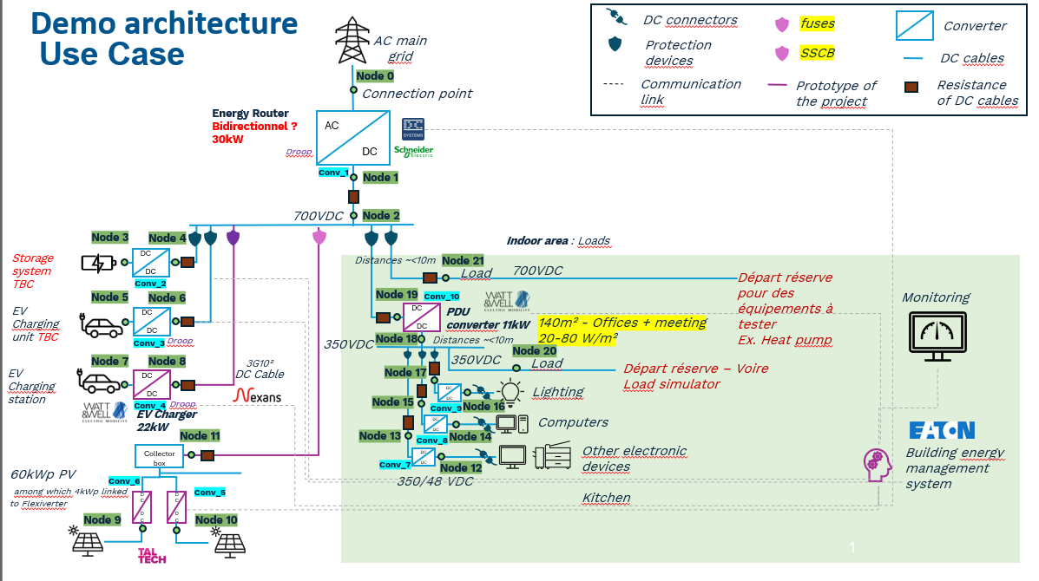

Assets Nodes
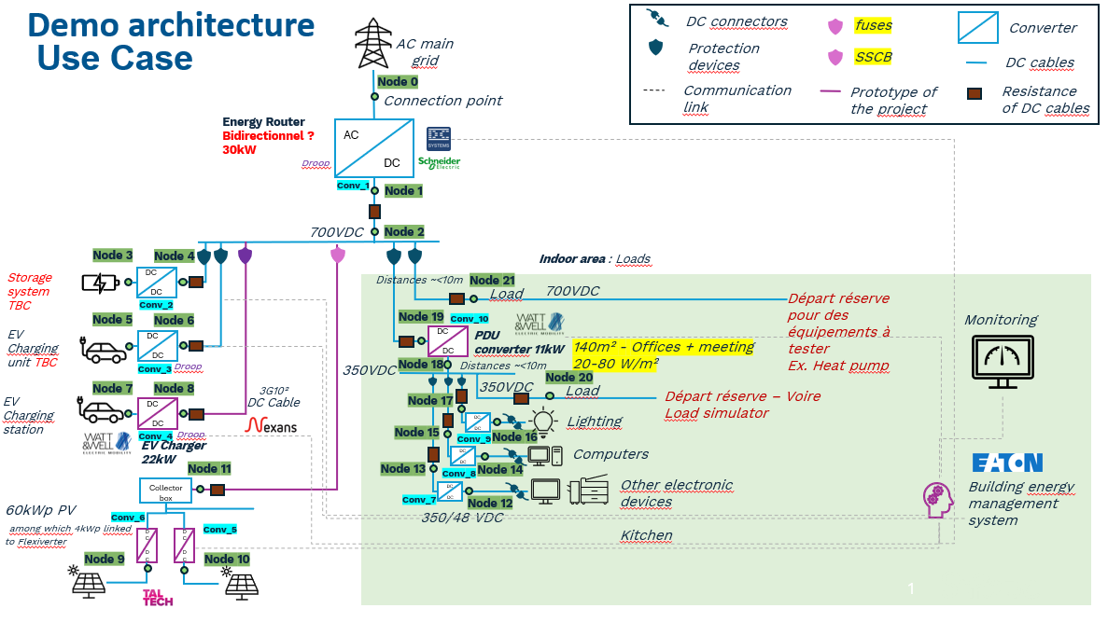
Component type | Node type | Node number | Operating nominal voltage (V) | Maximum power (kW) | Capacity (kWh) | Droop curve of asset | Directly linked converter | Node number for directly linked converter | Asset profile type
AC Grid | V | 0 | 400 | 100 | not applicable | not applicable | Conv_1 | 1 | not applicable
Storage | storage | 3 | 700 | 10 | 40 | not applicable | Conv_2 | 4 | not applicable
EV | storage | 5 | 700 | 11 | 40 | not applicable | Conv_3 | 6 | user-defined
EV | storage | 7 | 700 | 22 | 24 | not applicable | Conv_4 | 8 | user-defined
PV | P | 9 | 700 | 30 | not applicable | not applicable | Conv_5 | 11 | user-defined
PV | P | 10 | 700 | 30 | not applicable | not applicable | Conv_6 | 11 | user-defined
DC Load | P | 12 | 48 | 0.5 | not applicable | default non-dynamic | Conv_7 | 13 | user-defined
DC Load | P | 14 | 48 | 0.5 | not applicable | default non-dynamic | Conv_8 | 15 | user-defined
DC Load | P | 16 | 48 | 0.5 | not applicable | default non-dynamic | Conv_9 | 17 | user-defined
DC Load | P | 20 | 350 | 1 | not applicable | not applicable | not applicable | not applicable | user-defined
DC Load | P | 21 | 700 | 2 | not applicable | not applicable | not applicable | not applicable | user-defined

