AnnualSciProd
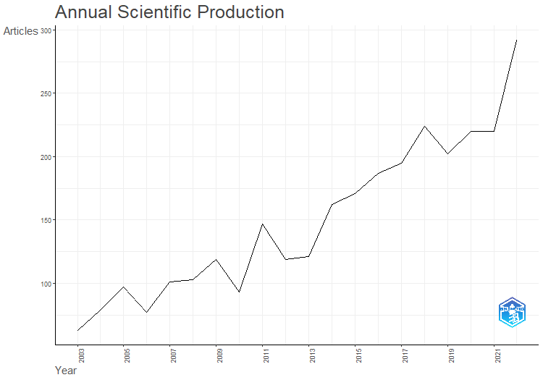
Year | Articles
2003 | 63
2004 | 79
2005 | 97
2006 | 77
2007 | 101
2008 | 103
2009 | 119
2010 | 93
2011 | 147
2012 | 119
2013 | 121
2014 | 162
2015 | 171
2016 | 187
2017 | 195
2018 | 224
2019 | 202
2020 | 220
2021 | 220
2022 | 292

AnnualCitPerYear
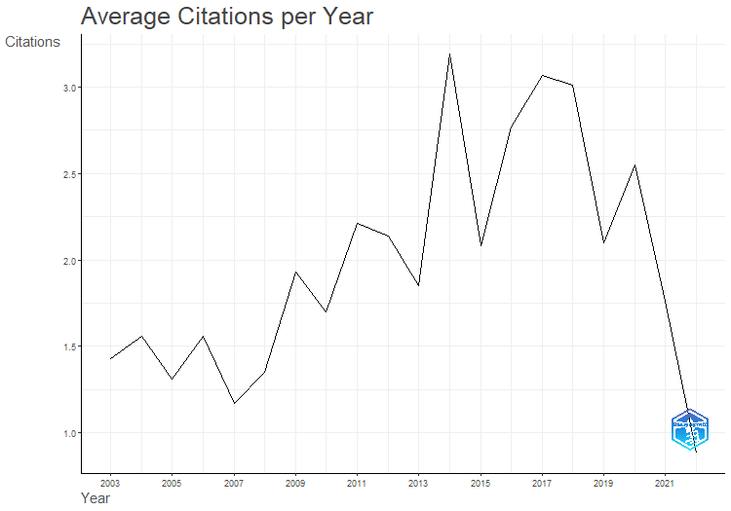
Year | MeanTCperArt | N | MeanTCperYear | CitableYears
2003 | 29.98 | 63 | 1.43 | 21
2004 | 31.25 | 79 | 1.56 | 20
2005 | 24.91 | 97 | 1.31 | 19
2006 | 28.14 | 77 | 1.56 | 18
2007 | 19.93 | 101 | 1.17 | 17
2008 | 21.61 | 103 | 1.35 | 16
2009 | 28.98 | 119 | 1.93 | 15
2010 | 23.83 | 93 | 1.7 | 14
2011 | 28.7 | 147 | 2.21 | 13
2012 | 25.71 | 119 | 2.14 | 12
2013 | 20.36 | 121 | 1.85 | 11
2014 | 31.9 | 162 | 3.19 | 10
2015 | 18.76 | 171 | 2.08 | 9
2016 | 22.18 | 187 | 2.77 | 8
2017 | 21.46 | 195 | 3.07 | 7
2018 | 18.08 | 224 | 3.01 | 6
2019 | 10.49 | 202 | 2.1 | 5
2020 | 10.21 | 220 | 2.55 | 4
2021 | 5.29 | 220 | 1.76 | 3
2022 | 1.76 | 292 | 0.88 | 2

MostRelSources
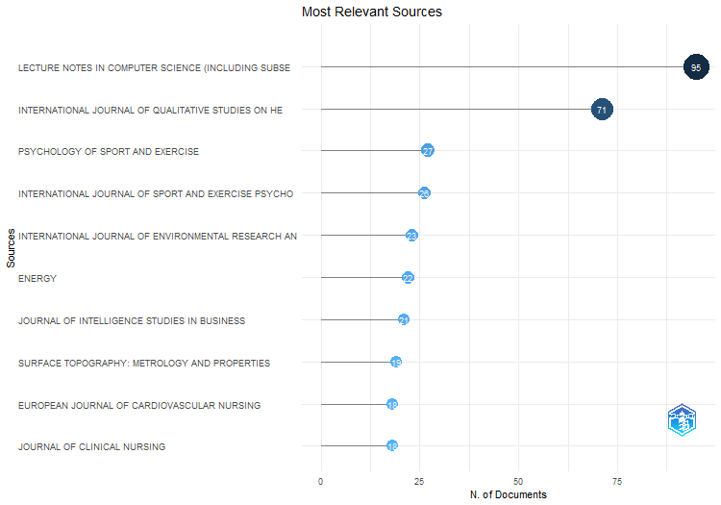
Sources | Articles
LECTURE NOTES IN COMPUTER SCIENCE (INCLUDING SUBSERIES LECTURE NOTES IN ARTIFICIAL INTELLIGENCE AND LECTURE NOTES IN BIOINFORMATICS) | 95
INTERNATIONAL JOURNAL OF QUALITATIVE STUDIES ON HEALTH AND WELL-BEING | 71
PSYCHOLOGY OF SPORT AND EXERCISE | 27
INTERNATIONAL JOURNAL OF SPORT AND EXERCISE PSYCHOLOGY | 26
INTERNATIONAL JOURNAL OF ENVIRONMENTAL RESEARCH AND PUBLIC HEALTH | 23
ENERGY | 22
JOURNAL OF INTELLIGENCE STUDIES IN BUSINESS | 21
SURFACE TOPOGRAPHY: METROLOGY AND PROPERTIES | 19
EUROPEAN JOURNAL OF CARDIOVASCULAR NURSING | 18
JOURNAL OF CLINICAL NURSING | 18
SCANDINAVIAN JOURNAL OF CARING SCIENCES | 18
ACM INTERNATIONAL CONFERENCE PROCEEDING SERIES | 17
ISSUES IN MENTAL HEALTH NURSING | 17
IEEE ACCESS | 16
JOURNAL OF ADVANCED NURSING | 15
EUROPEAN BUSINESS REVIEW | 14
EXPERT SYSTEMS WITH APPLICATIONS | 14
WEAR | 14
BMC MUSCULOSKELETAL DISORDERS | 13
NANO LETTERS | 13
SCANDINAVIAN JOURNAL OF MEDICINE AND SCIENCE IN SPORTS | 13
ENERGIES | 12
JOURNAL OF PHYSICS: CONFERENCE SERIES | 12
LECTURE NOTES OF THE INSTITUTE FOR COMPUTER SCIENCES, SOCIAL-INFORMATICS AND TELECOMMUNICATIONS ENGINEERING, LNICST | 11
BMJ OPEN | 10
FRONTIERS IN PSYCHOLOGY | 10
IEEE COMMUNICATIONS LETTERS | 10
IEEE CONFERENCE ON INTELLIGENT TRANSPORTATION SYSTEMS, PROCEEDINGS, ITSC | 10
PLOS ONE | 10
SCIENTIFIC REPORTS | 10
APPLIED PHYSICS LETTERS | 9
COMMUNICATIONS IN COMPUTER AND INFORMATION SCIENCE | 9
DISABILITY AND REHABILITATION | 9
ENGINEERING APPLICATIONS OF ARTIFICIAL INTELLIGENCE | 9
IEEE INTELLIGENT VEHICLES SYMPOSIUM, PROCEEDINGS | 9
IEEE INTERNATIONAL CONFERENCE ON EMERGING TECHNOLOGIES AND FACTORY AUTOMATION, ETFA | 9
IEEE TRANSACTIONS ON INTELLIGENT TRANSPORTATION SYSTEMS | 9
INTERNATIONAL JOURNAL OF ODONATOLOGY | 9
JOURNAL OF CLEANER PRODUCTION | 9
JOURNAL OF INTERNATIONAL ENTREPRENEURSHIP | 9
JOURNAL OF MEDICAL INTERNET RESEARCH | 9
JOURNAL OF SPORT PSYCHOLOGY IN ACTION | 9
MUSCULOSKELETAL CARE | 9
NANOTECHNOLOGY | 9
PROCEEDINGS - INTERNATIONAL CONFERENCE ON PATTERN RECOGNITION | 9
PROCEEDINGS OF THE ANNUAL HAWAII INTERNATIONAL CONFERENCE ON SYSTEM SCIENCES | 9
APPLIED ENERGY | 8
CEUR WORKSHOP PROCEEDINGS | 8
INTERNATIONAL JOURNAL OF INNOVATION SCIENCE | 8
JMIR RESEARCH PROTOCOLS | 8
PATTERN RECOGNITION LETTERS | 8
SAE TECHNICAL PAPERS | 8
SENSORS (SWITZERLAND) | 8
SUSTAINABILITY (SWITZERLAND) | 8
APPLIED SCIENCES (SWITZERLAND) | 7
ASME INTERNATIONAL MECHANICAL ENGINEERING CONGRESS AND EXPOSITION, PROCEEDINGS (IMECE) | 7
BMC PUBLIC HEALTH | 7
DOKTORSAVHANDLINGAR VID CHALMERS TEKNISKA HOGSKOLA | 7
ELECTRONIC PROCEEDINGS IN THEORETICAL COMPUTER SCIENCE, EPTCS | 7
ENERGY POLICY | 7
IEEE INTERNATIONAL WORKSHOP ON FACTORY COMMUNICATION SYSTEMS - PROCEEDINGS, WFCS | 7
IEEE VEHICULAR TECHNOLOGY CONFERENCE | 7
INTERNATIONAL JOURNAL OF ENTREPRENEURIAL BEHAVIOUR AND RESEARCH | 7
INTERNATIONAL JOURNAL OF LANGUAGE STUDIES | 7
INTERNATIONAL JOURNAL OF MENTAL HEALTH NURSING | 7
INTERNATIONAL JOURNAL OF SCIENCE EDUCATION | 7
INTERNATIONAL JOURNAL OF SPORTS SCIENCE AND COACHING | 7
JOURNAL OF APPLIED PHYSICS | 7
JOURNAL OF NURSING MANAGEMENT | 7
JOURNAL OF SPORT AND EXERCISE PSYCHOLOGY | 7
PATTERN RECOGNITION | 7
SCANDINAVIAN JOURNAL OF DISABILITY RESEARCH | 7
SCANDINAVIAN JOURNAL OF PUBLIC HEALTH | 7
BIOGEOSCIENCES | 6
BMC HEALTH SERVICES RESEARCH | 6
COMPUTERS IN BIOLOGY AND MEDICINE | 6
ECOLOGICAL ENGINEERING | 6
HEALTH PROMOTION INTERNATIONAL | 6
IEEE TRANSACTIONS ON VEHICULAR TECHNOLOGY | 6
IEEE VEHICULAR NETWORKING CONFERENCE, VNC | 6
IET BIOMETRICS | 6
IFIP ADVANCES IN INFORMATION AND COMMUNICATION TECHNOLOGY | 6
INTERNATIONAL REVIEW OF SPORT AND EXERCISE PSYCHOLOGY | 6
JOURNAL OF PSYCHIATRIC AND MENTAL HEALTH NURSING | 6
MEDICAL ENGINEERING AND PHYSICS | 6
NURSE EDUCATION TODAY | 6
NURSING AND HEALTH SCIENCES | 6
SCIENCE OF THE TOTAL ENVIRONMENT | 6
SENSORS | 6
SPORT IN SOCIETY | 6
2015 IEEE INTERNATIONAL CONFERENCE ON COMMUNICATION WORKSHOP, ICCW 2015 | 5
CLINICAL RHEUMATOLOGY | 5
ELECTRONIC COMMUNICATIONS OF THE EASST | 5
ENERGY PROCEDIA | 5
FRESHWATER BIOLOGY | 5
FRONTIERS IN ARTIFICIAL INTELLIGENCE AND APPLICATIONS | 5
IEEE COMMUNICATIONS MAGAZINE | 5
IEEE NETWORK | 5
INTERNATIONAL JOURNAL OF ENTREPRENEURSHIP AND SMALL BUSINESS | 5
INTERNATIONAL JOURNAL OF INNOVATION AND TECHNOLOGY MANAGEMENT | 5
JOURNAL OF APPLIED SPORT PSYCHOLOGY | 5
JOURNAL OF INSECT CONSERVATION | 5
JOURNAL OF LOGICAL AND ALGEBRAIC METHODS IN PROGRAMMING | 5
JOURNAL OF SCIENCE AND MEDICINE IN SPORT | 5
JOURNAL OF SMALL BUSINESS AND ENTERPRISE DEVELOPMENT | 5
KNOWLEDGE-BASED SYSTEMS | 5
LECTURE NOTES IN INFORMATICS (LNI), PROCEEDINGS - SERIES OF THE GESELLSCHAFT FUR INFORMATIK (GI) | 5
MIDWIFERY | 5
MINDFULNESS | 5
PROCEEDINGS OF SPIE - THE INTERNATIONAL SOCIETY FOR OPTICAL ENGINEERING | 5
PROCEEDINGS OF THE 30TH EUROPEAN SAFETY AND RELIABILITY CONFERENCE AND THE 15TH PROBABILISTIC SAFETY ASSESSMENT AND MANAGEMENT CONFERENCE | 5
QUALITATIVE RESEARCH IN SPORT, EXERCISE AND HEALTH | 5
SCANDINAVIAN JOURNAL OF OCCUPATIONAL THERAPY | 5
SCIENCE OF COMPUTER PROGRAMMING | 5
TRANSPORTATION RESEARCH INTERDISCIPLINARY PERSPECTIVES | 5
TRIBOLOGY INTERNATIONAL | 5
2015 AMERICAS CONFERENCE ON INFORMATION SYSTEMS, AMCIS 2015 | 4
ACTA ODONTOLOGICA SCANDINAVICA | 4
ACTA PAEDIATRICA, INTERNATIONAL JOURNAL OF PAEDIATRICS | 4
AGING AND MENTAL HEALTH | 4
AUTONOMOUS ROBOTS | 4
BMC SPORTS SCIENCE, MEDICINE AND REHABILITATION | 4
BMJ OPEN SPORT AND EXERCISE MEDICINE | 4
CORPORATE SOCIAL RESPONSIBILITY AND ENVIRONMENTAL MANAGEMENT | 4
DATA MINING AND KNOWLEDGE DISCOVERY | 4
DIGITAL INVESTIGATION | 4
EUROPEAN JOURNAL OF INNOVATION MANAGEMENT | 4
EUROPEAN JOURNAL OF MARKETING | 4
EUROPEAN JOURNAL OF ONCOLOGY NURSING | 4
HEART AND LUNG: JOURNAL OF ACUTE AND CRITICAL CARE | 4
IEEE COMPUTER SOCIETY CONFERENCE ON COMPUTER VISION AND PATTERN RECOGNITION WORKSHOPS | 4
IEEE SENSORS JOURNAL | 4
IEEE TRANSACTIONS ON INFORMATION FORENSICS AND SECURITY | 4
INTERNATIONAL MARKETING REVIEW | 4
JOURNAL OF BUSINESS VENTURING INSIGHTS | 4
JOURNAL OF EVALUATION IN CLINICAL PRACTICE | 4
JOURNAL OF HEALTH ORGANIZATION AND MANAGEMENT | 4
JOURNAL OF REHABILITATION MEDICINE | 4
LECTURE NOTES IN COMPUTER SCIENCE | 4
MICROPROCESSORS AND MICROSYSTEMS | 4
NORDICOM REVIEW | 4
NURSE EDUCATION IN PRACTICE | 4
PACIS 2011 - 15TH PACIFIC ASIA CONFERENCE ON INFORMATION SYSTEMS: QUALITY RESEARCH IN PACIFIC | 4
PROCEEDINGS - CONFERENCE ON LOCAL COMPUTER NETWORKS, LCN | 4
PROCEEDINGS OF THE WORKSHOP ON INTERACTIVE DATA MINING, WIDM 2019 | 4
SPORT PSYCHOLOGIST | 4
TEACHERS AND TEACHING: THEORY AND PRACTICE | 4
TECHNOLOGICAL FORECASTING AND SOCIAL CHANGE | 4
TQM MAGAZINE | 4
12TH INTERNATIONAL SYMPOSIUM ON DISTRICT HEATING AND COOLING | 3
15TH WORLD CONGRESS ON INTELLIGENT TRANSPORT SYSTEMS AND ITS AMERICA ANNUAL MEETING 2008 | 3
16TH ITS WORLD CONGRESS | 3
2021 IEEE 8TH INTERNATIONAL CONFERENCE ON DATA SCIENCE AND ADVANCED ANALYTICS, DSAA 2021 | 3
30TH EUROPEAN SAFETY AND RELIABILITY CONFERENCE, ESREL 2020 AND 15TH PROBABILISTIC SAFETY ASSESSMENT AND MANAGEMENT CONFERENCE, PSAM 2020 | 3
39TH INTERNATIONAL CONGRESS ON NOISE CONTROL ENGINEERING 2010, INTER-NOISE 2010 | 3
ANNALS OF THE RHEUMATIC DISEASES | 3
APPLIED SOFT COMPUTING JOURNAL | 3
BIOINFORMATICS | 3
BIOSYSTEMS ENGINEERING | 3
BMC MEDICAL INFORMATICS AND DECISION MAKING | 3
BMC NURSING | 3
CORPORATE GOVERNANCE (BINGLEY) | 3
DISABILITY AND SOCIETY | 3
ENERGY REPORTS | 3
EUROPEAN JOURNAL OF SPORT SCIENCE | 3
HEALTH CARE FOR WOMEN INTERNATIONAL | 3
IAMOT 2015 - 24TH INTERNATIONAL ASSOCIATION FOR MANAGEMENT OF TECHNOLOGY CONFERENCE: TECHNOLOGY, INNOVATION AND MANAGEMENT FOR SUSTAINABLE GROWTH, PROCEEDINGS | 3
IEEE INTERNATIONAL CONFERENCE ON COMMUNICATIONS | 3
IEEE INTERNATIONAL CONFERENCE ON INTELLIGENT ROBOTS AND SYSTEMS | 3
IEEE INTERNATIONAL SYMPOSIUM ON PERSONAL, INDOOR AND MOBILE RADIO COMMUNICATIONS, PIMRC | 3
IEEE INTERNATIONAL WORKSHOP ON COMPUTER AIDED MODELING AND DESIGN OF COMMUNICATION LINKS AND NETWORKS, CAMAD | 3
IEEE INTERNET OF THINGS JOURNAL | 3
IFAC PROCEEDINGS VOLUMES (IFAC-PAPERSONLINE) | 3
INDUSTRIAL MARKETING MANAGEMENT | 3
INFORMATICA | 3
INFORMATION (SWITZERLAND) | 3
INFORMATION FUSION | 3
INTERNATIONAL ENTREPRENEURSHIP AND MANAGEMENT JOURNAL | 3
INTERNATIONAL JOURNAL OF BEHAVIORAL NUTRITION AND PHYSICAL ACTIVITY | 3
INTERNATIONAL JOURNAL OF BUSINESS GOVERNANCE AND ETHICS | 3
INTERNATIONAL JOURNAL OF MODERN PHYSICS A | 3
INTERNATIONAL NURSING REVIEW | 3
JOURNAL OF BUSINESS AND INDUSTRIAL MARKETING | 3
JOURNAL OF CLINICAL SPORT PSYCHOLOGY | 3
JOURNAL OF ENVIRONMENTAL MANAGEMENT | 3
JOURNAL OF FASHION MARKETING AND MANAGEMENT | 3
JOURNAL OF SCIENCE TEACHER EDUCATION | 3
JOURNAL OF SIGNAL PROCESSING SYSTEMS | 3
JOURNAL OF SPORTS SCIENCES | 3
JOURNAL OF STRENGTH AND CONDITIONING RESEARCH | 3
JOURNAL OF TECHNOLOGY MANAGEMENT AND INNOVATION | 3
JOURNAL OF WORKPLACE LEARNING | 3
LEARNING ORGANIZATION | 3
LECTURE NOTES IN BUSINESS INFORMATION PROCESSING | 3
MANAGEMENT DECISION | 3
MANAGING SERVICE QUALITY: AN INTERNATIONAL JOURNAL | 3
MEDICINE AND SCIENCE IN SPORTS AND EXERCISE | 3
NEURAL NETWORKS | 3
NORDIC JOURNAL OF PSYCHIATRY | 3
PHYSICAL CULTURE AND SPORT, STUDIES AND RESEARCH | 3
PHYSICAL REVIEW D - PARTICLES, FIELDS, GRAVITATION AND COSMOLOGY | 3
PROCEDIA COMPUTER SCIENCE | 3
PROCEEDINGS - 14TH INTERNATIONAL CONFERENCE ON SIGNAL IMAGE TECHNOLOGY AND INTERNET BASED SYSTEMS, SITIS 2018 | 3
PROCEEDINGS - FRONTIERS IN EDUCATION CONFERENCE, FIE | 3
PROCEEDINGS - INTERNATIONAL CONFERENCE ON ADVANCED INFORMATION NETWORKING AND APPLICATIONS, AINA | 3
PROCEEDINGS OF 2010 IEEE INTERNATIONAL CONFERENCE ON RFID-TECHNOLOGY AND APPLICATIONS, RFID-TA 2010 | 3
PROCEEDINGS OF IEEE SENSORS | 3
PROCEEDINGS OF THE IEEE COMPUTER SOCIETY CONFERENCE ON COMPUTER VISION AND PATTERN RECOGNITION | 3
PROCEEDINGS OF THE TECHNICAL ASSOCIATION OF THE GRAPHIC ARTS, TAGA | 3
PSYCHOLOGY AND HEALTH | 3
QUALITATIVE RESEARCH IN PSYCHOLOGY | 3
RENEWABLE AND SUSTAINABLE ENERGY REVIEWS | 3
RENEWABLE ENERGY | 3
RESEARCH AND PRACTICE IN INTELLECTUAL AND DEVELOPMENTAL DISABILITIES | 3
RESEARCH IN SCIENCE EDUCATION | 3
SCANDINAVIAN JOURNAL OF EDUCATIONAL RESEARCH | 3
SCANDINAVIAN JOURNAL OF INFORMATION SYSTEMS | 3
SCIENCE AND MEDICINE IN FOOTBALL | 3
SIGNAL PROCESSING | 3
SMALL ENTERPRISE RESEARCH | 3
SOCIOLOGISK FORSKNING | 3
TECHNOVATION | 3
VEHICULAR COMMUNICATIONS | 3
WATER ENVIRONMENT RESEARCH | 3
WIND ENGINEERING | 3
2007 IEEE 10TH INTERNATIONAL CONFERENCE ON REHABILITATION ROBOTICS, ICORR'07 | 2
2014 INTERNATIONAL CONFERENCE ON CONNECTED VEHICLES AND EXPO, ICCVE 2014 - PROCEEDINGS | 2
2015 IEEE INTERNATIONAL CONFERENCE ON PERVASIVE COMPUTING AND COMMUNICATION WORKSHOPS, PERCOM WORKSHOPS 2015 | 2
2021 8TH INTERNATIONAL CONFERENCE ON SOFT COMPUTING AND MACHINE INTELLIGENCE, ISCMI 2021 | 2
2022 JOINT CONFERENCE - 11TH INTERNATIONAL CONFERENCE ON ENERGY EFFICIENCY IN DOMESTIC APPLIANCES AND LIGHTING AND 17TH INTERNATIONAL SYMPOSIUM ON THE SCIENCE AND TECHNOLOGY OF LIGHTING, EEDAL/LS:17 2022 | 2
20TH AMERICAS CONFERENCE ON INFORMATION SYSTEMS, AMCIS 2014 | 2
25TH EUROPEAN SIGNAL PROCESSING CONFERENCE, EUSIPCO 2017 | 2
27TH ANNUAL AMERICAS CONFERENCE ON INFORMATION SYSTEMS, AMCIS 2021 | 2
2ND INTERNATIONAL WORKSHOP ON BIOMETRICS AND FORENSICS, IWBF 2014 | 2
34TH WORKSHOP OF THE SWEDISH ARTIFICIAL INTELLIGENCE SOCIETY, SAIS 2022 | 2
ACR OPEN RHEUMATOLOGY | 2
ACTA OBSTETRICIA ET GYNECOLOGICA SCANDINAVICA | 2
ADVANCES IN NEURAL INFORMATION PROCESSING SYSTEMS | 2
ADVANCES IN TRANSDISCIPLINARY ENGINEERING | 2
AGRICULTURE, ECOSYSTEMS AND ENVIRONMENT | 2
APPLIED ERGONOMICS | 2
ARCHITECTURAL ENGINEERING AND DESIGN MANAGEMENT | 2
ARCHIVES OF PSYCHIATRIC NURSING | 2
ARCTIC SCIENCE | 2
ARTHRITIS RESEARCH AND THERAPY | 2
ARTIFICIAL INTELLIGENCE IN MEDICINE | 2
AUDIOLOGICAL MEDICINE | 2
AUSTRALIAN JOURNAL OF TEACHER EDUCATION | 2
AUTOMATICA | 2
BIG DATA AND SOCIETY | 2
BIOMEDICAL SIGNAL PROCESSING AND CONTROL | 2
BIOSIGNALS 2012 - PROCEEDINGS OF THE INTERNATIONAL CONFERENCE ON BIO-INSPIRED SYSTEMS AND SIGNAL PROCESSING | 2
BIOTA NEOTROPICA | 2
BMC GERIATRICS | 2
BMC PSYCHIATRY | 2
BMC RHEUMATOLOGY | 2
BRITISH FOOD JOURNAL | 2
BUSINESS STRATEGY AND THE ENVIRONMENT | 2
CHECK LIST | 2
CHILD: CARE, HEALTH AND DEVELOPMENT | 2
COGENT SOCIAL SCIENCES | 2
COMPETITIVENESS REVIEW | 2
COMPUTER METHODS AND PROGRAMS IN BIOMEDICINE | 2
COMPUTERS, MATERIALS AND CONTINUA | 2
CONFERENCE ON HUMAN FACTORS IN COMPUTING SYSTEMS - PROCEEDINGS | 2
CONFERENCE RECORD - ASILOMAR CONFERENCE ON SIGNALS, SYSTEMS AND COMPUTERS | 2
CONSTRUCTION INNOVATION | 2
CORPORATE BOARD: ROLE, DUTIES AND COMPOSITION | 2
CORPORATE GOVERNANCE: THE INTERNATIONAL JOURNAL OF BUSINESS IN SOCIETY | 2
CREATIVE NURSING | 2
CREATIVITY AND INNOVATION MANAGEMENT | 2
CURRENT OPINION IN PSYCHOLOGY | 2
CURRENT PSYCHOLOGY | 2
CYBERPSYCHOLOGY | 2
DESIGN JOURNAL | 2
ECOSPHERE | 2
EDUCATION AND INFORMATION TECHNOLOGIES | 2
EDUCATION INQUIRY | 2
EDUCATIONAL ACTION RESEARCH | 2
ENTREPRENEURSHIP AND REGIONAL DEVELOPMENT | 2
ENVIRONMENTAL INNOVATION AND SOCIETAL TRANSITIONS | 2
ENVIRONMENTAL TOXICOLOGY AND CHEMISTRY | 2
ESTUARINE, COASTAL AND SHELF SCIENCE | 2
ETFA 2009 - 2009 IEEE CONFERENCE ON EMERGING TECHNOLOGIES AND FACTORY AUTOMATION | 2
EURASIP JOURNAL ON WIRELESS COMMUNICATIONS AND NETWORKING | 2
EUROPEAN ARCHIVES OF OTO-RHINO-LARYNGOLOGY | 2
EUROPEAN JOURNAL OF CANCER CARE | 2
EUROPEAN JOURNAL OF HEART FAILURE | 2
EUROPEAN JOURNAL OF INTERNATIONAL MANAGEMENT | 2
EUROPEAN JOURNAL OF SPECIAL NEEDS EDUCATION | 2
EUROPEAN JOURNAL OF WORK AND ORGANIZATIONAL PSYCHOLOGY | 2
EUROPEAN PLANNING STUDIES | 2
FORENSIC SCIENCE INTERNATIONAL: DIGITAL INVESTIGATION | 2
FOREST ECOLOGY AND MANAGEMENT | 2
FRONTIERS IN MICROBIOLOGY | 2
FRONTIERS IN PHYSIOLOGY | 2
FRONTIERS IN ROBOTICS AND AI | 2
FRONTIERS IN SOCIOLOGY | 2
FRONTIERS IN SPORTS AND ACTIVE LIVING | 2
FUTURE INTERNET | 2
GAIT AND POSTURE | 2
GLOBAL BUSINESS AND ECONOMICS REVIEW | 2
GLOBECOM - IEEE GLOBAL TELECOMMUNICATIONS CONFERENCE | 2
HEALTH AND QUALITY OF LIFE OUTCOMES | 2
HEALTH EDUCATION JOURNAL | 2
HOME HEALTH CARE MANAGEMENT AND PRACTICE | 2
HUMAN RESOURCE DEVELOPMENT QUARTERLY | 2
HYDROBIOLOGIA | 2
IASTED INTERNATIONAL MULTI-CONFERENCE ON APPLIED INFORMATICS | 2
IEEE INTERNATIONAL CONFERENCE ON INDUSTRIAL INFORMATICS (INDIN) | 2
IEEE INTERNATIONAL CONFERENCE ON NEURAL NETWORKS - CONFERENCE PROCEEDINGS | 2
IEEE INTERNATIONAL JOINT CONFERENCE ON BIOMETRICS, IJCB 2017 | 2
IEEE JOURNAL OF BIOMEDICAL AND HEALTH INFORMATICS | 2
IEEE JOURNAL ON EMERGING AND SELECTED TOPICS IN CIRCUITS AND SYSTEMS | 2
IEEE NATIONAL RADAR CONFERENCE - PROCEEDINGS | 2
IEEE ROBOTICS AND AUTOMATION LETTERS | 2
IEEE SIGNAL PROCESSING MAGAZINE | 2
IEEE SYSTEMS JOURNAL | 2
IEEE TRANSACTIONS ON INDUSTRIAL INFORMATICS | 2
IEEE WIRELESS COMMUNICATIONS | 2
IMAGE AND VISION COMPUTING | 2
INDUSTRIAL AND CORPORATE CHANGE | 2
INDUSTRY AND INNOVATION | 2
INFRARED PHYSICS AND TECHNOLOGY | 2
INSECT CONSERVATION AND DIVERSITY | 2
INTERACTION DESIGN AND ARCHITECTURE(S) | 2
INTERNATIONAL CONFERENCE ON WIRELESS AND MOBILE COMPUTING, NETWORKING AND COMMUNICATIONS | 2
INTERNATIONAL EMERGENCY NURSING | 2
INTERNATIONAL JOURNAL FOR NUMERICAL METHODS IN FLUIDS | 2
INTERNATIONAL JOURNAL OF ADVANCED MANUFACTURING TECHNOLOGY | 2
INTERNATIONAL JOURNAL OF AUDIOLOGY | 2
INTERNATIONAL JOURNAL OF DENTAL HYGIENE | 2
INTERNATIONAL JOURNAL OF ELECTRONIC CUSTOMER RELATIONSHIP MANAGEMENT | 2
INTERNATIONAL JOURNAL OF ENTREPRENEURIAL VENTURING | 2
INTERNATIONAL JOURNAL OF ENTREPRENEURSHIP AND INNOVATION | 2
INTERNATIONAL JOURNAL OF GLOBALISATION AND SMALL BUSINESS | 2
INTERNATIONAL JOURNAL OF HEALTH PROMOTION AND EDUCATION | 2
INTERNATIONAL JOURNAL OF HUMAN-COMPUTER INTERACTION | 2
INTERNATIONAL JOURNAL OF INNOVATION AND SUSTAINABLE DEVELOPMENT | 2
INTERNATIONAL JOURNAL OF INNOVATION MANAGEMENT | 2
INTERNATIONAL JOURNAL OF LEARNING, TEACHING AND EDUCATIONAL RESEARCH | 2
INTERNATIONAL JOURNAL OF MANAGERIAL AND FINANCIAL ACCOUNTING | 2
INTERNATIONAL JOURNAL OF NURSING STUDIES | 2
INTERNATIONAL JOURNAL OF PERFORMANCE ANALYSIS IN SPORT | 2
INTERNATIONAL JOURNAL OF PROCUREMENT MANAGEMENT | 2
INTERNATIONAL JOURNAL OF PUBLIC POLICY | 2
INTERNATIONAL JOURNAL OF SUSTAINABILITY IN HIGHER EDUCATION | 2
IOP CONFERENCE SERIES: MATERIALS SCIENCE AND ENGINEERING | 2
JMIR FORMATIVE RESEARCH | 2
JMIR MHEALTH AND UHEALTH | 2
JOURNAL OF AGING AND PHYSICAL ACTIVITY | 2
JOURNAL OF AGRICULTURAL EDUCATION AND EXTENSION | 2
JOURNAL OF APPLIED PHYSIOLOGY | 2
JOURNAL OF BUSINESS RESEARCH | 2
JOURNAL OF BUSINESS-TO-BUSINESS MARKETING | 2
JOURNAL OF CHILD HEALTH CARE | 2
JOURNAL OF FURTHER AND HIGHER EDUCATION | 2
JOURNAL OF HEALTH PSYCHOLOGY | 2
JOURNAL OF MANAGEMENT DEVELOPMENT | 2
JOURNAL OF MENTAL HEALTH | 2
JOURNAL OF MULTIDISCIPLINARY HEALTHCARE | 2
JOURNAL OF OCCUPATIONAL REHABILITATION | 2
JOURNAL OF ORGANIZATIONAL EFFECTIVENESS | 2
JOURNAL OF PHYSICS A: MATHEMATICAL AND THEORETICAL | 2
JOURNAL OF PHYSICS D: APPLIED PHYSICS | 2
JOURNAL OF POLICY AND PRACTICE IN INTELLECTUAL DISABILITIES | 2
JOURNAL OF PRODUCT INNOVATION MANAGEMENT | 2
JOURNAL OF ROBOTICS | 2
JOURNAL OF SCHOOL NURSING | 2
JOURNAL OF SPORTS MEDICINE AND PHYSICAL FITNESS | 2
JOURNAL OF SPORTS SCIENCE AND MEDICINE | 2
JOURNAL OF SUBSTANCE ABUSE TREATMENT | 2
JOURNAL OF VOICE | 2
JOURNAL OF WORLD BUSINESS | 2
JOURNALS OF GERONTOLOGY - SERIES A BIOLOGICAL SCIENCES AND MEDICAL SCIENCES | 2
KNEE SURGERY, SPORTS TRAUMATOLOGY, ARTHROSCOPY | 2
LAKARTIDNINGEN | 2
MANAGEMENT LEARNING | 2
MARKETING INTELLIGENCE AND PLANNING | 2
MEASUREMENT IN PHYSICAL EDUCATION AND EXERCISE SCIENCE | 2
MOBILE INFORMATION SYSTEMS | 2
MOBILE MEDIA AND COMMUNICATION | 2
MOBILE NETWORKS AND APPLICATIONS | 2
NAMES | 2
NANOSCALE | 2
NEOTROPICAL ENTOMOLOGY | 2
NEURAL COMPUTING AND APPLICATIONS | 2
NEUROCOMPUTING | 2
NEW TECHNOLOGY BASED FIRMS IN THE NEW MILLENNIUM | 2
NJES NORDIC JOURNAL OF ENGLISH STUDIES | 2
NORDIC SOCIAL WORK RESEARCH | 2
NURSING OPEN | 2
ODONATOLOGICA | 2
OIKOS | 2
PAIN | 2
PALLIATIVE AND SUPPORTIVE CARE | 2
PATIENT EDUCATION AND COUNSELING | 2
PEERJ | 2
PERSONAL AND UBIQUITOUS COMPUTING | 2
PHYSICAL REVIEW B | 2
PHYSICAL REVIEW B - CONDENSED MATTER AND MATERIALS PHYSICS | 2
PHYSICAL REVIEW MATERIALS | 2
PRECISION ENGINEERING | 2
PROCEEDINGS - 10TH IEEE INTERNATIONAL CONFERENCE ON SOFTWARE TESTING, VERIFICATION AND VALIDATION WORKSHOPS, ICSTW 2017 | 2
PROCEEDINGS - 10TH INTERNATIONAL CONFERENCE ON SIGNAL-IMAGE TECHNOLOGY AND INTERNET-BASED SYSTEMS, SITIS 2014 | 2
PROCEEDINGS - 2008 INTERNATIONAL CONFERENCE ON RECONFIGURABLE COMPUTING AND FPGAS, RECONFIG 2008 | 2
PROCEEDINGS - 2014 IEEE INTERNATIONAL CONFERENCE ON BIOINFORMATICS AND BIOMEDICINE, IEEE BIBM 2014 | 2
PROCEEDINGS - ADVANCES IN ELECTRICAL AND ELECTRONICS ENGINEERING - IAENG SPECIAL EDITION OF THE WORLD CONGRESS ON ENGINEERING AND COMPUTER SCIENCE 2008, WCECS 2008 | 2
PROCEEDINGS - INTERNATIONAL CONFERENCE ON NETWORK PROTOCOLS, ICNP | 2
PROCEEDINGS INTERNATIONAL RADAR SYMPOSIUM | 2
PROCEEDINGS OF 2016 8TH INTERNATIONAL WORKSHOP ON RESILIENT NETWORKS DESIGN AND MODELING, RNDM 2016 | 2
PROCEEDINGS OF IEEE COMPUTER SOCIETY ANNUAL SYMPOSIUM ON VLSI, ISVLSI | 2
PROCEEDINGS OF IEEE INTERNATIONAL SYMPOSIUM ON COMPUTATIONAL INTELLIGENCE IN ROBOTICS AND AUTOMATION, CIRA | 2
PROCEEDINGS OF THE 2005 IEEE 9TH INTERNATIONAL CONFERENCE ON REHABILITATION ROBOTICS | 2
PROCEEDINGS OF THE 2008 INTERNATIONAL SYMPOSIUM ON PARALLEL AND DISTRIBUTED PROCESSING WITH APPLICATIONS, ISPA 2008 | 2
PROCEEDINGS OF THE 27TH INTERNATIONAL CONFERENCE ON INFORMATION SYSTEMS DEVELOPMENT: DESIGNING DIGITALIZATION, ISD 2018 | 2
PROCEEDINGS OF THE 37TH ANNUAL ARCOM CONFERENCE, ARCOM 2021 | 2
PROCEEDINGS OF THE ACM SYMPOSIUM ON APPLIED COMPUTING | 2
PROCEEDINGS OF THE IASTED INTERNATIONAL CONFERENCE ON NEURAL NETWORKS AND COMPUTATIONAL INTELLIGENCE | 2
PROCEEDINGS OF THE IEEE INTERNATIONAL CONFERENCE ON COMPUTER VISION | 2
PROCEEDINGS OF THE IEEE INTERNATIONAL CONFERENCE ON ENGINEERING OF COMPLEX COMPUTER SYSTEMS, ICECCS | 2
PROCEEDINGS OF THE INSTITUTION OF MECHANICAL ENGINEERS, PART B: JOURNAL OF ENGINEERING MANUFACTURE | 2
PROCEEDINGS OF THE INTERNATIONAL CONFERENCE ON DOCUMENT ANALYSIS AND RECOGNITION, ICDAR | 2
PROCEEDINGS OF THE INTERNATIONAL CONFERENCE ON ENGINEERING OF RECONFIGURABLE SYSTEMS AND ALGORITHMS, ERSA'04 | 2
PROCEEDINGS OF THE INTERNATIONAL CONFERENCE ON PARALLEL PROCESSING | 2
PROCEEDINGS OF THE INTERNATIONAL MULTICONFERENCE ON COMPUTER SCIENCE AND INFORMATION TECHNOLOGY, IMCSIT 2008 | 2
PROCEEDINGS OF THE WORLD TRIBOLOGY CONGRESS III - 2005 | 2
PSYCHIATRIC REHABILITATION JOURNAL | 2
REHABILITATION NURSING : THE OFFICIAL JOURNAL OF THE ASSOCIATION OF REHABILITATION NURSES | 2
REVISTA DE PSICOLOGIA DEL DEPORTE | 2
RMD OPEN | 2
ROBOTICS | 2
ROBOTICS AND AUTONOMOUS SYSTEMS | 2
RSC ADVANCES | 2
SAGE OPEN MEDICINE | 2
SCANDINAVIAN JOURNAL OF HOSPITALITY AND TOURISM | 2
SCANDINAVIAN JOURNAL OF MANAGEMENT | 2
SCANNING | 2
SIES'2008 - 3RD INTERNATIONAL SYMPOSIUM ON INDUSTRIAL EMBEDDED SYSTEMS | 2
SMALL | 2
SMALL BUSINESS ECONOMICS | 2
SMART ENERGY | 2
SOCIAL SCIENCES | 2
SPORT, EXERCISE, AND PERFORMANCE PSYCHOLOGY | 2
SPORTS | 2
SPORTS BIOMECHANICS | 2
SPORTS COACHING REVIEW | 2
SPORTS MEDICINE | 2
STUDIES IN COMPUTATIONAL INTELLIGENCE | 2
STUDIES IN HEALTH TECHNOLOGY AND INFORMATICS | 2
STUDIES IN HIGHER EDUCATION | 2
SUSTAINABLE PRODUCTION AND CONSUMPTION | 2
SWEDISH DENTAL JOURNAL | 2
TECHNOLOGY AND HEALTH CARE | 2
TECHNOLOGY INNOVATION MANAGEMENT REVIEW | 2
TELLUS, SERIES B: CHEMICAL AND PHYSICAL METEOROLOGY | 2
VENTURE CAPITAL | 2
WATER (SWITZERLAND) | 2
WIND ENERGY | 2
WORK | 2
WORLDVIEWS ON EVIDENCE-BASED NURSING | 2
14TH INTERNATIONAL CONFERENCE ON COMPUTER AND INFORMATION TECHNOLOGY, ICCIT 2011 | 1
14TH INTERNATIONAL SYMPOSIUM ON COMMUNICATIONS AND INFORMATION TECHNOLOGIES, ISCIT 2014 | 1
14TH WORLD CONGRESS ON INTELLIGENT TRANSPORT SYSTEMS, ITS 2007 | 1
16TH CONFERENCE ON WIRELESS ON-DEMAND NETWORK SYSTEMS AND SERVICES, WONS 2021 | 1
16TH INTERNATIONAL DEPENDENCY AND STRUCTURE MODELLING CONFERENCE, DSM 2014 | 1
17TH ITS WORLD CONGRESS | 1
18TH AMERICAS CONFERENCE ON INFORMATION SYSTEMS 2012, AMCIS 2012 | 1
19TH AMERICAS CONFERENCE ON INFORMATION SYSTEMS, AMCIS 2013 - HYPERCONNECTED WORLD: ANYTHING, ANYWHERE, ANYTIME | 1
19TH IEEE INTERNATIONAL CONFERENCE ON EMERGING TECHNOLOGIES AND FACTORY AUTOMATION, ETFA 2014 | 1
1ST INTERNATIONAL CONFERENCE ON ELECTRICAL AND CONTROL TECHNOLOGIES, ECT 2006 | 1
2005 ASIA-PACIFIC CONFERENCE ON COMMUNICATIONS | 1
2005 INTERNATIONAL CONFERENCE ON WIRELESS AND OPTICAL COMMUNICATIONS NETWORKS | 1
2006 IEEE INTERNATIONAL CONFERENCE ON INDUSTRIAL INFORMATICS, INDIN'06 | 1
2007 7TH IEEE INTERNATIONAL CONFERENCE ON NANOTECHNOLOGY - IEEE-NANO 2007, PROCEEDINGS | 1
2007 IEEE WORKSHOP ON AUTOMATIC IDENTIFICATION ADVANCED TECHNOLOGIES - PROCEEDINGS | 1
2007 SYMPOSIUM ON INDUSTRIAL EMBEDDED SYSTEMS PROCEEEDINGS, SIES'2007 | 1
2008 4TH INTERNATIONAL IEEE CONFERENCE INTELLIGENT SYSTEMS, IS 2008 | 1
2008 IEEE COMPUTER SOCIETY CONFERENCE ON COMPUTER VISION AND PATTERN RECOGNITION WORKSHOPS, CVPR WORKSHOPS | 1
2008 IEEE INTERNATIONAL CONFERENCE ON ROBOTICS, AUTOMATION AND MECHATRONICS, RAM 2008 | 1
2009 3RD INTERNATIONAL CONFERENCE ON PERVASIVE COMPUTING TECHNOLOGIES FOR HEALTHCARE - PERVASIVE HEALTH 2009, PCTHEALTH 2009 | 1
2009 IEEE INTERNATIONAL CONFERENCE ON RFID, RFID 2009 | 1
2010 IEEE INTERNATIONAL CONFERENCE ON COMMUNICATIONS WORKSHOPS, ICC 2010 | 1
2010 IEEE WORLD CONGRESS ON COMPUTATIONAL INTELLIGENCE, WCCI 2010 | 1
2010 INTERNATIONAL CONGRESS ON ULTRA MODERN TELECOMMUNICATIONS AND CONTROL SYSTEMS AND WORKSHOPS, ICUMT 2010 | 1
2010 INTERNATIONAL SYMPOSIUM ON INDUSTRIAL EMBEDDED SYSTEMS, SIES 2010 - CONFERENCE PROCEEDINGS | 1
2011 20TH EUROPEAN CONFERENCE ON CIRCUIT THEORY AND DESIGN, ECCTD 2011 | 1
2011 IEEE 1ST INTERNATIONAL CONFERENCE ON SERIOUS GAMES AND APPLICATIONS FOR HEALTH, SEGAH 2011 | 1
2011 IEEE INTERNATIONAL CONFERENCE ON RFID-TECHNOLOGIES AND APPLICATIONS, RFID-TA 2011 | 1
2011 WIRELESS ADVANCED, WIAD 2011 | 1
2012 IEEE 5TH INTERNATIONAL CONFERENCE ON BIOMETRICS: THEORY, APPLICATIONS AND SYSTEMS, BTAS 2012 | 1
2012 INTERNATIONAL CONFERENCE ON RECONFIGURABLE COMPUTING AND FPGAS, RECONFIG 2012 | 1
2012 INTERNATIONAL CONFERENCE ON WIRELESS COMMUNICATIONS, NETWORKING AND MOBILE COMPUTING, WICOM 2012 | 1
2012 MEDITERRANEAN CONFERENCE ON EMBEDDED COMPUTING, MECO 2012 | 1
2013 12TH INTERNATIONAL CONFERENCE ON INFORMATION TECHNOLOGY BASED HIGHER EDUCATION AND TRAINING, ITHET 2013 | 1
2013 13TH INTERNATIONAL CONFERENCE ON ITS TELECOMMUNICATIONS, ITST 2013 | 1
2013 FEDERATED CONFERENCE ON COMPUTER SCIENCE AND INFORMATION SYSTEMS, FEDCSIS 2013 | 1
2013 IEEE 1ST INTERNATIONAL CONFERENCE ON CYBER-PHYSICAL SYSTEMS, NETWORKS, AND APPLICATIONS, CPSNA 2013 | 1
2013 IEEE CONFERENCE ON WIRELESS SENSOR, ICWISE 2013 | 1
2013 IEEE INTERNATIONAL CONFERENCE ON MECHATRONICS AND AUTOMATION, IEEE ICMA 2013 | 1
2014 10TH INTERNATIONAL CONFERENCE ON NATURAL COMPUTATION, ICNC 2014 | 1
2014 13TH INTERNATIONAL CONFERENCE ON CONTROL AUTOMATION ROBOTICS AND VISION, ICARCV 2014 | 1
2014 27TH BIENNIAL SYMPOSIUM ON COMMUNICATIONS, QBSC 2014 | 1
2014 37TH INTERNATIONAL CONVENTION ON INFORMATION AND COMMUNICATION TECHNOLOGY, ELECTRONICS AND MICROELECTRONICS, MIPRO 2014 - PROCEEDINGS | 1
2014 FEDERATED CONFERENCE ON COMPUTER SCIENCE AND INFORMATION SYSTEMS, FEDCSIS 2014 | 1
2014 IEEE 19TH INTERNATIONAL WORKSHOP ON COMPUTER AIDED MODELING AND DESIGN OF COMMUNICATION LINKS AND NETWORKS, CAMAD 2014 | 1
2014 IEEE GLOBAL CONFERENCE ON SIGNAL AND INFORMATION PROCESSING, GLOBALSIP 2014 | 1
2014 IEEE INTERNATIONAL CONFERENCE ON IMAGE PROCESSING, ICIP 2014 | 1
2015 12TH INTERNATIONAL CONFERENCE ON HIGH-CAPACITY OPTICAL NETWORKS AND ENABLING/EMERGING TECHNOLOGIES, HONET-ICT 2015 | 1
2015 23RD EUROPEAN SIGNAL PROCESSING CONFERENCE, EUSIPCO 2015 | 1
2015 5TH INTERNATIONAL CONFERENCE ON DIGITAL INFORMATION PROCESSING AND COMMUNICATIONS, ICDIPC 2015 | 1
2015 EUROPEAN CONFERENCE ON MOBILE ROBOTS, ECMR 2015 - PROCEEDINGS | 1
2015 IEEE 82ND VEHICULAR TECHNOLOGY CONFERENCE, VTC FALL 2015 - PROCEEDINGS | 1
2015 IEEE INTERNATIONAL CONFERENCE ON VEHICULAR ELECTRONICS AND SAFETY, ICVES 2015 | 1
2015 IEEE INTERNATIONAL WORKSHOP ON INFORMATION FORENSICS AND SECURITY, WIFS 2015 - PROCEEDINGS | 1
2015 INTERNATIONAL CONFERENCE ON UNMANNED AIRCRAFT SYSTEMS, ICUAS 2015 | 1
2015 NORDIC CIRCUITS AND SYSTEMS CONFERENCE, NORCAS 2015: NORCHIP AND INTERNATIONAL SYMPOSIUM ON SYSTEM-ON-CHIP, SOC 2015 | 1
2016 10TH EUROPEAN CONFERENCE ON ANTENNAS AND PROPAGATION, EUCAP 2016 | 1
2016 11TH INTERNATIONAL CONFERENCE ON DIGITAL INFORMATION MANAGEMENT, ICDIM 2016 | 1
2016 17TH INTERNATIONAL TELECOMMUNICATIONS NETWORK STRATEGY AND PLANNING SYMPOSIUM, NETWORKS 2016 - CONFERENCE PROCEEDINGS | 1
2016 2ND IEEE INTERNATIONAL CONFERENCE ON COMPUTER AND COMMUNICATIONS, ICCC 2016 - PROCEEDINGS | 1
2016 8TH IEEE LATIN-AMERICAN CONFERENCE ON COMMUNICATIONS, LATINCOM 2016 | 1
2016 IEEE 8TH INTERNATIONAL CONFERENCE ON BIOMETRICS THEORY, APPLICATIONS AND SYSTEMS, BTAS 2016 | 1
2016 IEEE GLOBECOM WORKSHOPS, GC WKSHPS 2016 - PROCEEDINGS | 1
2016 IEEE INTERNATIONAL CONFERENCE ON PROGNOSTICS AND HEALTH MANAGEMENT, ICPHM 2016 | 1
2016 IEEE INTERNATIONAL CONFERENCE ON SMART COMPUTING, SMARTCOMP 2016 | 1
2016 IEEE INTERNATIONAL ENERGY CONFERENCE, ENERGYCON 2016 | 1
2016 IEEE/CIC INTERNATIONAL CONFERENCE ON COMMUNICATIONS IN CHINA, ICCC 2016 | 1
2016 INTERNATIONAL CONFERENCE ON BIOMETRICS, ICB 2016 | 1
2016 WORKSHOP ON EMBEDDED AND CYBER-PHYSICAL SYSTEMS EDUCATION, WESE 2016 - ORGANIZED AS A PART OF EMBEDDED SYSTEMS WEEK, PROCEEDINGS | 1
2017 16TH INTERNATIONAL CONFERENCE ON INFORMATION TECHNOLOGY BASED HIGHER EDUCATION AND TRAINING, ITHET 2017 | 1
2017 3RD INTERNATIONAL CONFERENCE ON FRONTIERS OF SIGNAL PROCESSING, ICFSP 2017 | 1
2017 ANNUAL MEETING OF THE ACADEMY OF MANAGEMENT, AOM 2017 | 1
2017 IEEE GLOBECOM WORKSHOPS, GC WKSHPS 2017 - PROCEEDINGS | 1
2017 IFIP NETWORKING CONFERENCE, IFIP NETWORKING 2017 AND WORKSHOPS | 1
2017 INTELLIGENT SYSTEMS CONFERENCE, INTELLISYS 2017 | 1
2018 17TH INTERNATIONAL CONFERENCE ON INFORMATION TECHNOLOGY BASED HIGHER EDUCATION AND TRAINING, ITHET 2018 | 1
2018 IEEE INTERNATIONAL CONFERENCE ON CONSUMER ELECTRONICS, ICCE 2018 | 1
2018 INTERNATIONAL CONFERENCE OF THE BIOMETRICS SPECIAL INTEREST GROUP, BIOSIG 2018 | 1
2019 18TH INTERNATIONAL CONFERENCE ON INFORMATION TECHNOLOGY BASED HIGHER EDUCATION AND TRAINING, ITHET 2019 | 1
2019 INTERNATIONAL CONFERENCE ON BIOMETRICS, ICB 2019 | 1
2020 7TH INTERNATIONAL CONFERENCE ON SOFT COMPUTING AND MACHINE INTELLIGENCE, ISCMI 2020 | 1
2020 8TH INTERNATIONAL WORKSHOP ON BIOMETRICS AND FORENSICS, IWBF 2020 - PROCEEDINGS | 1
2020 IEEE 23RD INTERNATIONAL CONFERENCE ON INTELLIGENT TRANSPORTATION SYSTEMS, ITSC 2020 | 1
2020 IEEE CONFERENCE ON COMMUNICATIONS AND NETWORK SECURITY, CNS 2020 | 1
2020 INTERNATIONAL CONFERENCE ON INTELLIGENT SYSTEMS AND COMPUTER VISION, ISCV 2020 | 1
2021 20TH INTERNATIONAL CONFERENCE ON ADVANCED ROBOTICS, ICAR 2021 | 1
2021 30TH IEEE INTERNATIONAL CONFERENCE ON ROBOT AND HUMAN INTERACTIVE COMMUNICATION, RO-MAN 2021 | 1
2021 33RD INTERNATIONAL TELETRAFFIC CONGRESS, ITC 2021 | 1
2021 IEEE CONGRESS ON EVOLUTIONARY COMPUTATION, CEC 2021 - PROCEEDINGS | 1
2021 IEEE GLOBAL COMMUNICATIONS CONFERENCE, GLOBECOM 2021 - PROCEEDINGS | 1
2022 EUROPEAN CONTROL CONFERENCE, ECC 2022 | 1
2022 IEEE 13TH INTERNATIONAL GREEN AND SUSTAINABLE COMPUTING CONFERENCE, IGSC 2022 | 1
2022 IEEE 28TH INTERNATIONAL CONFERENCE ON ENGINEERING, TECHNOLOGY AND INNOVATION, ICE/ITMC 2022 AND 31ST INTERNATIONAL ASSOCIATION FOR MANAGEMENT OF TECHNOLOGY, IAMOT 2022 JOINT CONFERENCE - PROCEEDINGS | 1
2022 INTERNATIONAL CONFERENCE ON APPLIED ARTIFICIAL INTELLIGENCE, ICAPAI 2022 | 1
2022 INTERNATIONAL WORKSHOP ON BIOMETRICS AND FORENSICS, IWBF 2022 | 1
20TH INTERNATIONAL PARALLEL AND DISTRIBUTED PROCESSING SYMPOSIUM, IPDPS 2006 | 1
22ND MICROOPTICS CONFERENCE, MOC 2017 | 1
25TH AMERICAS CONFERENCE ON INFORMATION SYSTEMS, AMCIS 2019 | 1
29TH IEEE INTERNATIONAL CONFERENCE ON ROBOT AND HUMAN INTERACTIVE COMMUNICATION, RO-MAN 2020 | 1
33RD WORKSHOP OF THE SWEDISH ARTIFICIAL INTELLIGENCE SOCIETY, SAIS 2021 | 1
3RD INTERNATIONAL WORKSHOP ON BIOMETRICS AND FORENSICS, IWBF 2015 | 1
4TH INTERNATIONAL CONFERENCE ON ELECTRICAL AND CONTROL TECHNOLOGIES, ECT 2009 | 1
5TH INTERNATIONAL CONFERENCE ON ELECTRICAL AND CONTROL TECHNOLOGIES, ECT 2010 | 1
5TH INTERNATIONAL WORKSHOP ON MODELS AND ANALYSIS OF VOCAL EMISSIONS FOR BIOMEDICAL APPLICATIONS, MAVEBA 2007 | 1
6TH INTERNATIONAL CONFERENCE ON ELECTRICAL AND CONTROL TECHNOLOGIES, ECT 2011 | 1
6TH INTERNATIONAL MULTI-CONFERENCE ON COMPLEXITY, INFORMATICS AND CYBERNETICS, IMCIC 2015 AND 6TH INTERNATIONAL CONFERENCE ON SOCIETY AND INFORMATION TECHNOLOGIES, ICSIT 2015 - PROCEEDINGS | 1
7TH FPGAWORLD CONFERENCE - ACADEMIC PROCEEDINGS 2010, FPGAWORLD 2010 | 1
7TH INTERNATIONAL CONFERENCE ON ELECTRICAL AND CONTROL TECHNOLOGIES, ECT 2012 | 1
8TH EUROPEAN CONFERENCE ON NOISE CONTROL 2009, EURONOISE 2009 - PROCEEDINGS OF THE INSTITUTE OF ACOUSTICS | 1
8TH INTERNATIONAL CONFERENCE ON DIGITAL INFORMATION MANAGEMENT, ICDIM 2013 | 1
9TH INTERNATIONAL CONFERENCE ON ELECTRICAL AND CONTROL TECHNOLOGIES, ECT 2014 | 1
9TH INTERNATIONAL SYMPOSIUM ON IMAGE AND SIGNAL PROCESSING AND ANALYSIS, ISPA 2015 | 1
A-TEST 2016 - PROCEEDINGS OF THE 7TH INTERNATIONAL WORKSHOP ON AUTOMATING TEST CASE DESIGN, SELECTION, AND EVALUATION, CO-LOCATED WITH FSE 2016 | 1
AAAI SPRING SYMPOSIUM - TECHNICAL REPORT | 1
ACADEMY OF MANAGEMENT LEARNING AND EDUCATION | 1
ACCOUNTING RESEARCH JOURNAL | 1
ACIS 2018 - 29TH AUSTRALASIAN CONFERENCE ON INFORMATION SYSTEMS | 1
ACM COMPUTING SURVEYS | 1
ACM TRANSACTIONS ON PARALLEL COMPUTING | 1
ACM TRANSACTIONS ON RECONFIGURABLE TECHNOLOGY AND SYSTEMS | 1
ACM/IEEE INTERNATIONAL CONFERENCE ON HUMAN-ROBOT INTERACTION | 1
ACME | 1
ACS NANO | 1
ACS PHOTONICS | 1
ACTA ACUSTICA (STUTTGART) | 1
ACTA ACUSTICA UNITED WITH ACUSTICA | 1
ACTA BIOMEDICA | 1
ACTA CYBERNETICA | 1
ACTA OECOLOGICA | 1
ACTA ORTHOPAEDICA | 1
ACTA POLITICA | 1
ACTION LEARNING: RESEARCH AND PRACTICE | 1
ACTION RESEARCH | 1
AD HOC NETWORKS | 1
ADVANCED ENGINEERING MATERIALS | 1
ADVANCES IN APPLIED MATHEMATICS AND MECHANICS | 1
ADVANCES IN ENTREPRENEURSHIP, FIRM EMERGENCE AND GROWTH | 1
ADVANCES IN MENTAL HEALTH | 1
ADVANCES IN TRIBOLOGY | 1
AGING CLINICAL AND EXPERIMENTAL RESEARCH | 1
ALPINE BOTANY | 1
AMERICAN JOURNAL OF EMERGENCY MEDICINE | 1
AMERICAN JOURNAL OF OBSTETRICS AND GYNECOLOGY | 1
AMERICAN JOURNAL OF PHYSIOLOGY - HEART AND CIRCULATORY PHYSIOLOGY | 1
AMERICAN STUDIES IN SCANDINAVIA | 1
ANIMAL BEHAVIOUR | 1
ANNALES DES TELECOMMUNICATIONS/ANNALS OF TELECOMMUNICATIONS | 1
ANNALS OF MATHEMATICS AND ARTIFICIAL INTELLIGENCE | 1
AOB PLANTS | 1
APCC 2003 - 9TH ASIA-PACIFIC CONFERENCE ON COMMUNICATIONS, IN CONJUNCTION WITH 6TH MALAYSIA INTERNATIONAL CONFERENCE ON COMMUNICATIONS, MICC 2003, PROCEEDINGS | 1
APHASIOLOGY | 1
APPETITE | 1
APPLIED AND ENVIRONMENTAL MICROBIOLOGY | 1
APPLIED MATHEMATICS AND COMPUTATION | 1
APPLIED PHYSICS A: MATERIALS SCIENCE AND PROCESSING | 1
APPLIED PSYCHOLOGY | 1
AQUATIC BOTANY | 1
AQUATIC ECOLOGY | 1
AQUATIC TOXICOLOGY | 1
ARCHIVES OF PUBLIC HEALTH | 1
ARCHIVUM IMMUNOLOGIAE ET THERAPIAE EXPERIMENTALIS | 1
ARTHRITIS CARE AND RESEARCH | 1
ARTIFICIAL INTELLIGENCE | 1
ARTIFICIAL INTELLIGENCE REVIEW | 1
ARTS AND HEALTH | 1
ARTS IN PSYCHOTHERAPY | 1
ASIA PACIFIC JOURNAL OF MARKETING AND LOGISTICS | 1
ASIA-PACIFIC JOURNAL OF TEACHER EDUCATION | 1
ASTM SPECIAL TECHNICAL PUBLICATION | 1
ASTRONOMY AND ASTROPHYSICS | 1
AUSTRAL ECOLOGY | 1
AUSTRALASIAN MARKETING JOURNAL | 1
AUSTRALIAN OCCUPATIONAL THERAPY JOURNAL | 1
AUSTRALIAN REVIEW OF APPLIED LINGUISTICS | 1
BALTIC JOURNAL OF MANAGEMENT | 1
BARNBOKEN | 1
BENCHMARKING | 1
BIODIVERSITY AND CONSERVATION | 1
BIOLOGICAL CONSERVATION | 1
BIOMASS AND BIOENERGY | 1
BIOSCIENCE | 1
BIOSIG 2020 - PROCEEDINGS OF THE 19TH INTERNATIONAL CONFERENCE OF THE BIOMETRICS SPECIAL INTEREST GROUP | 1
BIOSIGNALS 2014 - 7TH INT. CONFERENCE ON BIO-INSPIRED SYSTEMS AND SIGNAL PROCESSING, PROCEEDINGS; PART OF 7TH INT. JOINT CONFERENCE ON BIOMEDICAL ENGINEERING SYSTEMS AND TECHNOLOGIES, BIOSTEC 2014 | 1
BJS OPEN | 1
BMC BIOINFORMATICS | 1
BMC FAMILY PRACTICE | 1
BMC MEDICAL EDUCATION | 1
BMC MEDICAL IMAGING | 1
BMC PEDIATRICS | 1
BMC PREGNANCY AND CHILDBIRTH | 1
BMC RESEARCH NOTES | 1
BMC WOMEN'S HEALTH | 1
BMJ QUALITY AND SAFETY | 1
BRITISH JOURNAL OF DERMATOLOGY | 1
BRITISH JOURNAL OF RELIGIOUS EDUCATION | 1
BRITISH JOURNAL OF SOCIOLOGY OF EDUCATION | 1
BRITISH JOURNAL OF SPORTS MEDICINE | 1
BUILDING RESEARCH AND INFORMATION | 1
CALIFORNIA MANAGEMENT REVIEW | 1
CANADIAN JOURNAL OF ADMINISTRATIVE SCIENCES | 1
CANADIAN JOURNAL OF CARDIOVASCULAR NURSING = JOURNAL CANADIEN EN SOINS INFIRMIERS CARDIO-VASCULAIRES | 1
CANADIAN JOURNAL OF DIABETES | 1
CANADIAN JOURNAL OF MATHEMATICS | 1
CELL STEM CELL | 1
CHEMOMETRICS AND INTELLIGENT LABORATORY SYSTEMS | 1
CHILD ABUSE AND NEGLECT | 1
CHILD DEVELOPMENT | 1
CHINESE JOURNAL OF TRAUMATOLOGY - ENGLISH EDITION | 1
CINTI 2012 - 13TH IEEE INTERNATIONAL SYMPOSIUM ON COMPUTATIONAL INTELLIGENCE AND INFORMATICS, PROCEEDINGS | 1
CIRP ANNALS - MANUFACTURING TECHNOLOGY | 1
CISCI 2008 - SEPTIMA CONFERENCIA IBEROAMERICANA EN SISTEMA, CIBERNETICA E INFORMATICA 5TO SIECI 2008, 3ER SIMPOSIUM INTERNACIONAL EN COMUNICACION DEL CONOCIMIENTO Y CONFERENCIAS, CCC 2008 - MEMORIAS | 1
CLINICAL CHILD PSYCHOLOGY AND PSYCHIATRY | 1
CLINICAL NURSING RESEARCH | 1
CLINICAL OPHTHALMOLOGY | 1
CLINICAL PHYSIOLOGY AND FUNCTIONAL IMAGING | 1
CLINICAL REHABILITATION | 1
CLUSTER COMPUTING | 1
CNS AND NEUROLOGICAL DISORDERS - DRUG TARGETS | 1
COGNITIVE BEHAVIOUR THERAPY | 1
COMMUNICATION DISORDERS QUARTERLY | 1
COMMUNICATIONS | 1
COMPUTATIONAL STATISTICS | 1
COMPUTER ASSISTED LANGUAGE LEARNING | 1
COMPUTER JOURNAL | 1
COMPUTER NETWORKS | 1
COMPUTER SPEECH AND LANGUAGE | 1
COMPUTERIZED MEDICAL IMAGING AND GRAPHICS | 1
COMPUTERS | 1
COMPUTERS AND EDUCATION | 1
COMPUTERS AND ELECTRICAL ENGINEERING | 1
COMPUTERS AND GRAPHICS (PERGAMON) | 1
CONFERENCE PROCEEDINGS - 14TH INTERNATIONAL CONFERENCE OF THE EUROPEAN SOCIETY FOR PRECISION ENGINEERING AND NANOTECHNOLOGY, EUSPEN 2014 | 1
CONFERENCE PROCEEDINGS - IEEE INTERNATIONAL CONFERENCE ON SYSTEMS, MAN AND CYBERNETICS | 1
CONSTRUCTION AND BUILDING MATERIALS | 1
CONSTRUCTION MANAGEMENT AND ECONOMICS | 1
CONTEMPORARY ISSUES IN EARLY CHILDHOOD | 1
CONTEMPORARY SOCIAL SCIENCE | 1
CONTROL ENGINEERING PRACTICE | 1
CORPORATE OWNERSHIP AND CONTROL | 1
CRITICAL PERSPECTIVES ON ACCOUNTING | 1
CRYPTOGRAPHY | 1
CUADERNOS DE ECONOMIA - LATIN AMERICAN JOURNAL OF ECONOMICS | 1
CUADERNOS DE PSICOLOGIA DEL DEPORTE | 1
CULTURA, CIENCIA Y DEPORTE | 1
CULTURAL GEOGRAPHIES | 1
CULTURAL STUDIES OF SCIENCE EDUCATION | 1
CULTURE, HEALTH AND SEXUALITY | 1
CURRENT BIOLOGY | 1
CYBERNETICS AND SYSTEMS | 1
DESIGN STUDIES | 1
DESIGNS | 1
DFRWS 2018 EU - PROCEEDINGS OF THE 5TH ANNUAL DFRWS EUROPE | 1
DIABETES CARE | 1
DIABETOLOGIA | 1
DIGEST OF TECHNICAL PAPERS - IEEE INTERNATIONAL CONFERENCE ON CONSUMER ELECTRONICS | 1
DIGITAL HEALTH | 1
DISCOURSE | 1
DISPLAYS | 1
DRONES | 1
EACL 2014 - PROCEEDINGS OF THE DEMONSTRATIONS AT THE 14TH CONFERENCE OF THE EUROPEAN CHAPTER OF THE ASSOCIATION FOR COMPUTATIONAL LINGUISTICS | 1
EAI ENDORSED TRANSACTIONS ON ENERGY WEB | 1
EARLY CHILD DEVELOPMENT AND CARE | 1
EASTERN EUROPEAN COUNTRYSIDE | 1
EATING AND WEIGHT DISORDERS | 1
ECOLOGICAL ENTOMOLOGY | 1
ECOLOGICAL INDICATORS | 1
ECOLOGICAL SOLUTIONS AND EVIDENCE | 1
ECOLOGY AND EVOLUTION | 1
ECONOMIC AND INDUSTRIAL DEMOCRACY | 1
ECONOMIC CHANGE AND RESTRUCTURING | 1
ECONOMIC GEOGRAPHY | 1
EDTNA-ERCA JOURNAL | 1
EDUCATION AND TRAINING | 1
EDUCATIONAL PHILOSOPHY AND THEORY | 1
ELECTRONIC JOURNAL OF DIFFERENTIAL EQUATIONS | 1
ELECTRONIC JOURNAL OF HEALTH INFORMATICS | 1
ELECTRONICS (SWITZERLAND) | 1
ELECTRONICS LETTERS | 1
EMOTION, SPACE AND SOCIETY | 1
EMPIRICAL SOFTWARE ENGINEERING | 1
EMPLOYEE RELATIONS | 1
ENERGY AND FUELS | 1
ENERGY ECONOMICS | 1
ENERGY RESEARCH AND SOCIAL SCIENCE | 1
ENERGY, SUSTAINABILITY AND SOCIETY | 1
ENGINEERING ANALYSIS WITH BOUNDARY ELEMENTS | 1
ENGINEERING, CONSTRUCTION AND ARCHITECTURAL MANAGEMENT | 1
ENTREPRENEURSHIP: THEORY AND PRACTICE | 1
ENVIRONMENT AND PLANNING A | 1
ENVIRONMENT, DEVELOPMENT AND SUSTAINABILITY | 1
ENVIRONMENTAL CHALLENGES | 1
ENVIRONMENTAL COMMUNICATION | 1
ENVIRONMENTAL ECONOMICS AND POLICY STUDIES | 1
ENVIRONMENTAL POLLUTION | 1
ENVIRONMENTAL SCIENCE AND POLLUTION RESEARCH | 1
ESANN 2019 - PROCEEDINGS, 27TH EUROPEAN SYMPOSIUM ON ARTIFICIAL NEURAL NETWORKS, COMPUTATIONAL INTELLIGENCE AND MACHINE LEARNING | 1
ETHNOGRAPHY | 1
ETHNOGRAPHY AND EDUCATION | 1
EURASIAN GEOGRAPHY AND ECONOMICS | 1
EURASIP JOURNAL ON ADVANCES IN SIGNAL PROCESSING | 1
EUROHEAT AND POWER (ENGLISH EDITION) | 1
EUROPEAN CHILD AND ADOLESCENT PSYCHIATRY | 1
EUROPEAN CONTROL CONFERENCE, ECC 1999 - CONFERENCE PROCEEDINGS | 1
EUROPEAN HEART JOURNAL | 1
EUROPEAN HEART JOURNAL - QUALITY OF CARE AND CLINICAL OUTCOMES | 1
EUROPEAN JOURNAL FOR SPORT AND SOCIETY | 1
EUROPEAN JOURNAL OF ADAPTED PHYSICAL ACTIVITY | 1
EUROPEAN JOURNAL OF AGEING | 1
EUROPEAN JOURNAL OF ANAESTHESIOLOGY | 1
EUROPEAN JOURNAL OF CULTURAL STUDIES | 1
EUROPEAN JOURNAL OF NUCLEAR MEDICINE AND MOLECULAR IMAGING | 1
EUROPEAN JOURNAL OF ORAL SCIENCES | 1
EUROPEAN JOURNAL OF TEACHER EDUCATION | 1
EUROPEAN PHYSICAL EDUCATION REVIEW | 1
EUROPEAN SOCIETY FOR PRECISION ENGINEERING AND NANOTECHNOLOGY, CONFERENCE PROCEEDINGS - 18TH INTERNATIONAL CONFERENCE AND EXHIBITION, EUSPEN 2018 | 1
EVALUATION AND PROGRAM PLANNING | 1
EXPERT REVIEW OF MOLECULAR DIAGNOSTICS | 1
FACILITIES | 1
FISITA 2014 WORLD AUTOMOTIVE CONGRESS - PROCEEDINGS | 1
FOOD AND NUTRITION RESEARCH | 1
FOOT AND ANKLE SURGERY | 1
FOOTWEAR SCIENCE | 1
FORESIGHT AND STI GOVERNANCE | 1
FORUM ON SPECIFICATION AND DESIGN LANGUAGES | 1
FPL 09: 19TH INTERNATIONAL CONFERENCE ON FIELD PROGRAMMABLE LOGIC AND APPLICATIONS | 1
FRESHWATER SCIENCE | 1
FRONTIERS IN ENDOCRINOLOGY | 1
FRONTIERS IN MARINE SCIENCE | 1
FRONTIERS IN POLITICAL SCIENCE | 1
FRONTIERS IN PSYCHIATRY | 1
FRONTIERS ROBOTICS AI | 1
FUZZY SETS AND SYSTEMS | 1
GENDER, PLACE AND CULTURE | 1
GENETICS | 1
GERIATRICS (SWITZERLAND) | 1
GEROPSYCH: THE JOURNAL OF GERONTOPSYCHOLOGY AND GERIATRIC PSYCHIATRY | 1
GLOBAL BUSINESS REVIEW | 1
GLOBAL KNOWLEDGE, MEMORY AND COMMUNICATION | 1
HB 2006 - HEALTHY BUILDINGS: CREATING A HEALTHY INDOOR ENVIRONMENT FOR PEOPLE, PROCEEDINGS | 1
HEALTH AND SOCIAL CARE IN THE COMMUNITY | 1
HEALTH PSYCHOLOGY AND BEHAVIORAL MEDICINE | 1
HEALTH PSYCHOLOGY REVIEW | 1
HEALTHCARE (SWITZERLAND) | 1
HIGHER EDUCATION | 1
HIGHER EDUCATION RESEARCH AND DEVELOPMENT | 1
HUMAN DIMENSIONS OF WILDLIFE | 1
HUMAN FACTORS | 1
HUMAN RESOURCE DEVELOPMENT INTERNATIONAL | 1
HUMAN RESOURCE MANAGEMENT JOURNAL | 1
HUT-ICCE 2008 - 2ND INTERNATIONAL CONFERENCE ON COMMUNICATIONS AND ELECTRONICS | 1
ICINCO 2016 - PROCEEDINGS OF THE 13TH INTERNATIONAL CONFERENCE ON INFORMATICS IN CONTROL, AUTOMATION AND ROBOTICS | 1
ICIS 2010 PROCEEDINGS - THIRTY FIRST INTERNATIONAL CONFERENCE ON INFORMATION SYSTEMS | 1
ICMIT 2014 - 2014 IEEE INTERNATIONAL CONFERENCE ON MANAGEMENT OF INNOVATION AND TECHNOLOGY | 1
ICPRAM 2019 - PROCEEDINGS OF THE 8TH INTERNATIONAL CONFERENCE ON PATTERN RECOGNITION APPLICATIONS AND METHODS | 1
IECON PROCEEDINGS (INDUSTRIAL ELECTRONICS CONFERENCE) | 1
IEEE AEROSPACE CONFERENCE PROCEEDINGS | 1
IEEE CIT 2017 - 17TH IEEE INTERNATIONAL CONFERENCE ON COMPUTER AND INFORMATION TECHNOLOGY | 1
IEEE COMMUNICATIONS SURVEYS AND TUTORIALS | 1
IEEE GLOBAL ENGINEERING EDUCATION CONFERENCE, EDUCON | 1
IEEE INTERNATIONAL CONFERENCE ON AUTOMATION SCIENCE AND ENGINEERING | 1
IEEE INTERNATIONAL SYMPOSIUM ON ELECTROMAGNETIC COMPATIBILITY | 1
IEEE INTERNATIONAL SYMPOSIUM ON INFORMATION THEORY - PROCEEDINGS | 1
IEEE INTERNATIONAL SYMPOSIUM ON PARALLEL AND DISTRIBUTED PROCESSING WORKSHOPS AND PHD FORUM | 1
IEEE JOURNAL OF OCEANIC ENGINEERING | 1
IEEE MTT-S INTERNATIONAL MICROWAVE SYMPOSIUM DIGEST | 1
IEEE OPEN JOURNAL OF INTELLIGENT TRANSPORTATION SYSTEMS | 1
IEEE PHOTONICS JOURNAL | 1
IEEE ROBOTICS AND AUTOMATION MAGAZINE | 1
IEEE SECURITY AND PRIVACY | 1
IEEE SSCI 2011: SYMPOSIUM SERIES ON COMPUTATIONAL INTELLIGENCE - EAIS 2011: 2011 IEEE WORKSHOP ON EVOLVING AND ADAPTIVE INTELLIGENT SYSTEMS | 1
IEEE SSCI 2014 - 2014 IEEE SYMPOSIUM SERIES ON COMPUTATIONAL INTELLIGENCE - CICARE 2014: 2014 IEEE SYMPOSIUM ON COMPUTATIONAL INTELLIGENCE IN HEALTHCARE AND E-HEALTH, PROCEEDINGS | 1
IEEE TRANSACTIONS ON AEROSPACE AND ELECTRONIC SYSTEMS | 1
IEEE TRANSACTIONS ON ARTIFICIAL INTELLIGENCE | 1
IEEE TRANSACTIONS ON AUTOMATIC CONTROL | 1
IEEE TRANSACTIONS ON BIOMEDICAL ENGINEERING | 1
IEEE TRANSACTIONS ON BIOMETRICS, BEHAVIOR, AND IDENTITY SCIENCE | 1
IEEE TRANSACTIONS ON COMMUNICATIONS | 1
IEEE TRANSACTIONS ON COMPUTERS | 1
IEEE TRANSACTIONS ON DEPENDABLE AND SECURE COMPUTING | 1
IEEE TRANSACTIONS ON ENERGY CONVERSION | 1
IEEE TRANSACTIONS ON ENGINEERING MANAGEMENT | 1
IEEE TRANSACTIONS ON FUZZY SYSTEMS | 1
IEEE TRANSACTIONS ON IMAGE PROCESSING | 1
IEEE TRANSACTIONS ON INFORMATION TECHNOLOGY IN BIOMEDICINE | 1
IEEE TRANSACTIONS ON INTELLIGENT VEHICLES | 1
IEEE TRANSACTIONS ON MULTIMEDIA | 1
IEEE TRANSACTIONS ON NETWORK SCIENCE AND ENGINEERING | 1
IEEE TRANSACTIONS ON NEURAL SYSTEMS AND REHABILITATION ENGINEERING | 1
IEEE TRANSACTIONS ON PATTERN ANALYSIS AND MACHINE INTELLIGENCE | 1
IEEE TRANSACTIONS ON SMART GRID | 1
IEEE VEHICULAR TECHNOLOGY MAGAZINE | 1
IEEE WIRELESS COMMUNICATIONS AND NETWORKING CONFERENCE, WCNC | 1
IEEE WIRELESS COMMUNICATIONS LETTERS | 1
IEEE/RSJ 2010 INTERNATIONAL CONFERENCE ON INTELLIGENT ROBOTS AND SYSTEMS, IROS 2010 - CONFERENCE PROCEEDINGS | 1
IET CONFERENCE PUBLICATIONS | 1
IFIP NETWORKING 2020 CONFERENCE AND WORKSHOPS, NETWORKING 2020 | 1
IFMBE PROCEEDINGS | 1
IJCAI INTERNATIONAL JOINT CONFERENCE ON ARTIFICIAL INTELLIGENCE | 1
IJCB 2014 - 2014 IEEE/IAPR INTERNATIONAL JOINT CONFERENCE ON BIOMETRICS | 1
IJCB 2020 - IEEE/IAPR INTERNATIONAL JOINT CONFERENCE ON BIOMETRICS | 1
IMCIC 2019 - 10TH INTERNATIONAL MULTI-CONFERENCE ON COMPLEXITY, INFORMATICS AND CYBERNETICS, PROCEEDINGS | 1
INDUSTRIAL EMBEDDED SYSTEMS - IES'2006 | 1
INEC 2010 - 2010 3RD INTERNATIONAL NANOELECTRONICS CONFERENCE, PROCEEDINGS | 1
INFOCOM 2018 - IEEE CONFERENCE ON COMPUTER COMMUNICATIONS WORKSHOPS | 1
INFORMATICS FOR HEALTH AND SOCIAL CARE | 1
INFORMATION SCIENCES | 1
INFORMATION SYSTEMS FRONTIERS | 1
INFORMATION TECHNOLOGY AND PEOPLE | 1
INISTA 2012 - INTERNATIONAL SYMPOSIUM ON INNOVATIONS IN INTELLIGENT SYSTEMS AND APPLICATIONS | 1
INJURY EPIDEMIOLOGY | 1
INNOVATION | 1
INTEGRATED ENVIRONMENTAL ASSESSMENT AND MANAGEMENT | 1
INTELLIGENT SERVICE ROBOTICS | 1
INTENSIVE AND CRITICAL CARE NURSING | 1
INTERACTIONS | 1
INTERACTIVE CARDIOVASCULAR AND THORACIC SURGERY | 1
INTERDISCIPLINARY JOURNAL OF INFORMATION, KNOWLEDGE, AND MANAGEMENT | 1
INTERNATIONAL BUSINESS REVIEW | 1
INTERNATIONAL CONFERENCE ON INTELLIGENT SYSTEMS DESIGN AND APPLICATIONS, ISDA | 1
INTERNATIONAL CONFERENCE ON INTELLIGENT USER INTERFACES, PROCEEDINGS IUI | 1
INTERNATIONAL CONFERENCE ON SELF-ADAPTIVE AND SELF-ORGANIZING SYSTEMS, SASO | 1
INTERNATIONAL CONFERENCE ON TRANSPARENT OPTICAL NETWORKS | 1
INTERNATIONAL JOURNAL FOR EQUITY IN HEALTH | 1
INTERNATIONAL JOURNAL FOR NUMERICAL METHODS IN ENGINEERING | 1
INTERNATIONAL JOURNAL OF ACTION RESEARCH | 1
INTERNATIONAL JOURNAL OF ADOLESCENCE AND YOUTH | 1
INTERNATIONAL JOURNAL OF AMBIENT COMPUTING AND INTELLIGENCE | 1
INTERNATIONAL JOURNAL OF ANTENNAS AND PROPAGATION | 1
INTERNATIONAL JOURNAL OF AUTOMOTIVE TECHNOLOGY AND MANAGEMENT | 1
INTERNATIONAL JOURNAL OF BANK MARKETING | 1
INTERNATIONAL JOURNAL OF BUSINESS AND GLOBALISATION | 1
INTERNATIONAL JOURNAL OF BUSINESS EXCELLENCE | 1
INTERNATIONAL JOURNAL OF CHILD-COMPUTER INTERACTION | 1
INTERNATIONAL JOURNAL OF CHINESE EDUCATION | 1
INTERNATIONAL JOURNAL OF CLIMATE CHANGE: IMPACTS AND RESPONSES | 1
INTERNATIONAL JOURNAL OF COMPUTER MATHEMATICS | 1
INTERNATIONAL JOURNAL OF COMPUTER VISION | 1
INTERNATIONAL JOURNAL OF COMPUTERS, COMMUNICATIONS AND CONTROL | 1
INTERNATIONAL JOURNAL OF CONSTRUCTION MANAGEMENT | 1
INTERNATIONAL JOURNAL OF CROSS CULTURAL MANAGEMENT | 1
INTERNATIONAL JOURNAL OF DISASTER RESILIENCE IN THE BUILT ENVIRONMENT | 1
INTERNATIONAL JOURNAL OF DISTRIBUTED SENSOR NETWORKS | 1
INTERNATIONAL JOURNAL OF ECONOMICS AND BUSINESS RESEARCH | 1
INTERNATIONAL JOURNAL OF EDUCATIONAL RESEARCH OPEN | 1
INTERNATIONAL JOURNAL OF ELECTRICAL POWER AND ENERGY SYSTEMS | 1
INTERNATIONAL JOURNAL OF ENGLISH STUDIES | 1
INTERNATIONAL JOURNAL OF ENTREPRENEURSHIP AND INNOVATION MANAGEMENT | 1
INTERNATIONAL JOURNAL OF ENVIRONMENT AND WASTE MANAGEMENT | 1
INTERNATIONAL JOURNAL OF EPIDEMIOLOGY | 1
INTERNATIONAL JOURNAL OF GENDER AND ENTREPRENEURSHIP | 1
INTERNATIONAL JOURNAL OF GLOBAL ENVIRONMENTAL ISSUES | 1
INTERNATIONAL JOURNAL OF HIGH SPEED ELECTRONICS AND SYSTEMS | 1
INTERNATIONAL JOURNAL OF HOSPITALITY MANAGEMENT | 1
INTERNATIONAL JOURNAL OF HOUSING POLICY | 1
INTERNATIONAL JOURNAL OF INFORMATION MANAGEMENT | 1
INTERNATIONAL JOURNAL OF INNOVATION AND LEARNING | 1
INTERNATIONAL JOURNAL OF INTELLIGENT SYSTEMS | 1
INTERNATIONAL JOURNAL OF KNOWLEDGE MANAGEMENT | 1
INTERNATIONAL JOURNAL OF LAW AND MANAGEMENT | 1
INTERNATIONAL JOURNAL OF LEADERSHIP IN EDUCATION | 1
INTERNATIONAL JOURNAL OF LOGISTICS RESEARCH AND APPLICATIONS | 1
INTERNATIONAL JOURNAL OF MACHINE LEARNING AND CYBERNETICS | 1
INTERNATIONAL JOURNAL OF MIGRATION, HEALTH AND SOCIAL CARE | 1
INTERNATIONAL JOURNAL OF MOBILE LEARNING AND ORGANISATION | 1
INTERNATIONAL JOURNAL OF OBESITY | 1
INTERNATIONAL JOURNAL OF OLDER PEOPLE NURSING | 1
INTERNATIONAL JOURNAL OF ORTHOPAEDIC AND TRAUMA NURSING | 1
INTERNATIONAL JOURNAL OF PATTERN RECOGNITION AND ARTIFICIAL INTELLIGENCE | 1
INTERNATIONAL JOURNAL OF PHYSICAL DISTRIBUTION & LOGISTICS MANAGEMENT | 1
INTERNATIONAL JOURNAL OF PHYSICAL DISTRIBUTION AND LOGISTICS MANAGEMENT | 1
INTERNATIONAL JOURNAL OF PROGNOSTICS AND HEALTH MANAGEMENT | 1
INTERNATIONAL JOURNAL OF PUBLIC ADMINISTRATION | 1
INTERNATIONAL JOURNAL OF PUBLIC SECTOR MANAGEMENT | 1
INTERNATIONAL JOURNAL OF REASONING-BASED INTELLIGENT SYSTEMS | 1
INTERNATIONAL JOURNAL OF RECONFIGURABLE COMPUTING | 1
INTERNATIONAL JOURNAL OF REHABILITATION RESEARCH | 1
INTERNATIONAL JOURNAL OF ROBOTICS RESEARCH | 1
INTERNATIONAL JOURNAL OF SCIENCE EDUCATION, PART B: COMMUNICATION AND PUBLIC ENGAGEMENT | 1
INTERNATIONAL JOURNAL OF SOCIAL ECOLOGY AND SUSTAINABLE DEVELOPMENT | 1
INTERNATIONAL JOURNAL OF SOCIAL PSYCHIATRY | 1
INTERNATIONAL JOURNAL OF SOCIAL ROBOTICS | 1
INTERNATIONAL JOURNAL OF SPORT PSYCHOLOGY | 1
INTERNATIONAL JOURNAL OF SPORTS MEDICINE | 1
INTERNATIONAL JOURNAL OF SURFACE SCIENCE AND ENGINEERING | 1
INTERNATIONAL JOURNAL OF SUSTAINABLE ENERGY PLANNING AND MANAGEMENT | 1
INTERNATIONAL JOURNAL OF TECHNOLOGY INTELLIGENCE AND PLANNING | 1
INTERNATIONAL JOURNAL OF THEORETICAL AND APPLIED FINANCE | 1
INTERNATIONAL JOURNAL OF THEORETICAL PHYSICS | 1
INTERNATIONAL JOURNAL OF VEHICLE DESIGN | 1
INTERNATIONAL JOURNAL OF VEHICULAR TECHNOLOGY | 1
INTERNATIONAL JOURNAL OF WEB-BASED LEARNING AND TEACHING TECHNOLOGIES | 1
INTERNATIONAL JOURNAL OF WIRELESS INFORMATION NETWORKS | 1
INTERNATIONAL JOURNAL ON DOCUMENT ANALYSIS AND RECOGNITION | 1
INTERNATIONAL PUBLIC MANAGEMENT JOURNAL | 1
INTERNATIONAL REVIEW OF ADMINISTRATIVE SCIENCES | 1
INTERNATIONAL SMALL BUSINESS JOURNAL | 1
INTERNATIONAL SUGAR JOURNAL | 1
INTERNATIONAL SYSTEM ON CHIP CONFERENCE | 1
INTERNATIONAL WOUND JOURNAL | 1
INTERNOISE 2014 - 43RD INTERNATIONAL CONGRESS ON NOISE CONTROL ENGINEERING: IMPROVING THE WORLD THROUGH NOISE CONTROL | 1
INVEST ON VISUALIZATION - PROCEEDINGS OF THE 13TH INTERNATIONAL DSM CONFERENCE | 1
ION 2021 INTERNATIONAL TECHNICAL MEETING PROCEEDINGS | 1
IRONMAKING AND STEELMAKING | 1
IS'2012 - 2012 6TH IEEE INTERNATIONAL CONFERENCE INTELLIGENT SYSTEMS, PROCEEDINGS | 1
ISBA 2019 - 5TH IEEE INTERNATIONAL CONFERENCE ON IDENTITY, SECURITY AND BEHAVIOR ANALYSIS | 1
ISIJ INTERNATIONAL | 1
ITHET 2005: 6TH INTERNATIONAL CONFERENCE ON INFORMATION TECHNOLOGY BASED HIGHER EDUCATION AND TRAINING, 2005 | 1
ITHET 2014 - 13TH INTERNATIONAL CONFERENCE ON INFORMATION TECHNOLOGY BASED HIGHER EDUCATION AND TRAINING | 1
IWCMC 2011 - 7TH INTERNATIONAL WIRELESS COMMUNICATIONS AND MOBILE COMPUTING CONFERENCE | 1
IWCMC 2014 - 10TH INTERNATIONAL WIRELESS COMMUNICATIONS AND MOBILE COMPUTING CONFERENCE | 1
JAMA NETWORK OPEN | 1
JASSS | 1
JMIR MEDICAL INFORMATICS | 1
JOURNAL DE TRAUMATOLOGIE DU SPORT | 1
JOURNAL OF ADVANCED TRANSPORTATION | 1
JOURNAL OF AESTHETICS AND CULTURE | 1
JOURNAL OF AGING AND SOCIAL POLICY | 1
JOURNAL OF AGING RESEARCH | 1
JOURNAL OF AMBIENT INTELLIGENCE AND HUMANIZED COMPUTING | 1
JOURNAL OF APPLIED SOCIAL PSYCHOLOGY | 1
JOURNAL OF BANKING AND FINANCE | 1
JOURNAL OF BIOMEDICAL INFORMATICS | 1
JOURNAL OF BORDERLANDS STUDIES | 1
JOURNAL OF BRAND MANAGEMENT | 1
JOURNAL OF BUSINESS ETHICS | 1
JOURNAL OF BUSINESS VENTURING | 1
JOURNAL OF CARDIOVASCULAR NURSING | 1
JOURNAL OF CHILD PSYCHOLOGY AND PSYCHIATRY AND ALLIED DISCIPLINES | 1
JOURNAL OF CHROMATOGRAPHY B: ANALYTICAL TECHNOLOGIES IN THE BIOMEDICAL AND LIFE SCIENCES | 1
JOURNAL OF CLINICAL ENDOCRINOLOGY AND METABOLISM | 1
JOURNAL OF CLINICAL VIROLOGY | 1
JOURNAL OF CO2 UTILIZATION | 1
JOURNAL OF COMMUNICATIONS | 1
JOURNAL OF CONSTRUCTION ENGINEERING AND MANAGEMENT | 1
JOURNAL OF CROSS-CULTURAL GERONTOLOGY | 1
JOURNAL OF DESTINATION MARKETING AND MANAGEMENT | 1
JOURNAL OF DIABETES SCIENCE AND TECHNOLOGY | 1
JOURNAL OF DYNAMIC SYSTEMS, MEASUREMENT AND CONTROL, TRANSACTIONS OF THE ASME | 1
JOURNAL OF EARLY CHILDHOOD LITERACY | 1
JOURNAL OF ECONOMIC STRUCTURES | 1
JOURNAL OF EDUCATIONAL CHANGE | 1
JOURNAL OF ELECTRICAL AND COMPUTER ENGINEERING | 1
JOURNAL OF ELECTRONIC COMMERCE IN ORGANIZATIONS | 1
JOURNAL OF ELEMENTOLOGY | 1
JOURNAL OF EMERGENCY MEDICINE | 1
JOURNAL OF ENGINEERING DESIGN | 1
JOURNAL OF ENTREPRENEURSHIP, MANAGEMENT AND INNOVATION | 1
JOURNAL OF ETHOLOGY | 1
JOURNAL OF EUROMARKETING | 1
JOURNAL OF EVOLUTIONARY ECONOMICS | 1
JOURNAL OF FAMILY NURSING | 1
JOURNAL OF FIELD ROBOTICS | 1
JOURNAL OF FINANCIAL COUNSELING AND PLANNING | 1
JOURNAL OF FLUIDS AND STRUCTURES | 1
JOURNAL OF FUNCTIONAL PROGRAMMING | 1
JOURNAL OF GENERAL MANAGEMENT | 1
JOURNAL OF GLOBAL FASHION MARKETING | 1
JOURNAL OF HAZARDOUS MATERIALS | 1
JOURNAL OF HEALTH SERVICES RESEARCH AND POLICY | 1
JOURNAL OF HEALTH, ORGANISATION AND MANAGEMENT | 1
JOURNAL OF HEART AND LUNG TRANSPLANTATION | 1
JOURNAL OF HISTORICAL RESEARCH IN MUSIC EDUCATION | 1
JOURNAL OF HOLISTIC NURSING | 1
JOURNAL OF HUMAN SPORT AND EXERCISE | 1
JOURNAL OF INFORMATION AND KNOWLEDGE MANAGEMENT | 1
JOURNAL OF INFORMATION SCIENCE | 1
JOURNAL OF INFORMATION TECHNOLOGY EDUCATION: INNOVATIONS IN PRACTICE | 1
JOURNAL OF INFORMATION, COMMUNICATION AND ETHICS IN SOCIETY | 1
JOURNAL OF INNOVATION AND ENTREPRENEURSHIP | 1
JOURNAL OF INNOVATION MANAGEMENT | 1
JOURNAL OF INTEGRATIVE ENVIRONMENTAL SCIENCES | 1
JOURNAL OF INTELLECTUAL CAPITAL | 1
JOURNAL OF INTELLECTUAL DISABILITIES | 1
JOURNAL OF INTELLIGENT AND ROBOTIC SYSTEMS: THEORY AND APPLICATIONS | 1
JOURNAL OF INTELLIGENT MANUFACTURING | 1
JOURNAL OF INTERDISCIPLINARY HISTORY | 1
JOURNAL OF INTERFERON AND CYTOKINE RESEARCH | 1
JOURNAL OF INTERNAL MEDICINE | 1
JOURNAL OF INTERNATIONAL FOOD AND AGRIBUSINESS MARKETING | 1
JOURNAL OF INTERNATIONAL MARKETING | 1
JOURNAL OF INTERNATIONAL MIGRATION AND INTEGRATION | 1
JOURNAL OF INTERNET BANKING AND COMMERCE | 1
JOURNAL OF KING SAUD UNIVERSITY - COMPUTER AND INFORMATION SCIENCES | 1
JOURNAL OF LANGUAGE TEACHING AND RESEARCH | 1
JOURNAL OF MANAGEMENT AND GOVERNANCE | 1
JOURNAL OF MANAGEMENT IN ENGINEERING | 1
JOURNAL OF MANAGEMENT INFORMATION SYSTEMS | 1
JOURNAL OF MANAGEMENT STUDIES | 1
JOURNAL OF MATERIALS PROCESSING TECHNOLOGY | 1
JOURNAL OF MATHEMATICAL ANALYSIS AND APPLICATIONS | 1
JOURNAL OF MEDIA BUSINESS STUDIES | 1
JOURNAL OF MEDIA LITERACY EDUCATION | 1
JOURNAL OF MODERN PROJECT MANAGEMENT | 1
JOURNAL OF MOLECULAR LIQUIDS | 1
JOURNAL OF MULTI-CRITERIA DECISION ANALYSIS | 1
JOURNAL OF NANOTECHNOLOGY | 1
JOURNAL OF NETWORK AND COMPUTER APPLICATIONS | 1
JOURNAL OF NEUROIMMUNE PHARMACOLOGY | 1
JOURNAL OF NEUROSCIENCE | 1
JOURNAL OF OBSESSIVE-COMPULSIVE AND RELATED DISORDERS | 1
JOURNAL OF OCCUPATIONAL AND ENVIRONMENTAL MEDICINE | 1
JOURNAL OF OCCUPATIONAL SCIENCE | 1
JOURNAL OF OPTICAL NETWORKING | 1
JOURNAL OF OPTIMIZATION THEORY AND APPLICATIONS | 1
JOURNAL OF ORGANIZATIONAL CHANGE MANAGEMENT | 1
JOURNAL OF PAIN MANAGEMENT | 1
JOURNAL OF PARTICIPATORY MEDICINE | 1
JOURNAL OF PEDIATRIC NURSING | 1
JOURNAL OF PEDIATRIC ONCOLOGY NURSING | 1
JOURNAL OF PHYSIOLOGY AND BIOCHEMISTRY | 1
JOURNAL OF PLACE MANAGEMENT AND DEVELOPMENT | 1
JOURNAL OF PRODUCT AND BRAND MANAGEMENT | 1
JOURNAL OF PULP AND PAPER SCIENCE | 1
JOURNAL OF RESEARCH IN APPLIED LINGUISTICS | 1
JOURNAL OF RESEARCH IN CHILDHOOD EDUCATION | 1
JOURNAL OF RESPONSIBLE INNOVATION | 1
JOURNAL OF RETAILING AND CONSUMER SERVICES | 1
JOURNAL OF RHEUMATOLOGY | 1
JOURNAL OF RISK AND FINANCIAL MANAGEMENT | 1
JOURNAL OF RURAL STUDIES | 1
JOURNAL OF SCANDINAVIAN STUDIES IN CRIMINOLOGY AND CRIME PREVENTION | 1
JOURNAL OF SENSORS | 1
JOURNAL OF SERVICES MARKETING | 1
JOURNAL OF SEX RESEARCH | 1
JOURNAL OF SMALL BUSINESS MANAGEMENT | 1
JOURNAL OF SOUND AND VIBRATION | 1
JOURNAL OF SPORT REHABILITATION | 1
JOURNAL OF STRATEGIC INFORMATION SYSTEMS | 1
JOURNAL OF SURFACE INVESTIGATION | 1
JOURNAL OF SYNCHROTRON RADIATION | 1
JOURNAL OF SYSTEMS ARCHITECTURE | 1
JOURNAL OF TEACHER EDUCATION FOR SUSTAINABILITY | 1
JOURNAL OF TERRAMECHANICS | 1
JOURNAL OF THE ACOUSTICAL SOCIETY OF AMERICA | 1
JOURNAL OF THE AMERICAN ACADEMY OF CHILD AND ADOLESCENT PSYCHIATRY | 1
JOURNAL OF THE KOREAN PHYSICAL SOCIETY | 1
JOURNAL OF THE OPTICAL SOCIETY OF AMERICA A: OPTICS AND IMAGE SCIENCE, AND VISION | 1
JOURNAL OF THEORETICAL AND APPLIED ELECTRONIC COMMERCE RESEARCH | 1
JOURNAL OF TRANSPORT AND HEALTH | 1
JOURNAL OF TRIBOLOGY | 1
JOURNAL OF URBAN AFFAIRS | 1
JOURNAL OF VEGETATION SCIENCE | 1
JOURNAL OF VIROLOGY | 1
JOURNAL OF VOCATIONAL REHABILITATION | 1
JOURNALS OF GERONTOLOGY - SERIES B PSYCHOLOGICAL SCIENCES AND SOCIAL SCIENCES | 1
KNOWLEDGE AND INFORMATION SYSTEMS | 1
KNOWLEDGE MANAGEMENT AND INNOVATION: A BUSINESS COMPETITIVE EDGE PERSPECTIVE - PROCEEDINGS OF THE 15TH INTERNATIONAL BUSINESS INFORMATION MANAGEMENT ASSOCIATION CONFERENCE, IBIMA 2010 | 1
KONDENSIROVANNYE SREDY MEZHFAZNYE GRANITSY | 1
LAB ANIMAL | 1
LAND USE POLICY | 1
LATIN AMERICAN BUSINESS REVIEW | 1
LAW AND CRITIQUE | 1
LEADERSHIP & ORGANIZATION DEVELOPMENT JOURNAL | 1
LEARNING, MEDIA AND TECHNOLOGY | 1
LECTURE NOTES IN ARTIFICIAL INTELLIGENCE (SUBSERIES OF LECTURE NOTES IN COMPUTER SCIENCE) | 1
LECTURE NOTES IN INFORMATION SYSTEMS AND ORGANISATION | 1
LEIBNIZ INTERNATIONAL PROCEEDINGS IN INFORMATICS, LIPICS | 1
LEISURE STUDIES | 1
LETTERS IN MATHEMATICAL PHYSICS | 1
LIFE SCIENCES, SOCIETY AND POLICY | 1
LIFE WRITING | 1
LOBACHEVSKII JOURNAL OF MATHEMATICS | 1
MACHINE VISION AND APPLICATIONS | 1
MACROECONOMICS AND FINANCE IN EMERGING MARKET ECONOMIES | 1
MANAGEMENT INTERNATIONAL REVIEW | 1
MANAGEMENT OF ENVIRONMENTAL QUALITY: AN INTERNATIONAL JOURNAL | 1
MANAGING SERVICE QUALITY | 1
MARINE ENVIRONMENTAL RESEARCH | 1
MARINE POLLUTION BULLETIN | 1
MARKETING INTELLIGENCE & PLANNING | 1
MEASUREMENT: JOURNAL OF THE INTERNATIONAL MEASUREMENT CONFEDERATION | 1
MECHATRONICS | 1
MEDIA AND COMMUNICATION | 1
MEDIA INTERNATIONAL AUSTRALIA | 1
MENDEL | 1
MICROELECTRONICS JOURNAL | 1
MICRON | 1
MIDDLEWARE 2016 DOCTORAL SYMPOSIUM - COLOCATED WITH ACM/IFIP/USENIX MIDDLEWARE 2016 | 1
MIND, CULTURE, AND ACTIVITY | 1
MINERAL ECONOMICS | 1
MOBILITIES | 1
MODELS AND ANALYSIS OF VOCAL EMISSIONS FOR BIOMEDICAL APPLICATIONS - 6TH INTERNATIONAL WORKSHOP, MAVEBA 2009 | 1
MOLECULAR GENETICS AND GENOMICS | 1
MONTENEGRIN JOURNAL OF SPORTS SCIENCE AND MEDICINE | 1
MOTIVATION SCIENCE | 1
MULTIMEDIA TOOLS AND APPLICATIONS | 1
MULTIMODAL TECHNOLOGIES AND INTERACTION | 1
NANO RESEARCH | 1
NANO-NET 2007 - PROCEEDINGS OF THE 2ND INTERNATIONAL CONFERENCE ON NANO-NETWORKS | 1
NANOPHOTONICS | 1
NANOSCALE ADVANCES | 1
NANOSCALE RESEARCH LETTERS | 1
NATO SCIENCE FOR PEACE AND SECURITY SERIES B: PHYSICS AND BIOPHYSICS | 1
NATURE COMMUNICATIONS | 1
NATURE-INSPIRED MOBILE ROBOTICS: PROCEEDINGS OF THE 16TH INTERNATIONAL CONFERENCE ON CLIMBING AND WALKING ROBOTS AND THE SUPPORT TECHNOLOGIES FOR MOBILE MACHINES, CLAWAR 2013 | 1
NEOTROPICAL BIODIVERSITY | 1
NEURAL NETWORK WORLD | 1
NEW MEDIA AND SOCIETY | 1
NEW PHYTOLOGIST | 1
NOISE CONTROL ENGINEERING JOURNAL | 1
NONLINEAR ANALYSIS: HYBRID SYSTEMS | 1
NONPROFIT MANAGEMENT AND LEADERSHIP | 1
NORCHIP 2014 - 32ND NORCHIP CONFERENCE: THE NORDIC MICROELECTRONICS EVENT | 1
NORDDESIGN 2012 - PROCEEDINGS OF THE 9TH NORDDESIGN CONFERENCE | 1
NORDIC JOURNAL OF NURSING RESEARCH | 1
NORDIC PULP AND PAPER RESEARCH JOURNAL | 1
NORDIC STUDIES IN SCIENCE EDUCATION | 1
NORSK LINGVISTISK TIDSSKRIFT | 1
NURSING IN CRITICAL CARE | 1
NUTRIENTS | 1
NUTRITION IN CLINICAL PRACTICE | 1
OBESITY REVIEWS | 1
OBESITY SURGERY | 1
OBSERVATORIO | 1
OCCUPATIONAL THERAPY IN MENTAL HEALTH | 1
OECOLOGIA | 1
OPEN NURSING JOURNAL | 1
OPEN PSYCHOLOGY JOURNAL | 1
OPENNESS IN DIGITAL PUBLISHING: AWARENESS, DISCOVERY AND ACCESS - PROCEEDINGS OF THE 11TH INTERNATIONAL CONFERENCE ON ELECTRONIC PUBLISHING, ELPUB 2007 | 1
OPTICAL ENGINEERING | 1
OPTICAL SWITCHING AND NETWORKING | 1
ORAL HEALTH AND PREVENTIVE DENTISTRY | 1
ORGANISMS DIVERSITY AND EVOLUTION | 1
ORNIS HUNGARICA | 1
OUTLOOK ON AGRICULTURE | 1
PATIENT PREFERENCE AND ADHERENCE | 1
PATTERNS | 1
PEDIATRIC EXERCISE SCIENCE | 1
PEDIATRIC RESEARCH | 1
PEERJ COMPUTER SCIENCE | 1
PERCEPTUAL AND MOTOR SKILLS | 1
...

SourceProdOverTime
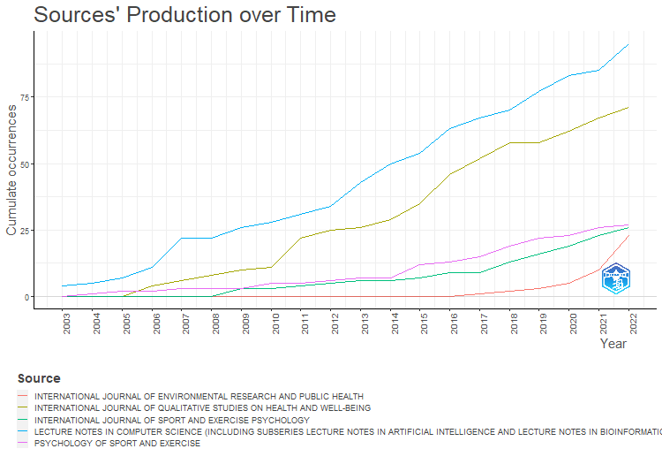
LECTURE NOTES IN COMPUTER SCIENCE (INCLUDING SUBSERIES LECTURE NOTES IN ARTIFICIAL INTELLIGENCE AND LECTURE NOTES IN BIOINFORMATICS) | INTERNATIONAL JOURNAL OF QUALITATIVE STUDIES ON HEALTH AND WELL-BEING | PSYCHOLOGY OF SPORT AND EXERCISE | INTERNATIONAL JOURNAL OF SPORT AND EXERCISE PSYCHOLOGY | INTERNATIONAL JOURNAL OF ENVIRONMENTAL RESEARCH AND PUBLIC HEALTH
4 | 0 | 0 | 0 | 0
5 | 0 | 1 | 0 | 0
7 | 0 | 2 | 0 | 0
11 | 4 | 2 | 0 | 0
22 | 6 | 3 | 0 | 0
22 | 8 | 3 | 0 | 0
26 | 10 | 3 | 3 | 0
28 | 11 | 5 | 3 | 0
31 | 22 | 5 | 4 | 0
34 | 25 | 6 | 5 | 0
43 | 26 | 7 | 6 | 0
50 | 29 | 7 | 6 | 0
54 | 35 | 12 | 7 | 0
63 | 46 | 13 | 9 | 0
67 | 52 | 15 | 9 | 1
70 | 58 | 19 | 13 | 2
77 | 58 | 22 | 16 | 3
83 | 62 | 23 | 19 | 5
85 | 67 | 26 | 23 | 10
95 | 71 | 27 | 26 | 23

MostRelAuthors
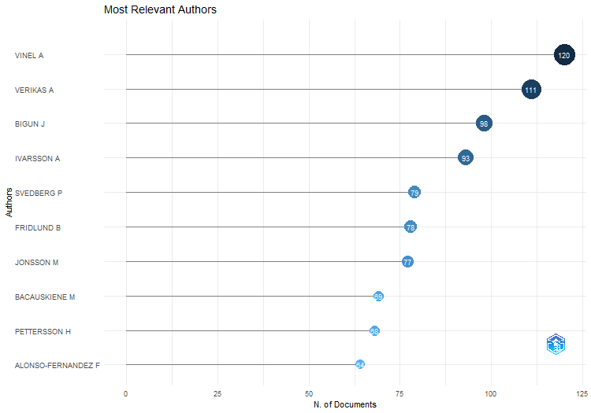
Authors | Articles | Articles Fractionalized
VINEL A | 120 | 28.567857143
VERIKAS A | 111 | 29.624206349
BIGUN J | 98 | 35.603968254
IVARSSON A | 93 | 21.653174603
SVEDBERG P | 79 | 19.246403596
FRIDLUND B | 78 | 21.619480519
JONSSON M | 77 | 24.696428571
BACAUSKIENE M | 69 | 16.460714286
PETTERSSON H | 68 | 10.476731602
ALONSO-FERNANDEZ F | 64 | 19.262301587
NOWACZYK S | 59 | 14.527380952
LARSSON T | 54 | 13.705952381
GELZINIS A | 53 | 11.133333333
ROSÉN BG | 53 | 15.376190476
JOHNSON U | 52 | 14.063095238
LARSSON I | 52 | 10.759047619
SVENSSON B | 51 | 16.532142857
BERGMAN S | 50 | 10.583333333
BREMANDER A | 48 | 9.8420995671
UHLEMANN E | 45 | 16.894444444
WERNER S | 45 | 19.276587302
NYGREN JM | 43 | 9.419047619
SVENSSON G | 43 | 23.801190476
RÖGNVALDSSON T | 41 | 10.999242424
ANDERSSON S | 40 | 16.392857143
HALLBERG LRM | 40 | 14.466666667
HILDINGH C | 40 | 11.5
SAHLÉN G | 40 | 11.247916667
SAMUELSON L | 40 | 5.1691558442
ARVIDSSON B | 39 | 10.819047619
JORMFELDT H | 39 | 11.480735931
DE FREITAS EP | 38 | 7.2988095238
MOUSAVI MR | 38 | 13.375
BYTTNER S | 37 | 10.867816092
LINDWALL M | 34 | 9.6418909593
PEREIRA CE | 32 | 6.0130952381
STAMBULOVA NB | 32 | 11.041666667
CARLSSON IM | 30 | 8.5761904762
ENGLUND C | 30 | 11.292857143
LINDGREN EC | 30 | 8.1541666667
PASHAMI S | 29 | 6.7023809524
STAMBULOVA N | 29 | 10.058333333
ZIEGERT K | 29 | 9.0845238095
...

MostRelAffiliations
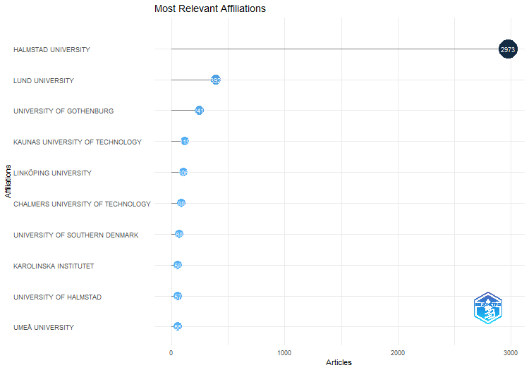
Affiliation | Articles
HALMSTAD UNIVERSITY | 2973
LUND UNIVERSITY | 392
UNIVERSITY OF GOTHENBURG | 241
KAUNAS UNIVERSITY OF TECHNOLOGY | 119
LINKÖPING UNIVERSITY | 106
CHALMERS UNIVERSITY OF TECHNOLOGY | 88
UNIVERSITY OF SOUTHERN DENMARK | 68
KAROLINSKA INSTITUTET | 58
UNIVERSITY OF HALMSTAD | 57
UMEÅ UNIVERSITY | 55
JÖNKÖPING UNIVERSITY | 52
UNIVERSITY OF TURKU | 46
UPPSALA UNIVERSITY | 46
LULEÅ UNIVERSITY OF TECHNOLOGY | 45
FEDERAL UNIVERSITY OF RIO GRANDE DO SUL | 43
LINNAEUS UNIVERSITY | 42
ÖREBRO UNIVERSITY | 42
GÖTEBORG UNIVERSITY | 37
AALBORG UNIVERSITY | 32
SAHLGRENSKA UNIVERSITY HOSPITAL | 31
STOCKHOLM UNIVERSITY | 31
CURTIN UNIVERSITY | 30
KARLSTAD UNIVERSITY | 30
UNIVERSITY OF COPENHAGEN | 28
KAUNAS UNIVERSITY OF MEDICINE | 27
SWEDISH UNIVERSITY OF AGRICULTURAL SCIENCES | 25
GOTHENBURG UNIVERSITY | 23
NORWEGIAN SCHOOL OF SPORT SCIENCES | 23
SPENSHULT RESEARCH AND DEVELOPMENT CENTRE | 23
UNIVERSITY OF SKÖVDE | 23
MALMÖ UNIVERSITY | 22
VÄXJÖ UNIVERSITY | 22
SPENSHULT RESEARCH AND DEVELOPMENT CENTER | 21
UNIVERSITY OF OSLO | 21
UNIVERSITY OF AGDER | 20
UNIVERSITY WEST | 20
MÄLARDALEN UNIVERSITY | 18
RICE UNIVERSITY | 18
DEAKIN UNIVERSITY | 17
LEIPZIG UNIVERSITY | 17
OSLO SCHOOL OF MANAGEMENT | 17
RESEARCH AND DEVELOPMENT CENTRE | 17
VOLVO TECHNOLOGY | 17
...

MostGlobCitDocs
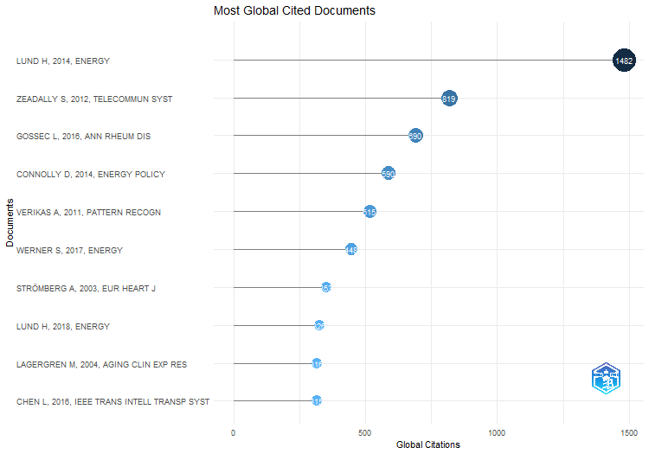
Paper | DOI | Total Citations | TC per Year | Normalized TC
LUND H, 2014, ENERGY | 10.1016/j.energy.2014.02.089 | 1482 | 148.2 | 46.464873234
ZEADALLY S, 2012, TELECOMMUN SYST | 10.1007/s11235-010-9400-5 | 819 | 68.25 | 31.860411899
GOSSEC L, 2016, ANN RHEUM DIS | 10.1136/annrheumdis-2015-208337 | 690 | 86.25 | 31.106557377
CONNOLLY D, 2014, ENERGY POLICY | 10.1016/j.enpol.2013.10.035 | 590 | 59 | 18.498161409
VERIKAS A, 2011, PATTERN RECOGN | 10.1016/j.patcog.2010.08.011 | 515 | 39.615384615 | 17.943825551
WERNER S, 2017, ENERGY | 10.1016/j.energy.2017.04.045 | 448 | 64 | 20.874551971
STRÖMBERG A, 2003, EUR HEART J | 10.1016/S0195-668X(03)00112-X | 353 | 16.80952381 | 11.772895712
LUND H, 2018, ENERGY | 10.1016/j.energy.2018.08.206 | 326 | 54.333333333 | 18.035070388
LAGERGREN M, 2004, AGING CLIN EXP RES | 10.1007/BF03324546 | 316 | 15.8 | 10.110976104
CHEN L, 2016, IEEE TRANS INTELL TRANSP SYST | 10.1109/TITS.2015.2471812 | 315 | 39.375 | 14.200819672
TAGESSON T, 2009, CORP SOC RESPONSIB ENVIRON MANAGE | 10.1002/csr.194 | 311 | 20.733333333 | 10.730356625
JOSEFSSON T, 2014, SCAND J MED SCI SPORTS | 10.1111/sms.12050 | 303 | 30.3 | 9.499903232
STAMBULOVA N, 2009, INT J SPORT EXERC PSYCHOL | 10.1080/1612197X.2009.9671916 | 300 | 20 | 10.350826326
PERSSON U, 2011, APPL ENERGY | 10.1016/j.apenergy.2010.09.020 | 298 | 22.923076923 | 10.383029154
HALLBERG LRM, 2006, INT J QUAL STUD HEALTH WELL-BEING | 10.1080/17482620600858399 | 295 | 16.388888889 | 10.482233503
PEDERSEN E, 2009, J ACOUST SOC AM | 10.1121/1.3160293 | 258 | 17.2 | 8.9017106408
HENRIKSEN K, 2010, PSYCHOL SPORT EXERC | 10.1016/j.psychsport.2009.10.005 | 244 | 17.428571429 | 10.240072202
SCHINKE RJ, 2018, INT J SPORT EXERC PSYCHOL | 10.1080/1612197X.2017.1295557 | 217 | 36.166666667 | 12.004939491
KOLLREIDER K, 2007, IEEE TRANS INF FORENSICS SECUR | 10.1109/TIFS.2007.902037 | 213 | 12.529411765 | 10.687034277
LIN C, 2018, IEEE COMMUN MAG | 10.1109/MCOM.2017.1700390 | 210 | 35 | 11.617683379
VON BOTHMER MIK, 2005, NURS HEALTH SCI | 10.1111/j.1442-2018.2005.00227.x | 202 | 10.631578947 | 8.1100993377
BILSTRUP K, 2009, EURASIP J WIRELESS COMMUN NETWORKING | 10.1155/2009/902414 | 200 | 13.333333333 | 6.9005508843
ÅSTRAND B, 2005, MECHATRONICS | 10.1016/j.mechatronics.2004.05.005 | 196 | 10.315789474 | 7.869205298
PETTERSSON H, 2006, NANO LETT | 10.1021/nl052170l | 195 | 10.833333333 | 6.9289340102
NORDDAHL GL, 2011, CELL STEM CELL | 10.1016/j.stem.2011.03.009 | 193 | 14.846153846 | 6.7245792842
BILSTRUP K, 2008, IEEE VEH TECHNOL CONF | 10.1109/VETECF.2008.446 | 192 | 12 | 8.884097035
FRISHAMMAR J, 2005, J PROD INNOVATION MANAGE | 10.1111/j.0737-6782.2005.00121.x | 189 | 9.9473684211 | 7.5881622517
WERNER S, 2017, ENERGY-a | 10.1016/j.energy.2017.03.052 | 188 | 26.857142857 | 8.7598566308
ADAMSSON V, 2011, J INTERN MED (GBR) | 10.1111/j.1365-2796.2010.02290.x | 186 | 14.307692308 | 6.4806826262
NILSSON P, 2008, INT J SCI EDUC | 10.1080/09500690802186993 | 180 | 11.25 | 8.3288409704
LYU X, 2018, IEEE NETWORK | 10.1109/MNET.2018.1700101 | 177 | 29.5 | 9.7920474191
NILSSON K, 2003, PATTERN RECOGN LETT | 10.1016/S0167-8655(03)00083-7 | 176 | 8.380952381 | 5.8697723663
ALONSO-FERNANDEZ F, 2007, IEEE TRANS INF FORENSICS SECUR | 10.1109/TIFS.2007.908228 | 174 | 10.235294118 | 8.7302533532
ÖRTENBLAD A, 2004, LEARN ORGAN | 10.1108/09696470410521592 | 172 | 8.6 | 5.5034426893
ANDERSSON S, 2004, CAN J ADM SCI | 10.1111/j.1936-4490.2004.tb00320.x | 168 | 8.4 | 5.3754556501
DE FREITAS EP, 2010, INT CONGR ULTRA MOD TELECOMMUN CONTROL SYST WORKSHOPS, ICUMT | 10.1109/ICUMT.2010.5676621 | 165 | 11.785714286 | 6.9246389892
BAKKER RH, 2012, SCI TOTAL ENVIRON | 10.1016/j.scitotenv.2012.03.005 | 162 | 13.5 | 6.3020594966
PERSSON U, 2014, ENERGY POLICY | 10.1016/j.enpol.2014.07.015 | 161 | 16.1 | 5.0478033675
JANSSEN SA, 2011, J ACOUST SOC AM | 10.1121/1.3653984 | 160 | 12.307692308 | 5.5747807537
IRANDOUST M, 2016, ECOL INDIC | 10.1016/j.ecolind.2016.03.051 | 159 | 19.875 | 7.1680327869
ANDERSSON S, 2011, J SMALL BUS ENTERP DEV | 10.1108/14626001111155745 | 157 | 12.076923077 | 5.4702536146
DAVID A, 2017, ENERGIES | 10.3390/en10040578 | 156 | 22.285714286 | 7.2688172043
DELLVE L, 2006, J ADV NURS | 10.1111/j.1365-2648.2006.03736.x | 151 | 8.3888888889 | 5.3654822335
...

MostFreqWords
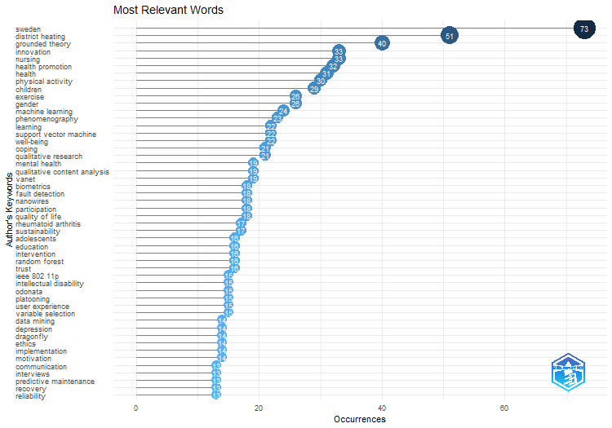
Words | Occurrences
sweden | 73
district heating | 51
grounded theory | 40
innovation | 33
nursing | 33
health promotion | 32
health | 31
physical activity | 30
children | 29
exercise | 26
gender | 26
machine learning | 24
phenomenography | 23
learning | 22
support vector machine | 22
well-being | 22
coping | 21
qualitative research | 21
mental health | 19
qualitative content analysis | 19
vanet | 19
biometrics | 18
fault detection | 18
nanowires | 18
participation | 18
quality of life | 18
rheumatoid arthritis | 17
sustainability | 17
adolescents | 16
education | 16
intervention | 16
random forest | 16
trust | 16
ieee 802 11p | 15
intellectual disability | 15
odonata | 15
platooning | 15
user experience | 15
variable selection | 15
data mining | 14
depression | 14
dragonfly | 14
ethics | 14
...

WordFreqOverTime
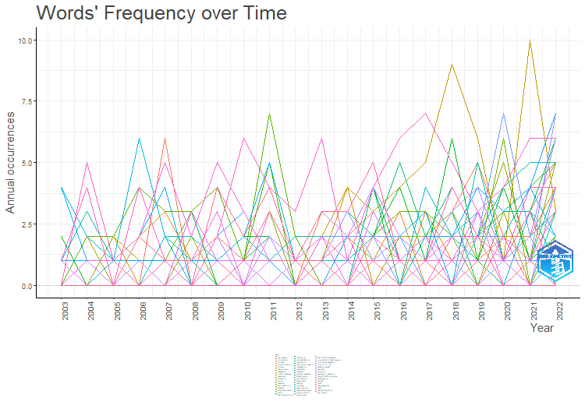
COMMUNICATION | INTERVIEWS | PREDICTIVE MAINTENANCE | RECOVERY | RELIABILITY
0 | 0 | 0 | 1 | 0
1 | 0 | 0 | 0 | 0
0 | 0 | 0 | 0 | 0
0 | 0 | 0 | 0 | 0
0 | 2 | 0 | 0 | 0
1 | 1 | 0 | 0 | 3
0 | 0 | 0 | 0 | 1
0 | 0 | 0 | 0 | 1
2 | 1 | 0 | 1 | 0
1 | 0 | 0 | 1 | 1
0 | 1 | 0 | 0 | 2
0 | 0 | 0 | 0 | 0
1 | 0 | 2 | 3 | 0
3 | 0 | 0 | 1 | 1
0 | 2 | 0 | 2 | 1
0 | 0 | 0 | 0 | 1
0 | 0 | 2 | 0 | 1
2 | 1 | 7 | 0 | 1
2 | 2 | 2 | 0 | 0
0 | 3 | 0 | 4 | 0

TrendTopics
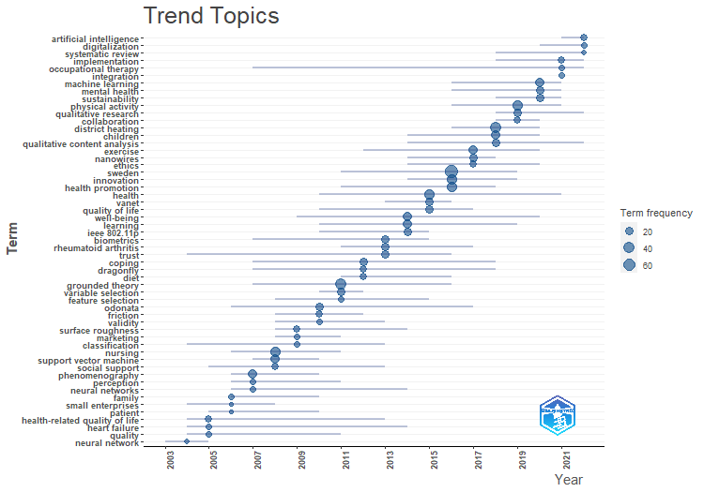
item | freq | year_q1 | year_med | year_q3
neural network | 6 | 2003 | 2004 | 2005
health-related quality of life | 11 | 2004 | 2005 | 2013
heart failure | 9 | 2004 | 2005 | 2014
quality | 8 | 2004 | 2005 | 2011
family | 7 | 2006 | 2006 | 2010
patient | 5 | 2005 | 2006 | 2010
small enterprises | 5 | 2004 | 2006 | 2008
phenomenography | 23 | 2006 | 2007 | 2010
perception | 8 | 2006 | 2007 | 2011
neural networks | 7 | 2006 | 2007 | 2014
nursing | 33 | 2006 | 2008 | 2011
support vector machine | 22 | 2007 | 2008 | 2010
social support | 10 | 2005 | 2008 | 2013
surface roughness | 11 | 2008 | 2009 | 2014
classification | 9 | 2004 | 2009 | 2013
marketing | 9 | 2008 | 2009 | 2011
odonata | 15 | 2006 | 2010 | 2017
friction | 12 | 2008 | 2010 | 2012
validity | 9 | 2008 | 2010 | 2013
grounded theory | 40 | 2007 | 2011 | 2016
variable selection | 15 | 2010 | 2011 | 2012
feature selection | 9 | 2008 | 2011 | 2015
coping | 21 | 2007 | 2012 | 2018
dragonfly | 14 | 2007 | 2012 | 2018
diet | 12 | 2011 | 2012 | 2016
biometrics | 18 | 2007 | 2013 | 2015
rheumatoid arthritis | 17 | 2011 | 2013 | 2017
trust | 16 | 2004 | 2013 | 2016
learning | 22 | 2010 | 2014 | 2019
well-being | 22 | 2009 | 2014 | 2020
ieee 802.11p | 15 | 2010 | 2014 | 2015
health | 31 | 2010 | 2015 | 2021
vanet | 19 | 2013 | 2015 | 2016
quality of life | 18 | 2010 | 2015 | 2017
sweden | 73 | 2011 | 2016 | 2019
innovation | 33 | 2014 | 2016 | 2019
health promotion | 32 | 2011 | 2016 | 2018
exercise | 26 | 2012 | 2017 | 2020
nanowires | 18 | 2014 | 2017 | 2018
ethics | 14 | 2014 | 2017 | 2020
district heating | 51 | 2016 | 2018 | 2020
children | 29 | 2014 | 2018 | 2020
qualitative content analysis | 19 | 2014 | 2018 | 2022
...

ThematicMap
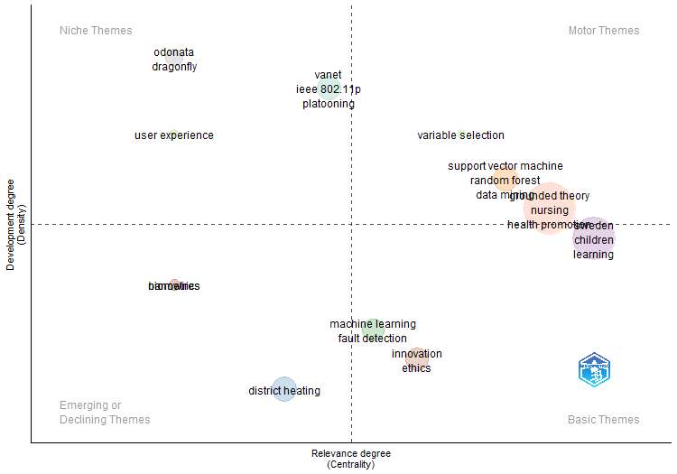
...
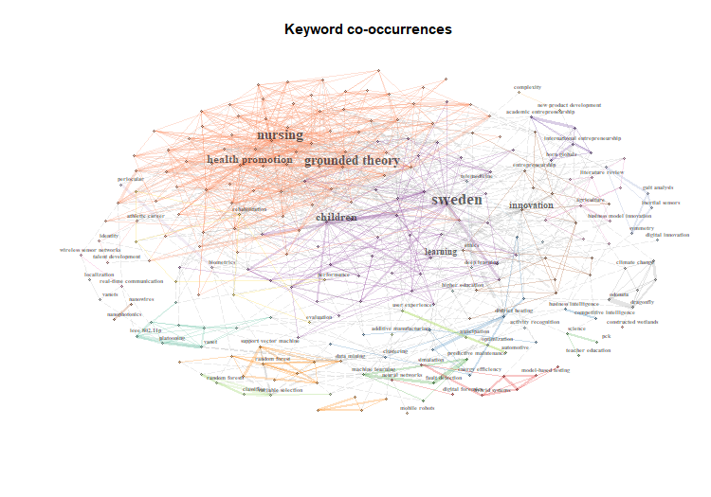
...
district heating | support vector machine | odonata | Assigned_cluster | pagerank
0 | 0 | 0 | biometrics | 0.0037709351174
0 | 0.45 | 0 | biometrics | 0.010428060513
0 | 0 | 0 | biometrics | 0.0037709351174
0 | 0 | 0 | biometrics | 0.0037709351174
0 | 0.45 | 0 | biometrics | 0.010428060513
0 | 0 | 0 | biometrics | 0.0037709351174
0 | 0 | 0 | biometrics | 0.0037709351174
0 | 0 | 0 | biometrics | 0.0037709351174
0 | 0 | 0 | biometrics | 0.0037709351174
0 | 0 | 0 | biometrics | 0.0037709351174
...

