UPS7 inhibitors
Most similar drug | Generated Scaffold | SMILES
Ursolic acid |  | CC(C)C1CCC2(C)CCC3(C)C(CCC4C5(C)CCC(O)C(C)(C)C5CCC43C)C12
Thalidomide |  | Cc1cccc(C)c1C(=O)NC1CCCNC1=O
Aminoglutethimide | 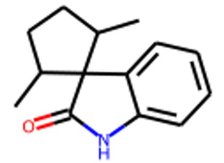 | CC1CCC(C)C12C(=O)Nc1ccccc12
Megestrol acetate | 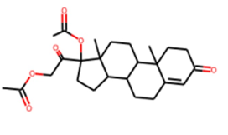 | CC(=O)OCC(=O)C1(OC(C)=O)CCC2C3CCC4=CC(=O)CCC4(C)C3CCC21C
Moxiflacin | 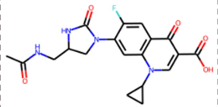 | CC(=O)NCC1CN(c2cc3c(cc2F)c(=O)c(C(=O)O)cn3C2CC2)C(=O)N1
Bexarotene | 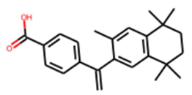 | CC1(C)CCC(C)(C)c2cc(C(=O)Nc3ccc(C(=O)O)cc3)ccc21
Hydroxycloroquine |  | CC(C)C(CO)Nc1ccnc2cc(Cl)ccc12
Nilotilib | 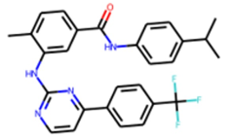 | Cc1ccc(C(=O)Nc2ccc(C(C)C)cc2)cc1Nc1nccc(-c2ccc(C(F)(F)F)cc2)n1
Tesmilifene |  | CCC(c1ccccc1)c1ccc(OCCN(CC)CC)cc1
Ciprofloxacin | 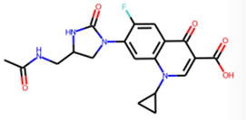 | CC(=O)NCC1CN(c2cc3c(cc2F)c(=O)c(C(=O)O)cn3C2CC2)C(=O)N1
Reparixin |  | CC(C)Cc1ccc(C(=O)NS(C)(=O)=O)cc1
Sorafenib |  | O=C(Nc1ccccc1)Nc1ccc(Cl)c(C(F)(F)F)c1
Abt-751 |  | CC(C)Oc1ccc(NS(=O)(=O)c2ccc(O)cc2)cc1
Leflunomide |  | CC(C)[SH](C)(=O)Nc1ccc(C(=O)Nc2ccc(C(F)(F)F)cc2)cc1
Bexarotene | 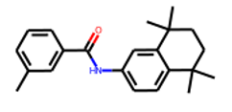 | Cc1cccc(C(=O)Nc2ccc3c(c2)C(C)(C)CCC3(C)C)c1
Atorvastatin | 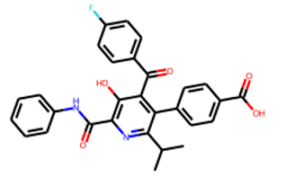 | CC(C)c1nc(C(=O)Nc2ccccc2)c(O)c(C(=O)c2ccc(F)cc2)c1-c1ccc(C(=O)O)cc1
Tamoxifen | 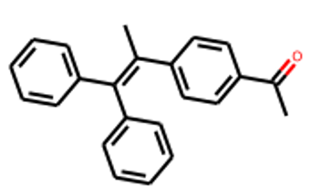 | CC(=O)c1ccc(C(C)=C(c2ccccc2)c2ccccc2)cc1
Efaproxiral |  | COc1ccc(CC(=O)Nc2ccc(C(=O)O)c(C)c2)cc1
Imiquimod |  | CC(C)Nc1nc(N)c2ccccc2n1

