General-Reports
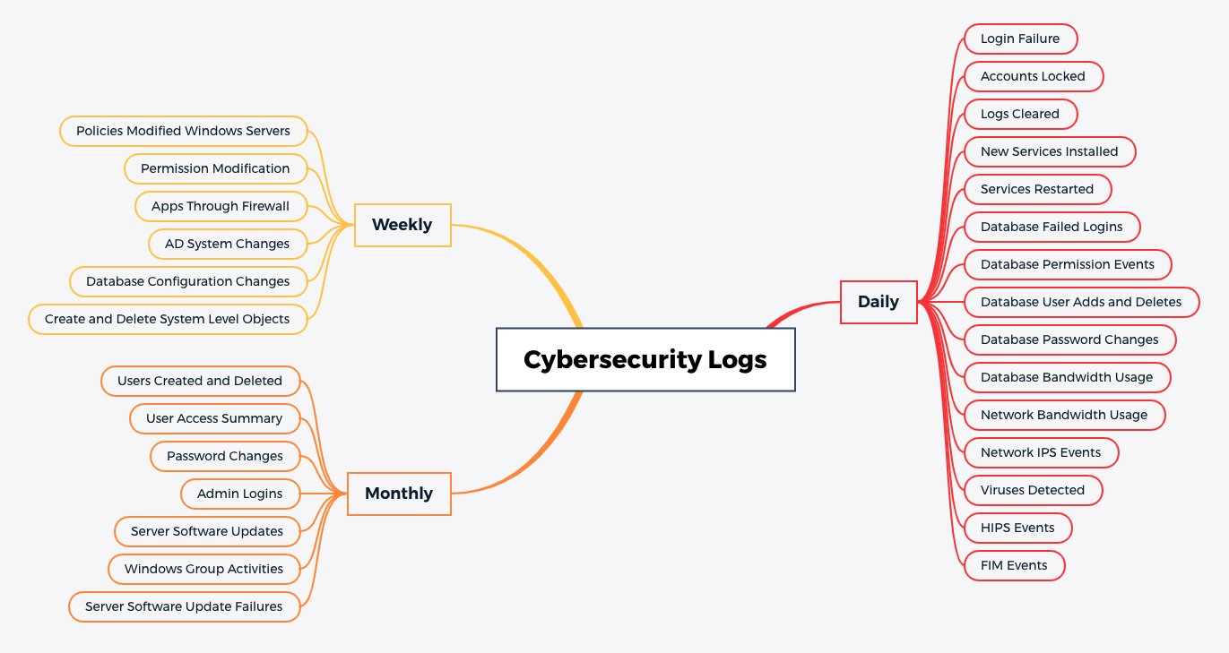
Report Frequency and Name | Purpose
Daily_Login_Failure | Identify when potential/actual account breaches/attacks occur.
Daily_Accounts_Locked | Displays all accounts locked out of servers to detect access violations or unusual activities.
Daily_Logs_Cleared | Displays all audit logs clearing activities on servers to detect access violations or unusual activity.
Daily_New_Services_Installed | Displays a list of new services installed on servers to ensure authorized access.
Daily_Services_Restarted | Displays all server restart activities to detect unusual activities.
Daily_Database_Failed_Logins | Displays failed database logins.
Daily_Database_Permission_Events | Displays events related to database permission modifications.
Daily_Database_User_Adds_and_Deletes | Displays events related to creation and deletion of database users.
Daily_Database_Password_Changes | Displays password changes for database accounts.
Daily_Network_Apps_Under_Attack | Displays all applications under attack as well as the attack signatures by the Network IDS/IPS
Daily_Database_Bandwidth_Usage | Displays bandwidth used by database processes on a daily basis to identify unusual traffic spikes, possibly indicating data exfiltration
Daily_Network_Bandwidth_Usage | Displays bandwidth used by network processes on a daily basis to identify unusual traffic spikes, possibly indicating data exfiltration
Daily_Attack_Origins | Displays the sources that have initiated the most attacks.
Daily_Virus_Attacks_Detected | Displays AntiVirus attacks by threat name from the anti-malware system.
Daily_HIPS_Attacks_Detected | Displays all Host IPS attacks detected to servers and applications.
Daily_Firewall_Traffic_Risky_Traffic | Displays allowed firewall traffic that is considered risky.
Daily_File_Integrity_Monitoring_Activity | Identify when potential/actual breaches occur on critical system files.
Weekly_Permission_Modification | Identify when account permissions have changed to detect potential/actual escalation of privileges attacks
Weekly_AD_System_Changes | Identify when an AD change has been made that may decrease the security posture of the systems
Weekly_Create_and_Delete_System_Level_Objects | Identify when potential/actual system compromises have occurred
Weekly_Policies_Modified_Windows_Servers | Displays all policy modification activities on Windows servers to ensure authorized and appropriate access.
Weekly_Create_and_Delete_System_Level_Objects | Displays database events related to creation and deletion of system-level objects.
Weekly_Database_Configuration_Changes | Displays database configuration changes.
Weekly_Apps_Through-Firewall | Displays the most active applications used through the firewalls.
Monthly_User_Access_Summary | Analyze account activity to detect potential/actual suspicious behavior
Monthly_Admin_Logins | Analyze Administrator/Root account activity to detect potential/actual suspicious behavior
Monthly_Users-Created_Deleted | Identify when an unauthorized account may have been created
Monthly_Password_Changes | Displays all password change activities on servers to ensure authorized and appropriate access.
Monthly_Server_Software_Updates | Displays all events related to the system's software or patch update.
Monthly_Server_Software_Failures | Displays all failed events related to the system's software or patch update.
Monthly_Windows_Group_Activites | Ensures authorized and appropriate access for an account into groups.

General-Alerts
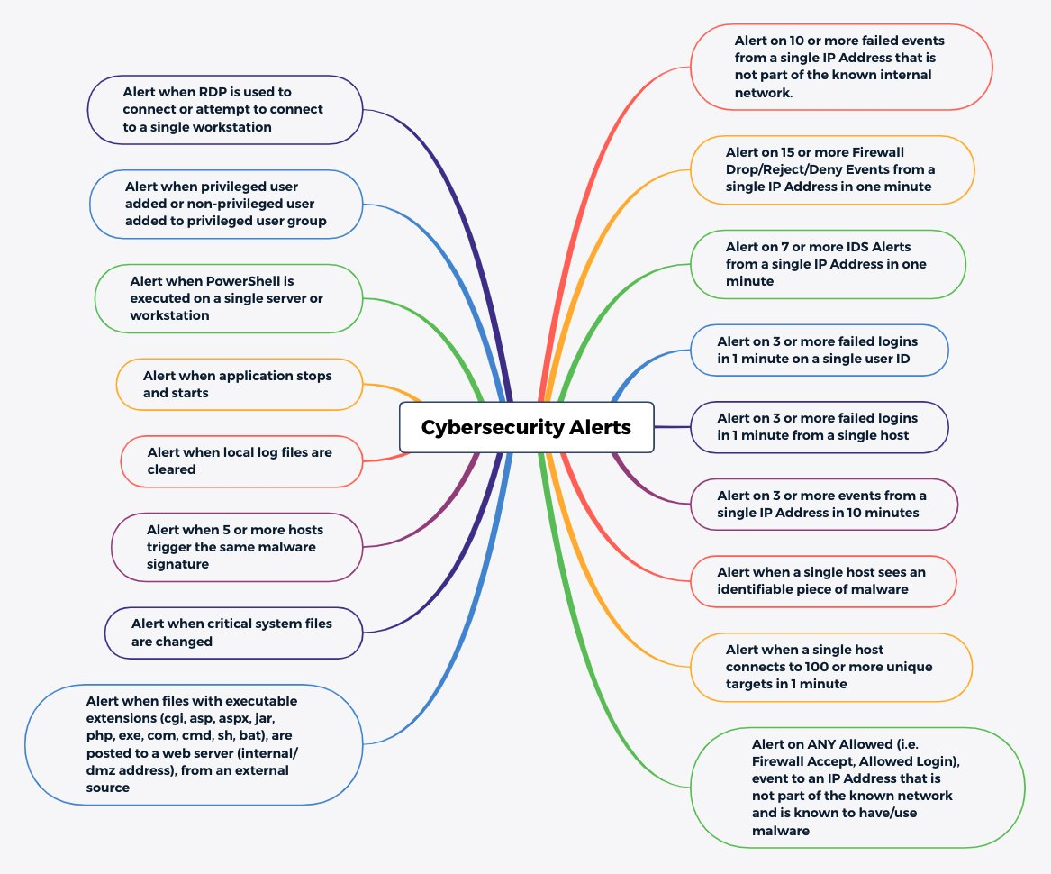
Threshold | Purpose
Alert on 3 or more failed logins in 1 minute from a single host | Early warning for brute force attacks, password guessing, and misconfigured applications
Alert on 3 or more failed logins in 1 minute on a single user ID | Early warning for brute force attacks, password guessing, and misconfigured applications
Alert on 15 or more Firewall Drop/Reject/Deny Events from a single IP Address in one minute | Early warning for scans, worm propagation, etc
Alert on 7 or more IDS Alerts from a single IP Address in one minute | Early warning for scans, worm propagation, etc
Alert on 3 or more events from a single IP Address in 10 minutes | Identify hosts that may be infected or compromised
Alert when a single host sees an identifiable piece of malware | Alert when a virus, spyware or other malware is detected on a host
Alert on 10 or more failed events from a single IP Address that is not part of the known internal network. | Identify remote attackers before they make it into the network
Alert on ANY Allowed (i.e. Firewall Accept, Allowed Login), event to an IP Address that is not part of the known network and is known to have/use malware | Identify traffic from an internal address to a known black-listed site
Alert when a single host connects to 100 or more unique targets in 1 minute | Find hosts that may be infected or compromised
Alert when 5 or more hosts trigger the same malware signature | Alert on the detection of malware before it spreads beyond a limited number of hosts
Alert when files with executable extensions (cgi, asp, aspx, jar, php, exe, com, cmd, sh, bat), are posted to a web server (internal/dmz address), from an external source | Alert when dangerous content is posted to a web server
Alert when critical system files are changed | Identify when malware or an attacker may be trying to install root kits, or other unauthorized changes are made to server by legitimate user
Alert when local log files are cleared | Identify when a potential attacker is trying to hide her/his tracks
Alert when application stops and starts | Identify if an attacker possibly changed binaries, or other unauthorized changes are made to server
Alert when PowerShell is executed on a single server or workstation | Identify when a potential attacker is trying to execute PowerShell to attempt exploits
Alert when privileged user added or non-privileged user added to privileged user group | Identify if an attacker is trying to maintain persistence by creating additional accounts
Alert when RDP is used to connect or attempt to connect to a single workstation | Identify when a potential attacker is trying to execute RDP to attempt exploits

More_Log_Sources
