General-Reports
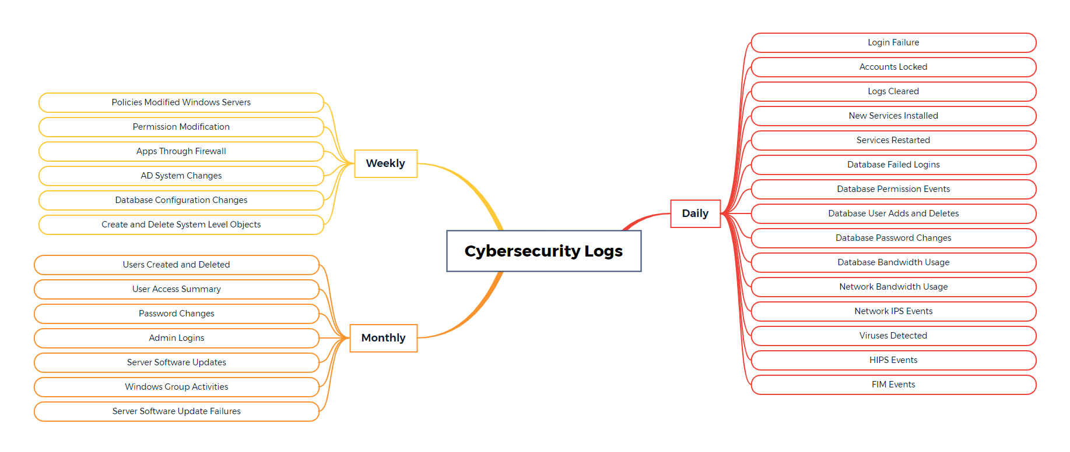
Report Frequency and Name | Purpose
Daily_Login_Failure | Identify when potential/actual account breaches/attacks occur.
Daily_Accounts_Locked | Displays all accounts locked out of servers to detect access violations or unusual activities.
Daily_Logs_Cleared | Displays all audit logs clearing activities on servers to detect access violations or unusual activity.
Daily_New_Services_Installed | Displays a list of new services installed on servers to ensure authorized access.
Daily_Services_Restarted | Displays all server restart activities to detect unusual activities.
Daily_Database_Failed_Logins | Displays failed database logins.
Daily_Database_Permission_Events | Displays events related to database permission modifications.
Daily_Database_User_Adds_and_Deletes | Displays events related to creation and deletion of database users.
Daily_Database_Password_Changes | Displays password changes for database accounts.
Daily_Network_Apps_Under_Attack | Displays all applications under attack as well as the attack signatures by the Network IDS/IPS
Daily_Database_Bandwidth_Usage | Displays bandwidth used by database processes on a daily basis to identify unusual traffic spikes, possibly indicating data exfiltration
Daily_Network_Bandwidth_Usage | Displays bandwidth used by network processes on a daily basis to identify unusual traffic spikes, possibly indicating data exfiltration
Daily_Attack_Origins | Displays the sources that have initiated the most attacks.
Daily_Virus_Attacks_Detected | Displays AntiVirus attacks by threat name from the anti-malware system.
Daily_HIPS_Attacks_Detected | Displays all Host IPS attacks detected to servers and applications.
Daily_Firewall_Traffic_Risky_Traffic | Displays allowed firewall traffic that is considered risky.
Daily_File_Integrity_Monitoring_Activity | Identify when potential/actual breaches occur on critical system files.
Weekly_Permission_Modification | Identify when account permissions have changed to detect potential/actual escalation of privileges attacks
Weekly_AD_System_Changes | Identify when an AD change has been made that may decrease the security posture of the systems
Weekly_Create_and_Delete_System_Level_Objects | Identify when potential/actual system compromises have occurred
Weekly_Policies_Modified_Windows_Servers | Displays all policy modification activities on Windows servers to ensure authorized and appropriate access.
Weekly_Create_and_Delete_System_Level_Objects | Displays database events related to creation and deletion of system-level objects.
Weekly_Database_Configuration_Changes | Displays database configuration changes.
Weekly_Apps_Through-Firewall | Displays the most active applications used through the firewalls.
Monthly_User_Access_Summary | Analyze account activity to detect potential/actual suspicious behavior
Monthly_Admin_Logins | Analyze Administrator/Root account activity to detect potential/actual suspicious behavior
Monthly_Users-Created_Deleted | Identify when an unauthorized account may have been created
Monthly_Password_Changes | Displays all password change activities on servers to ensure authorized and appropriate access.
Monthly_Server_Software_Updates | Displays all events related to the system's software or patch update.
Monthly_Server_Software_Failures | Displays all failed events related to the system's software or patch update.
Monthly_Windows_Group_Activites | Ensures authorized and appropriate access for an account into groups.

Log_Sources
