Slide1
CRIME RATE |  |  | VIOLENT CRIME RATE
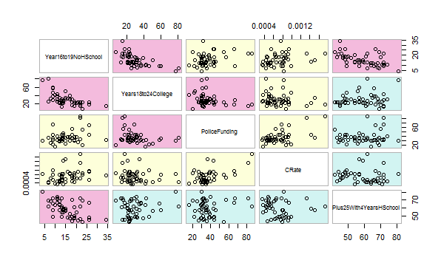
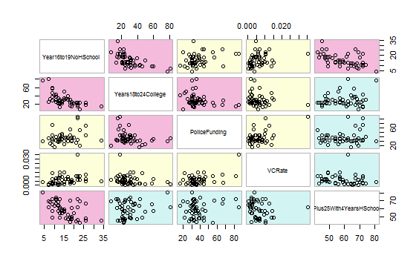

Correlation graphs give us a general idea of relationship between variables. In this case, darker colors indicate higher values.
When values are clustered around 45 degree angle axis, it means more or less a positive relationship. Vice vera if anled at -45 degrees.

Principal component analysis enables us to transform variables into more meaningful variables pertaining to the problem at hand.
Basically, it creates a meaningful combination of them. I.e a sandwich sometimes works better than its ingredients.

CRIME RATE |  | VIOLENT CRIME RATE
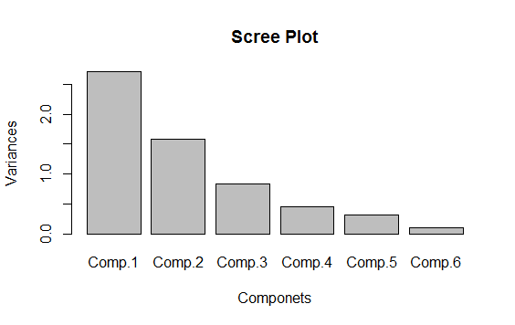

In this case, there are 6 transformed components for both crimes and violent crimes. First 3 are able to explain %85 of the issue. Let's focus on them:

CRate 0.248 -0.537 0.495 | VCRate 0.257 -0.519 0.530
PoliceFunding 0.187 -0.667 | PoliceFunding 0.183 -0.680
Plus25With4YearsHSchool -0.418 -0.345 -0.570 | Plus25With4YearsHSchool -0.422 -0.341 -0.564
Year16to19NoHSchool 0.531 | Year16to19NoHSchool 0.525
Years18to24College -0.465 0.648 | Years18to24College -0.464 0.620
Plus25With4YearsCollege -0.481 -0.374 | Plus25With4YearsCollege -0.481 -0.377

A blank value constitues for a zero value meaning that variable does not contribute to the transformed value.
In both cases, police funding and lack of education play a dominant role in contribution to the crime rate.

I can say that education or lack of it overwhelms the police funding when looking at the magnitudes of their contributions to the transformed variables.

Slide 2
 | CRIME RATE | VIOLENT CRIME RATE

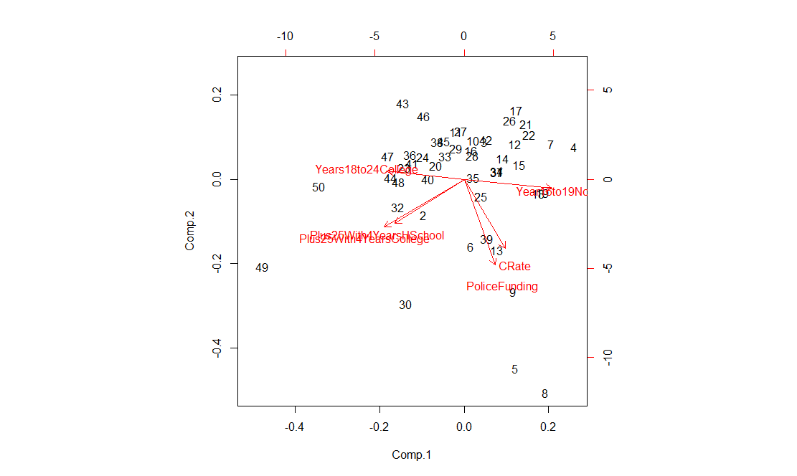
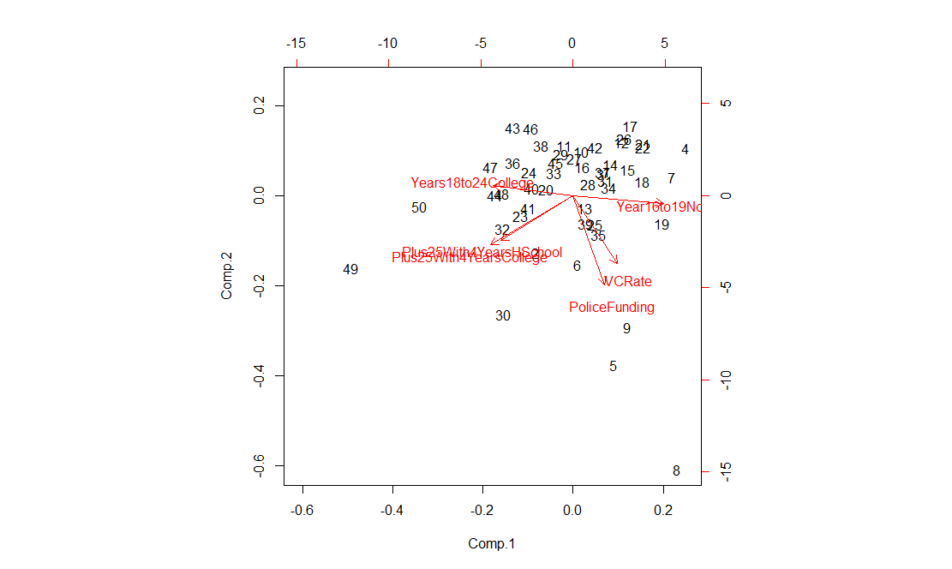

Visuals are a better way to construe an issue. Collinearity stands for a positive realation while the angles in between the lines up to the right angle means a weker realtionship.

Above the right angle, it is a negative correlation. Here, we see the transformed variables in the 2D space. Sadly, police funding boosts both crime rates. It definitely overlaps with the lack of education in up to 19 year old individuals.

As I am not a domain expert, I can only make a guess that police funding may be taking its toll on the funds that are allocated for individuals. Or police force may be oppressing the society. Maybe both are true.

