Berekeningen
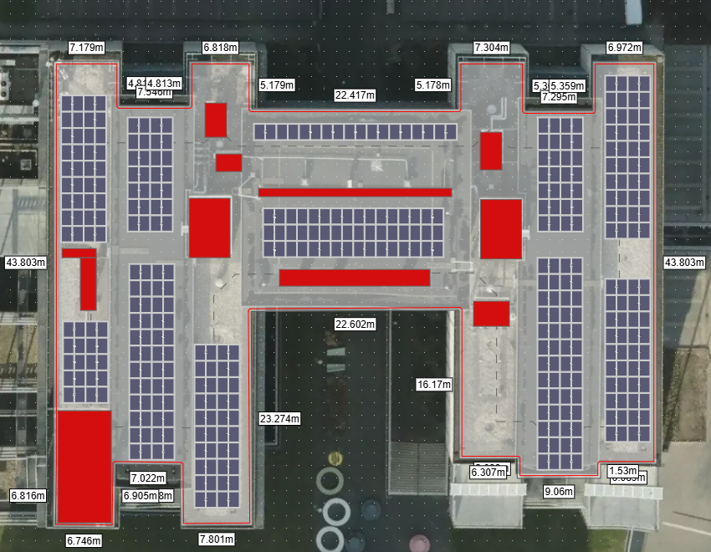
Gegevens
Panelen | DMEGC DM375M6-B60HBB |  | Totaal PV vermogen | 149.25 | kWp
PV vermogen | 375 | WP
Vmp | 34.1 | V
Voc | 41.89 | V
Imp | 11.01 | A
Isc | 11.43 | A
Aantal | 398

