Sheet1
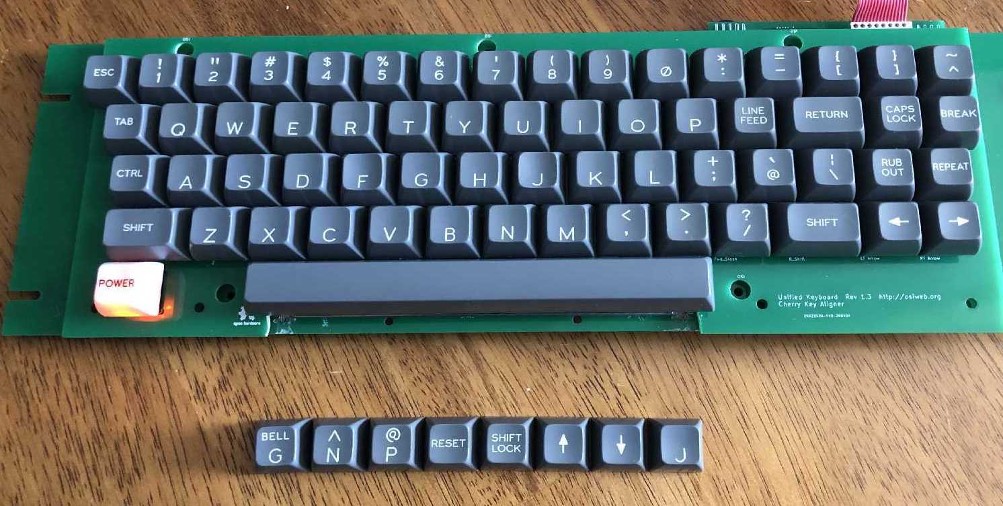
Classic Keycap set |  |  |  | Date: |  | 2021-11-05

Order specifications for Signature Plastics keycaps
Colors are specified using Signature Plastics color codes. Reference for colors: https://pimpmykeyboard.com/colors
Reference for key profiles: https://pimpmykeyboard.com/key-cap-family-specs

All keys SA Row 3
Line | Keycap Color | Legend Color | Size | Top | Top font | Bottom | Bottom Font | Centered | Centered Font | Comment
1 | TBT | ?? | 1u |  |  | A | 0.187"
2 | YW |  | 1u |  |  |  |  | RUN | 0.100"
3 | GD | WFO | 1u |  |  | B | 0.187"
4 | GD | WFO | 1u |  |  | C | 0.187"
5 | GD | WFO | 1u |  |  | D | 0.187"
6 | GD | WFO | 1u |  |  | E | 0.187"
6 | GD | WFO | 1u |  |  | F | 0.187"
7 | GD | WFO | 1u |  |  | F | 0.187" |  |  | Deep Dish
8 | GD | WFO | 1u | BELL | 0.100" | G | 0.187"
9 | GD | WFO | 1u |  |  | G | 0.187"
10 | GD | WFO | 1u |  |  | H | 0.187"
11 | GD | WFO | 1u |  |  | I | 0.187"
12 | GD | WFO | 1u |  |  | J | 0.187"
13 | GD | WFO | 1u |  |  | J | 0.187" |  |  | Deep Dish
14 | GD | WFO | 1u |  |  | K | 0.187"
15 | GD | WFO | 1u |  |  | L | 0.187"
16 | GD | WFO | 1u |  |  | M | 0.187"
17 | GD | WFO | 1u |  |  | N | 0.187"
18 | GD | WFO | 1u | ^ | 0.187" | N | 0.187"
19 | GD | WFO | 1u |  |  | O | 0.187"
20 | GD | WFO | 1u |  |  | P | 0.187"
21 | GD | WFO | 1u | @ | 0.187" | P | 0.187"
22 | GD | WFO | 1u |  |  | Q | 0.187"
23 | GD | WFO | 1u |  |  | R | 0.187"
24 | GD | WFO | 1u |  |  | S | 0.187"
25 | GD | WFO | 1u |  |  | T | 0.187"
26 | GD | WFO | 1u |  |  | U | 0.187"
27 | GD | WFO | 1u |  |  | V | 0.187"
28 | GD | WFO | 1u |  |  | W | 0.187"
29 | GD | WFO | 1u |  |  | X | 0.187"
30 | GD | WFO | 1u |  |  | Y | 0.187"
31 | GD | WFO | 1u |  |  | Z | 0.187"
32 | GD | WFO | 1u | ! | 0.187" | 1 | 0.187"
33 | GD | WFO | 1u | “ | 0.187" | 2 | 0.187"
34 | GD | WFO | 1u | # | 0.187" | 3 | 0.187"
35 | GD | WFO | 1u | $ | 0.187" | 4 | 0.187"
36 | GD | WFO | 1u | % | 0.187" | 5 | 0.187"
37 | GD | WFO | 1u | & | 0.187" | 6 | 0.187"
38 | GD | WFO | 1u | ' | 0.187" | 7 | 0.187" |  |  | straight apostrophe and 7
39 | GD | WFO | 1u | ( | 0.187" | 8 | 0.187"
40 | GD | WFO | 1u | ) | 0.187" | 9 | 0.187"
41 | GD | WFO | 1u |  |  | 0 | 0.187"
42 | GD | WFO | 1u | * | 0.187" | : | 0.187"
43 | GD | WFO | 1u | = | 0.187" | - | 0.187" |  |  | equal and minus
44 | GD | WFO | 1u | + | 0.187" | ; | 0.187"
45 | GD | WFO | 1u | < | 0.187" | , | 0.187" |  |  | < and comma
46 | GD | WFO | 1u | > | 0.187" | . | 0.187" |  |  | > and period
47 | GD | WFO | 1u | ? | 0.187" | / | 0.187"
48 | GD | WFO | 1u | { | 0.187" | [ | 0.187"
49 | GD | WFO | 1u | } | 0.187" | ] | 0.187"
50 | GD | WFO | 1u | ~ | 0.187" | ^ | 0.187"
51 | GD | WFO | 1u | ` | 0.187" | @ | 0.187" |  |  | grave accent and @
52 | GD | WFO | 1u | | | 0.187" | \ | 0.187" |  |  | vertical bar and backslash
53 | GD | WFO | 1u |  |  |  |  | → | 0.230" | Right arrow
54 | GD | WFO | 1u |  |  |  |  | ← | 0.230" | Left arrow
55 | GD | WFO | 1u |  |  |  |  | ↑ | 0.230" | Up arrow
56 | GD | WFO | 1u |  |  |  |  | ↓ | 0.230" | Down arrow
57 | GD | WFO | 1u |  |  |  |  | ESC | 0.100"
58 | GD | WFO | 1u |  |  |  |  | CTRL | 0.100"
59 | GD | WFO | 1u |  |  |  |  | REPEAT | 0.100"
60 | GD | WFO | 1u |  |  |  |  | BREAK | 0.100"
61 | GD | WFO | 1u |  |  |  |  | TAB | 0.100"
62 | GD | WFO | 1u |  |  |  |  | RESET | 0.100"
63 | GD | WFO | 1u |  |  |  |  | CLEAR | 0.100"
64 | GD | WFO | 1u | RUB | 0.100" | OUT | 0.100"
65 | GD | WFO | 1u | LINE | 0.100" | FEED | 0.100"
66 | GD | WFO | 1u | SHIFT | 0.100" | LOCK | 0.100"
67 | GD | WFO | 1u | CAPS | 0.100" | LOCK | 0.100"
68 | GD | WFO | 1u | HERE | 0.100" | IS | 0.100"
69 | GD | WFO | 1.5u |  |  |  |  | SHIFT | 0.100" | Left shift
70 | GD | WFO | 1.5u |  |  |  |  | SHIFT | 0.100" | Right shift
71 | GD | WFO | 1.5u |  |  |  |  | RETURN | 0.100"
72 | GD | WFO | 1.5u |  |  |  |  | TAB | 0.100"
73 | GD | n/a (no legend) | 8u |  |  |  |  |  |  | Spacebar
74 | WEL | BLACK | 1u |  |  |  |  | POWER | 0.100" | Pad print legend (lighted key)

