Sheet1
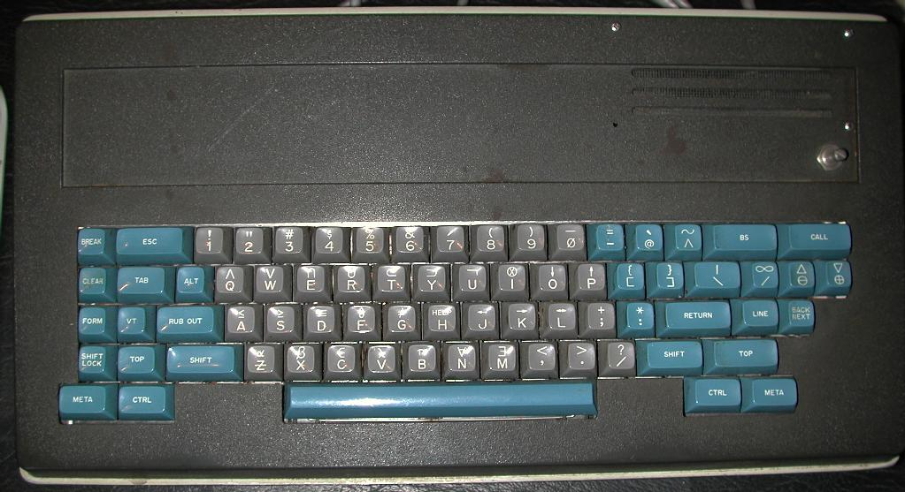
Knight Keycap set |  |  |  | Date: |  | 12/20/2021

Order specifications for Signature Plastics keycaps
Colors are specified using Signature Plastics color codes. Reference for colors: https://pimpmykeyboard.com/colors
Reference for key profiles: https://pimpmykeyboard.com/key-cap-family-specs

All keys SA Row 3
Line | Keycap Color | Legend Color | Size | Top | Top font | Bottom | Bottom Font | Centered | Centered Font | Comment
1 | GY | WFO | 1u | ≤ | 0.187" | A | 0.187" |  |  | less than or equal
2 | GY | WFO | 1u | π | 0.187" | B | 0.187" |  |  | greek pi
3 | GY | WFO | 1u | ϵ | 0.187" | C | 0.187" |  |  | lunate epsilon
4 | GY | WFO | 1u | ≡ | 0.187" | D | 0.187" |  |  | equivalent
5 | GY | WFO | 1u | ∩ | 0.187" | E | 0.187" |  |  | set intersection
6 | GY | WFO | 1u | ∂ | 0.187" | F | 0.187" |  |  | partial differential
7 | GY | WFO | 1u | ≠ | 0.187" | G | 0.187" |  |  | not equals
8 | GY | WFO | 1u | HELP | 0.100" | H | 0.187"
9 | GY | WFO | 1u | ⊗ | 0.187" | I | 0.187"
10 | GY | WFO | 1u | ← | 0.187" | J | 0.187" |  |  | left arrow
11 | GY | WFO | 1u | → | 0.187" | K | 0.187" |  |  | right arrow
12 | GY | WFO | 1u | ↔ | 0.187" | L | 0.187" |  |  | double arrow
13 | GY | WFO | 1u | ∃ | 0.187" | M | 0.187" |  |  | there exists
14 | GY | WFO | 1u | ∀ | 0.187" | N | 0.187" |  |  | for all
15 | GY | WFO | 1u | ↓ | 0.187" | O | 0.187" |  |  | down arrow
16 | GY | WFO | 1u | ↑ | 0.187" | P | 0.187" |  |  | up arrow
17 | GY | WFO | 1u | ∧ | 0.187" | Q | 0.187" |  |  | logical and
18 | GY | WFO | 1u | ∪ | 0.187" | R | 0.187" |  |  | set union
19 | GY | WFO | 1u | ≥ | 0.187" | S | 0.187" |  |  | greater than or equal
20 | GY | WFO | 1u | ⊂ | 0.187" | T | 0.187" |  |  | subset
21 | GY | WFO | 1u | ¬ | 0.187" | U | 0.187" |  |  | logical not
22 | GY | WFO | 1u | λ | 0.187" | V | 0.187" |  |  | greek lambda
23 | GY | WFO | 1u | ∨ | 0.187" | W | 0.187" |  |  | logical or
24 | GY | WFO | 1u | β | 0.187" | X | 0.187" |  |  | greek beta
25 | GY | WFO | 1u | ⊃ | 0.187" | Y | 0.187" |  |  | superset
26 | GY | WFO | 1u | α | 0.187" | Ƶ | 0.187" |  |  | z with stroke, greek alpha
27 | GY | WFO | 1u | ! | 0.187" | 1 | 0.187"
28 | GY | WFO | 1u | " | 0.187" | 2 | 0.187"
29 | GY | WFO | 1u | # | 0.187" | 3 | 0.187"
30 | GY | WFO | 1u | $ | 0.187" | 4 | 0.187"
31 | GY | WFO | 1u | % | 0.187" | 5 | 0.187"
32 | GY | WFO | 1u | & | 0.187" | 6 | 0.187"
33 | GY | WFO | 1u | ´ | 0.187" | 7 | 0.187" |  |  | acute accent
34 | GY | WFO | 1u | ( | 0.187" | 8 | 0.187"
35 | GY | WFO | 1u | ) | 0.187" | 9 | 0.187"
36 | GY | WFO | 1u | _ | 0.187" | ∅ | 0.187" |  |  | underscore, zero with slash
37 | BFP | WFO | 1u | * | 0.187" | : | 0.187"
38 | BFP | WFO | 1u | = | 0.187" | - | 0.187" |  |  | equal, minus
39 | GY | WFO | 1u | + | 0.187" | ; | 0.187"
40 | GY | WFO | 1u | < | 0.187" | , | 0.187" |  |  | < and comma
41 | GY | WFO | 1u | > | 0.187" | . | 0.187" |  |  | > and period
42 | GY | WFO | 1u | ? | 0.187" | / | 0.187"
43 | BFP | WFO | 1u | { | 0.187" | [ | 0.187"
44 | BFP | WFO | 1u | } | 0.187" | ] | 0.187"
45 | BFP | WFO | 1u | ~ | 0.187" | ^ | 0.187"
46 | BFP | WFO | 1u | ` | 0.187" | @ | 0.187" |  |  | grave accent and @
47 | BFP | WFO | 1.5u | | | 0.187" | \ | 0.187" |  |  | vertical bar and backslash
48 | BFP | WFO | 1u | ∞ | 0.187" | / | 0.187" |  |  | infinity
49 | BFP | WFO | 1u | Δ | 0.187" | ⊖ | 0.187"
50 | BFP | WFO | 1u | ∇ | 0.187" | ⊕ | 0.187"
51 | BFP | WFO | 1u |  |  |  |  | BREAK | 0.100"
52 | BFP | WFO | 2u |  |  |  |  | ESC | 0.100"
53 | BFP | WFO | 2u |  |  |  |  | BS | 0.100"
54 | BFP | WFO | 2u |  |  |  |  | CALL | 0.100"
55 | BFP | WFO | 1u |  |  |  |  | CLEAR | 0.100"
56 | BFP | WFO | 1.5u |  |  |  |  | TAB | 0.100"
57 | BFP | WFO | 1u |  |  |  |  | ALT | 0.100"
58 | BFP | WFO | 1u |  |  |  |  | FORM | 0.100"
59 | BFP | WFO | 1u |  |  |  |  | VT | 0.100"
60 | BFP | WFO | 1.75u |  |  |  |  | RUB OUT | 0.100"
61 | BFP | WFO | 2u |  |  |  |  | RETURN | 0.100"
62 | BFP | WFO | 1.25u |  |  |  |  | LINE | 0.100"
63 | BFP | WFO | 1u | BACK | 0.100" | NEXT | 0.100"
64 | BFP | WFO | 1u | SHIFT | 0.100" | LOCK | 0.100"
65 | BFP | WFO | 1.25u |  |  |  |  | TOP | 0.100" | left
66 | BFP | WFO | 2u |  |  |  |  | SHIFT | 0.100" | left
67 | BFP | WFO | 1.75u |  |  |  |  | SHIFT | 0.100" | right shift
68 | BFP | WFO | 2u |  |  |  |  | TOP | 0.100" | right
69 | BFP | WFO | 1.5u |  |  |  |  | META | 0.100" | left
70 | BFP | WFO | 1.5u |  |  |  |  | CTRL | 0.100" | left
71 | BFP | WFO | 1.5u |  |  |  |  | CTRL | 0.100" | right
72 | BFP | WFO | 1.5u |  |  |  |  | META | 0.100" | right
73 | BFP | n/a (no legend) | 8u |  |  |  |  |  |  | spacebar

