Sheet1
 | most pop. |  |  |  |  |  |  |  |  | least pop.

 | cluster 9 | cluster 5 | cluster 1 | cluster 8 | cluster 4 | cluster 2 | cluster 0 | cluster 7 | cluster 3 | cluster 6
Median Demand (# of reservations/# of campsites) | 203 | 253 | 192 | 171.4 | 120.4 | 100.4 | 71.5 | 63.2 | 62.8 | 54.6
# of facilities in cluster | 49 | 59 | 87 | 56 | 107 | 138 | 57 | 234 | 29 | 76
Median # of Campsites | 26 | 19 | 1 | 26 | 23 | 1 | 16 | 20 | 19 | 26
How far in advance reservations are grouped | 50.3 | 87.6 | 133.5 | 35.8 | 34.8 | 150.6 | 109.7 | 25.9 | 63.1 | 38.9
Average number nights in reservations | 2.3 | 2.3 | 2.4 | 2.3 | 2.4 | 2.8 | 3.1 | 2.4 | 3.1 | 3
Types of activites (top 5) | Hiking (38) Fishing (35) Boating (22) Biking (16) Swimming (14) | Hiking (41) Fishing (35) Wildlife Viewing (23) Biking (18) Boating (15) | Hiking (76) Wildlife Viewing (53) Fishing (49) Biking (32) Hunting (20) | Hiking (47) Fishing (43) Boating (21) Biking (21) Wildlife Viewing (21) | Fishing (74) Hiking (67) Boating (46) Biking (43) Wildlife Viewing (23) | Fishing (94) Hiking (93) Wildlife Viewing (52) Biking (50) Boating (21) | Fishing (39) Hiking (37) Boating (32) Swimming (21) Wildlife Viewing (16) | Fishing (153) Hiking (143) Boating (90) Biking (67) Wildlife Viewing (64) | Fishing (21) Hiking (20) Boating (14) Wildlife Viewing (9) Biking (8) | Fishing (52) Hiking (50) Boating (43) Biking (31) Swimming (22)
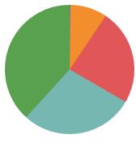 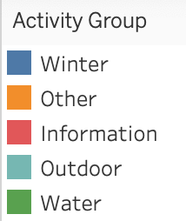 Grouped activity distribution |  | 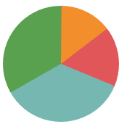 | 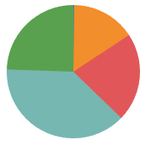 | 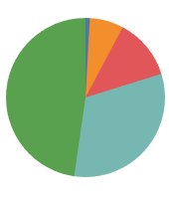 | 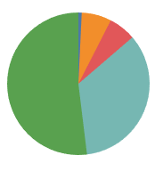 | 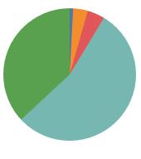 | 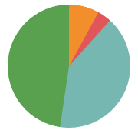 | 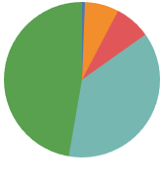 | 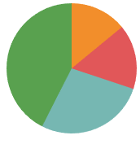 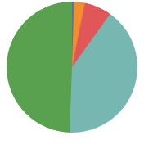
 |  |  |  |  |  |  |  | * Largest cluster | *Smallest cluster

