Sheet1
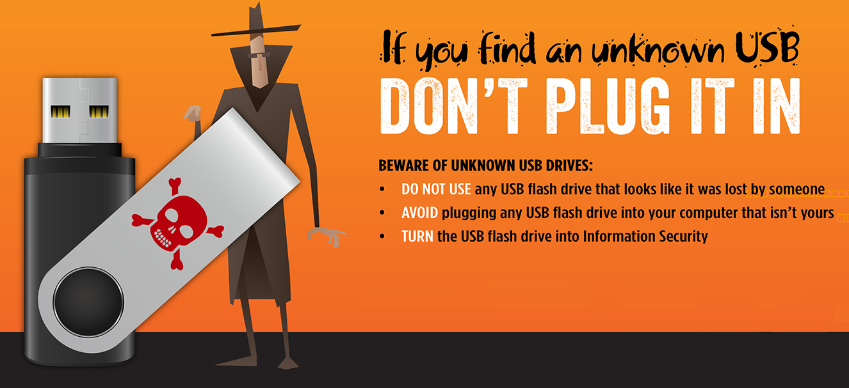
Please return this flash drive to Name at Phone

