Dashboard
Warehouse Capacity Dashboard
Pharmaceutical client mobilisation · Stock as at 28 Feb 2026

Storage | Principal | Velocity class
All | All | All

SKUs | Stock value (NZ$) | Stock volume (CBM) | Rack positions
588 | 72,369,648 | 2,344.5 | 3,702

Order lines (4 months) | Near-expiry value (NZ$) | Expired value (NZ$) | Cycle counts per week
50,903 | 6,931,111 | 508,067 | 53.2

Stock value by principal (NZ$)
Corvane Pharma | 17655442.41
Halvora Healthcare | 11643784.97
Marwick Pharmaceuticals | 10030842.16
Venrick Laboratories | 7235729.79
Dunmore Therapeutics | 5784441.17
Arcadine Pharma | 4920583.9
Tessaline Biologics | 4596206.05
Quintessa Diagnostics | 3405555.4
Solandra Health | 2309667.1
Pellaro Eye & Skin | 1768680.85
Kinloch Nutrition | 1107405.75
Clearford Infusions | 1003877.86
Aldermoor Medical | 907430.69
Stock value by months of cover (NZ$)
 | Stock value
Under 3 | 3893477.08
3-6 | 32743515.31
6-12 | 25938267.94
Over 12 | 9699476.12
No demand | 94911.65

Rack Scenario
Rack Scenario - Chamber A
Change the bay mix or assumptions. Everything below recalculates.

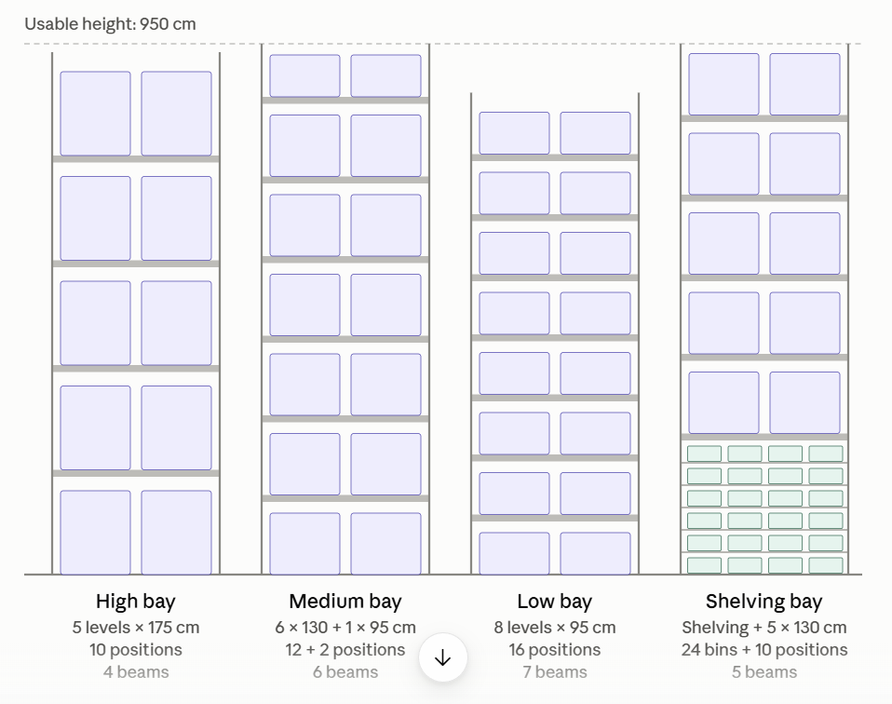
Bay mix |  |  |  |  |  |  | Assumptions
Bay type | Bays | Low pos/bay | Medium pos/bay | High pos/bay | Shelf bins/bay | Beam pairs/bay | Growth buffer | 10%
High | 86 | 0 | 0 | 10 | 0 | 4 | Pallets to store - Low | 789
Medium | 28 | 2 | 12 | 0 | 0 | 6 | Pallets to store - Medium | 744
Low | 51 | 16 | 0 | 0 | 0 | 7 | Pallets to store - High | 569
Shelving | 25 | 0 | 10 | 0 | 24 | 5 | Shelving bins needed | 579
Total | 190 |  |  |  |  |  | Chamber operating cost (NZ$/yr) | 620,000
 |  |  |  |  |  |  | Beam pair, installed (NZ$) | 220
Capacity |  |  |  |  |  |  | Shelving unit, installed (NZ$) | 3,000
Low positions | 872 |  |  |  |  |  | Write-off period (years) | 10
Medium positions | 586 |  |  |  |  |  | Overflow storage (NZ$/pallet/day) | 1.20
High positions | 860 |  |  |  |  |  | Shortfall without reconfiguration | 650
Total pallet positions | 2,318
Shelving bins | 600

Feasibility check
Check | Available | Required | Result
High positions | 860 | 626 | OK
High + Medium | 1,446 | 1,445 | OK
All positions | 2,318 | 2,313 | OK
Shelving bins | 600 | 579 | OK
Bays | 190 | 190 | OK

Result | FEASIBLE

Cost
Bays changed | 104
New beam pairs | 234
Reconfiguration cost (NZ$) | 126,480
Capacity today (pallet equivalents) | 1,900
Capacity after (pallet equivalents) | 2,618
Capacity increase | 37.8%
Cost per pallet per day - today (NZ$) | 0.894
Cost per pallet per day - after (NZ$) | 0.662
Reduction | 25.9%
Payback (months) | 5.3

