plots
Digitized the following plots in powerpoint: |  |  |  |  | *only digitized points of interest for high thrust or high Isp (highlighted in gold/yellow)
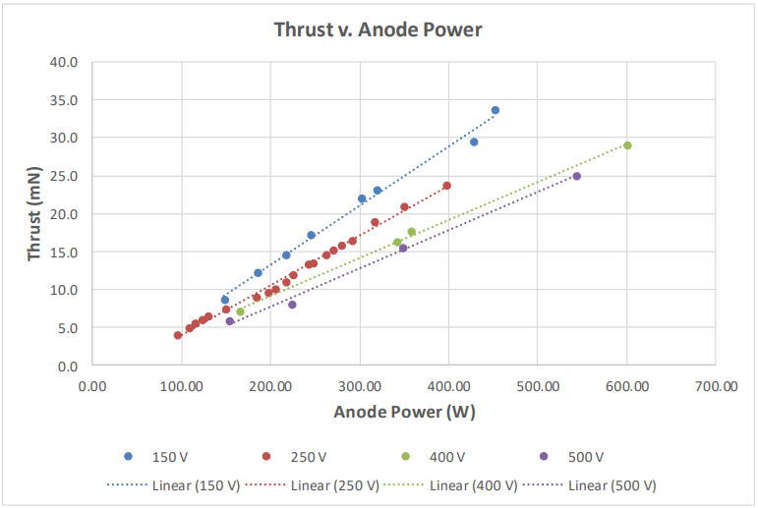
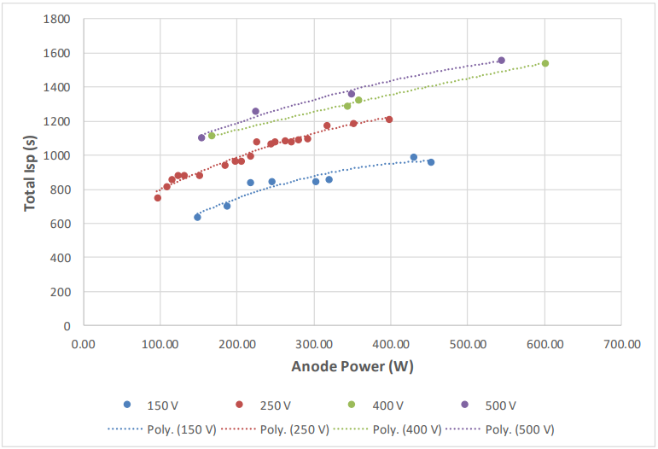
NOTE: Points 3 & 4 on this chart removed in the data tab for better curve fits
= High-Isp Case of Interest
= High-Thrust Case of Interest
8

13
7
6
12
5

10
11
4
NOTE: Points 6 & 7 on this chart removed in the data tab for better curve fits
3
9
1
2
8
7
6
2-5
1

From
VanWoerkom, M., et al. "Test Results of ExoTerra’s Halo Micro Electric Propulsion System." 36th IEPC, Vienna, Austria (2019).

Thrust Plot |  |  |  |  |  |  |  |  | Isp Plot
Point | x | y | *from top left corner |  |  |  |  |  | Point | x | y | *from top left corner
Origin | 3.73 | 4.81 |  |  |  |  | Approx. Error Margins |  | Origin | 3.81 | 4.85 |  |  |  |  | Approximate Error Margins
0,40 | 3.73 | 1.76 | -3.05 | "=40" | -13.114754098 | mV per y | 0.13114754098 | mV | 0,1800 | 3.81 | 1.35 | -3.5 | "=1800" | -514.28571429 | s per y | 5.1428571429 | s
700,0 | 10.01 | 4.81 | 6.28 | "=700" | 111.46496815 | W per x | 1.1146496815 | W | 700,0 | 9.96 | 4.85 | 6.15 | "=700" | 113.82113821 | W per x | 1.1382113821 | W
NOTE: Using the coordinates of each data point (in powerpoint) to determine their values
Point | x | y | dx | dy | x [W] | y [mN] | (vTaking avg of the 2 W vals computed) |  | Point | x | y | dx | dy | x [W] | y [s]
1 | 4.59 | 4.52 | 0.86 | -0.29 | 95.859872611 | 3.8032786885 | 96.303920046 |  | 1 | 4.66 | 3.4 | 0.85 | -1.45 | 96.74796748 | 745.71428571 | NOTE: These first 4 points are the same point in each graph. Used the average of the 2 estimated Power values for each in the final table.
2 | 4.71 | 4.45 | 0.98 | -0.36 | 109.23566879 | 4.7213114754 | 108.68287505 |  | 2 | 4.76 | 3.27 | 0.95 | -1.58 | 108.1300813 | 812.57142857
3 | 4.77 | 4.4 | 1.04 | -0.41 | 115.92356688 | 5.3770491803 | 115.44145824 |  | 3 | 4.82 | 3.18 | 1.01 | -1.67 | 114.95934959 | 858.85714286
4 | 4.84 | 4.36 | 1.11 | -0.45 | 123.72611465 | 5.9016393443 | 123.32647196 |  | 4 | 4.89 | 3.14 | 1.08 | -1.71 | 122.92682927 | 879.42857143
5 | 4.9 | 4.33 | 1.17 | -0.48 | 130.41401274 | 6.2950819672 | 130.65416084 |  | 5 | 5.16 | 2.71 | 1.35 | -2.14 | 153.65853659 | 1100.5714286
6 | 5.07 | 4.16 | 1.34 | -0.65 | 149.36305732 | 8.5245901639 | 148.6652685 |  | 6 | 5.78 | 2.41 | 1.97 | -2.44 | 224.22764228 | 1254.8571429
7 | 5.4 | 3.89 | 1.67 | -0.92 | 186.14649682 | 12.06557377 | 186.40658174 |  | 7 | 6.87 | 2.21 | 3.06 | -2.64 | 348.29268293 | 1357.7142857
8 | 5.68 | 3.71 | 1.95 | -1.1 | 217.3566879 | 14.426229508 | 217.37753094 |  | 8 | 8.59 | 1.82 | 4.78 | -3.03 | 544.06504065 | 1558.2857143
9 | 5.93 | 3.51 | 2.2 | -1.3 | 245.22292994 | 17.049180328 | 244.96918855
10 | 6.44 | 3.14 | 2.71 | -1.67 | 302.07006369 | 21.901639344 | 302.41714567
11 | 6.6 | 3.06 | 2.87 | -1.75 | 319.9044586 | 22.950819672 | 319.87092849 |  | Points 5-13 from Thrust plot (need their Isps too)
12 | 7.58 | 2.57 | 3.85 | -2.24 | 429.14012739 | 29.37704918 | 429.12290922 |  | 5 | 4.96 | 3.14 | 1.15 | -1.71 | 130.89430894 | 879.42857143
13 | 7.79 | 2.25 | 4.06 | -2.56 | 452.5477707 | 33.573770492 | 452.2088447 |  | 6 | 5.11 | 3.62 | 1.3 | -1.23 | 147.96747967 | 632.57142857
 |  |  |  |  |  |  |  |  | 7 | 5.45 | 3.49 | 1.64 | -1.36 | 186.66666667 | 699.42857143
 |  |  |  |  |  |  |  |  | 8 | 5.72 | 3.22 | 1.91 | -1.63 | 217.39837398 | 838.28571429
Points 5-8 from Isp plot (Need their thrusts too) |  |  |  |  |  |  |  |  | 9 | 5.96 | 3.21 | 2.15 | -1.64 | 244.71544715 | 843.42857143
5 | 5.11 | 4.38 | 1.38 | -0.43 | 153.82165605 | 5.6393442623 | 153.74009632 |  | 10 | 6.47 | 3.21 | 2.66 | -1.64 | 302.76422764 | 843.42857143
6 | 5.74 | 4.21 | 2.01 | -0.6 | 224.04458599 | 7.868852459 | 224.13611413 |  | 11 | 6.62 | 3.19 | 2.81 | -1.66 | 319.83739837 | 853.71428571
7 | 6.86 | 3.64 | 3.13 | -1.17 | 348.88535032 | 15.344262295 | 348.58901662 |  | 12 | 7.58 | 2.93 | 3.77 | -1.92 | 429.10569106 | 987.42857143
8 | 8.61 | 2.91 | 4.88 | -1.9 | 543.94904459 | 24.918032787 | 544.00704262 |  | 13 | 7.78 | 2.99 | 3.97 | -1.86 | 451.8699187 | 956.57142857

data
Voltage, V | Thrust, mN | Power, W | Power, kW | Total Isp, s | g0 | Thrust, N | Mass Flow Rate, kg/s | mass flow rate, mg/s | High Thrust | High Isp | F = mdot*g0*Isp
250 | 3.8032786885 | 96.303920046 | 0.096303920046 | 745.71428571 | 9.80665 | 0.0038032786885 | 5.2007384268E-07 | 0.52007384268 | x | x
250 | 4.7213114754 | 108.68287505 | 0.10868287505 | 812.57142857 | 9.80665 | 0.0047213114754 | 5.9248918787E-07 | 0.59248918787 | x | x
250 | 5.3770491803 | 115.44145824 | 0.11544145824 | 858.85714286 | 9.80665 | 0.0053770491803 | 6.384139985E-07 | 0.6384139985 | x
250 | 5.9016393443 | 123.32647196 | 0.12332647196 | 879.42857143 | 9.80665 | 0.0059016393443 | 6.8430768774E-07 | 0.68430768774 | x
250 | 6.2950819672 | 130.65416084 | 0.13065416084 | 879.42857143 | 9.80665 | 0.0062950819672 | 7.2992820026E-07 | 0.72992820026 | x
150 | 14.426229508 | 217.37753094 | 0.21737753094 | 838.28571429 | 9.80665 | 0.014426229508 | 1.7548503894E-06 | 1.7548503894 | x
150 | 17.049180328 | 244.96918855 | 0.24496918855 | 843.42857143 | 9.80665 | 0.017049180328 | 2.0612682789E-06 | 2.0612682789 | x
150 | 21.901639344 | 302.41714567 | 0.30241714567 | 843.42857143 | 9.80665 | 0.021901639344 | 2.6479369429E-06 | 2.6479369429 | x
150 | 22.950819672 | 319.87092849 | 0.31987092849 | 853.71428571 | 9.80665 | 0.022950819672 | 2.7413530864E-06 | 2.7413530864 | x
150 | 29.37704918 | 429.12290922 | 0.42912290922 | 987.42857143 | 9.80665 | 0.02937704918 | 3.0337640823E-06 | 3.0337640823 | x
150 | 33.573770492 | 452.2088447 | 0.4522088447 | 956.57142857 | 9.80665 | 0.033573770492 | 3.5790027884E-06 | 3.5790027884 | x
500 | 5.6393442623 | 153.74009632 | 0.15374009632 | 1100.5714286 | 9.80665 | 0.0056393442623 | 5.2250409429E-07 | 0.52250409429 |  | x
500 | 7.868852459 | 224.13611413 | 0.22413611413 | 1254.8571429 | 9.80665 | 0.007868852459 | 6.3943505248E-07 | 0.63943505248 |  | x
500 | 15.344262295 | 348.58901662 | 0.34858901662 | 1357.7142857 | 9.80665 | 0.015344262295 | 1.1524363559E-06 | 1.1524363559 |  | x
500 | 24.918032787 | 544.00704262 | 0.54400704262 | 1558.2857143 | 9.80665 | 0.024918032787 | 1.6305945563E-06 | 1.6305945563 |  | x

Thrust, mN

Thrust, mN
High Thrust
Voltage, V | Thrust, mN | Power, W | Power, kW | Total Isp, s | g0 | Thrust, N | Mass Flow Rate, kg/s | mass flow rate, mg/s
250 | 3.8032786885 | 96.303920046 | 0.096303920046 | 745.71428571 | 9.80665 | 0.0038032786885 | 5.2007384268E-07 | 0.52007384268
250 | 4.7213114754 | 108.68287505 | 0.10868287505 | 812.57142857 | 9.80665 | 0.0047213114754 | 5.9248918787E-07 | 0.59248918787
250 | 5.3770491803 | 115.44145824 | 0.11544145824 | 858.85714286 | 9.80665 | 0.0053770491803 | 6.384139985E-07 | 0.6384139985
250 | 5.9016393443 | 123.32647196 | 0.12332647196 | 879.42857143 | 9.80665 | 0.0059016393443 | 6.8430768774E-07 | 0.68430768774
250 | 6.2950819672 | 130.65416084 | 0.13065416084 | 879.42857143 | 9.80665 | 0.0062950819672 | 7.2992820026E-07 | 0.72992820026
150 | 14.426229508 | 217.37753094 | 0.21737753094 | 838.28571429 | 9.80665 | 0.014426229508 | 1.7548503894E-06 | 1.7548503894
150 | 17.049180328 | 244.96918855 | 0.24496918855 | 843.42857143 | 9.80665 | 0.017049180328 | 2.0612682789E-06 | 2.0612682789
150 | 21.901639344 | 302.41714567 | 0.30241714567 | 843.42857143 | 9.80665 | 0.021901639344 | 2.6479369429E-06 | 2.6479369429
150 | 22.950819672 | 319.87092849 | 0.31987092849 | 853.71428571 | 9.80665 | 0.022950819672 | 2.7413530864E-06 | 2.7413530864
150 | 29.37704918 | 429.12290922 | 0.42912290922 | 987.42857143 | 9.80665 | 0.02937704918 | 3.0337640823E-06 | 3.0337640823
150 | 33.573770492 | 452.2088447 | 0.4522088447 | 956.57142857 | 9.80665 | 0.033573770492 | 3.5790027884E-06 | 3.5790027884

Thrust, mN

High Isp
Voltage, V | Thrust, mN | Power, W | Power, kW | Total Isp, s | g0 | Thrust, N | Mass Flow Rate, kg/s | mass flow rate, mg/s
250 | 3.8032786885 | 96.303920046 | 0.096303920046 | 745.71428571 | 9.80665 | 0.0038032786885 | 5.2007384268E-07 | 0.52007384268
250 | 4.7213114754 | 108.68287505 | 0.10868287505 | 812.57142857 | 9.80665 | 0.0047213114754 | 5.9248918787E-07 | 0.59248918787
500 | 5.6393442623 | 153.74009632 | 0.15374009632 | 1100.5714286 | 9.80665 | 0.0056393442623 | 4.7415385677E-07 | 0.47415385677
500 | 7.868852459 | 224.13611413 | 0.22413611413 | 1254.8571429 | 9.80665 | 0.007868852459 | 5.3111727352E-07 | 0.53111727352
500 | 15.344262295 | 348.58901662 | 0.34858901662 | 1357.7142857 | 9.80665 | 0.015344262295 | 8.8247433873E-07 | 0.88247433873
500 | 24.918032787 | 544.00704262 | 0.54400704262 | 1558.2857143 | 9.80665 | 0.024918032787 | 1.1581860991E-06 | 1.1581860991

