Sheet1
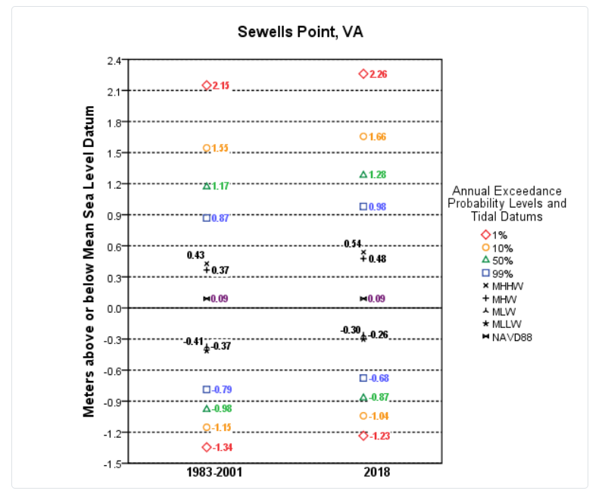
 |  |  |  | Unit converstions
 |  |  |  | -0.09 | meters | Conversion from NTDE and NAVD88 (add this to NTDE values to get NAVD88)
 | meters relative to the National Tidal Datum Epoch (1983-2001) | meters relative to NAVD88 | feet relative to NAVD88 | 3.28084 | meters to feet
1 | 0.98 | 0.89 | 2.920
2 | 1.28 | 1.19 | 3.904
10 | 1.66 | 1.57 | 5.151
100 | 2.26 | 2.17 | 7.119
mean high water | 0.48 | 0.39 | 1.280

 |  |  |  |  | https://tidesandcurrents.noaa.gov/est/stickdiagram.shtml?stnid=8638610

