Balancing
Assets Backing Credit
Asset Unit Values
asset | units | backed by credits (total) | reward in credits (per asset unit) | aggregate value % | unit value %
A | 1 | 1 | 1 | 50% | 50%
B | 1 | 1 | 1 | 50% | 50%
total | 2 | 2 | 2 | 100% | 100%
Credits | 2

We begin with a equal situation: two assets one unit each, both worth one Credit each, so two Credits minted in total. Everything in 50/50: the assets in aggregate account for 50% of the Credits, each. And the assets' individual unit value matches, so they account for 50% of that total too.

Assets Backing Credit
Asset Unit Values
asset | units | backed by credits (total) | reward in credits (per asset unit) | aggregate value % | unit value %
A | 3 | 3 | 1 | 75% | 50%
B | 1 | 1 | 1 | 25% | 50%
total | 4 | 4 | 2 | 100% | 100%
Credits | 4

To start off our simulations of 2 additional units of asset A, we first investigate what happens if The Index were to mint 1 full Credit for each. This is no different than if you went to a store and said I want 2 gallons of milk you pay 2*the price. Since The Index is a closed system it has an effect on the value ratios thusly: asset A now does most of the backing of the Credit in circulation, and their value ratio (their prices) remain uncahnged.

Assets Backing Credit
Asset Unit Values
asset | units | backed by credits (total) | reward in credits (per asset unit) | aggregate value % | unit value %
A | 3 | 1.5 | 0.5 | 50% | 25%
B | 1 | 1.5 | 1.5 | 50% | 75%
total | 4 | 3 | 2 | 100% | 100%
Credits | 3

We can create the opposite scenario, however, if we pay out less (0.5) credits per additional unit of asset A then the backing remains the same ratio (50/50) while the values have a 75/25 split in favor of B. There are 3 credits in cirulation instead of 4 and asset A's value is 0.5, so 0.5*3 is 1.5 credits. Personifying The Index this means it says, "I really do not want an imbalanced credit-backing, so all of the imbalance will be pushed into the value of the individual assets."

Assets Backing Credit
Asset Unit Values
asset | units | backed by credits (total) | reward in credits (per asset unit) | aggregate value % | unit value %
A | 3 | 2.25 | 0.75 | 64% | 38%
B | 1 | 1.25 | 1.25 | 36% | 63%
total | 4 | 3.5 | 2 | 100% | 100%
Credits | 3.5

One could imagine we might rather have an equal spread of the imbalance, however. Problem is, the amount you'd pay out for those extra 2 units of asset A changes the total number of credits in circulation, so the function to know the balance is a bit complex. Let's just take a guess. .75 is in the middle of .5 and 1 so we'll use that, and when we do we're pretty close.

Assets Backing Credit
Asset Unit Values
asset | units | backed by credits (total) | reward in credits (per asset unit) | aggregate value % | unit value %
A | 3 | 2.4 | 0.8 | 67% | 40%
B | 1 | 1.2 | 1.2 | 33% | 60%
total | 4 | 3.6 | 2 | 100% | 100%
Credits | 3.6

Let's take another guess and see what happens with 0.8. We're a little further away from balancing but we're getting pretty clean numbers, that's nice.

Assets Backing Credit
Asset Unit Values
asset | units | backed by credits (total) | reward in credits (per asset unit) | aggregate value % | unit value %
A | 3 | 2.0001 | 0.6667 | 60% | 33%
B | 1 | 1.3333 | 1.3333 | 40% | 67%
total | 4 | 3.3334 | 2 | 100% | 100%
Credits | 3.3334

We can flip those numbers by using 2/3rds instead.

Assets Backing Credit
Asset Unit Values
asset | units | backed by credits (total) | reward in credits (per asset unit) | aggregate value % | unit value %
A | 3 | 2.16 | 0.72 | 62.8% | 36.0%
B | 1 | 1.28 | 1.28 | 37.2% | 64.0%
total | 4 | 3.44 | 2 | 100% | 100%
Credits | 3.44

Well, .72 is nearly in the middle of those and below .75, and the rule of 72 might have something to do with this so lets try that one… it's close, but even as close as .75.

Assets Backing Credit
Asset Unit Values
asset | units | backed by credits (total) | reward in credits (per asset unit) | aggregate value % | unit value %
A | 3 | 2.19615 | 0.73205 | 63.3974% | 36.6025%
B | 1 | 1.26795 | 1.26795 | 36.6026% | 63.3975%
total | 4 | 3.4641 | 2 | 100% | 100%
Credits | 3.4641

Ok, so through trial an error (regression) we can determin this manually, but we really should find the formula to calculate this. Then we need to find the formula to calculate it for any arbitrary amount of additional or minus additional units of assets. Once that formula is determined it can be modified by the vote to produce any balance the people (holders of Index Credit) want.

deposit
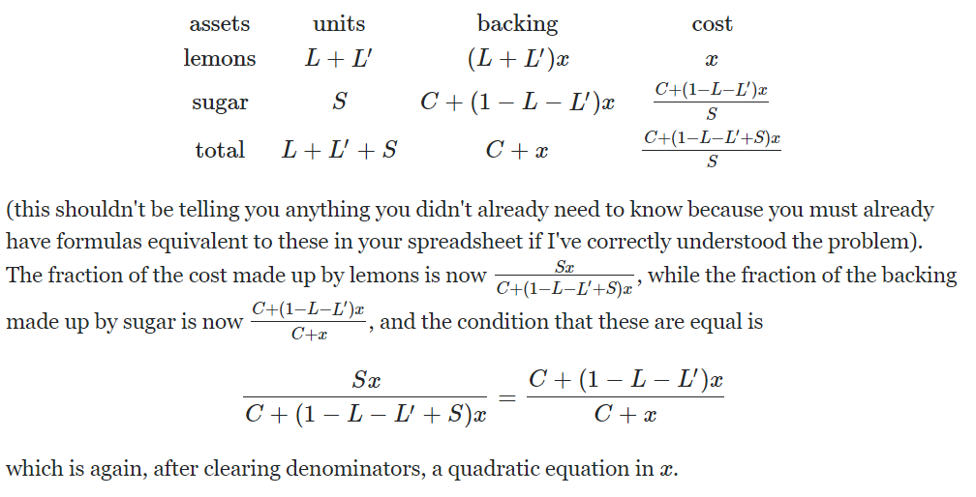
Credit Backing
Unit Values
asset | units | backing | cost | backing % | cost %
Lemons | 2 | 2 | 1 | 67% | 50%
Sugar | 1 | 1 | 1 | 33% | 50%
total | 3 | 3 | 2 | 100% | 100%
Credits | 3

Scenario 1: pay a full credit for the second Lemon

Credit Backing
Unit Values
asset | units | backing | cost | backing % | cost %
Lemons | 2 | 1.34 | 0.67 | 50% | 34%
Sugar | 1 | 1.33 | 1.33 | 50% | 66%
total | 3 | 2.67 | 2 | 100% | 100%
Credits | 2.67

Scenario 2: pay a 67% of a credit for the second Lemon

Credit Backing
Unit Values
asset | units | backing | cost | backing % | cost % |  |  |  |  |  |  |  | cost | credits | c%-b%
Lemons | 2 | 1.66666 | 0.83333 | 58.8% | 41.7% |  |  |  |  |  |  |  | 0.67 | 2.67 | 0.16312734082
Sugar | 1 | 1.16667 | 1.16667 | 41.2% | 58.3% |  |  |  |  |  |  |  | 0.71 | 2.71 | 0.12101476015 | 0.042112580676 |  |  |  |  |  |  |  | 0.74184229042
total | 3 | 2.83333 | 2 | 100% | 100% |  |  |  |  |  |  |  | 0.75 | 2.75 | 0.079545454545 | 0.041469305602 | 0.00064327507422 |  |  |  |  |  |  | 0.65732026778 | 0.88606470171
Credits | 2.83333 |  |  |  |  |  |  |  |  |  |  |  | 0.79 | 2.79 | 0.038691756272 | 0.040853698273 | 0.00061560732909 | 2.7667745128E-05 |  |  |  |  |  | 0.48641065028 | 0.7399903428
 |  |  |  |  |  |  |  |  |  |  |  |  | 0.83 | 2.83 | -0.0015724381625 | 0.040264194435 | 0.00058950383811 | 2.6103490986E-05 | 1.5642541419E-06 |  |  |  |  | -0.040640134076 | -0.083551077783
Scenario 3: pay a 83.3334% of a credits for the second Lemon |  |  |  |  |  |  |  |  |  |  |  |  | 0.87 | 2.87 | -0.041271777003 | 0.039699338841 | 0.00056485559401 | 2.4648244103E-05 | 1.4552468834E-06 | 1.0900725844E-07 |  |  |  | 26.246995263 | -645.83928817
 |  |  |  |  |  |  |  |  |  |  |  |  | 0.91 | 2.91 | -0.080429553265 | 0.039157776261 | 0.00054156257982 | 2.3293014185E-05 | 1.3552299171E-06 | 1.0001696638E-07 | 8.9902920664E-09 |  |  | 1.9487785384 | 0.074247681262
 |  |  |  |  |  |  |  |  |  |  |  |  | 0.95 | 2.95 | -0.11906779661 | -0.038139561249 | 0.07729733751 | -0.076755774931 | 0.076779067945 | -0.076777712715 | 0.076777812732 | -0.076777803742 |  | 1.4803985821 | 0.75965460053
 |  |  |  |  |  |  |  |  |  |  |  |  | 0.99 | 2.99 | -0.15720735786 | 0.038139561249 | -0.076279122499 | 0.15357646001 | -0.23033223494 | 0.30711130288 | -0.3838890156 | 0.46066682833 | -0.53744463207 | 1.3203180233 | 0.89186658194

Credit Backing
Unit Values
asset | units | backing | cost | backing % | cost % |  |  |  |  |  |  | 0.00000000000000000
Lemons | 2 | 1.6568542495 | 0.82842712475 | 58.6% | 41.4%
Sugar | 1 | 1.1715728753 | 1.1715728753 | 41.4% | 58.6% |  |  |  |  |  | e | existing
total | 3 | 2.8284271247 | 2 | 100% | 100% |  |  |  |  |  | d | deposit
Credits | 2.8284271247 |  |  |  |  |  |  |  |  |  | i | issued
 |  |  |  |  |  |  |  |  |  |  | c | cost
Scenario 4: The answer. Can it be calculated? |  |  |  |  |  |  |  |  |  |  | b | backing
 |  |  |  |  |  |  |  |  |  |  | e lemons | 1 | 1 |  |  |  |  | e | -4.8284271247 | numerator
 |  |  |  |  |  |  |  |  |  |  | e sugar | 1 | 1 |  |  |  |  | s | 1 | denominator |  | -4.8284271247
 |  |  |  |  |  |  |  |  |  |  | e credits | 2 | 2 |  |  |  |  | c
 |  |  |  |  |  |  |  |  |  |  | d lemons | 1 | 2 |  |  |  |  | d | 0.82842712475 | numerator
 |  |  |  |  |  |  |  |  |  |  | d sugar | 0 | 0 |  |  |  |  |  | 1 | denominator |  | 0.82842712475
 |  |  |  |  |  |  |  |  |  |  | i credits | 0.82842712475 | d lemons * c lemons |  |  |  |  |  | This is the correct function!
 |  |  |  |  |  |  |  |  |  |  | c lemons | 0.82842712475 |  |  |  |  |  | x | 1.4641016151 | numerator
 |  |  |  |  |  |  |  |  |  |  | c sugar | 1.1715728753 | (i credits+e credits)-(c lemons*(e lemons+d lemons)) |  |  |  |  |  | 2 | denominator |  | 0.73205080757
 |  |  |  |  |  |  |  |  |  |  | b lemons | 1.6568542495 | c lemons*(d lemons+e lemons) |  |  |  |  |  | This is the correct function!
 |  |  |  |  |  |  | 0.83333333333 | 0.82842712475 | 0.666666667 | 1 | b sugar | 1.1715728753 | c sugar*(d sugar+e sugar)
 |  |  |  |  |  | 0.83333333333 | 0 | 0.0049062085838 | 0.16666666633 | -0.16666666667 | b% lemons | 0.58578643763 | b lemons/(b lemons+b sugar)
 |  |  |  |  |  | 0.82842712475 | -0.0049062085838 | 0 | 0.16176045775 | -0.17157287525 | c% lemons | 0.41421356237 | c lemons/(c lemons+c sugar)
 |  |  |  |  |  | 0.666666667 | -0.16666666633 | -0.16176045775 | 0 | -0.333333333
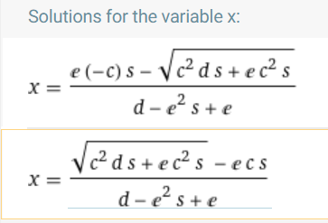
 |  |  |  |  |  | 1 | 0.16666666667 | 0.17157287525 | 0.333333333 | 0 | We want to set b% = 1-c% as our equivelancy, which we can then use to get our quadradic for x (cost of additional lemons). So, all we have to do is substitute b% and c% for their constituent parts: b%=blemons/(blemons+bsugar) |  |  |  |  |  |  |  |  | def deposit(d, state):
 |  |  |  |  |  |  |  |  |  |  |  |  |  |  |  |  |  |  |  | ''' returns reward '''
 |  |  |  |  |  |  |  |  |  |  |  |  |  |  |  |  |  |  |  | import math
 |  |  |  |  |  |  |  |  |  |  |  |  |  |  |  |  |  |  |  | c = state['existing credits']
 |  |  |  |  |  |  |  |  |  |  |  |  |  |  |  |  |  |  |  | s = state['existing other units']
 |  |  |  |  |  |  |  |  |  |  |  | 2.8284271247 |  |  |  |  |  |  |  | e = state['existing asset units']
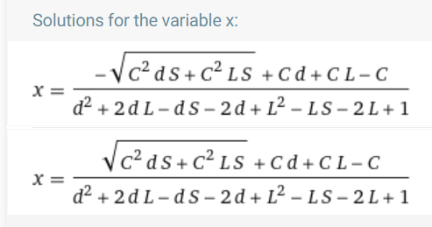
 |  |  |  |  |  | 0.333333333 |  |  | 0.17157287525 |  | scost= | (existing credits(2) + cost*deposit)*s |  |  |  |  |  |  |  | return (math.sqrt(c**2 * d * s) - e * c * s) / (d - e**2 * s + e)
 |  |  |  |  |  | 0.1666666665 |  |  | 0.16176045775 |  |  | 2.8284271247
 |  |  |  |  |  | 0.8333333335 |  |  |  |  | sback= | existing credits(2) + cost*deposit

 |  |  |  |  |  | cost for 3 instead of 2 lemons: |  | credits | 2 |  | credits | 3
 |  |  |  |  |  | 0.73205 |  | lemons | 1 |  | lemons | 1
 |  |  |  |  |  |  |  | deposit | 1 |  | deposit | 2
 |  |  |  |  |  |  |  | sugar | 1 |  | sugar | 1

 |  |  |  |  |  |  |  | numerator | 4.8284271247 |  | numerator | 11.196152423
 |  |  |  |  |  |  |  | denominator | -1 |  | denominator | 1

 |  |  |  |  |  |  |  | ans | -4.8284271247 |  | ans | 11.196152423

withdraw
Credit Backing
Unit Values
asset | units | backing | cost | backing % | cost %
Lemons | 0.1 | 0.15194938 | 1.5194938 | 24.0% | 76.0%
Sugar | 1 | 0.4805062 | 0.4805062 | 76.0% | 24.0%
total | 1.1 | 0.63245558 | 2 | 100% | 100%
Credits | 0.63245558

This is the correct number predicted by the formula on the deposit tab by passing in a negative number…

Credit Backing
Unit Values
asset | units | backing | cost | backing % | cost %
Lemons | 0.2 | 0.27639320225 | 1.3819660113 | 30.9% | 69.1%
Sugar | 1 | 0.61803398875 | 0.61803398875 | 69.1% | 30.9%
total | 1.2 | 0.894427191 | 2 | 100% | 100%
Credits | 0.894427191

still good… This is the right formula that keeps these two in balance, but maybe balance isn't want we want when withdrawing…

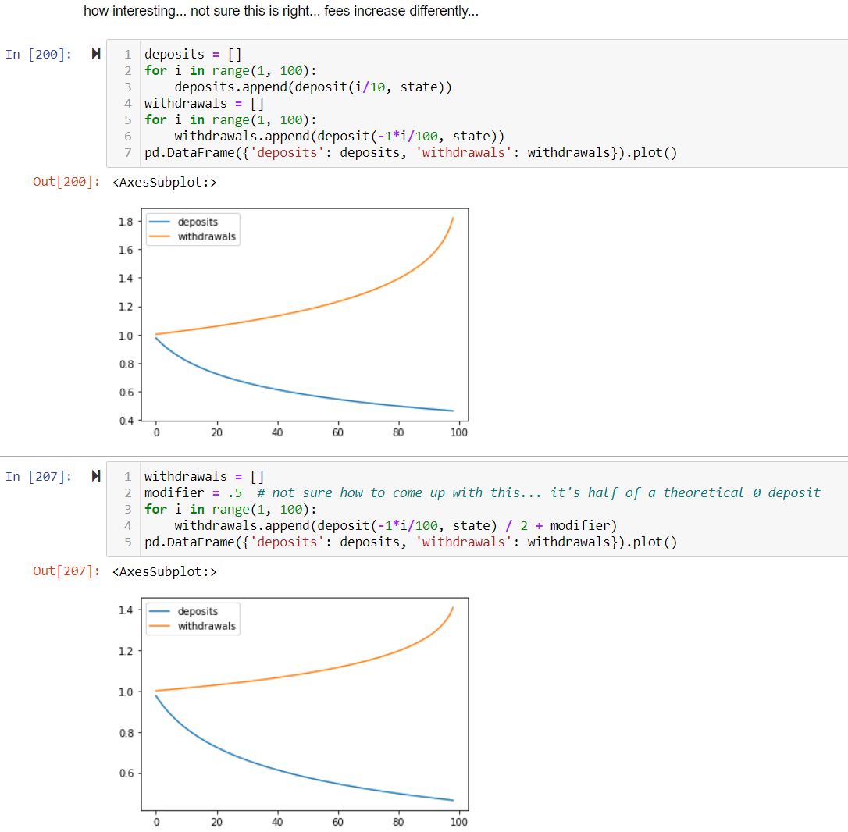

Credit Backing
Unit Values
asset | units | backing | cost | backing % | cost %
Lemons | 0.001 | 0.0019386931399 | 1.9386931399 | 3.1% | 96.9%
Sugar | 1 | 0.061306860063 | 0.061306860063 | 96.9% | 3.1%
total | 1.001 | 0.063245553203 | 2 | 100% | 100%
Credits | 0.063245553203

because it seems to imply that sugar is worthless if lemons are extracted… is that the case? No. so as we are withdrawing, if we withdraw the full lemon, sugar's value approaches zero. But instead we should say, if I had all credits (2) I should be able to withdraw all assets. perhaps withdrawing is a straighforward price that has no effect? of course it has an effect...

Credit Backing
Unit Values
asset | units | backing | cost | backing % | cost %
Lemons | 0.001 | 0.00096934656997 | 0.96934656997 | 0.1% | 48.5%
Sugar | 1 | 1.03065343 | 1.03065343 | 99.9% | 51.5%
total | 1.001 | 1.0316227766 | 2 | 100% | 100%
Credits | 1.0316227766

perhaps it's effect is as simple as saying, it's halved? That way, sugar's price approaches half the value of the system, not 0.

Credit Backing
Unit Values
asset | units | backing | cost | backing % | cost %
Lemons | 0 | 0 | 1 | 0.0% | 50.0%
Sugar | 1 | 1 | 1 | 100.0% | 50.0%
total | 1 | 1 | 2 | 100% | 100%
Credits | 1

to be honest, that seems better, but is it? That means it's much easier to withdraw than to deposit… that is your fee grows slower, a lot slower. |  |  |  |  |  | ?

Credit Backing
Unit Values
asset | units | backing | cost | backing % | cost %
Lemons | 0 | 0 | 1.5 | 0.0% | 75.0%
Sugar | 1 | 0.5 | 0.5 | 100.0% | 25.0%
total | 1 | 0.5 | 2 | 100% | 100%
Credits | 0.5

can't do just half because that means you can deposit for more reward that it costs to withdraw, so you need a modifier to bring the price of small transactions up to your reward amount… but here's what it looks like to half the outstanding effect

