Sheet1
 | Prime.java
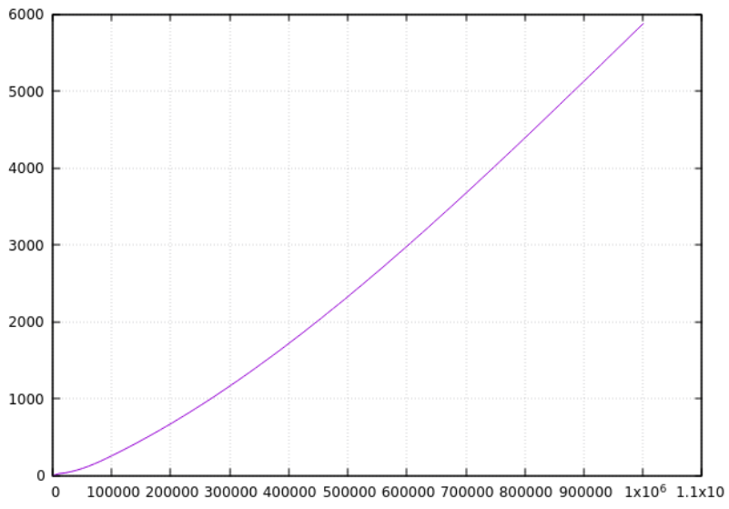

Time

 |  | nth prime

 | MatrixMult.java

