Threads
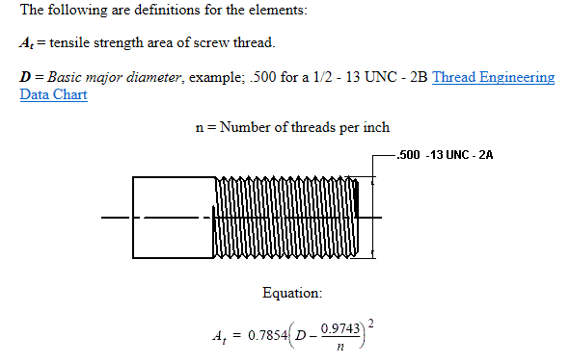
D= | 6 | inch
n= | 8 | number of threads per inch
At= | 27.138226376 | tensile area

Hoop stress
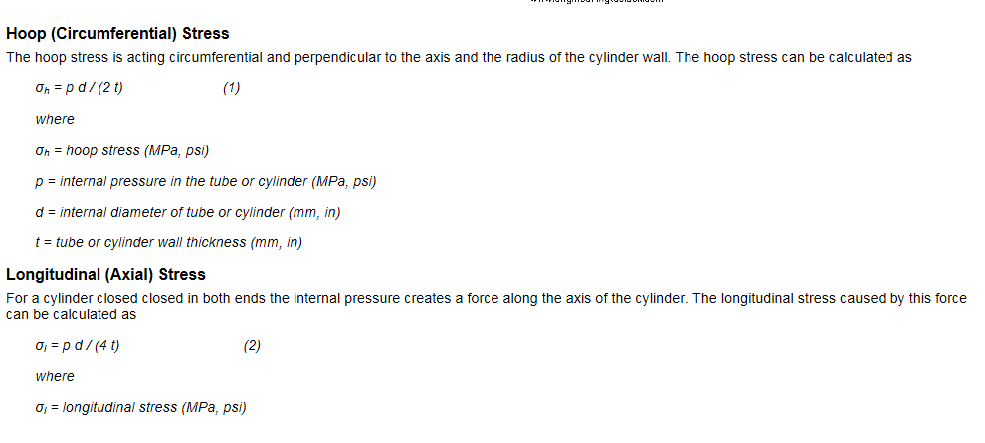

Pressure (bars)= | 10
Diamter inside(mm)= | 150
thickness wall (mm)= | 7.1

hoop stress (MPa)= | 10.563380282

Axial Stress= | 5.2816901408

PIPE STRESSES
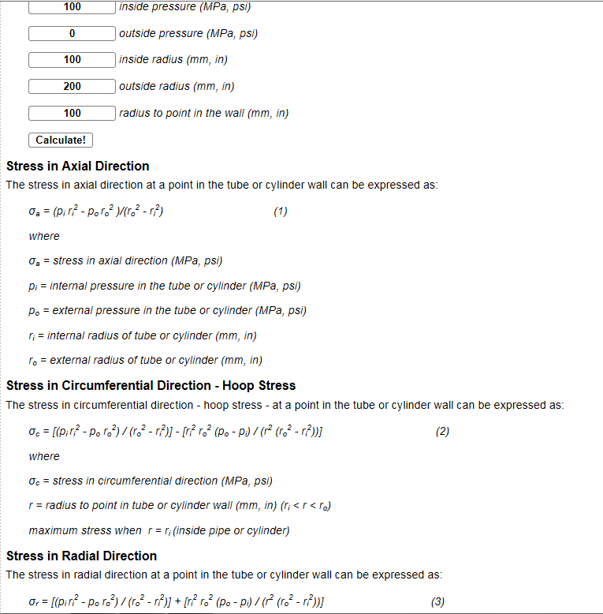

Internal Pressure (MPa) = | 1
External pressure (MPa) | 0
External Radius (mm) | 157.1
Internal Raius (mm) | 150

pi*ri^2= | 22500
po*ro^2= | 0
ro^= | 24680.41
ri^2= | 22500

Axial stress= | 10.319160158
Circumfrential stress= | 15.194829801

 | 22500
 | 0
 | 2180.41
 | -555309225
 | 23577.6025
 | 2180.41
 | 10.319160158
 | -10.801823619
 | -0.48266346062

