trial3run1-oldCalibration
For sensor 16087039 |  | note: ch1 avg time is 1, temp avg time is 5 s
 |  | first obtaining values for new calibration and recalibrating, then doing the normal experiment
Date: | 2017-04-13 |  |  |  |  |  |  |  |  |  |  |  |  |  |  | a*ln(x)+b
StartTime: | 11:15:00 |  |  |  |  |  |  |  |  |  |  |  |  |  |  | a = | 9465.3
EndTime: | 11:30:00 |  |  |  | from 10:43 am to 10:53 am |  | from 3:42pm to 3:48pm |  | from 10:56 am to 11:01 am |  |  |  |  |  |  | b = | -115608
 |  |  |  |  | 23.70 C to 23.25 C |  | 24.04C to 24.21C |  | 23.5 C to 23.65
calibration info |  |  |  |  |  |  |  |  |  |  |  |  | uV | CO | CO | uV
I did the range from 0 to 500 ppm |  |  |  |  | 0 ppm with lab air uV signals | AVG | 36.9 ppm uV Signals | AVG | 100 ppm uV | AVG | 500 ppm uV | AVG | 201561 | 0 | 0 | 201561 | -0.27073404104 | 201566.76529
then changed it to 0 to 2000 ppm |  |  |  |  | 201404 | 201561.16883 |  |  | 203518 | 203703.15152 | 212085 | 212495.25 | 203703 | 100 | 100 | 203703 | 99.786815607 | 203707.588
 |  |  |  |  | 201422 |  |  |  | 203497 |  | 212183 |  | 212495 | 500 | 500 | 212495 | 499.74692905 | 212500.68149
201561 | 0
203703 | 100
212495 | 500
put picture of calibration curve here too |  |  |  |  | 201295 |  |  |  | 203376 |  | 211879 |  |  |  | 50 |  |  | 202634.34945
 |  |  |  |  | 201597 |  |  |  | 203372 |  | 212032 |  |  |  | 300 |  |  | 208057.68737
CO (ppm) | uV | calibrated with latest numbers |  |  | 201613 |  |  |  | 203533 |  | 212043 |  |  |  | 1000 |  |  | 224027.70402
0 | 201567 | resulting readings of gases in ppm range |  |  | 210596 |  |  |  | 203406 |  | 212042 |  |  |  | 2000 |  |  | 248991.50461
10 | 201800 | CO gas (ppm) | min range (ppm) | max range(ppm) | 201521 |  |  |  | 203523 |  | 211926 |  |  |  | 10 |  |  | 201779.8312
50 | 202634 | 0 | 0 | 0 | 201482 |  |  |  | 203534 |  | 212002
100 | 203708 | 500 | 483 | 502 | 201440 |  |  |  | 203542 |  | 211959
201566.76529 | 0
203707.588 | 100
212500.68149 | 500
202634.34945 | 50
208057.68737 | 300
224027.70402 | 1000
248991.50461 | 2000
201779.8312 | 10
300 | 208058 |  |  |  | 201493 |  |  |  | 203690 |  | 211982
500 | 2125001 |  |  |  | 201169 |  |  |  | 203647 |  | 212043
1000 | 224028 | 0 | 201566.76529 |  | 201518 |  |  |  | 203517 |  | 212459
2000 | 248992 | 100 | 203707.588 |  | 201402 |  |  |  | 203552 |  | 212404
 |  | 500 | 212500.68149 |  | 201121 |  |  |  | 203523 |  | 212444
 |  | 50 | 202634.34945 |  | 201344 |  |  |  | 203717 |  | 212574
 |  | 300 | 208057.68737 |  | 201517 |  |  |  | 203885 |  | 212513
 |  | 1000 | 224027.70402 |  | 201384 |  |  |  | 203967 |  | 212609
 |  | 2000 | 248991.50461 |  | 201351 |  |  |  | 203902 |  | 212750
 |  | 10 | 201779.8312 |  | 201462 |  |  |  | 203808 |  | 212526
 |  |  |  |  | 201491 |  |  |  | 203802 |  | 212632
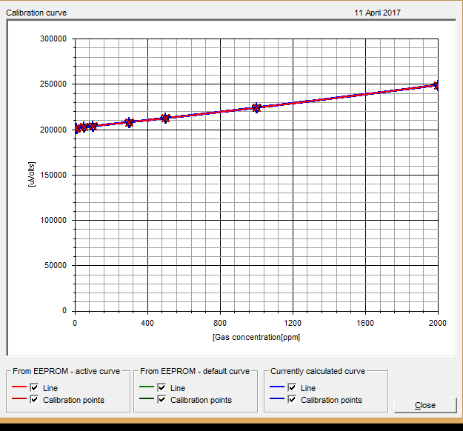
 |  |  |  |  | 201436 |  |  |  | 203742 |  | 212645
 |  |  |  |  | 201434 |  |  |  | 203947 |  | 212560
 |  |  |  |  | 201317 |  |  |  | 203723 |  | 212819
 |  |  |  |  | 201221 |  |  |  | 203646 |  | 212664
 |  |  |  |  | 201297 |  |  |  | 203717 |  | 212799
 |  |  |  |  | 201398 |  |  |  | 203618 |  | 212902
 |  |  |  |  | 201551 |  |  |  | 203837 |  | 212885
 |  |  |  |  | 201242 |  |  |  | 203968 |  | 212768
 |  |  |  |  | 201330 |  |  |  | 203892 |  | 212647
 |  |  |  |  | 201281 |  |  |  | 203975 |  | 212546
 |  |  |  |  | 201368 |  |  |  | 204007 |  | 212682
 |  |  |  |  | 201360 |  |  |  | 203894 |  | 212542
 |  |  |  |  | 201342 |  |  |  | 203927 |  | 212491
 |  |  |  |  | 201401 |  |  |  |  |  | 212802
 |  |  |  |  | 201529 |  |  |  |  |  | 212659
 |  |  |  |  | 201337 |  |  |  |  |  | 212629
 |  |  |  |  | 201321 |  |  |  |  |  | 212693
 |  |  |  |  | 201336 |  |  |  |  |  | 212871
 |  |  |  |  | 201550 |  |  |  |  |  | 212691
 |  |  |  |  | 201489 |  |  |  |  |  | 212632
 |  |  |  |  | 201526 |  |  |  |  |  | 212654
 |  |  |  |  | 201495 |  |  |  |  |  | 212797
 |  |  |  |  | 201432 |  |  |  |  |  | 212629
 |  |  |  |  | 201396 |  |  |  |  |  | 212697
 |  |  |  |  | 201545
 |  |  |  |  | 201476
 |  |  |  |  | 201377
 |  |  |  |  | 201373
 |  |  |  |  | 201514
 |  |  |  |  | 201572
 |  |  |  |  | 201521
 |  |  |  |  | 201455
 |  |  |  |  | 201426
 |  |  |  |  | 201630
 |  |  |  |  | 201428
 |  |  |  |  | 201395
 |  |  |  |  | 201493
 |  |  |  |  | 201394
 |  |  |  |  | 201419
 |  |  |  |  | 201516
 |  |  |  |  | 201469
 |  |  |  |  | 201369
 |  |  |  |  | 201439
 |  |  |  |  | 201490
 |  |  |  |  | 201499
 |  |  |  |  | 201653
 |  |  |  |  | 201380
 |  |  |  |  | 201636
 |  |  |  |  | 201669
 |  |  |  |  | 201521
 |  |  |  |  | 201560
 |  |  |  |  | 201510
 |  |  |  |  | 201539
 |  |  |  |  | 201541
 |  |  |  |  | 201454
 |  |  |  |  | 201523
 |  |  |  |  | 201413

