2021_layout
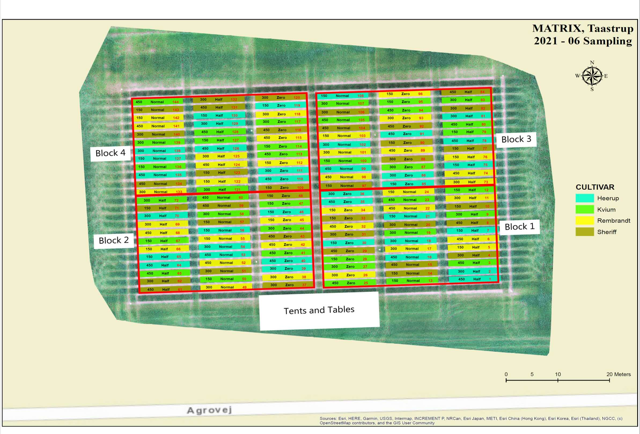
SOUTH IS UP

Block 1 |  |  | Block 2
SB 1 | SB 2 | SB 3 | SB 4 | SB 5 | SB 6
1 | 13 | 25 | 37 | 49 | 61
2 | 14 | 26 | 38 | 50 | 62
3 | 15 | 27 | 39 | 51 | 63
4 | 16 | 28 | 40 | 52 | 64
5 | 17 | 29 | 41 | 53 | 65
6 | 18 | 30 | 42 | 54 | 66
7 | 19 | 31 | 43 | 55 | 67
8 | 20 | 32 | 44 | 56 | 68
9 | 21 | 33 | 45 | 57 | 69
10 | 22 | 34 | 46 | 58 | 70
11 | 23 | 35 | 47 | 59 | 71
12 | 24 | 36 | 48 | 60 | 72
73 | 85 | 97 | 109 | 121 | 133
74 | 86 | 98 | 110 | 122 | 134
75 | 87 | 99 | 111 | 123 | 135
76 | 88 | 100 | 112 | 124 | 136
77 | 89 | 101 | 113 | 125 | 137
78 | 90 | 102 | 114 | 126 | 138
79 | 91 | 103 | 115 | 127 | 139
80 | 92 | 104 | 116 | 128 | 140
81 | 93 | 105 | 117 | 129 | 141
82 | 94 | 106 | 118 | 130 | 142
83 | 95 | 107 | 119 | 131 | 143
84 | 96 | 108 | 120 | 132 | 144
SB 7 | SB 8 | SB 9 | SB 10 | SB 11 | SB 12
Block 3 |  |  | Block 4

SB = Small Block

2023_layout
