56.telecommunication system
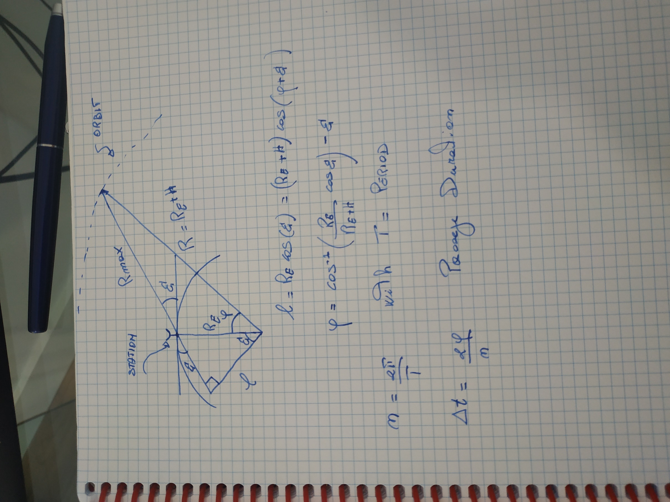
 | rad2deg | 57.295779513
 | deg2rad | 0.01745329252

 | mu | 398601 |  | km^3/s^2
 | earth radius | 6378 |  | km
 | orbital altitude | 800 |  | km
 | orbital radius | 7178 |  | km
 | minimum elevetion | 0.0872664626 |  | rad
 | K | 1.38E-23 |  |  | Boltzmann Constant
 | c | 300000000 |  | m/s | speed of light
 | Noise Temperature | 400 |  | K
 | Effective Receiver Aperture | 5 |  | m^2
 | Sband frequency down link fre. | 3000000000 |  | Hz
 | Sband Down Link wavelength | 0.1 |  | m
 | Signal-to-noise ratio (Eb/N0) | 10 | 10 | dB

 | period | 100.87 |  | min
 | data acquisition | 10 |  | MB/min
 | Total Acquired Data | 1008.7060067 |  | MB

 | Orbital Mean Motion | 0.062289559745 |  | rad/min
 | delta anomaly during passage | 0.79335345994 |  | rad
 | Range @AOS | 2783.8514743 |  | km | Worst Case For Free Space Losses

 | Passage Duration | 12.73653985 |  | min
 | Download Data Rate | 10559707.41 |  | b/s

 | Reception Gain (Gr) | 6283.1853072 | 37.981798684 | dB
 | Free Space Losses (Ls) | 8.1712434591E-18 | -170.8771185 | dB
 | EIRP | 11.3533217 | 10.551229439 | W/dB

Ex1 | Trasmitting Antenna Radius | 0.125 |  | m
 | Trasmitting Antenna effective Area | 0.049087385212 |  | m^2
 | Trasmitting Gain | 61.685027507 | 17.901797627 | dB
 | Trasmitting Power | 184.05311887 |  | mW

Ex2 | Trasmitting Antenna Radius | 0.02 |  | m
 | Trasmitting Antenna effective Area | 0.0012566370614 |  | m^2
 | Trasmitting Gain | 1.5791367042 | 1.9841972804 | dB
 | Trasmitting Power | 7189.5749557 |  | mW

