Random forest
RANDOM FOREST |  | you can run it with the moving pictures tutorial
 | what is
 |  | machine learning method is like AI, we give it microbiome data and it predicts which sample it could be from
 |  | mirobiome prediction
 | example
 |  | Colon cancer
 |  |  | method to confirm if microbiome is similar develop a model and see if we can predict if that person has colon cancer
 |  | Bovine respiratory disease
 |  |  | sample and culture
 | accuracy?

 | random
 |  | bootstraping
 |  |  | random selection of samples
 |  |  |  | to create decision trees
 |  |  |  |  | form forrest of decision trees
 |  | random selection of ASVs

 | outputs
 |  | mean decreasing accuracy
 |  |  | which taxa is decreasing
 |  |  | ranks the ASVS in order to how important they are in predicting the accuracy
 | longitudinal random forest
 |  | samples all ages of pigs
 |  | you have to have a known dataset better and if its bigger it will be better you should have hundreds
 |  | with good phenotypes
 | the more far away you can get from the data then the better the model could be

run in qiime | https://docs.qiime2.org/2024.10/tutorials/sample-classifier/

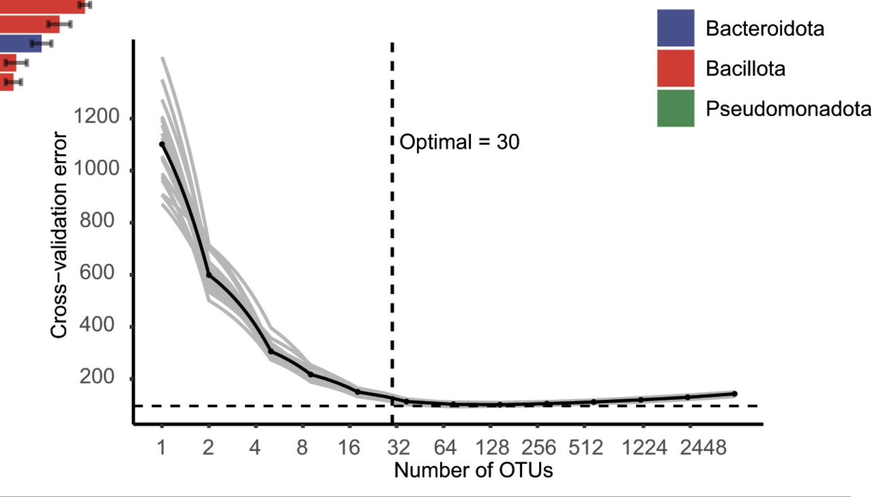

 |  | so here you can find that the perfect is like low error and like number optimal of OTU of 30

cd $RCAC_SCRATCH
cd qiime/rf-classifier
sinteractive -A microbiome -t 2:30:00 -n4
module load conda
conda activate qiime2-amplicon-2024.10
conda info

echo "RANDOM FOREST BASELINE"
it didnt work the model was over fitted because of the replicates
Now we will use with the replicates collapsed and then the model is good accuracy 75% which is more reliable

qiime sample-classifier classify-samples \
--i-table table-baseline-grouped-nonrarefied.qza \
--m-metadata-file metadatagrouped.txt \
--m-metadata-column group \
--p-optimize-feature-selection \
--p-parameter-tuning \
--p-estimator RandomForestClassifier \
--p-n-estimators 100 \
--p-random-state 123 \
--output-dir randomforest-baseline-classifier

qiime metadata tabulate \ |  |  |  |  |  | qiime feature-table summarize \
--m-input-file predictions.qza \ |  |  |  |  |  | --i-table baseline-grouped-table.qza \
--o-visualization predictions.qzv |  |  |  |  |  | --o-visualization baseline-grouped-table.qzv \
 |  |  |  |  |  | --m-sample-metadata-file metadata-baseline.txt
qiime metadata tabulate \
--m-input-file probabilities.qza \
--o-visualization probabilities.qzv |  |  |  |  |  | grouped-table_baseline.qza | esta bien estan los 20 donors con sus triplicados averaged
 |  |  |  |  |  | baseline-grouped-table.qza
qiime metadata tabulate \ |  |  |  |  |  | baseline-table.qza
--m-input-file feature_importance.qza \
--o-visualization feature_importance.qzv

qiime feature-table filter-features \
--i-table table-baseline-grouped-nonrarefied .qza \
--m-metadata-file metadatagrouped.txt \
--o-filtered-table important-feature-table.qza

qiime sample-classifier heatmap \
--i-table table-baseline-grouped-nonrarefied.qza \
--i-importance feature_importance.qza \
--m-sample-metadata-file metadatagrouped.txt \
--m-sample-metadata-column group \
--p-group-samples \
--p-feature-count 30 \
--o-filtered-table important-feature-table-top-30.qza \
--o-heatmap important-feature-heatmap.qzv

qiime sample-classifier heatmap \
--i-table table-baseline-grouped-nonrarefied.qza \
--i-importance feature_importance.qza \
--m-sample-metadata-file metadatagrouped.txt \
--m-sample-metadata-column group \
--m-feature-metadata-file taxonomy.qza \
--m-feature-metadata-column Taxon \
--p-group-samples \
--p-feature-count 30 \
--o-filtered-table important-feature-table-taxonomy-top-30.qza \
--o-heatmap important-feature-heatmap-taxonomy.qzv

echo "RANDOM FOREST distinguishing taxa in all treatments in healthy"

qiime sample-classifier classify-samples \
--i-table table-grouped-healthy.qza \
--m-metadata-file metadatagrouped.txt \
--m-metadata-column treatment \
--p-optimize-feature-selection \
--p-parameter-tuning \
--p-estimator RandomForestClassifier \
--p-n-estimators 100 \
--p-random-state 123 \
--output-dir randomforest-healthy-classifier

qiime metadata tabulate \
--m-input-file predictions.qza \
--o-visualization predictions.qzv

qiime metadata tabulate \
--m-input-file probabilities.qza \
--o-visualization probabilities.qzv

qiime metadata tabulate \
--m-input-file feature_importance.qza \
--o-visualization feature_importance.qzv

qiime feature-table filter-features \
--i-table table-grouped-healthy.qza \
--m-metadata-file metadatagrouped.txt \
--o-filtered-table important-feature-table.qza

qiime sample-classifier heatmap \
--i-table table-grouped-healthy.qza \
--i-importance feature_importance.qza \
--m-sample-metadata-file metadatagrouped.txt \
--m-sample-metadata-column treatment \
--p-group-samples \
--p-feature-count 30 \
--o-filtered-table important-feature-table-top-30.qza \
--o-heatmap important-feature-heatmap.qzv

qiime sample-classifier heatmap \
--i-table table-grouped-healthy.qza \
--i-importance feature_importance.qza \
--m-sample-metadata-file metadatagrouped.txt \
--m-sample-metadata-column treatment \
--m-feature-metadata-file taxonomy.qza \
--m-feature-metadata-column Taxon \
--p-group-samples \
--p-feature-count 30 \
--o-filtered-table important-feature-table-taxonomy-top-30.qza \
--o-heatmap important-feature-heatmap-taxonomy.qzv

