Blad1
GO-term Network | number | percentage
Total | 3073 | 100
Significant (p < 0.05) | 1261 | 41.03
Not measured | 749 | 24.37
Not significant | 1059 | 34.46

Pathway-Network | number | percentage
Total | 3232 | 100
Significant (p < 0.05) | 1257 | 38.89
Not measured | 684 | 21.16
Not significant | 1197 | 37.04

significant PW-Network | number | percentage
Total | 2586 | 100
Significant (p < 0.05) | 967 | 37.39
Not measured | 684 | 26.45
Not significant | 888 | 34.34

number of GOterm or PW nodes
4
94
47
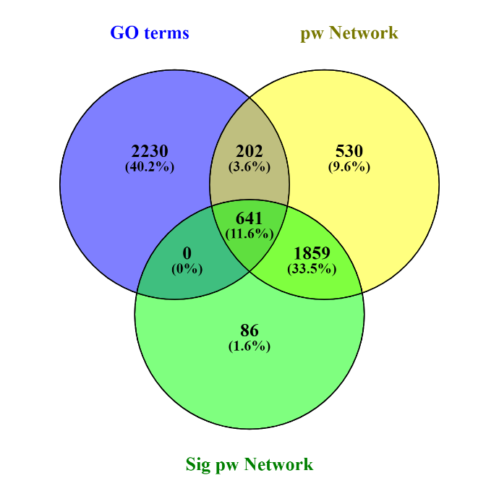

 | number | Percentage
Total | 3326 | 100
GO terms combined | 1124 | 33.79
GO0006915 | 598 | 17.98
GO0006954 | 261 | 7.85
GO0006974 | 159 | 4.78
GO0034599 | 106 | 3.19

 | Total number | Percentage
Total | 3326 | 100
GO terms combined | 3755 | 112.90
GO0006915 | 1933 | 58.12
GO0006954 | 701 | 21.08
GO0006974 | 836 | 25.14
GO0034599 | 285 | 8.57

seperate GO-terms
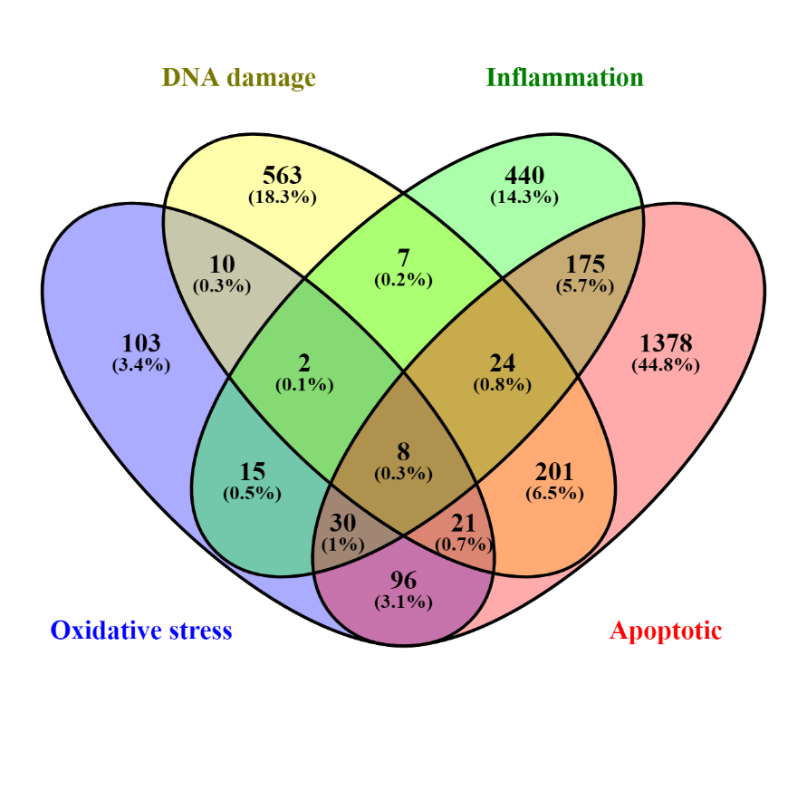
GO0006915 | number | percentage
Total | 1933 | 100
Significant (p < 0.05) | 815 | 42.16
Not measured | 441 | 22.81
Not significant | 677 | 35.02

GO0006954 | number | percentage
Total | 701 | 100
Significant (p < 0.05) | 294 | 41.94
Not measured | 150 | 21.40
Not significant | 257 | 36.66

GO0006974 | number | percentage
Total | 836 | 100
Significant (p < 0.05) | 358 | 42.82
Not measured | 215 | 25.72
Not significant | 263 | 31.46

GO0034599 | number | percentage
Total | 285 | 100
Significant (p < 0.05) | 135 | 47.37
Not measured | 50 | 17.54
Not significant | 100 | 35.09

Venn diagrams
