Hypotheses
Hypothesis: Changes in levels of SARS-CoV-2 in wastewater predict a rise in clinical cases and a new wave
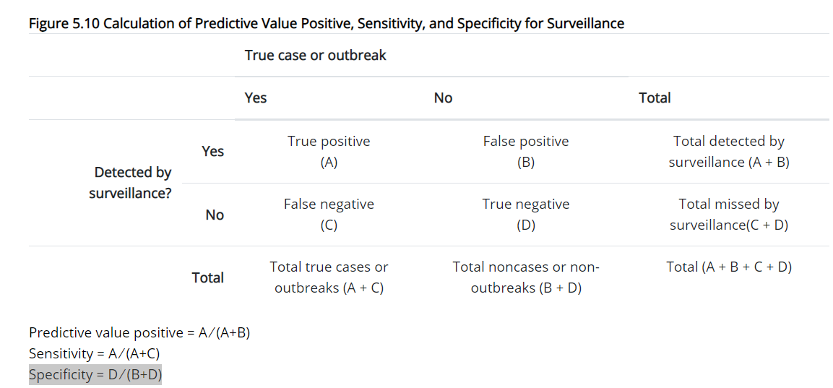
Metrics and stats
Gold standard result | Test result
 | Positive | Negative | Total
Positive | a | b | (a+b)
Negative | c | d | (c+d)
Total | (a+c) | (b+d)
Sensitivity | a/(a+b)
Specificity | d/(c+d)
ROC curve | y axis: sensitivity
 | x axis: (1-specificity)

Application
1. Identify period of interest for each province (=all data pairs before peak of third wave in that province; peak defined by increasing case load; therefore eliminate first data point IF case load was evidently on the downward slope of the 2nd wave) (update data)
2. Create case definitions and a gold standard
3. Populate a separate 2x2 table for each of the case definitions below and gold standard for each wasteater treatment plant
4. create ROC curve for each case definition, with a separate data point for each wastewater treatment plant

[use a separate sheet for each hypothesis]
Case definitions for hypothesis A: changes in levels of SARS-coV-2 in wastewater predict a x% rise in clinical cases
Gold standard: any increase in clinical cases over 3 reading points
Case definition 1: Any increase in SARS-CoV-2 levels in wastewater over 2 reading points will predict an increase in cases 3 weeks later
Case definition 2: An increase of 0.5log in SARS-CoV-2 levels in wastewater over 2 reading points will predict an increase in cases 3 weeks later
Case definition 3: An increase of 1log in SARS-CoV-2 levels in wastewater over 2 reading points will predict an increase in cases 3 weeks later

Gold standard: a 20% increase in clinical cases over the period (epiweek x+4) - (epiweek x)
Case definition 3: Any increase in SARS-CoV-2 levels in wastewater from one week to the next will predict a 30% increase in cases 4 weeks later
Case definition 4: Two successive increases in SARS-CoV-2 levels will predict a 30% increase in cases 4 weeks later

Gold standard: a 30% increase in clinical cases over the period (epiweek x+4) - (epiweek x)
Case definition 5: Any increase in SARS-CoV-2 levels in wastewater from one week to the next will predict a 30% increase in cases 4 weeks later
Case definition 6: Two successive increases in SARS-CoV-2 levels will predict a 30% increase in cases 4 weeks later

Case definitions for hypothesis B: changes in levels of SARS-coV-2 in wastewater predict a new wave
Gold standard: the new wave starts in the period (epiweek x+3)
Case definition 1: Any increase in SARS-CoV-2 levels in wastewater from week to week will predict a a new wave 3 weeks later
Case definition 2: An increase of 0.5log in SARS-CoV-2 levels in wastewater from week to week will predict a new wave 3 weeks later
Case definition 3: An increase of 1log in SARS-CoV-2 levels in wastewater from week to week will predict a new wave 3 weeks later

Gold standard: the new wave starts in the period (epiweek x+4)
Case definition 4: Any increase in SARS-CoV-2 levels in wastewater from 1 week to the next will predict a a new wave 4 weeks later
Case definition 5: Atwo successive increases in SARS-CoV-2 levels will predice a new wave 4 weeks later

Case definitions for hypothesis C: |  |  |  | Use all data points from WWTP tested by NICD only
Hypothesis - wastewater levels[ >1.5 log] will predict a new wave within the next 6 weeks
Gold standard: find the epi week in which the 4th wave was officially declared in each province
Case definitions 1: Wastewater levels indicate a new wave when levels exceed 1.5 log for that week
Case definition 2: Wastewater levels indicate a new wave when levels exceed 2 log for that week

AUC_A
ROC curve
 | senstivity
1 | 0.85714285714
1 | 0.71428571429
1 | 0.66666666667
0.5 | 0.5
1 | 0
1 | 1
1 | 0
0.5 | 1
0.4 | 0.88888888889
0.4 | 0.6
0.42857142857 | 0.6
0.33333333333 | 0.5
0.3 | 0.75
0.4 | 0.6
AUC 1
X axis= 1-specificity | 1-specificity | senstivity |  | Area
Y axis = senstivity | 1.0 | 0.9
 | 1.0 | 0.7 |  | 0
 | 1.0 | 0.7 |  | 0
 | 0.5 | 0.5 |  | -0.29166666667
 | 1.0 | 0.0 |  | 0.125
 | 1.0 | 1.0 |  | 0
 | 1.0 | 0.0 |  | 0
 | 0.5 | 1.0 |  | -0.25
 | 0.4 | 0.9 |  | -0.094444444444
 | 0.4 | 0.6 |  | 0
 | 0.4 | 0.6 |  | 0.017142857143
 | 0.3 | 0.5 |  | -0.052380952381
 | 0.3 | 0.8 |  | -0.020833333333
 | 0.4 | 0.6 |  | 0.0675
 |  |  | AUC | -0.49968253968

