PopulationReport
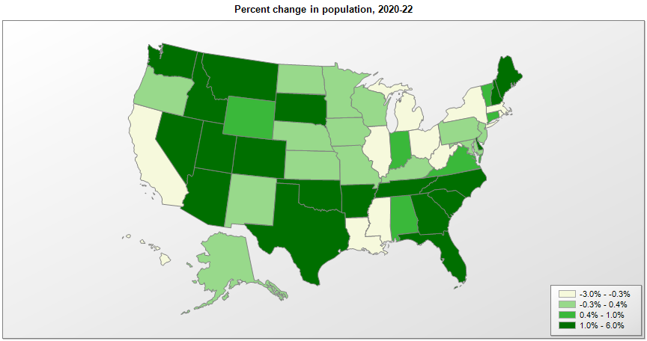

Name | Pop. 1990 | Pop. 2000 | Pop. 2010 | Pop. 2020 | Pop. 2022 | Change 2020-22
United States | 248,790,925 | 281,424,600 | 308,745,538 | 331,449,520 | 333,287,557 | 0.6%
Alabama | 4,040,389 | 4,447,207 | 4,779,736 | 5,024,356 | 5,074,296 | 1.0%
Alaska | 550,043 | 626,933 | 710,231 | 733,378 | 733,583 | 0.0%
Arizona | 3,665,339 | 5,130,247 | 6,392,017 | 7,151,507 | 7,359,197 | 2.9%
Arkansas | 2,350,624 | 2,673,293 | 2,915,918 | 3,011,555 | 3,045,637 | 1.1%
California | 29,811,427 | 33,871,653 | 37,253,956 | 39,538,245 | 39,029,342 | -1.3%
Colorado | 3,294,473 | 4,302,086 | 5,029,196 | 5,773,733 | 5,839,926 | 1.1%
Connecticut | 3,287,116 | 3,405,650 | 3,574,097 | 3,605,942 | 3,626,205 | 0.6%
Delaware | 666,168 | 783,559 | 897,934 | 989,957 | 1,018,396 | 2.9%
District of Columbia | 606,900 | 572,086 | 601,723 | 689,546 | 671,803 | -2.6%
Florida | 12,938,071 | 15,982,571 | 18,801,310 | 21,538,226 | 22,244,823 | 3.3%
Georgia | 6,478,149 | 8,186,653 | 9,687,653 | 10,711,937 | 10,912,876 | 1.9%
Hawaii | 1,108,229 | 1,211,497 | 1,360,301 | 1,455,273 | 1,440,196 | -1.0%
Idaho | 1,006,734 | 1,293,957 | 1,567,582 | 1,839,092 | 1,939,033 | 5.4%
Illinois | 11,430,602 | 12,419,927 | 12,830,632 | 12,812,545 | 12,582,032 | -1.8%
Indiana | 5,544,156 | 6,080,827 | 6,483,802 | 6,785,668 | 6,833,037 | 0.7%
Iowa | 2,776,831 | 2,926,538 | 3,046,355 | 3,190,372 | 3,200,517 | 0.3%
Kansas | 2,477,588 | 2,688,925 | 2,853,118 | 2,937,847 | 2,937,150 | 0.0%
Kentucky | 3,686,892 | 4,042,193 | 4,339,367 | 4,505,893 | 4,512,310 | 0.1%
Louisiana | 4,221,826 | 4,469,035 | 4,533,372 | 4,657,749 | 4,590,241 | -1.4%
Maine | 1,227,928 | 1,274,779 | 1,328,361 | 1,362,341 | 1,385,340 | 1.7%
Maryland | 4,780,753 | 5,296,647 | 5,773,552 | 6,177,213 | 6,164,660 | -0.2%
Massachusetts | 6,016,425 | 6,349,364 | 6,547,629 | 7,029,949 | 6,981,974 | -0.7%
Michigan | 9,295,287 | 9,938,823 | 9,883,640 | 10,077,325 | 10,034,113 | -0.4%
Minnesota | 4,375,665 | 4,919,631 | 5,303,925 | 5,706,504 | 5,717,184 | 0.2%
Mississippi | 2,575,475 | 2,844,754 | 2,967,297 | 2,961,288 | 2,940,057 | -0.7%
Missouri | 5,116,901 | 5,596,564 | 5,988,927 | 6,154,920 | 6,177,957 | 0.4%
Montana | 799,065 | 902,200 | 989,415 | 1,084,197 | 1,122,867 | 3.6%
Nebraska | 1,578,417 | 1,711,230 | 1,826,341 | 1,961,489 | 1,967,923 | 0.3%
Nevada | 1,201,675 | 1,998,250 | 2,700,551 | 3,104,624 | 3,177,772 | 2.4%
New Hampshire | 1,109,252 | 1,235,807 | 1,316,470 | 1,377,518 | 1,395,231 | 1.3%
New Jersey | 7,747,750 | 8,414,764 | 8,791,894 | 9,289,031 | 9,261,699 | -0.3%
New Mexico | 1,515,069 | 1,819,017 | 2,059,179 | 2,117,527 | 2,113,344 | -0.2%
New York | 17,990,778 | 18,977,026 | 19,378,102 | 20,201,230 | 19,677,151 | -2.6%
North Carolina | 6,632,448 | 8,046,346 | 9,535,483 | 10,439,414 | 10,698,973 | 2.5%
North Dakota | 638,800 | 642,237 | 672,591 | 779,091 | 779,261 | 0.0%
Ohio | 10,847,115 | 11,353,336 | 11,536,504 | 11,799,374 | 11,756,058 | -0.4%
Oklahoma | 3,145,576 | 3,450,451 | 3,751,351 | 3,959,346 | 4,019,800 | 1.5%
Oregon | 2,842,337 | 3,421,524 | 3,831,074 | 4,237,291 | 4,240,137 | 0.1%
Pennsylvania | 11,882,842 | 12,280,548 | 12,702,379 | 13,002,689 | 12,972,008 | -0.2%
Rhode Island | 1,003,464 | 1,048,259 | 1,052,567 | 1,097,371 | 1,093,734 | -0.3%
South Carolina | 3,486,310 | 4,012,023 | 4,625,364 | 5,118,429 | 5,282,634 | 3.2%
South Dakota | 696,004 | 754,858 | 814,180 | 886,677 | 909,824 | 2.6%
Tennessee | 4,877,203 | 5,689,427 | 6,346,105 | 6,910,786 | 7,051,339 | 2.0%
Texas | 16,986,335 | 20,851,028 | 25,145,561 | 29,145,428 | 30,029,572 | 3.0%
Utah | 1,722,850 | 2,233,183 | 2,763,885 | 3,271,614 | 3,380,800 | 3.3%
Vermont | 562,758 | 608,613 | 625,741 | 643,085 | 647,064 | 0.6%
Virginia | 6,189,197 | 7,079,057 | 8,001,024 | 8,631,384 | 8,683,619 | 0.6%
Washington | 4,866,669 | 5,894,281 | 6,724,540 | 7,705,247 | 7,785,786 | 1.0%
West Virginia | 1,793,477 | 1,808,193 | 1,852,994 | 1,793,755 | 1,775,156 | -1.0%
Wisconsin | 4,891,954 | 5,363,757 | 5,686,986 | 5,893,725 | 5,892,539 | 0.0%
Wyoming | 453,589 | 493,786 | 563,626 | 576,837 | 581,381 | 0.8%
Puerto Rico | 3,522,037 | 3,808,605 | 3,725,789 | 3,285,874 | 3,221,789 | -2.0%

Source: U.S. Census Bureau, 1990, 2000, 2010, 2020 Censuses of Population, and the population estimate program.

