Sheet2
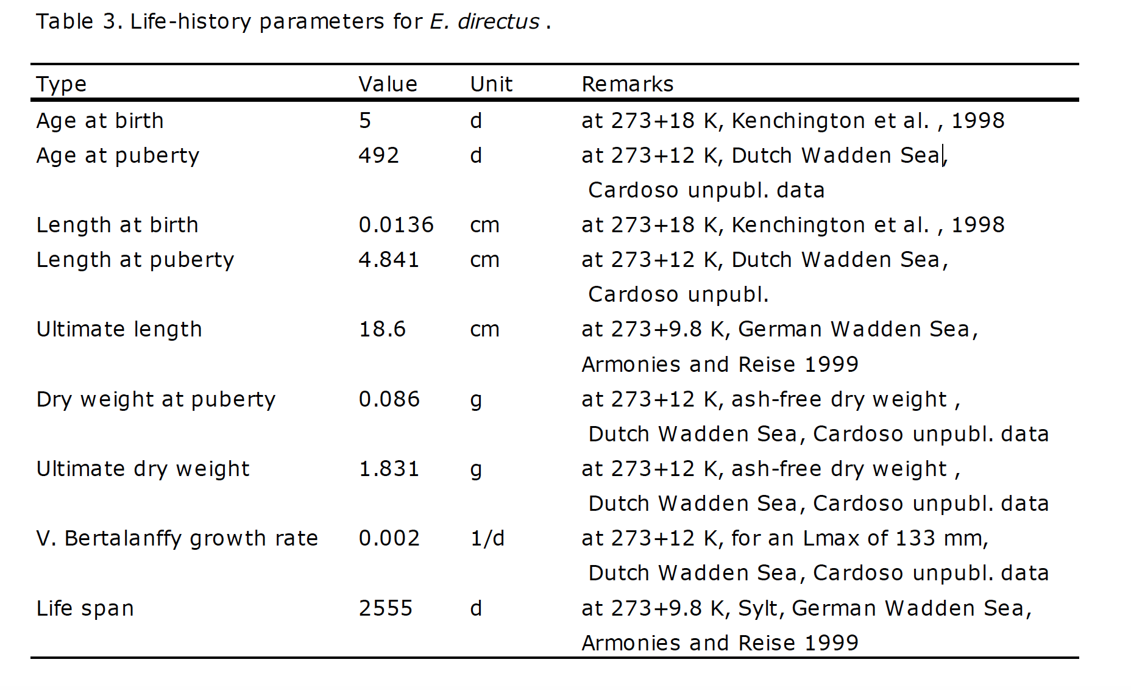
Length weight | estimate | Std.error | t value | pr(>|t|) | species |  | ref
a | 0.000009 | 1.53E-06 | 5.882 | 6.06E-09 | Ensis directus | wet weight | Cardoso JFMF, Nieuwland G, Wijsman J, Witbaard R, van der Veer HW (2011) Validation of a method for age determination in the razor clam Ensis directus, with a review on available data on growth, reproduction and physiology. NIOZ-Report: 33 pp
b | 3.099000 | 3.62E-02 | 85.727 | < 2e-16

a | 0.000020 | 1.00E-05 | 2.09079 | 0.03687 | Ensis directus | fresh weight | Cardoso JFMF, Nieuwland G, Wijsman J, Witbaard R, van der Veer HW (2011) Validation of a method for age determination in the razor clam Ensis directus, with a review on available data on growth, reproduction and physiology. NIOZ-Report: 33 pp
b | 2.848680 | 0.11418 | 24.94816 | 0
 |  |  |  |  |  |  | Cardoso JFMF, Nieuwland G, Wijsman J, Witbaard R, van der Veer HW (2011) Validation of a method for age determination in the razor clam Ensis directus, with a review on available data on growth, reproduction and physiology. NIOZ-Report: 33 pp

a | 0.000010 |  |  |  | Ensiis siliqua |  | GASPAR, M.B.; M.N. SANTOS & P. VASCONCELOS. 2001. Weight-length relationships of 25 bivalve species (Mollusca: Bivalvia) form the Algarve coast (southern Portugal). Journal of the Marine Biological Association of the United Kingdom 81: 805-807.
b | 3.030000 | 0.059

 |  |  | Ensis directus | Natural mortality | estimates |  | witbaard, R., Duineveld, G.C.A., Bergman, M.J.N., Witte, H.I., Groot, L., Rozemeijer, M.J.C., 2015. The growth and dynamics of Ensis directus in the near-shore Dutch coastal zone of the North Sea. J. Sea Res. 95, 95–105.
 |  |  |  | survival rate | 49%

