Sheet1
Defects | Screenshots
After new user Register the application showing register page which is confusing. Also showned in screenshot | 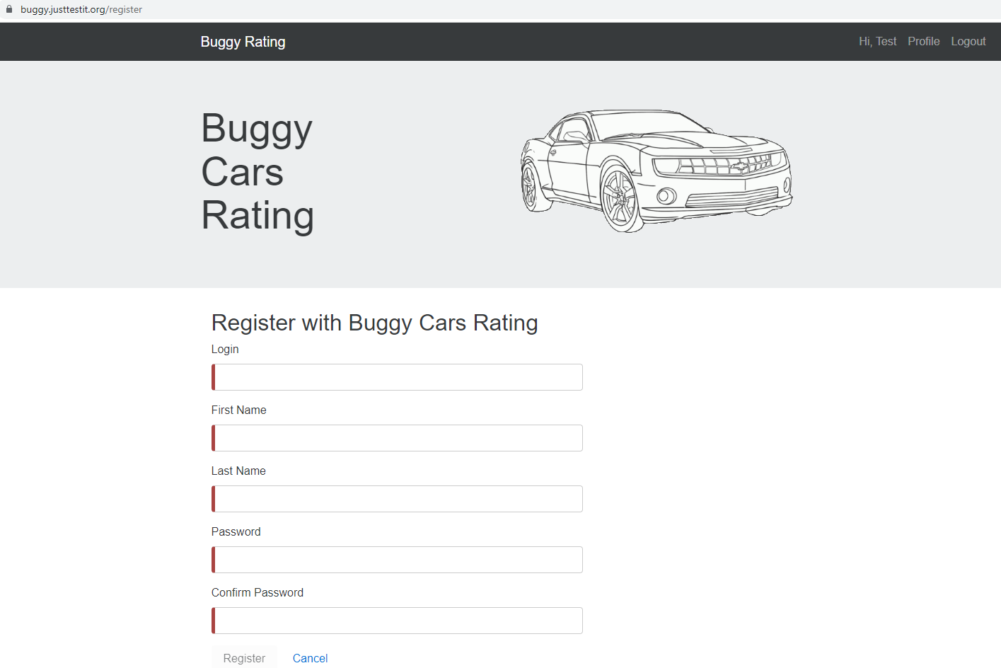
Twitter is not opening in Over all rating | 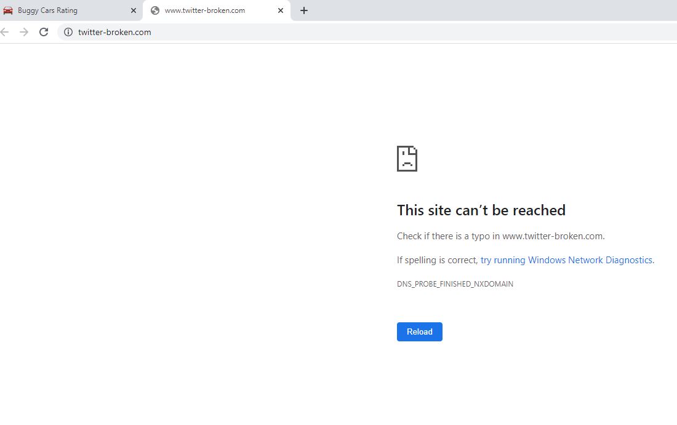
Page icon is showing incorrect number | 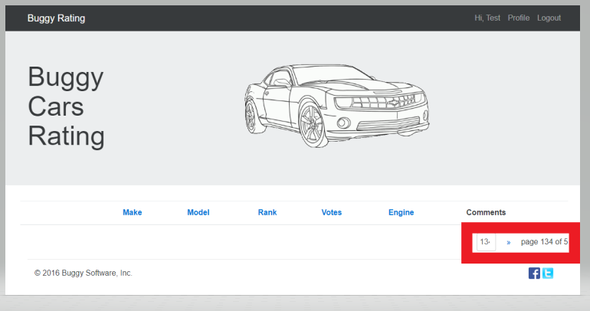
After Click on the Alfa Romeo Page, there is no navigation to home page
First name and Last name allowing unlimited characters. Beter to provide limit

