Anarkali-Chudidar-Salwar
Measurement Guide :

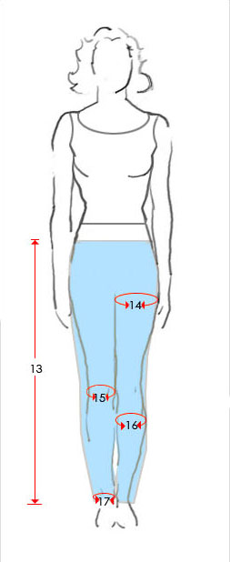
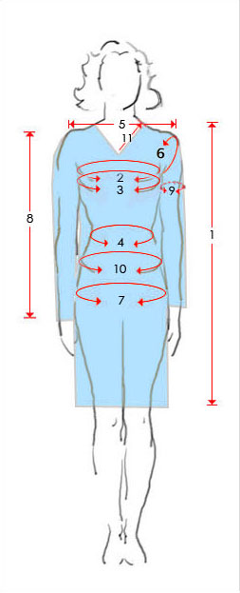
Khameeze/ Top/ Kurta for Anarkali, Salwar Khameeze,Chudidars |  |  | Chudidar Measurement : Enter In Inches
Name :
Order #

 | Detail | In Inches |  | Detail | In Inches
1 | Length from shoulder to bottom |  | 13 | Waist to Ankle ( Floor )
2 | Chest from under the arm |  | 14 | Thighs (All Around):
3 | Chest /Bust size |  | 15 | Knee (All Around):
4 | Waist |  | 16 | Calf (All Around):
5 | Shoulder( Measure from Backside) |  | 17 | Ankle (All Around):
5a | Neck to shoulder
6 | Arm Hole
7 | Hips
8 | Sleeve length
9 | Around the Arm
10 | Above the hips
11 | Neck line

Notes:
1 | The Chudiar Length #13 will be about 4 inches more
 | then what is measured to get frill
2 | The cuts and measurement will be done according the
 | style of the dress/outfits to fit your body measurement above.
3 | Please fill out the form and email us at " sales@bombayboutique.net". Please write your order #
 | in the subject line

Saree-Lehenga Blouse
Meassurement Of Blouse : For saree Blouse , Lehenga Choli etc.
Name :
Order #

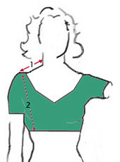
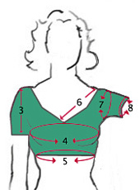
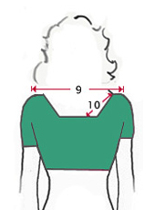
 | Detail | In Inches
1 | Neck To Shoulder
2 | Length Of blouse /Choli ( from sholder )
3 | Sleeve length
4 | Around the bust
5 | Above waist ( Bottom of Blouse/choli)
6 | Front neck depth
7 | Arm hole
8 | Around Arms
8 | Sleeve length
9 | Shoulder ( Measure from back )
10 | Back neck depth
11 | Choli /Blouse Padding ( Yes / No )
12 | Blouse opening ( Back or Front )

Notes:
1 | Blouse opening : We will do if possible based on the desgin of the blouse.
 | We will inform you if that is not possible
2 | The cuts and measurement will be done according the
 | style of the dress/outfits to fit your body measurement above.
3 | The Neck and sleeves will be as per the Picture showed. Call us to inquire if any changes is possible.
3 | Please fill out the form and email us at " sales@bombayboutique.net". Please write your order #
 | in the subject line

Lehenga Bottom
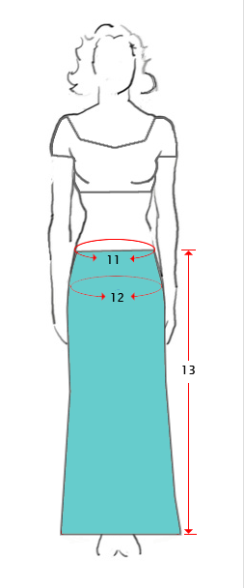
Meassurement Of Lehenga Bottom:
For Lehenga Choli
Name :
Order #

 | Detail | In Inches
11 | Waist
12 | Hips
13 | Length

Notes:
2 | The cuts and measurement will be done according the
 | style of the dress/outfits to fit your body measurement above.
3 | The Style will be as showedin the picture. If you have any specific instruciton let us know in the email
3 | Please fill out the form and email us at " sales@bombayboutique.net". Please write your order #
 | in the subject line

