Sheet1
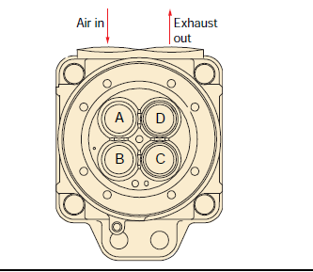
 | Vessel name |  | Queen of the Netherlands
 | Engine no.
 | Running hours
 | Date
 |  |  | Height | Height | Height | Height |  |  |  | Height | Height | Height | Height
Unit | CH ID | Valve | stem | Rotator | stem | rotator |  | CH ID | Valve | stem | rotator | stem | rotator
A1 |  | A |  |  | 0.00 | 0.00 | B1 |  | A |  |  | 0.00 | 0.00
 |  | B |  |  |  |  |  |  | B
 |  | C |  |  |  |  |  |  | C
 |  | D |  |  |  |  |  |  | D
A2 |  | A |  |  | 0.00 | 0.00 | B2 |  | A |  |  | 0.00 | 0.00
 |  | B |  |  |  |  |  |  | B
 |  | C |  |  |  |  |  |  | C
 |  | D |  |  |  |  |  |  | D
A3 |  | A |  |  | 0.00 | 0.00 | B3 |  | A |  |  | 0.00 | 0.00
 |  | B |  |  |  |  |  |  | B
 |  | C |  |  |  |  |  |  | C
 |  | D |  |  |  |  |  |  | D
A4 |  | A |  |  | 0.00 | 0.00 | B4 |  | A |  |  | 0.00 | 0.00
 |  | B |  |  |  |  |  |  | B
 |  | C |  |  |  |  |  |  | C
 |  | D |  |  |  |  |  |  | D
A5 |  | A |  |  | 0.00 | 0.00 | B5 |  | A |  |  | 0.00 | 0.00
 |  | B |  |  |  |  |  |  | B
 |  | C |  |  |  |  |  |  | C
 |  | D |  |  |  |  |  |  | D
A6 |  | A |  |  | 0.00 | 0.00 | B6 |  | A |  |  | 0.00 | 0.00
 |  | B |  |  |  |  |  |  | B
 |  | C |  |  |  |  |  |  | C
 |  | D |  |  |  |  |  |  | D

 |  |  |  | MAX | 0.00 | 0.00

