Sheet1
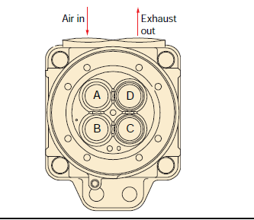
 | Vessel name |  | Queen of the Netherlands
 | Engine no.
 | Running hours
 | Date
 |  |  | Height | Height | Height | Height |  |  |  | Height | Height | Height | Height
Unit | CH ID | Valve | stem | Rotator | stem | rotator |  | CH ID | Valve | stem | rotator | stem | rotator
A1 |  | A |  |  |  |  | B1 |  | A
 |  | B |  |  |  |  |  |  | B
 |  | C |  |  |  |  |  |  | C
 |  | D |  |  |  |  |  |  | D
A2 |  | A |  |  |  |  | B2 |  | A
 |  | B |  |  |  |  |  |  | B
 |  | C |  |  |  |  |  |  | C
 |  | D |  |  |  |  |  |  | D
A3 |  | A |  |  |  |  | B3 |  | A
 |  | B |  |  |  |  |  |  | B
 |  | C |  |  |  |  |  |  | C
 |  | D |  |  |  |  |  |  | D
A4 |  | A |  |  |  |  | B4 |  | A
 |  | B |  |  |  |  |  |  | B
 |  | C |  |  |  |  |  |  | C
 |  | D |  |  |  |  |  |  | D
A5 |  | A |  |  |  |  | B5 |  | A
 |  | B |  |  |  |  |  |  | B
 |  | C |  |  |  |  |  |  | C
 |  | D |  |  |  |  |  |  | D
A6 |  | A |  |  |  |  | B6 |  | A
 |  | B |  |  |  |  |  |  | B
 |  | C |  |  |  |  |  |  | C
 |  | D |  |  |  |  |  |  | D

Sheet2
 | Vessel name
 | Engine no.
 | Running hours
 | Date |  | 2022-02-17 |  |  |  |  |  |  |  |  |  |  | Valve height measurement on top of valve stem | Valve height measurement on top of rotator
 |  |  | Height | Height | Height | Height |  |  |  | Height | Height | Height | Height | Height Valve stem | Height rotator
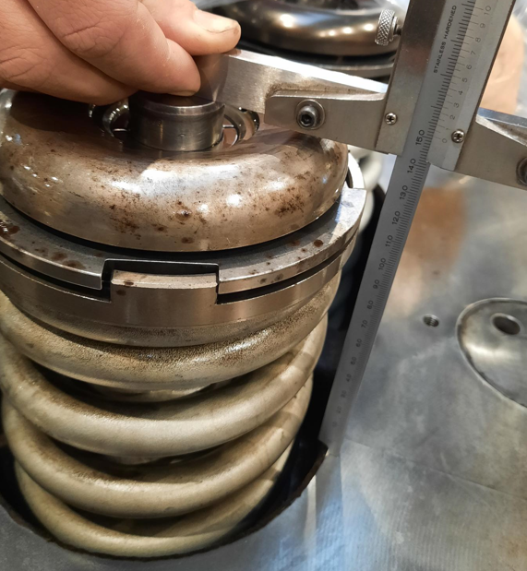
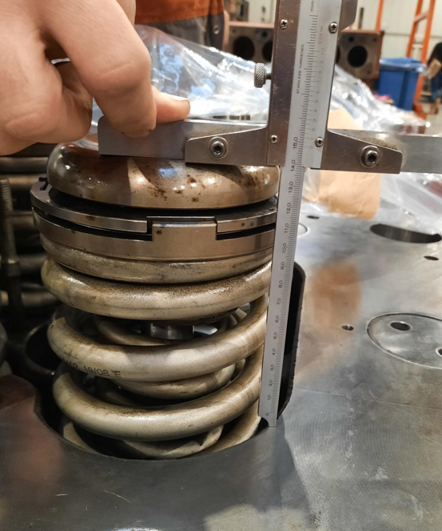
Unit | CH ID | Valve | Valve stem | Rotator | Rotator | Rotator |  | CH ID | Valve | Valve stem | Rotator | Rotator | Rotator
A1 |  | A |  |  |  |  | B1 |  | A
 |  | B |  |  |  |  |  |  | B
 |  | C |  |  |  |  |  |  | C
 |  | D |  |  |  |  |  |  | D
A2 |  | A |  |  |  |  | B2 |  | A
 |  | B |  |  |  |  |  |  | B
 |  | C |  |  |  |  |  |  | C
 |  | D |  |  |  |  |  |  | D
A3 |  | A |  |  |  |  | B3 |  | A
 |  | B |  |  |  |  |  |  | B
 |  | C |  |  |  |  |  |  | C
 |  | D |  |  |  |  |  |  | D
A4 |  | A |  |  |  |  | B4 |  | A
 |  | B |  |  |  |  |  |  | B
 |  | C |  |  |  |  |  |  | C
 |  | D |  |  |  |  |  |  | D
A5 |  | A |  |  |  |  | B5 |  | A
 |  | B |  |  |  |  |  |  | B
 |  | C |  |  |  |  |  |  | C
 |  | D |  |  |  |  |  |  | D
A6 |  | A |  |  |  |  | B6 |  | A
 |  | B |  |  |  |  |  |  | B
 |  | C |  |  |  |  |  |  | C
 |  | D |  |  |  |  |  |  | D

