Visualization
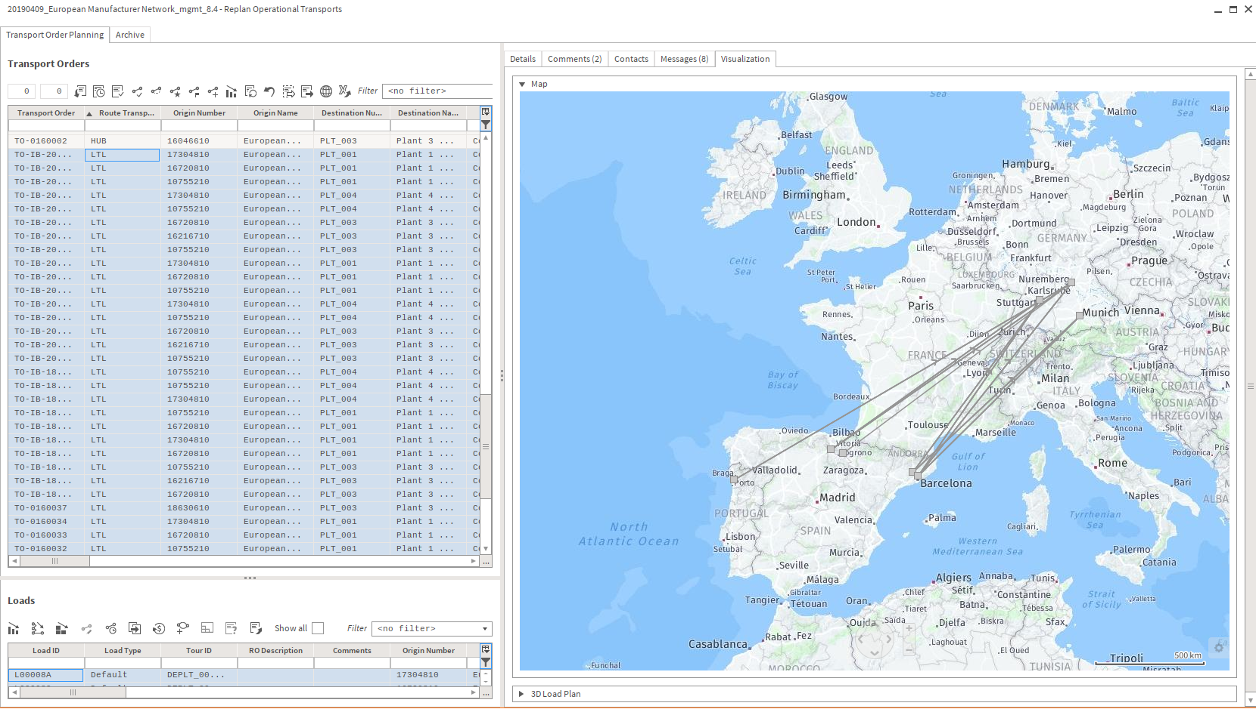
Map Visualization Transport Orders

Example Means of transportation
Key | Name | Average Speed |  | Payload | Unit | Length | Unit | Width | Unit | Height | Unit
Standard 25to | Standard 25to | 50.0 | km/h | 25.0 | t | 13600.0 | mm | 2500.0 | mm | 2480.0 | mm
MEGA | MEGA | 70.0 | km/h | 25.0 | t | 13620.0 | mm | 2480.0 | mm | 3000.0 | mm
PICKUP 3.5t | PICKUP 3.5t | 60.0 | km/h | 3,5 | t | 6400.0 | mm | 2500.0 | mm | 2500.0 | mm

Payload is used as restriction for maximal weight of demand data
Length is used as restricion for loading meter value of demand data
Volume is calculated by length width and height

