DFM
 |  |  | Initial Design for Manufacturing Check Report |  |  |  |  |  |  |  | Form No:
 |  |  |  |  |  |  |  |  |  |  | BTL-DFM-001

Product # |  | Customer ID |  | Purchase Order | Quantity | Checked by |  |  | Audit by
 |  |  |  |  |  | Name | Date | Time(Hour) | Name | Date
8030233A1 |  | 503097 |  | None | 5 | Nate | 2025-09-04
Gerber File |  | R |  | X-Y Coordinate File | □ | Drill File | R | BOM check |  | Others
Note: If you have BOM change requests, please send the list of change details instead of sending an updated(new) BOM for quick turnaround. We will ignore the BOM in any zip file unless being requested.
Quiz# | Question Description |  |  |  |  | Illustration |  |  |  |  | Client Reply
DFM#1 | We found in the '*.gbrjob' file final board thickness is 1.0mm, but the order release file mentioned final board thickness is 1.2mm(47mil). You have specified the thickness of dielectric between layers, we will need to get it adjusted to meet our material sourcing and fabrication requirements. Suggestion A: Final board thickness as 1.0mm+/-10%, Allow us to adjust the stackup and our stack up in "Stackup A" is OK. Suggestion B: Final board thickness as 1.2mm(47mil)+/-10%, Allow us to adjust the stackup and our stack up in "Stackup B" is OK. |  |  |  |  | 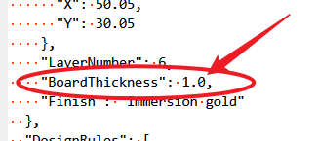 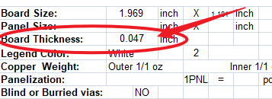 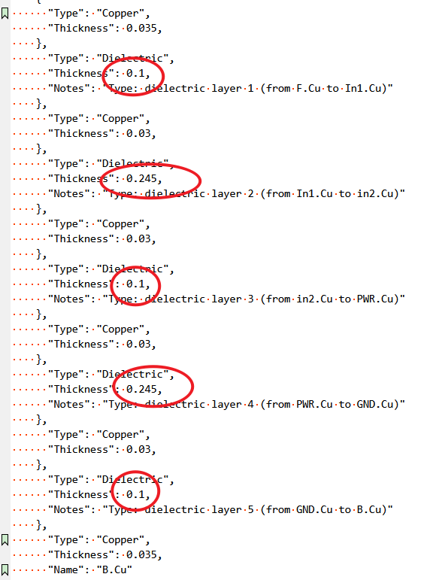 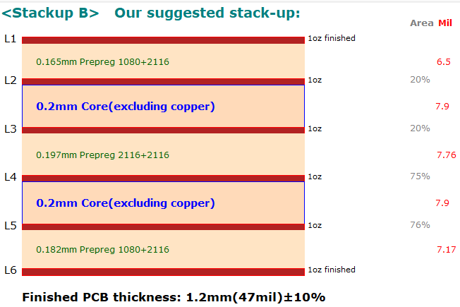 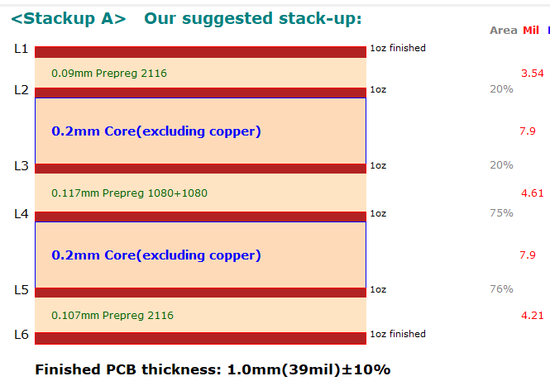 |  |  |  |  | I initially started out targetingt 1mm thickness, however another supplier suggested 1.2mm would work for his in-stock materials. I prefer a 1mm thick PCB, please continue with 1.0mm. There are no impedance critical traces on this PCB, Any stackup that uses your standard materials is good. 1oz copper all layers is preferred. Use Stackup A.

DFM#2 | We found in the '*.gbrjob' file PCB size is 50.05x30.05mm, but the real PCB size is 50.0x30.0mm measured in Gerber file. Suggestion: Follow Gerber file for size of board. |  |  |  |  | 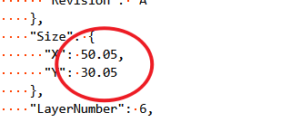 |  |  |  |  | I have no idea why KiCad, gives two different measurements. 50.0x30.0mm is the intended size.

DFM#3 | We found in the '*.gbrjob' file silkscreen green, but in the order release file, silkscreen white. Suggestion: Silkscreen white. |  |  |  |  | 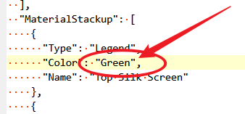 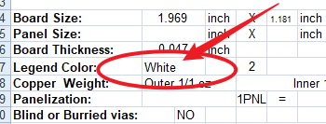 |  |  |  |  | I prefer White.

DFM#4 | We found in the '*.gbrjob' file, it showed copper L7, L9, L11, but this is 6-layer board. and the layer sequence is not defined in Gerber. Please clarify. Suggestion: This is 6-layer board, we will build the layer sequence from top to bottom as shown in the picture on the right. |  |  |  |  | 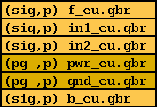 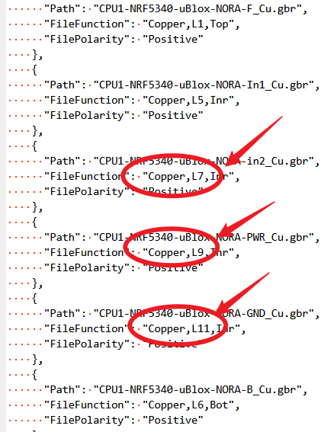 |  |  |  |  | Correct this is a 6-layer board. I have no idea why KiCAD added the other layers. Prefered stacking order is to have PWR and GND on L2 and L5, with in1 and in2 between. However this is not critical.

DFM#5 | The copper area of the in1/in2 and pwr/gnd differs by more than 70%, which cause the stackup is asymmetrical, and it caused the board bow and twist exceed 0.75% and affect our assemble. In order to avoid this problem, we suggest we can add dummy copper pad in in1/in2, and keep the spacing from all existing copper 50mil. Suggestion : Allow us to add dummy copper pad in in1/in2. |  |  |  |  | 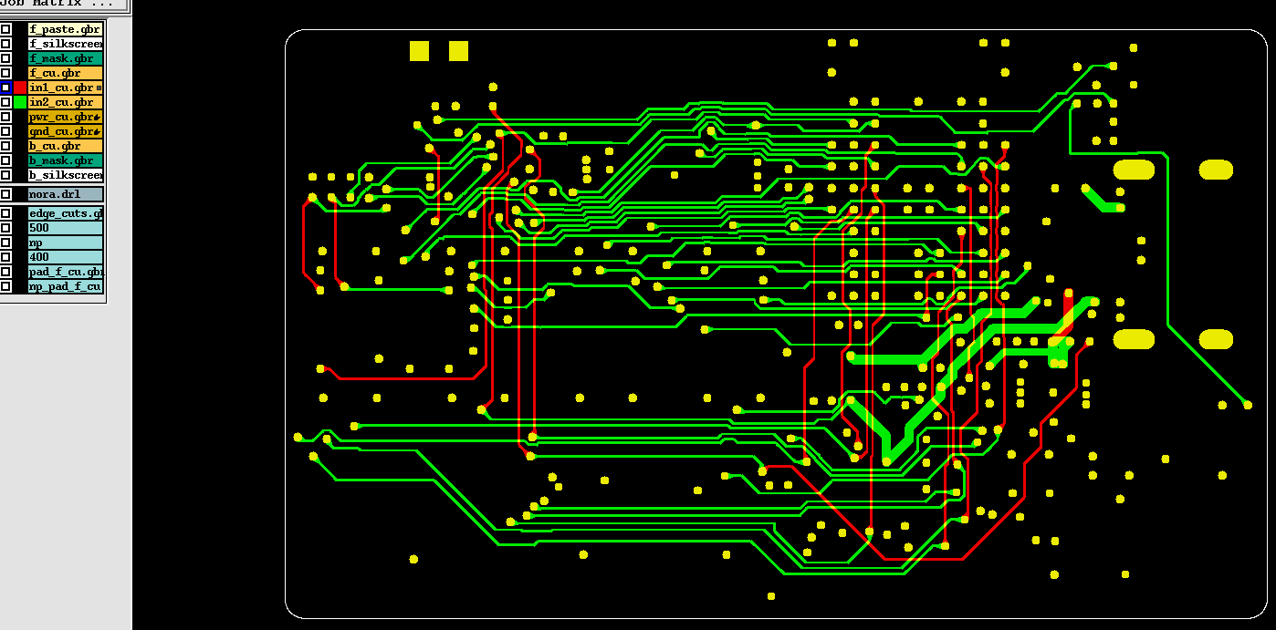 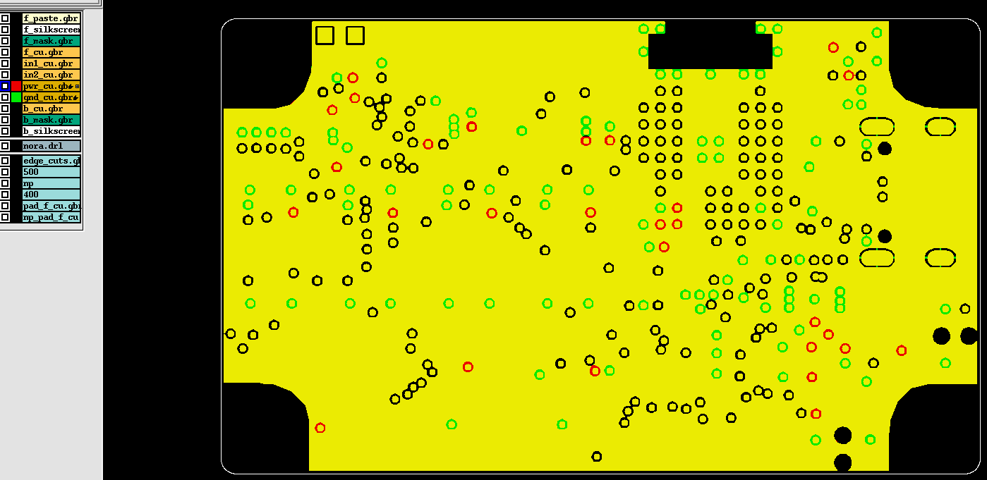 |  |  |  |  | Yes you can add dummy copper pad/pour in the inner layers to balance the copper. I suggested above moving the PWR and GND planes to L2 and L5, I think this will also balance the stresses. Either way is fine for me.

DFM#6 | The spacing is only 5.4mil between trace and NPTH hole. It is not enough for us. Suggestion: We can move the trace away from NPTH hole to gain 8mil spacing. (we can edit it on our side) |  |  |  |  | 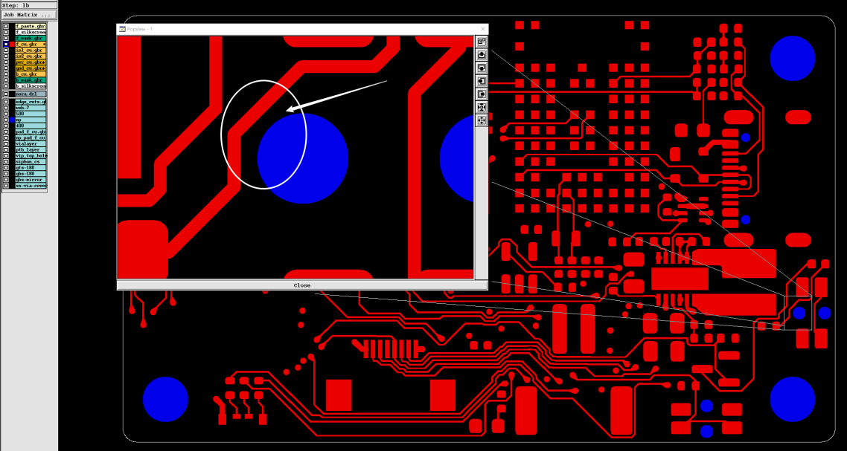 |  |  |  |  | I will add this to my design rules for the next board. OK to move the track.

DFM#7 | Some via holes (0.2mm) with solder mask opening are close to the SMD pads as the picture shown for example, which will affect our assembling process, we would like to delete the solder mask opening of all via holes on both sides to smooth our assembling process. Suggestion A: Delete the solder mask opening for all via holes (0.2mm) on both sides, and only keep the solder mask opening of the via holes which on thermal pads. Suggestion B: Reducing the solder mask openings bigger than via holes 4mils(0.1mm) per side for all via holes (0.2mm). |  |  |  |  | 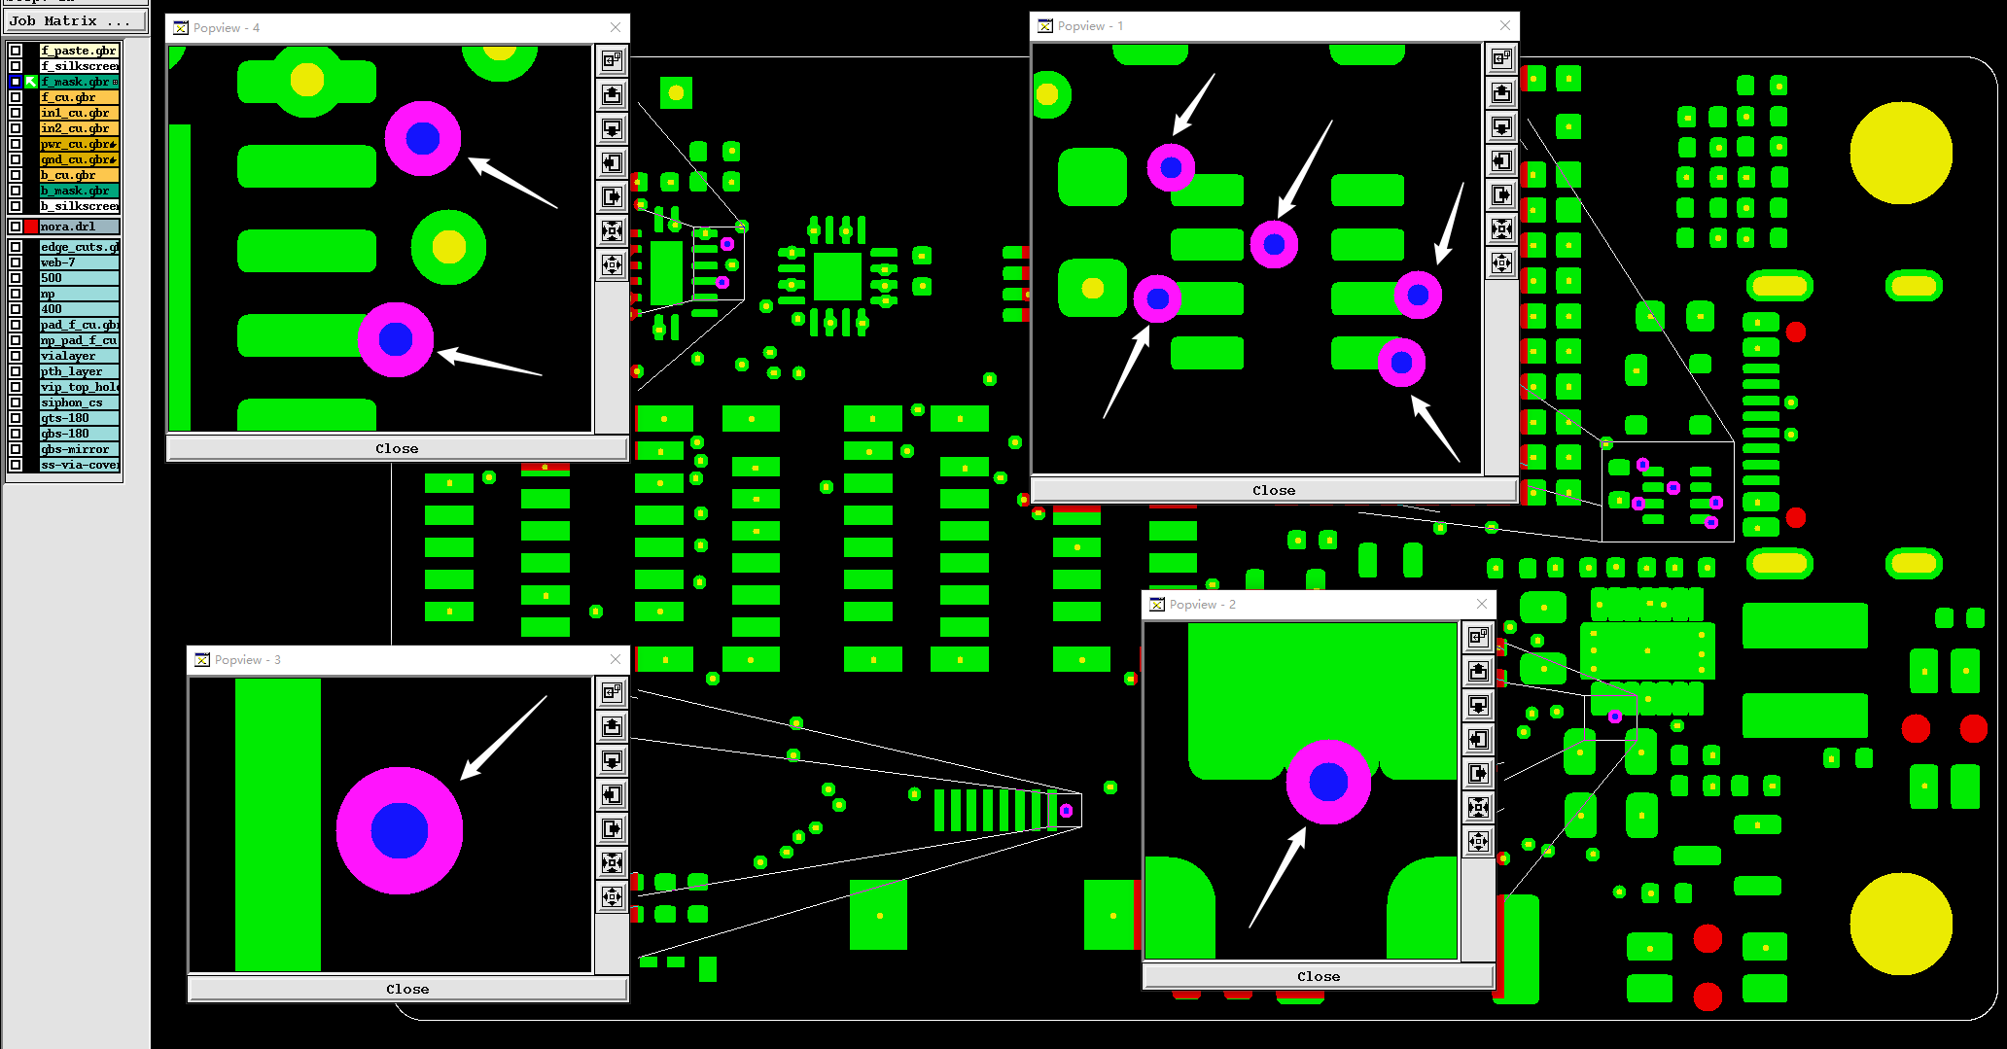 |  |  |  |  | Yes the board was a little congested and I ended up with Vias nibbling into pads. Please feel free to adjust the solder mask to make it work with your process. Solder mask is not critical to the design. Opening all vias, or only the vias with issues is OK either way. Do you need me to make this change?

DFM#8 | On the bottom side, the silkscreen is not match the pad, it looks more like top silkscreen layer, the components are on top side. Suggestion A: Ignore the bottom silkscreen layer, no silkscreen on bottom side of board. Suggestion B: Send us the new Gerber, put these silkscreen on top side (no mirror them), and if they are on or near pads, we can clip it from exposed pad, fuzzy and incomplete legends will be acceptable. |  |  |  |  | 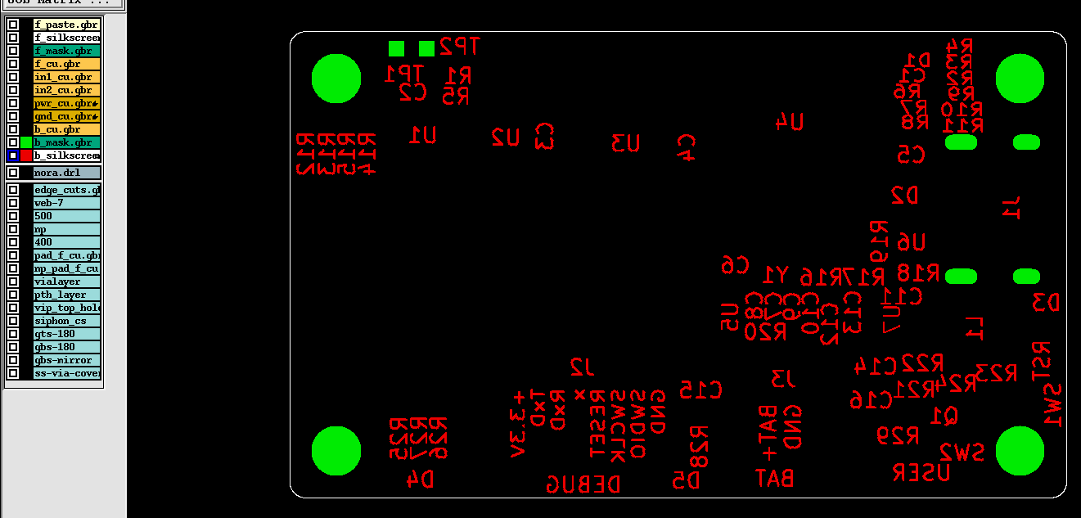

DFM#9 | The spacing is only 11mil between non-plated hole and board edge, it may be broke after routing. Suggestion: The two holes break at board edge is acceptable. |  |  |  |  | 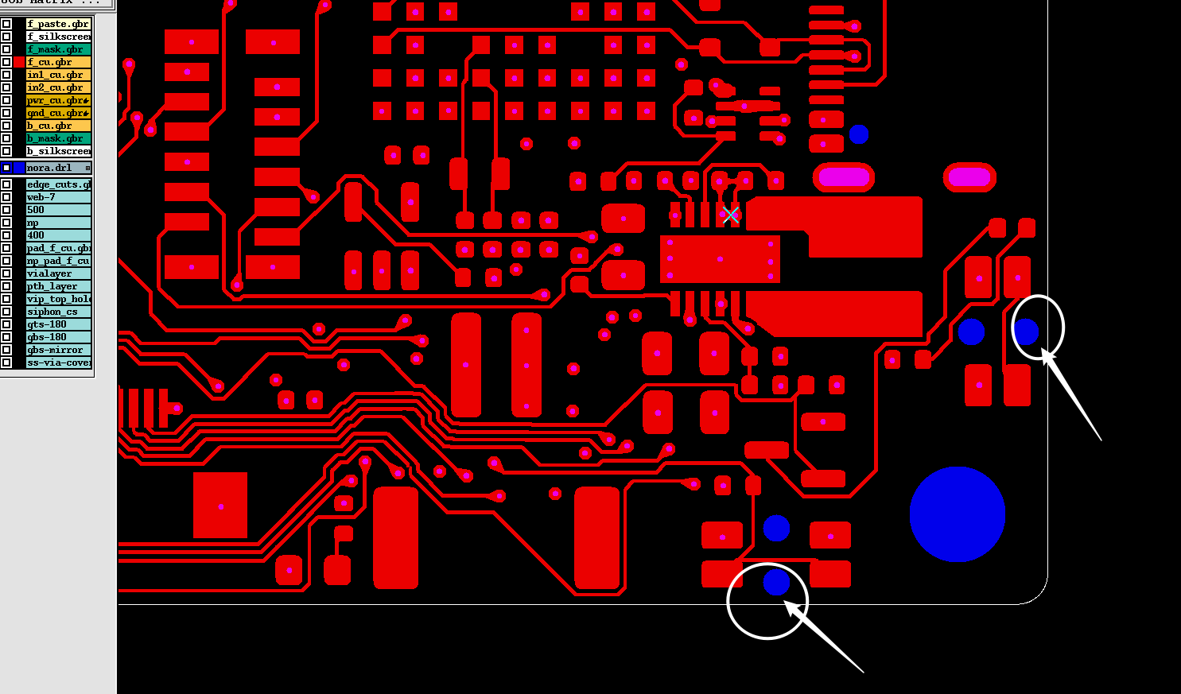 |  |  |  |  | Yes unfortunately the switches need to be close to the edge so that a human can press the buttons. If break occurs this is OK.

2nd
 |  |  | Initial Design for Manufacturing Check Report |  |  |  |  |  |  |  | Form No:
 |  |  |  |  |  |  |  |  |  |  | BTL-DFM-001

Product # |  | Customer ID |  | Purchase Order | Quantity | Checked by |  |  | Audit by
 |  |  |  |  |  | Name | Date | Time(Hour) | Name | Date
8030233A1 |  | 503097 |  | None | 5 | Nate | 2025-09-05
Gerber File |  | R |  | X-Y Coordinate File | □ | Drill File | R | BOM check |  | Others
Note: If you have BOM change requests, please send the list of change details instead of sending an updated(new) BOM for quick turnaround. We will ignore the BOM in any zip file unless being requested.
Quiz# | Question Description |  |  |  |  | Illustration |  |  |  |  | Client Reply
DFM#4 | We found in the '*.gbrjob' file, it showed copper L7, L9, L11, but this is 6-layer board. and the layer sequence is not defined in Gerber. Please clarify. Suggestion: This is 6-layer board, we will build the layer sequence from top to bottom as shown in the picture on the right. |  |  |  |  |  |  |  |  |  | Correct this is a 6-layer board. I have no idea why KiCAD added the other layers. Prefered stacking order is to have PWR and GND on L2 and L5, with in1 and in2 between. However this is not critical.

Feedback on DFM#4 | Please confirm the layer sequence from top to bottom as shown in the picture on the right. |  |  |  |  | 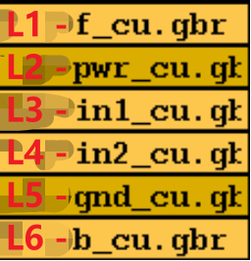 |  |  |  |  | I 'think' I have adjusted the grbjob file to show: f_cu GND in1 in2 PWR b_cu Note: PWR and GND are swapped.

DFM#8 | On the bottom side, the silkscreen is not match the pad, it looks more like top silkscreen layer, the components are on top side. (such as the U1 and U7, the components are on top side, but the component designator is on the bottom side) Suggestion A: Ignore the bottom silkscreen layer, no silkscreen on bottom side of board. Suggestion B: Send us the new Gerber, put these silkscreen on top side (no mirror them), and if they are on or near pads, we can clip it from exposed pad, fuzzy and incomplete legends will be acceptable. |  |  |  |  |  |  |  |  |  | Yes, this is the intention. References designators on the bottom of the board.

DFM#10 | These via holes solder mask opening will affect the SMD pad diemenions, we recommend removing the solder mask opening of these via holes. Suggestion: Removing the solder mask opening of these via holes. |  |  |  |  | 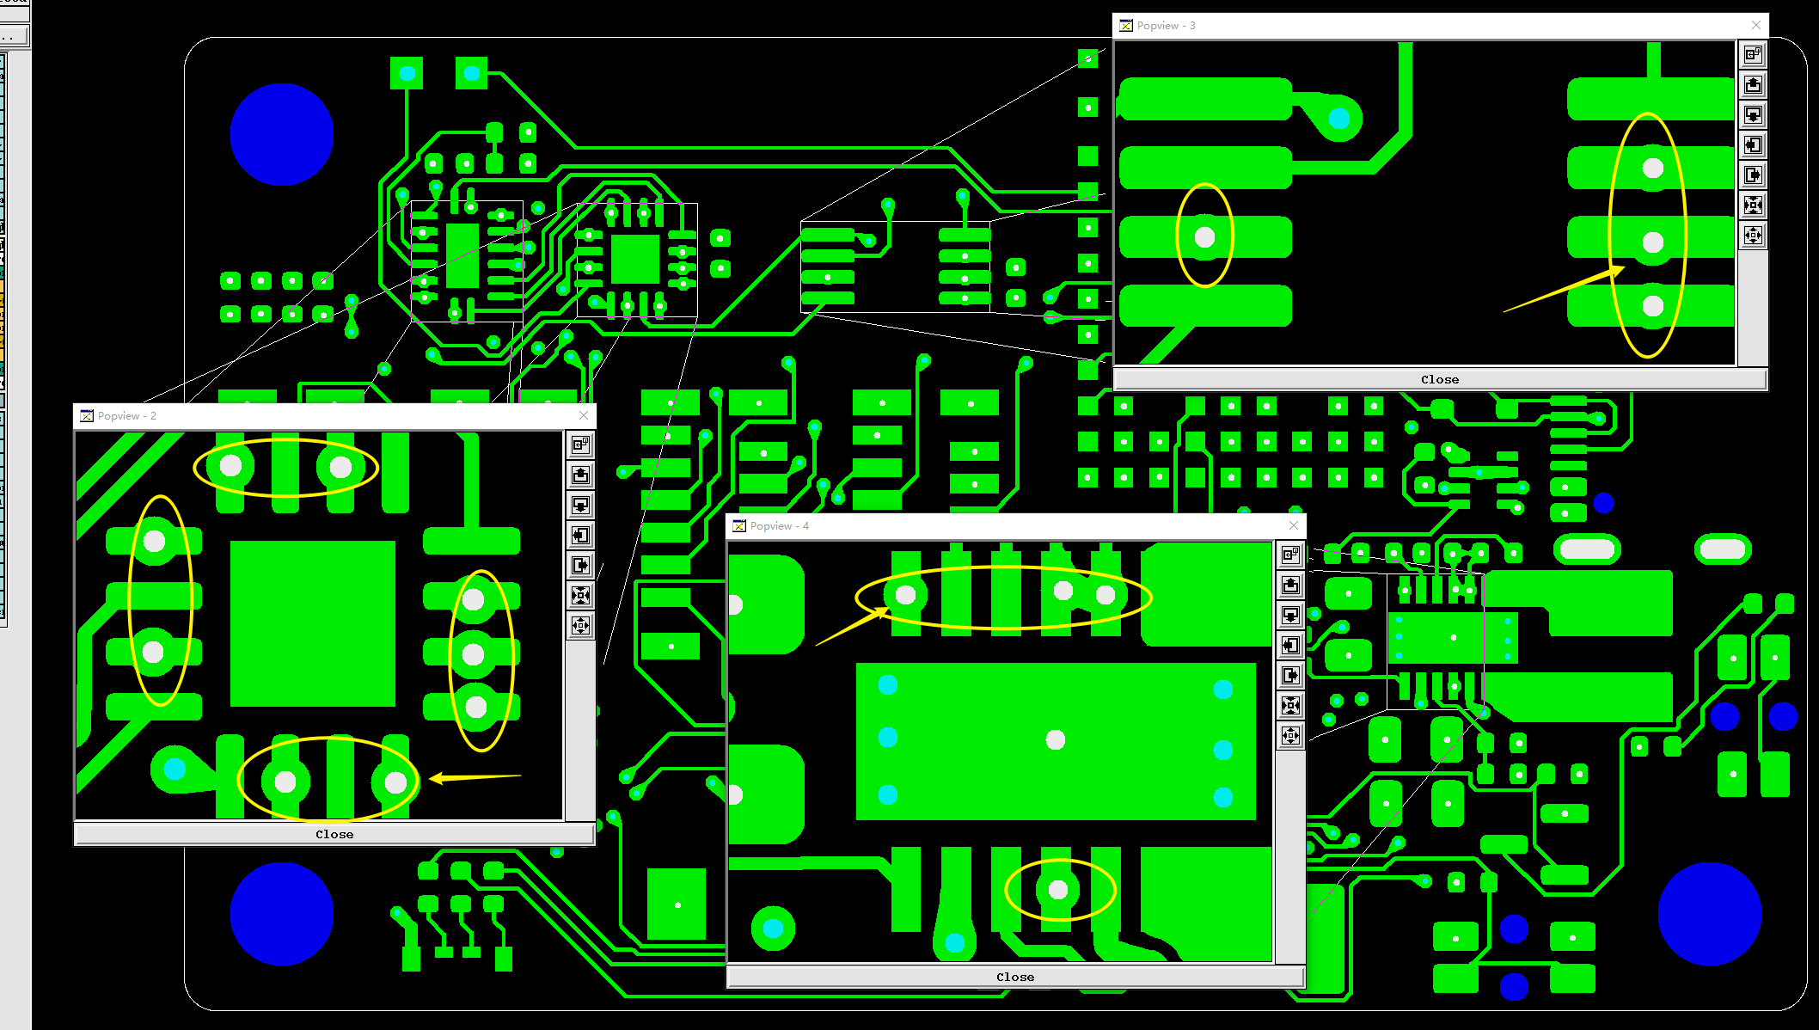 |  |  |  |  | corrected 2025-09-08

DFM#7 | Some via holes (0.2mm) with solder mask opening are close to the SMD pads as the picture shown for example, which will affect our assembling process, we would like to delete the solder mask opening of all via holes on both sides to smooth our assembling process. Suggestion A: Delete the solder mask opening for all via holes (0.2mm) on both sides, and only keep the solder mask opening of the via holes which on thermal pads. Suggestion B: Reducing the solder mask openings bigger than via holes 4mils(0.1mm) per side for all via holes (0.2mm). |  |  |  |  |  |  |  |  |  | Yes the board was a little congested and I ended up with Vias nibbling into pads. Please feel free to adjust the solder mask to make it work with your process. Solder mask is not critical to the design. Opening all vias, or only the vias with issues is OK either way. Corrected 2025-09-08 Do you need me to make this change?

Feedback on DFM#7 | No need, it is easy to do it on our side.

