DFA
 |  |  | Initial Design for Assembly Check Report |  |  |  |  |  |  |  | Form No:
 |  |  |  |  |  |  |  |  |  |  | BTL- DFA-001

Product # |  | Customer ID |  | Purchase Order | Quantity | Checked by |  |  | Audit by
 |  |  |  |  |  | Name | Date | Time (Hour) | Name | Date
8030233A1 |  |  |  | None |  | Nishil | 2025-09-08 17:50:06
Gerber File |  |  |  | X-Y Coordinate File |  | Drill File |  | BOM check |  | Others
Note: If you have BOM change requests, please send the list of change details instead of sending an updated(new) BOM for quick turnaround. We will ignore the BOM in any zip file unless being requested.
Quiz# | Question Description |  |  |  |  | Illustration |  |  |  |  | Client Reply
DFA#1 | Please confirm whether the dot shows correct place for CATHODE for all leds. Please comment. |  |  |  |  | 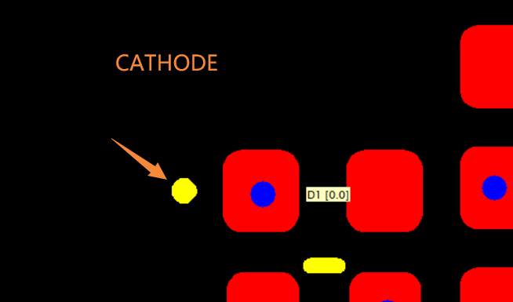 |  |  |  |  | Correct

DFA#2 | We can see the reference designator is on the bottom side of the PCB but the footprint and its outline marking and orientation is on top side. Please confirm whether it is intentional and we should build this as it is. |  |  |  |  | 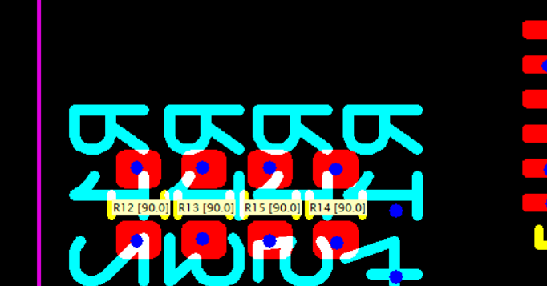 |  |  |  |  | Yes, this is the intention. Reference designators (mostly) on the bottom of the board.

DFA#3 | Please confirm whether the dot shows correct place for CATHODE for all DIODES. Please comment. |  |  |  |  | 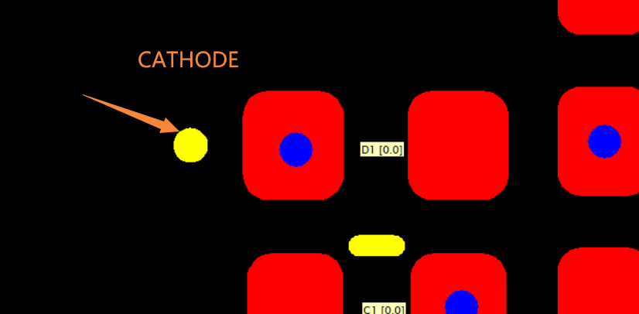 |  |  |  |  | Correct

DFA#4 | #10_D4 p/n: EASV3015RGBA0 Please confirm whether the highlighted arrow shows correct place for ANODE. Please comment. |  |  |  |  |  |  |  |  |  | Correct

DFA#5 | #11_D5 p/n: IN-S85CS5Y Please confirm whether the highlighted arrow shows correct place for CATHODE. Please comment. |  |  |  |  | 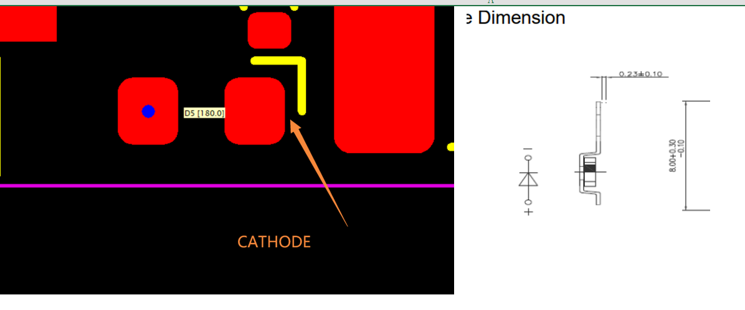 |  |  |  |  | correct

DFA#6 | #31_U2 p/n: PCA9557RGVR 1) In gerber length and width is less then 4mm as compared to datasheet. Please update. 2) In gerber pitch is 0.5mm whereas in datasheet it is 0.65mm. Please update. |  |  |  |  | 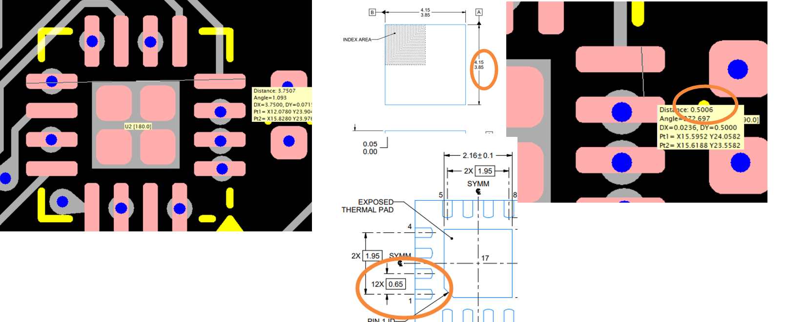 |  |  |  |  | Corrected 2025-09-08

Sheet1
