Pivot_Chat
Promoter Efficienccy Average Completion Time(mins) by Promoter
 | Total
Aisha Mohammed | 26.23
Amaka Eze | 25.53
Bashir Yakubu | 24.64
Blessing Adeyemi | 25.86
Chidinma Okafor | 26.34
Chuka Obi | 23.56
David Okonkwo | 28.12
Emeka Nwosu | 24.77
Fatima Sule | 21.39
Funmilayo Adebayo | 24.85
Grace Effiong | 25.52
Halima Bello | 26.01
Ifeoma Chukwu | 27.33
Kelvin Eze | 23.94
Ngozi Iwu | 33.33
Peter Osagie | 32.95
Segun Ogundipe | 33.06
Temitope Owolabi | 28.16
Tunde Bakare | 26.11
Yusuf Aliyu | 25.44
Activity Concentration by Outlete
 | Compliance Check | Outlet Visit | Product Demo | Sales Conversion | Samples Distributed
Addide Supermarket Yaba | 21 | 33 | 24 | 32 | 383
City Mall Onikan | 9 | 16 | 7 | 30 | 180
Ebeano Supermarket Ajah | 15 | 36 | 32 | 46 | 283
Ebeano Supermarket Lekki | 15 | 37 | 25 | 93 | 495
Everyday Market Alaba | 11 | 20 | 12 | 57 | 203
Genesis Supermarket Surulere | 14 | 36 | 29 | 31 | 289
Grand Square Ikeja | 26 | 46 | 42 | 92 | 386
Justrite Surulere | 16 | 21 | 26 | 68 | 352
Justrite Yaba | 15 | 28 | 24 | 85 | 519
Marina Mall Waterfront | 10 | 28 | 24 | 70 | 286
Roban Stores Festac | 10 | 32 | 21 | 47 | 321
Shoprite Ikeja | 5 | 16 | 7 | 20 | 68
Shoprite Lekki | 21 | 29 | 27 | 38 | 296
SPAR Ajah | 6 | 23 | 18 | 53 | 226
SPAR Ikorodu | 15 | 33 | 35 | 59 | 394

Work Completion Health
 | Total
Completed | 1130
Overdue | 219
Pending | 157

Interactive_Dahsboard
GlowRoot
Field Activation Performance Dashboard

Field activity performance across GlowRoot Naturals retail outlets.
NARURALS
Use the area field to explore performance by location.

📅
Total Task Completed
🕓
Average Completion Time
26.37
⭐
Average Quality Score
Key Insight
4715
77%

Sample distribution accounts for approximately 72% of total task units, making it the dominant field activity.
Activity Concentration by Outlete
 | Compliance Check | Outlet Visit | Product Demo | Sales Conversion | Samples Distributed
Addide Supermarket Yaba | 21 | 33 | 24 | 32 | 383
City Mall Onikan | 9 | 16 | 7 | 30 | 180
Ebeano Supermarket Ajah | 15 | 36 | 32 | 46 | 283
Ebeano Supermarket Lekki | 15 | 37 | 25 | 93 | 495
Everyday Market Alaba | 11 | 20 | 12 | 57 | 203
Genesis Supermarket Surulere | 14 | 36 | 29 | 31 | 289
Grand Square Ikeja | 26 | 46 | 42 | 92 | 386
Justrite Surulere | 16 | 21 | 26 | 68 | 352
Justrite Yaba | 15 | 28 | 24 | 85 | 519
Marina Mall Waterfront | 10 | 28 | 24 | 70 | 286
Roban Stores Festac | 10 | 32 | 21 | 47 | 321
Shoprite Ikeja | 5 | 16 | 7 | 20 | 68
Shoprite Lekki | 21 | 29 | 27 | 38 | 296
SPAR Ajah | 6 | 23 | 18 | 53 | 226
SPAR Ikorodu | 15 | 33 | 35 | 59 | 394
Work Completion Health
 | Total
Completed | 1130
Overdue | 219
Pending | 157

Justrite Yaba and Ebeano Supermarket have the highest recorded activity volumes, while Shoprite Ikeja has the lowest.

Promoter Efficienccy Average Completion Time(mins) by Promoter
 | Total
Aisha Mohammed | 26.23
Amaka Eze | 25.53
Bashir Yakubu | 24.64
Blessing Adeyemi | 25.86
Chidinma Okafor | 26.34
Chuka Obi | 23.56
David Okonkwo | 28.12
Emeka Nwosu | 24.77
Fatima Sule | 21.39
Funmilayo Adebayo | 24.85
Grace Effiong | 25.52
Halima Bello | 26.01
Ifeoma Chukwu | 27.33
Kelvin Eze | 23.94
Ngozi Iwu | 33.33
Peter Osagie | 32.95
Segun Ogundipe | 33.06
Temitope Owolabi | 28.16
Tunde Bakare | 26.11
Yusuf Aliyu | 25.44
Average completion time is 26.37 minutes, with a roughly 12-minute gap between the fastest and slowest promoter averages.

75% of logged activities are completed, but one in four remains either overdue or pending, with overdue activities exceeding pending activities.

Project_Documentation
Project Title: Field Activation Performance Dashboard for GlowRoot Naturals
Tool Used: Microsoft Excel
Project Type: Field Marketing / Retail Activation Analytics
The objective of this project is to transform GlowRoot Naturals' raw field activation activity log into an interactive Excel dashboard that enables management to:
- Monitor field activity volume.
- Measure task completion.
- Evaluate promoter completion times.
- Monitor quality scores.
- Compare activity across outlets and areas.
- Identify overdue and pending activities.
- Support operational decision-making using data.
GlowRoot Naturals is a skincare and haircare brand conducting an in-store promoter campaign across multiple retail outlets in Lagos.
Promoters record daily activities performed at different outlets, including:
- Outlet Visits
- Compliance Checks
- Product Demos
- Sales Conversions
- Samples Distributed.
The Trade Marketing team needs a simple way to understand:
- Where field activity is concentrated.
- How efficiently promoters are working.
- How much of the logged work is actually being completed.
My analysis were designed around the following questions:
- Activity
Which outlets generate the most field activity?
Which task types contribute most to overall activity?
How is activity distributed across areas?
- Promoter Performance
Which promoters have higher or lower average completion times?
How does completion time vary across areas?
- Work Completion
What proportion of logged activities are completed?
How many activities are overdue?
How many activities remain pending?
- Quality
What is the average quality score?
How does quality vary when different areas are selected?
- Management
Which areas or outlets require further operational attention?
What actions could improve field execution?
This project began with a flat field activity dataset supplied for analysis. The dataset contained 1506 rows and 9 columns.
Before building any analysis or visualization, the raw dataset was prepared for analysis.
The preparation process consisted of:
- Converting the raw range into a structured Excel Table.
- Checking for blank rows.
- Checking for duplicate records.
- Validating data types.
- Standardizing text fields.
- Checking numerical fields.
- Checking date formatting.
- Ensuring consistency across categorical fields.
The raw range was converted into an Excel Table.
This is important because a structured table:
- Automatically expands when new records are added.
- Provides consistent formatting.
- Makes formulas easier to write.
- Provides structured references.
- Makes PivotTable data management easier.
- Reduces the risk of excluding records from analysis.
- The dataset was maintained as the primary structured source for the dashboard.
- Blank Row Check
I reviewed the dataset to ensure that there were no unnecessary blank rows within the data range.
Blank rows can cause problems when:
- Creating PivotTables.
- Filtering data.
- Calculating totals.
- Building charts.
Duplicate Record Check
A duplicate-checking column was created using a COUNTIFS formula, which I later deleted inorder to maintain a clean and original given number of columns.
The formula compared the combination of:
- Date
- Promoter Name
- Area
- Outlet Name
- Task Type
- Tasks Completed
- Completion Time
- Quality Score
- Status
The purpose of this was to identify records where all relevant fields were identical.
Data Type Validation
Inorder to ensure that each field used an appropriate data type, I checked the dataset was checked:
Date
The Date field was confirmed as a genuine Excel date rather than text.
This is important because for my date-based:
- Sorting
- Filtering
- Grouping
- PivotTable analysis, they all depend on the values being recognized as dates.
Numeric Fields
The following were treated as numerical values:
- Tasks Completed
- Completion Time (mins)
- Quality Score (%)
Completion Time
I made an important cleaning decision regarding the Completion Time field.
The values such as:
16 43 41
represent minutes, not Excel time-of-day values.
For example:
16 = 16 minutes
rather than:
0:16:00
This prevents unnecessary conversion and keeps calculations such as averages straightforward.
I reviewed text fields for:
- Inconsistent capitalization.
- Leading/trailing spaces.
- Spelling inconsistencies.
- Variations in outlet names.
- Variations in promoter names.
- Variations in task types.
- Variations in status names.
The goal of this was to ensure that Excel treated identical categories as the same category.
After cleaning, I structured my analysis around three main dimensions as required of me concerning this project:
- Activity Concentration: Measures where and what type of work is being performed.
- Promoter Efficiency: Measures how long promoters take to complete activities.
- Work Completion Health: Measures the status of logged activities.
I combined these three perspectives into one interactive dashboard.
For my final dashboard, Three KPIs were specified as requirement for this project.
- KPI 1 — Total Tasks Completed
This KPI measures the total task quantity derived from Tasks Completed field and status field (=SUMIF(I:I, "COMPLETED", F:F).
This calculation uses:
SUM of Tasks Completed
Important analytical distinction
The value 6,498 represents the sum of task quantities in the Tasks Completed field (Including Pending and Overdue task).
It is different from the 4,715 completed task shown in the Status PivotTable.
Therefore:
6,498 = task units ( Including Pending, Overdue)
while:
4,715 = Number of completed tasks by status and task completed field.
These should not be presented as the same measure as "Total Tasks".
- KPI 2 — Average Completion Time
This measures the average number of minutes required to complete logged activities.
The calculation uses:
AVERAGE of Completion Time (mins)
The overall PivotTable produced:
26.37 minutes
The aim of this KPI is to help management monitor differences in execution time.
- KPI 3 — Average Quality Score
This measures the average recorded quality score across activities.
The calculation uses:
AVERAGE of Quality Score (%)
The value is displayed as a percentage.
This KPI provides an additional performance-quality perspective rather than relying only on activity volume.
NOTE: To review and confirm each of these numbers and KPIs, look down this sheet and click on the sheet name (cleaned_Dataset), scroll horizontally to colunm (M,N ) to view all KPIs and the formular I used to derive them.
This patrticular documentation is a brief explanation of the logic behind the KPIs required of me to use for this project.
- PivotTable 1 — Activity Concentration
Business Question
Which outlets are generating the most task activity, and what type of activity is being performed?
PivotTable Configuration
Rows:
Outlet Name
Columns:
Task Type
Values:
Sum of Tasks Completed
Result
The PivotTable showed substantial differences in activity between outlets.
- Chart Type: Clustered Column Chart
The chart visually compares task volumes by outlet and task type.
It makes it easier to identify:
High-volume outlets.
Low-volume outlets.
Dominant task types.
Differences between task categories.
Key observation
Sample Distribution is significantly larger than the other task categories across the dataset.
- Business Question:
Which promoters have the highest average completion times?
PivotTable Configuration
Rows:
Promoter Name
Values:
Average of Completion Time (mins)
Overall Result
The overall average completion time was:
26.37 minutes
The promoter averages displayed a noticeable range, approximately:
21.39–33.33 minutes
This indicates variation in average activity completion times.
- Chart Type
Horizontal Bar Chart
A horizontal bar chart was selected because promoter names are categorical labels and may be relatively long.
The chart allows management to compare average completion times across promoters.
Analytical interpretation
A higher average completion time indicates that the promoter's recorded activities take longer on average.
However, this should not automatically be interpreted as poor performance because completion time can be affected by:
Task type.
Outlet environment.
Customer traffic.
Workload.
Task complexity.
Therefore, the dashboard identifies areas for investigation rather than proving the cause.
- Business Question
What proportion of logged activities are Completed, Overdue or Pending?
PivotTable Configuration
Rows:
Status
Values:
Count of Task Type
The PivotTable showed:
- Chart Type : Doughnut Chart
The chart provides a simple visual representation of the distribution of activity records by status.
Approximate proportions:
Completed: 75.0%
Overdue: 14.5%
Pending: 10.4%
Therefore, approximately:
75% of activity records were completed.
And approximately:
25% were either overdue or pending.
Inorder to make the dashboard interactive, I added an Area Slicer as required for this project.
The slicer allows users to filter the dashboard by area.
Examples include:
Ikeja
Lekki
Yaba
Alaba
Onikan
Other available areas
I connected the slicer to the relevant PivotTables/PivotCharts so that selecting an area updates the dashboard analysis.
The final dashboard was designed as a single-page management dashboard.
The purpose of this dashboard is to allow a manager to understand the campaign's operational status quickly without navigating through multiple worksheets.
The cleaned dataset recorded:
4,681 Samples Distributed
out of:
6,498 total task units
This represents approximately:
72% of total task activity.
- Interpretation
Field activity is strongly concentrated around sample distribution.
The Activity Concentration PivotTable demonstrates substantial differences between outlets.
For example:
- Justrite Yaba — 671
- Ebeano Supermarket — 665
- Grand Square Ikeja — 592
- SPAR Ikorodu — 536
- Shoprite Ikeja — 116
Interpretation
Field effort is not evenly distributed across outlets.
The differences may warrant investigation into:
Customer traffic.
Outlet requirements.
Promoter allocation.
Campaign exposure.
The Work Completion PivotTable contains:
1,130 completed records
out of:
1,506 records
This gives approximately:
75% completion.
However:
219 records are overdue and 157 are pending.
- Interpretation
Although most activity records are completed, a meaningful outstanding workload remains.
There are:
219 overdue records compared with 157 pending records.
This means overdue records represent the larger portion of outstanding activity.
- Interpretation
Management should pay particular attention to activities that have already passed their expected completion point.
The overall average completion time is:
26.37 minutes
while promoter averages range approximately from:
21.39 to 33.33 minutes.
- Interpretation
There is a noticeable difference in average completion time between promoters.
Further investigation should consider task mix and outlet conditions before attributing differences solely to individual promoter performance.
The Area slicer demonstrates that operational patterns change depending on the selected area.
For example:
- Yaba
Completed: 185
Overdue: 25
Pending: 21
Total records: 231
Completion rate: approximately 80.1%
- Lekki
Completed: 177
Overdue: 34
Pending: 24
Total records: 235
Completion rate: approximately 75.3%
- Onikan
Completed: 39
Overdue: 5
Pending: 9
Total records: 53
Completion rate: approximately 73.6%
These differences demonstrate the value of having the Area slicer rather than relying only on overall campaign totals.
Management should investigate the substantial differences in task volume between outlets.
The objective should be to determine whether differences are driven by:
- Customer traffic.
- Promoter allocation.
- Outlet characteristics.
- Campaign requirements.
Because overdue records exceed pending records, management should establish a routine process for reviewing and resolving overdue activities.
Pending activities should be regularly reviewed to determine whether they should be:
- Completed.
- Rescheduled.
- Reassigned.
Promoters with relatively higher average completion times should be reviewed alongside:
- Task type.
- Outlet.
- Workload.
- Operating conditions.
This provides a fairer basis for understanding differences in completion time.
Since sample distribution represents approximately 72% of total task units, management should assess whether this level of sampling activity aligns with the campaign's intended objectives.
Particular attention should be given to the relationship between:
Samples Distributed - Product Demos - Sales Conversions
This could help determine whether field activity is translating into the intended commercial outcomes.
The dashboard is based on the fields available in the supplied dataset.
Therefore, it can identify patterns and associations, but it cannot establish the reasons behind those patterns.
For example, a higher promoter completion time does not by itself prove lower productivity because the dataset does not contain variables such as:
- Customer traffic.
- Task complexity.
- Promoter experience.
- Distance between outlets.
Similarly, high sample distribution does not automatically mean high campaign effectiveness.
The GlowRoot Naturals Field Activation Performance Dashboard transforms a task-level field activity log into a centralized management view.
The analysis identifies three important dimensions of field execution:
Activity concentration — where and what type of work is being performed.
Promoter efficiency — how long activities take to complete.
Work completion health — whether logged activities are completed, overdue or pending.
The analysis shows that sample distribution accounts for approximately 72% of recorded task units, while approximately 75% of activity records are completed. At the same time, 219 records are overdue and 157 remain pending, indicating a measurable outstanding workload.
The interactive Area slicer allows management to move from the overall campaign picture to area-level operational patterns, making the dashboard useful for routine field-performance monitoring and follow-up.
Project Overview

Objectives

Business Context

Business Questions

Raw Dataset

Data Preparation

Structured Excel Table

Data Cleaning

Text Standardization

Analytical Approach

KPI Development

Pivot Table & Chart Development

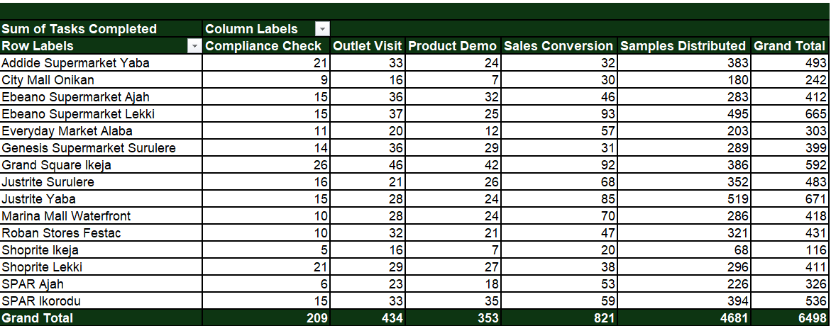

Activity Concentration Chart

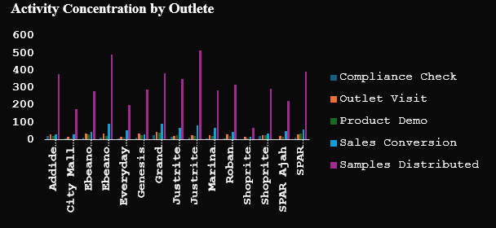

PivotTable 2 — Promoter Efficiency

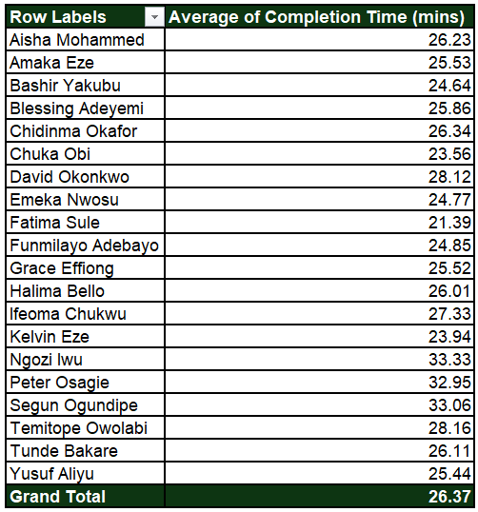

Promoter Efficiency Chart

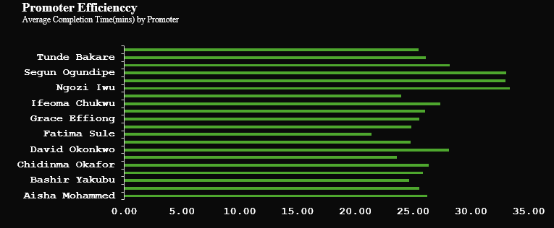

PivotTable 3 — Work Completion Health

Work Completion Health Chart

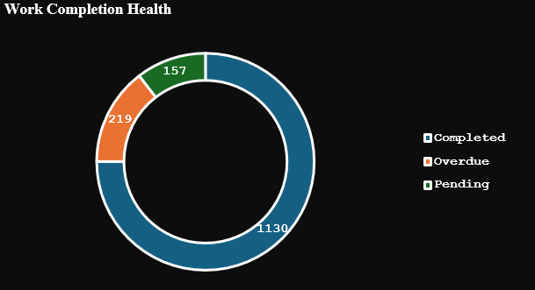

Area Slicer

Dashboard Design

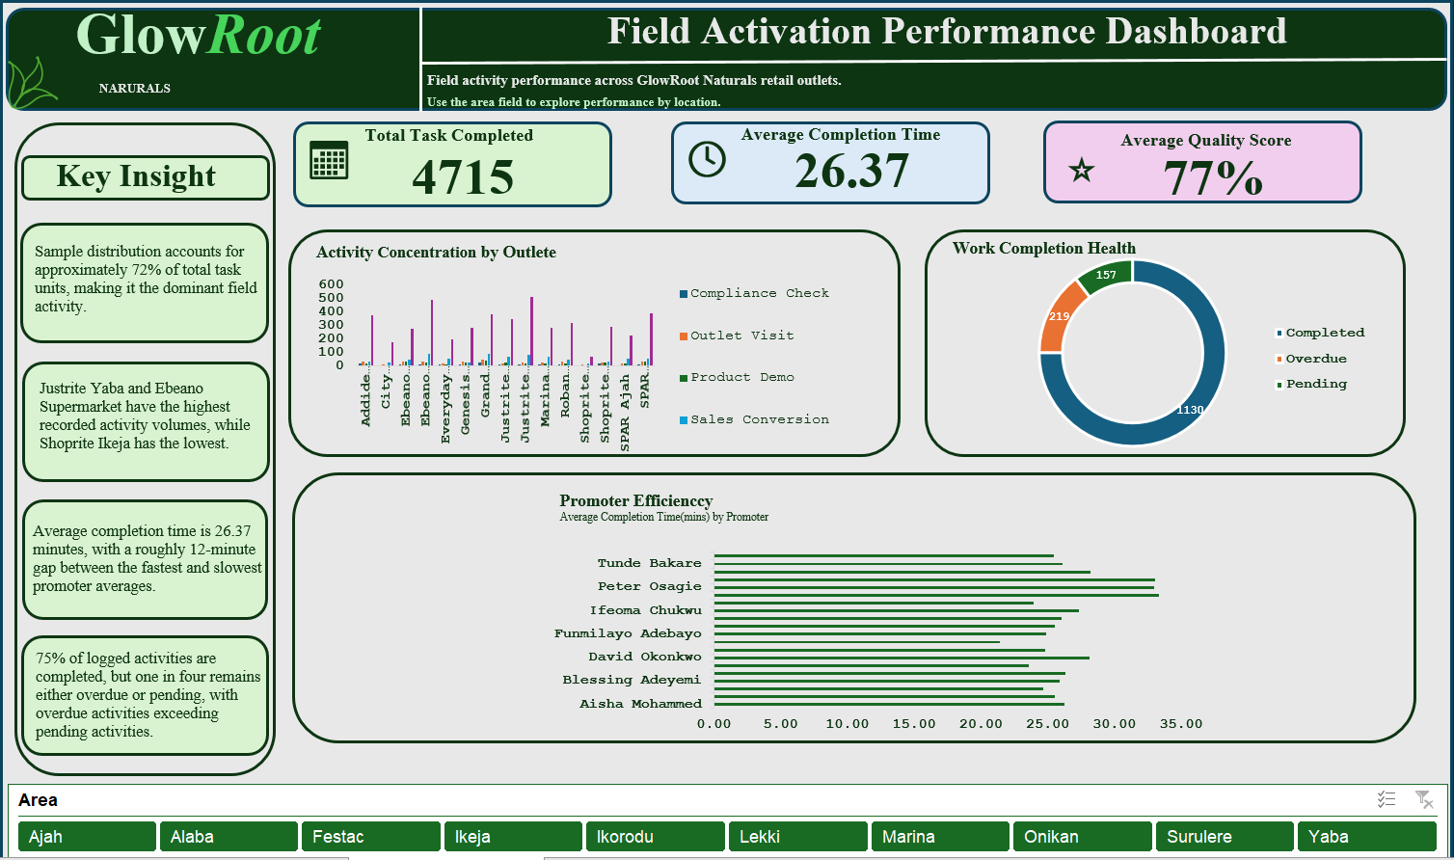

Key Findings

Finding 1 — Sample Distribution dominates activity

Finding 2 — Activity varies significantly between outlets

Finding 3 — Approximately 75% of activity records are completed

Finding 4 — Overdue work exceeds pending work

Finding 5 — Promoter completion times vary

Finding 6 — Area-level patterns differ

Recommendations

Recommendation 1 — Review activity concentration

Recommendation 2 — Prioritize overdue activities

Recommendation 3 — Monitor pending activities

Recommendation 4 — Investigate promoter completion-time differences

Recommendation 5 — Evaluate the concentration of sample distribution

Limitations of my Analysis

Conclusion

