Final Python Output
Python Outputs

Python imports the data from the tabs Bloomberg, Statista, Treasury, Investing.com, Datastream and spits out the following data and chart |  |  |  |  |  |  |  | Python imports the data from the tabs Bloomberg, Statista, Treasury, Investing.com, Datastream and spits out the following data and chart

1. import data from the tabs |  |  |  |  |  |  |  | 1. import data from the tabs
2. calculate last 5 days rolling average for investing.com (only one not calculated in excel calculations) |  |  |  |  |  |  |  | 2. calculate last 5 days rolling average for investing.com (only one not calculated in excel calculations)
3. remove dates that are not in every other series |  |  |  |  |  |  |  | 3. plot the data (in series.py and average.py), did not take care of matching, instead just went as far as data could, interpolated data linearly in between if missing
4. keep remaining dates that match and the corresponding discounted rolling last 5 day averages for each of the series, as shown below
5. plot the data (in series.py and average.py) |  |  |  |  |  |  | NOT EXTENDED, USED ONLY MATCHING |  |  | EXTENDED, USED ALL DATES AVAILABLE
 |  |  |  |  |  |  |  | 1 has all 5 | 1 has no treasury |  | 1 has average no treasury
 | calculated as shown above |  |  |  |  |  |  | extend as far as possible |  |  | use whatever is available
Matching | Statista | Investing.com | Bloomberg | Treasury | Datastream
2022-01-04 | -2 | -2.375 | -1.87 | -3.35375 | -3.278
2022-01-05 | -1.72 | -1.993 | -1.88 | -3.2375 | -3.009 |  |  | data used is straight from the Bloomberg, Statista, Treasury, Investing.com, Datastream tabs
2022-01-06 | -1.59 | -1.77 | -1.913 | -3.134375 | -2.827
2022-01-07 | -1.76 | -1.56 | -1.95 | -3.0505 | -2.646
2022-01-10 | -1.63 | -1.148 | -1.977 | -2.89 | -2.261 | 5 series, matching |  |  | 5 series, extended
2022-01-11 | -1.64 | -0.788 | -1.979 | -2.626 | -1.852
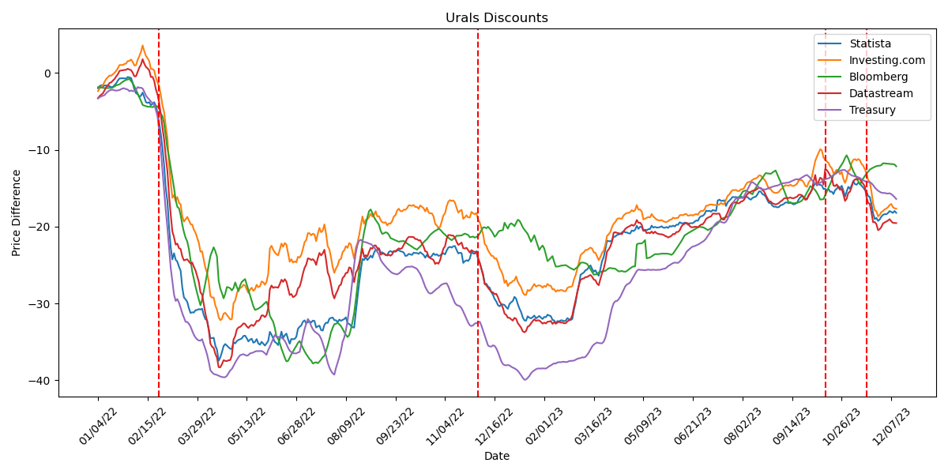
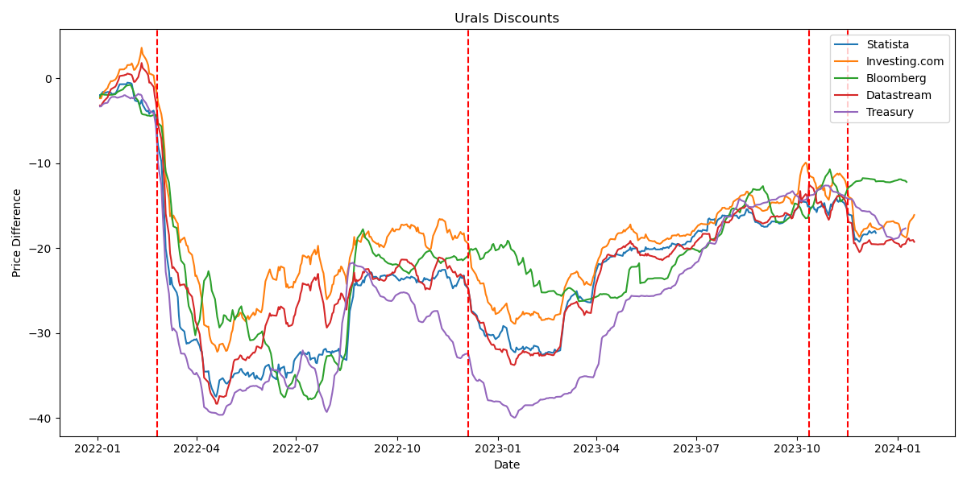
2022-01-12 | -1.69 | -0.562 | -1.974 | -2.4245 | -1.613
2022-01-13 | -1.73 | -0.338 | -1.946 | -2.284 | -1.307
2022-01-14 | -1.88 | -0.368 | -1.959 | -2.205 | -1.231
2022-01-17 | -1.81 | -0.174 | -1.889 | -2.202 | -1.005
2022-01-18 | -1.61 | 0.016 | -1.763 | -2.2785 | -0.788
2022-01-19 | -1.35 | 0.27 | -1.626 | -2.304 | -0.47
2022-01-20 | -1 | 0.608 | -1.561 | -2.277 | -0.185
2022-01-21 | -0.72 | 1.02 | -1.49 | -2.2325 | 0.249
2022-01-24 | -0.71 | 1.03 | -1.324 | -2.1145 | 0.316
2022-01-25 | -0.7 | 1.034 | -1.15 | -2.0115 | 0.336
2022-01-26 | -0.71 | 1.154 | -1.021 | -2.015 | 0.388
2022-01-27 | -0.76 | 1.224 | -0.902 | -2.114 | 0.408
2022-01-28 | -0.53 | 1.536 | -0.861 | -2.168 | 0.535
2022-01-31 | -0.59 | 1.56 | -0.774 | -2.394 | 0.434
2022-02-01 | -0.66 | 1.744 | -1.051 | -2.2815 | 0.365
2022-02-02 | -1.32 | 1.426 | -1.346 | -2.3775 | 0.019
2022-02-03 | -2.14 | 0.964 | -1.751 | -2.3675 | -0.446
2022-02-04 | -2.64 | 1.012 | -2.209 | -2.181 | -0.427
2022-02-07 | -2.77 | 1.688 | -2.684 | -1.8465 | 0.137
2022-02-08 | -3.11 | 2.184 | -3.184 | -1.9455 | 0.691
2022-02-09 | -2.97 | 2.74 | -3.644 | -1.925 | 1.061
2022-02-10 | -2.57 | 3.576 | -4.164 | -2.0415 | 1.787
2022-02-11 | -3.14 | 2.832 | -4.259 | -2.4535 | 1.202
2022-02-14 | -3.81 | 2.212 | -4.321 | -2.9385 | 0.784
2022-02-15 | -3.91 | 1.906 | -4.396 | -3.23 | 0.589 |  |  |  | 4 series, extended, no treasury
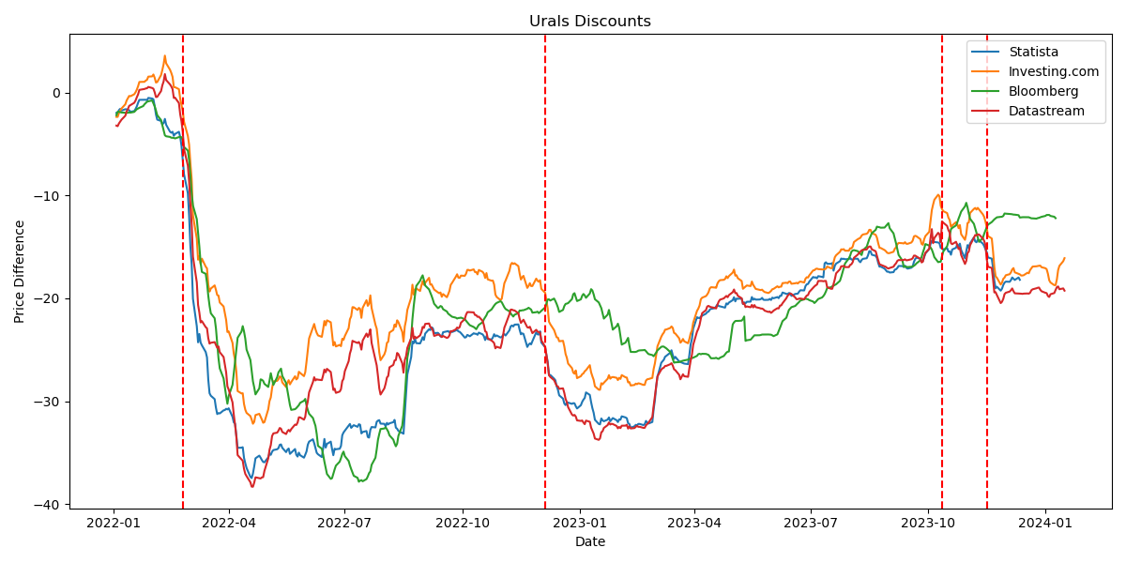
2022-02-16 | -3.82 | 1.518 | -4.41 | -3.461 | 0.333
2022-02-17 | -4.21 | 0.514 | -4.416 | -3.739 | -0.537
2022-02-18 | -4.03 | 0.508 | -4.468 | -3.9275 | -0.514
2022-02-21 | -3.82 | 0.318 | -4.338 | -4.12 | -1.028
2022-02-22 | -4.32 | -0.616 | -4.321 | -4.8055 | -2.122
2022-02-23 | -5.17 | -1.19 | -4.346 | -5.6175 | -2.798
2022-02-24 | -6.51 | -1.79 | -4.659 | -7.453 | -3.832
2022-02-25 | -7.95 | -2.854 | -5.301 | -10.0625 | -5.49
2022-02-28 | -9.79 | -4.228 | -5.649 | -12.5675 | -7.109
2022-03-01 | -12 | -5.082 | -6.596 | -15.3765 | -8.668
2022-03-02 | -15 | -6.918 | -8.25 | -17.894 | -10.872
2022-03-03 | -16.72 | -8.438 | -9.874 | -20.1425 | -12.799
2022-03-04 | -20.05 | -11.944 | -10.99 | -22.781 | -15.959
2022-03-07 | -22.71 | -14.198 | -12.31 | -25.374 | -18.447
2022-03-08 | -24.28 | -16.256 | -13.661 | -27.128 | -20.641
2022-03-09 | -23.47 | -15.902 | -14.96 | -28.8455 | -21.385
2022-03-10 | -24.31 | -16.684 | -16.55 | -29.6785 | -22.347
2022-03-11 | -24.57 | -16.15 | -17.44 | -29.439 | -22.22
2022-03-14 | -25.22 | -16.928 | -17.623 | -29.9135 | -22.807
2022-03-15 | -25.74 | -17.096 | -18.508 | -30.5755 | -22.919
2022-03-16 | -27.91 | -18.694 | -19.754 | -31.2855 | -23.882
2022-03-17 | -29.23 | -19.348 | -20.724 | -31.8365 | -24.406
2022-03-18 | -29.47 | -19.058 | -21.458 | -32.399 | -24.324
2022-03-21 | -29.8 | -18.748 | -21.943 | -32.42 | -24.258
2022-03-22 | -30.63 | -19.18 | -22.911 | -32.654 | -24.545 | Average, matching, no treasury data |  |  | Average, extended, no treasury
2022-03-23 | -31.25 | -19.688 | -24.37 | -33.0255 | -24.808
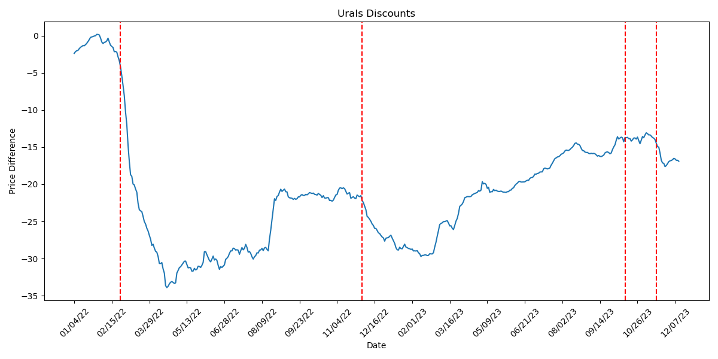
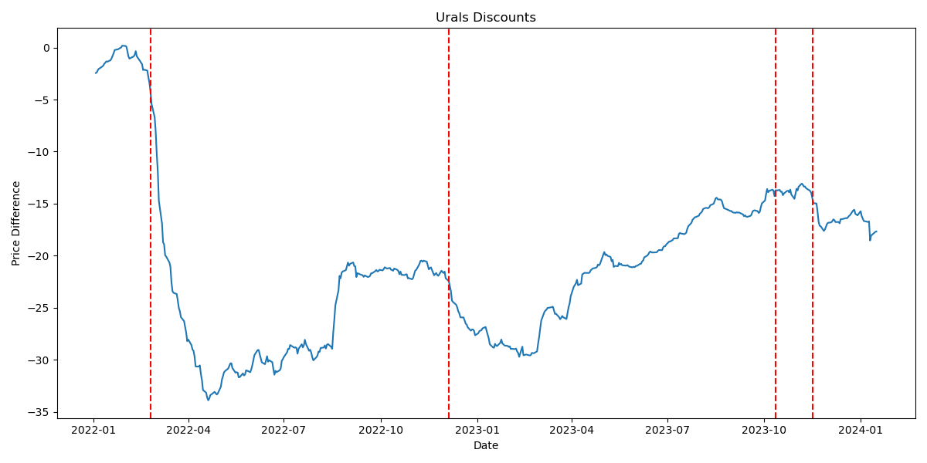
2022-03-24 | -31.16 | -19.742 | -25.819 | -33.571 | -24.678
2022-03-25 | -31.19 | -20.412 | -26.814 | -34.0825 | -25.239
2022-03-28 | -30.89 | -20.796 | -27.788 | -34.45 | -25.706
2022-03-29 | -30.86 | -21.464 | -28.669 | -34.6815 | -26.457
2022-03-30 | -30.74 | -22.106 | -29.495 | -34.8255 | -27.19
2022-03-31 | -30.8 | -23.278 | -30.248 | -34.853 | -28.559
2022-04-01 | -30.69 | -23.222 | -29.491 | -34.654 | -28.872
2022-04-04 | -31.52 | -24.336 | -28.411 | -35.3295 | -30.121
2022-04-05 | -32.06 | -25.388 | -27.304 | -35.944 | -31.324
2022-04-06 | -32.18 | -25.994 | -26.144 | -36.649 | -32.291
2022-04-07 | -33.31 | -27.15 | -24.945 | -37.577 | -33.446
2022-04-08 | -34.53 | -29.016 | -23.836 | -38.694 | -35.236
2022-04-11 | -34.52 | -29.244 | -23.245 | -38.9755 | -35.644
2022-04-12 | -34.47 | -29.228 | -22.703 | -39.178 | -35.79
2022-04-13 | -35.5 | -30.27 | -23.216 | -39.254 | -36.568
2022-04-14 | -36.03 | -30.824 | -23.921 | -39.314 | -37.059
2022-04-19 | -37.47 | -31.786 | -27.019 | -39.4185 | -38.301
2022-04-20 | -37.04 | -32.192 | -28.075 | -39.511 | -38.315
2022-04-21 | -36.34 | -32.008 | -28.658 | -39.5825 | -37.915
2022-04-22 | -35.55 | -31.348 | -29.341 | -39.617 | -37.397
2022-04-25 | -35.29 | -31.228 | -28.746 | -39.6065 | -37.486
2022-04-26 | -35.49 | -31.496 | -27.879 | -39.4275 | -37.51
2022-04-27 | -35.72 | -31.78 | -27.92 | -39.0705 | -37.406
2022-04-28 | -35.9 | -32.098 | -28.026 | -38.727 | -37.38
2022-04-29 | -35.94 | -32.034 | -28.314 | -38.534 | -36.774
2022-05-03 | -35.07 | -29.986 | -28.004 | -38.1405 | -34.714
2022-05-04 | -35.21 | -29.638 | -27.278 | -37.7185 | -34.265
2022-05-05 | -34.91 | -28.734 | -27.851 | -37.3495 | -33.388
2022-05-06 | -34.75 | -28.084 | -28.421 | -37.0085 | -33.13
2022-05-09 | -34.67 | -28.022 | -27.666 | -36.7495 | -33.056
2022-05-10 | -34.56 | -27.87 | -27.2 | -36.6725 | -32.863
2022-05-11 | -34.24 | -27.59 | -27.02 | -36.615 | -32.604
2022-05-12 | -34.2 | -27.666 | -26.834 | -36.7175 | -32.673
2022-05-13 | -34.53 | -28.176 | -27.541 | -36.809 | -32.99
2022-05-16 | -34.95 | -28.626 | -28.236 | -36.73 | -33.194
2022-05-17 | -34.71 | -28.218 | -28.959 | -36.507 | -32.935
2022-05-18 | -34.6 | -27.958 | -29.649 | -36.4595 | -32.786
2022-05-19 | -35.12 | -28.368 | -30.373 | -36.3785 | -32.939
2022-05-20 | -35 | -28.142 | -30.845 | -36.2745 | -32.715
2022-05-23 | -34.65 | -27.578 | -30.775 | -36.201 | -32.276
2022-05-24 | -35.21 | -27.886 | -30.671 | -36.225 | -32.312
2022-05-25 | -35.38 | -27.766 | -30.528 | -36.2005 | -32.076
2022-05-26 | -35 | -27.14 | -30.385 | -36.208 | -31.566
2022-05-27 | -35.25 | -27.256 | -30.16 | -36.304 | -31.573
2022-05-30 | -35.49 | -27.566 | -29.956 | -36.496 | -31.796
2022-05-31 | -35.2 | -27.184 | -29.778 | -36.6895 | -31.508
2022-06-01 | -34.88 | -26.156 | -30.415 | -36.0815 | -30.601
2022-06-06 | -33.7 | -22.848 | -31.628 | -35.6365 | -28.151
2022-06-07 | -34.08 | -22.494 | -32.02 | -35.136 | -27.672
2022-06-08 | -34.54 | -23.012 | -32.401 | -34.6265 | -27.984
2022-06-09 | -35.02 | -23.364 | -33.2 | -34.111 | -27.88
2022-06-10 | -35.16 | -23.61 | -34.34 | -34.3335 | -27.91
2022-06-13 | -35.43 | -23.748 | -34.62 | -34.36 | -27.952
2022-06-14 | -34.61 | -23.024 | -35.188 | -34.3655 | -27.485
2022-06-15 | -33.67 | -22.208 | -35.873 | -34.4235 | -26.925
2022-06-16 | -34.51 | -22.632 | -36.451 | -34.622 | -27.196
2022-06-17 | -34.15 | -22.142 | -37.071 | -34.869 | -26.856
2022-06-20 | -33.93 | -22.334 | -37.551 | -35.288 | -27.164
2022-06-21 | -34.65 | -23.454 | -37.481 | -35.7785 | -28.032
2022-06-22 | -35.25 | -24.584 | -37.054 | -36.1545 | -28.91
2022-06-23 | -34.62 | -24.25 | -36.638 | -36.34 | -28.781
2022-06-24 | -34.67 | -24.68 | -36.269 | -36.482 | -29.191
2022-06-27 | -34.62 | -24.53 | -35.873 | -36.505 | -29.066
2022-06-28 | -34.35 | -24.654 | -35.535 | -36.5135 | -28.833
2022-06-29 | -33.31 | -23.938 | -35.134 | -36.388 | -28.048
2022-06-30 | -33.04 | -24.038 | -34.899 | -36.3205 | -27.826
2022-07-01 | -32.87 | -23.674 | -35.334 | -35.3415 | -27.088
2022-07-04 | -32.38 | -22.906 | -35.809 | -34.2765 | -26.117
2022-07-05 | -32.21 | -22.036 | -36.243 | -33.3495 | -25.364
2022-07-06 | -32.59 | -21.754 | -36.6 | -32.6495 | -24.953
2022-07-07 | -32.45 | -20.862 | -36.925 | -32.0285 | -24.132
2022-07-08 | -32.33 | -20.872 | -37.248 | -32.3885 | -24.197
2022-07-11 | -32.49 | -21.136 | -37.448 | -32.9455 | -24.344
2022-07-12 | -32.24 | -20.932 | -37.825 | -33.3585 | -24.246
2022-07-13 | -32.29 | -21.032 | -37.723 | -33.6465 | -24.464
2022-07-14 | -33.13 | -21.902 | -37.673 | -33.804 | -24.992
2022-07-15 | -32.99 | -20.926 | -37.781 | -33.962 | -24.109
2022-07-18 | -32.9 | -20.186 | -37.568 | -34.172 | -23.428
2022-07-19 | -33.48 | -20.736 | -37.315 | -34.6 | -23.753
2022-07-20 | -33.54 | -20.528 | -36.993 | -35.2055 | -23.487
2022-07-21 | -32.79 | -19.718 | -36.833 | -35.9235 | -23.018
2022-07-22 | -32.51 | -20.946 | -36.186 | -36.822 | -24.339
2022-07-25 | -32.55 | -22.566 | -35.494 | -37.7245 | -25.954
2022-07-26 | -32 | -22.958 | -34.684 | -38.3395 | -26.526
2022-07-27 | -31.89 | -24.032 | -33.74 | -38.784 | -27.571
2022-07-28 | -31.84 | -25.26 | -33.183 | -39.1025 | -28.751
2022-07-29 | -32.18 | -26.018 | -32.703 | -39.278 | -29.354
2022-08-01 | -32.2 | -25.446 | -32.653 | -38.4035 | -28.75
2022-08-02 | -32.45 | -25.078 | -32.538 | -37.7065 | -28.304
2022-08-03 | -32.11 | -24.334 | -32.73 | -37.005 | -27.7
2022-08-04 | -32.26 | -24.222 | -32.955 | -36.1885 | -27.55
2022-08-05 | -32.15 | -23.33 | -33.319 | -34.989 | -26.706
2022-08-08 | -32.04 | -23.078 | -33.734 | -34.4525 | -26.476
2022-08-09 | -31.82 | -22.552 | -34.1 | -33.495 | -26.042
2022-08-10 | -32.57 | -22.77 | -34.384 | -32.286 | -26.004
2022-08-11 | -32.68 | -22.142 | -34.133 | -30.644 | -25.313
2022-08-12 | -32.89 | -22.32 | -33.361 | -28.822 | -25.425
2022-08-15 | -33.1 | -23.262 | -32.386 | -26.8665 | -26.309
2022-08-16 | -33.16 | -24.212 | -31.238 | -24.9725 | -27.23
2022-08-17 | -31.15 | -22.732 | -29.544 | -23.4055 | -26.009
2022-08-18 | -29.27 | -22.128 | -27.69 | -22.4045 | -25.623
2022-08-19 | -27.4 | -21.132 | -25.788 | -21.8345 | -24.823
2022-08-22 | -25.71 | -19.936 | -23.811 | -21.715 | -23.865
2022-08-23 | -24.21 | -18.682 | -22.014 | -21.928 | -22.873
2022-08-24 | -24.36 | -19.644 | -20.754 | -21.999 | -23.937
2022-08-25 | -23.96 | -19.13 | -19.706 | -22.048 | -23.726
2022-08-26 | -24.36 | -19.048 | -18.801 | -22.112 | -23.885
2022-08-30 | -24.11 | -18.768 | -17.999 | -22.219 | -23.289
2022-08-31 | -23.78 | -18.33 | -17.77 | -22.275 | -22.784
2022-09-01 | -24.05 | -18.696 | -18.233 | -22.433 | -22.876
2022-09-02 | -23.43 | -18.494 | -18.763 | -22.663 | -22.49
2022-09-05 | -23.01 | -18.012 | -19.138 | -22.99 | -22.451
2022-09-06 | -23.09 | -18.672 | -19.448 | -23.29 | -22.796
2022-09-07 | -22.82 | -18.646 | -19.765 | -23.649 | -22.885
2022-09-09 | -23.39 | -19.15 | -20.535 | -24.321 | -23.657
2022-09-12 | -23.36 | -19.428 | -20.959 | -24.6625 | -23.53
2022-09-13 | -23.5 | -19.504 | -20.875 | -24.94 | -23.539
2022-09-14 | -23.71 | -19.438 | -20.75 | -25.1895 | -23.658
2022-09-15 | -23.72 | -19.852 | -20.813 | -25.444 | -23.771
2022-09-16 | -23.3 | -19.588 | -21.06 | -25.6595 | -23.661
2022-09-20 | -23.19 | -19.614 | -21.495 | -25.8655 | -23.796
2022-09-21 | -23.32 | -19.278 | -21.594 | -26.03 | -23.606
2022-09-22 | -23.22 | -18.692 | -21.701 | -26.1195 | -23.188
2022-09-23 | -23.28 | -18.512 | -21.791 | -26.175 | -23.206
2022-09-26 | -23.13 | -17.906 | -21.886 | -26.2245 | -23.024
2022-09-27 | -23.06 | -17.668 | -21.969 | -26.111 | -22.841
2022-09-28 | -23.22 | -17.994 | -21.919 | -25.94 | -22.912
2022-09-29 | -23.26 | -18.016 | -21.91 | -25.702 | -22.805
2022-09-30 | -23.38 | -17.8 | -21.878 | -25.5435 | -22.376
2022-10-03 | -23.82 | -17.818 | -22.035 | -25.333 | -22.024
2022-10-04 | -23.78 | -17.616 | -22.188 | -25.254 | -21.596
2022-10-05 | -23.56 | -17.238 | -22.35 | -25.226 | -21.348
2022-10-06 | -23.63 | -17.246 | -22.484 | -25.23 | -21.341
2022-10-07 | -23.69 | -17.306 | -22.619 | -25.1895 | -21.351
2022-10-10 | -23.4 | -17.192 | -22.789 | -25.289 | -21.371
2022-10-11 | -23.45 | -17.452 | -22.891 | -25.381 | -21.624
2022-10-12 | -23.45 | -17.448 | -23.008 | -25.515 | -21.641
2022-10-13 | -23.55 | -17.678 | -22.784 | -25.8395 | -21.804
2022-10-14 | -23.34 | -17.248 | -22.583 | -26.188 | -21.786
2022-10-17 | -23.51 | -17.434 | -22.324 | -26.6735 | -22.196
2022-10-18 | -23.69 | -17.612 | -22.041 | -27.2645 | -22.606
2022-10-19 | -24.06 | -18.026 | -21.846 | -27.839 | -23.214
2022-10-20 | -23.68 | -17.55 | -21.646 | -28.259 | -23.278
2022-10-21 | -23.97 | -18.162 | -21.354 | -28.593 | -23.892
2022-10-24 | -24 | -18.292 | -21.083 | -28.72 | -24.112
2022-10-25 | -23.82 | -18.276 | -20.899 | -28.672 | -24.212
2022-10-26 | -23.49 | -18.658 | -20.711 | -28.47 | -24.354
2022-10-27 | -23.7 | -19.634 | -20.556 | -28.299 | -24.863
2022-10-28 | -23.61 | -19.872 | -20.451 | -28.087 | -24.71
2022-10-31 | -23.81 | -20.178 | -20.281 | -27.958 | -24.835
2022-11-01 | -23.76 | -20.042 | -20.39 | -27.7285 | -24.368
2022-11-02 | -23.57 | -19.318 | -20.625 | -27.5545 | -23.59
2022-11-03 | -23.48 | -18.546 | -20.873 | -27.4625 | -22.864
2022-11-04 | -23.62 | -18.264 | -21.046 | -27.4045 | -22.549
2022-11-07 | -23.11 | -17.334 | -21.266 | -27.3885 | -21.543
2022-11-08 | -22.73 | -16.748 | -21.468 | -27.7985 | -21.103
2022-11-09 | -22.64 | -16.56 | -21.626 | -28.3905 | -21.101
2022-11-10 | -22.74 | -16.668 | -21.779 | -28.9115 | -21.169
2022-11-11 | -22.56 | -16.596 | -21.598 | -29.4505 | -21.18
2022-11-14 | -22.54 | -16.878 | -21.444 | -29.9605 | -21.459
2022-11-15 | -23.05 | -17.598 | -21.185 | -30.2045 | -21.993
2022-11-16 | -23.5 | -18.178 | -21.2 | -30.2905 | -22.395
2022-11-17 | -23.41 | -17.96 | -21.166 | -30.3705 | -22.246
2022-11-18 | -23.46 | -17.822 | -21.161 | -30.6245 | -22.086
2022-11-21 | -24.73 | -18.992 | -21.019 | -31.0605 | -22.816
2022-11-22 | -24.51 | -18.794 | -20.92 | -31.5455 | -22.858
2022-11-23 | -24.39 | -18.53 | -21.006 | -32.0455 | -22.762
2022-11-24 | -24.48 | -18.814 | -21.096 | -32.5045 | -23.067
2022-11-25 | -24.17 | -18.81 | -21.399 | -32.8455 | -23.388
2022-11-28 | -23.31 | -18.088 | -21.351 | -32.9525 | -23.064
2022-11-29 | -23.5 | -18.294 | -21.301 | -32.8465 | -23.226
2022-11-30 | -23.53 | -18.392 | -21.44 | -32.614 | -23.3
2022-12-01 | -23.21 | -18.244 | -21.346 | -32.5705 | -23.324
2022-12-02 | -24.3 | -19.088 | -21.22 | -32.481 | -24.077
2022-12-05 | -24.76 | -19.474 | -20.893 | -32.3825 | -24.716
2022-12-06 | -25.53 | -20.228 | -20.489 | -32.894 | -25.495
2022-12-07 | -26.16 | -20.986 | -20.119 | -33.536 | -26.369
2022-12-08 | -27.45 | -22.274 | -20.1 | -34.202 | -27.481
2022-12-09 | -27.45 | -22.516 | -20.22 | -34.843 | -27.64
2022-12-12 | -27.81 | -23.088 | -20.026 | -35.482 | -27.958
2022-12-13 | -27.97 | -23.442 | -20.266 | -35.598 | -28.224
2022-12-14 | -28.54 | -23.792 | -20.55 | -35.622 | -28.502
2022-12-15 | -28.89 | -23.824 | -20.885 | -35.456 | -28.566
2022-12-16 | -29.43 | -24.178 | -21.33 | -35.541 | -28.801
2022-12-19 | -29.75 | -24.132 | -21.131 | -35.852 | -28.754
2022-12-20 | -30.22 | -24.674 | -20.76 | -36.336 | -29.196
2022-12-21 | -30.38 | -25.41 | -20.549 | -36.921 | -29.78
2022-12-22 | -30.13 | -25.782 | -20.515 | -37.517 | -30.086
2022-12-23 | -30.14 | -26.348 | -20.469 | -37.894 | -30.586
2022-12-28 | -30.21 | -27.33 | -19.506 | -38.037 | -31.332
2022-12-29 | -30.49 | -27.012 | -19.904 | -38.063 | -31.493
2022-12-30 | -30.71 | -27.76 | -20.271 | -38.02 | -31.867
2023-01-03 | -30.07 | -27.376 | -19.758 | -38.074 | -31.875
2023-01-04 | -29.85 | -27.3 | -19.58 | -38.238 | -32.074
2023-01-05 | -29.69 | -27.092 | -19.72 | -38.355 | -32.232
2023-01-06 | -29.15 | -26.988 | -19.953 | -38.453 | -31.885
2023-01-09 | -29.39 | -26.5 | -19.534 | -38.591 | -32.002
2023-01-10 | -30.09 | -27.19 | -19.115 | -38.773 | -32.562
2023-01-11 | -30.67 | -27.576 | -19.24 | -39.048 | -32.86
2023-01-12 | -31.12 | -27.924 | -19.613 | -39.345 | -33.149
2023-01-13 | -31.81 | -28.55 | -20.093 | -39.678 | -33.63
2023-01-16 | -32.21 | -28.884 | -20.403 | -39.934 | -33.757
2023-01-17 | -32.25 | -28.888 | -20.674 | -39.912 | -33.607
2023-01-18 | -31.68 | -28.252 | -20.954 | -39.694 | -33.024
2023-01-19 | -31.86 | -28.36 | -21.476 | -39.453 | -32.918
2023-01-20 | -31.95 | -28.21 | -21.975 | -39.103 | -32.6
2023-01-23 | -31.79 | -27.82 | -21.583 | -38.865 | -32.321
2023-01-24 | -31.58 | -27.472 | -21.131 | -38.718 | -32.064
2023-01-25 | -31.95 | -27.816 | -21.77 | -38.568 | -32.27
2023-01-26 | -31.8 | -27.688 | -22.405 | -38.478 | -32.198
2023-01-27 | -31.64 | -27.65 | -23.051 | -38.477 | -32.221
2023-01-30 | -31.85 | -27.726 | -22.715 | -38.48 | -32.408
2023-01-31 | -32.03 | -27.95 | -22.47 | -38.463 | -32.638
2023-02-01 | -31.77 | -27.726 | -22.85 | -38.476 | -32.503
2023-02-02 | -31.8 | -27.838 | -23.643 | -38.479 | -32.617
2023-02-03 | -31.47 | -27.464 | -24.501 | -38.348 | -32.382
2023-02-06 | -31.58 | -27.68 | -24.305 | -38.175 | -32.374
2023-02-07 | -31.66 | -27.706 | -24.073 | -38.075 | -32.288
2023-02-08 | -32.14 | -28.174 | -23.849 | -37.925 | -32.663
2023-02-09 | -32.22 | -28.146 | -24.591 | -37.805 | -32.454
2023-02-10 | -32.58 | -28.474 | -25.209 | -37.831 | -32.65
2023-02-14 | -32.3 | -28.292 | -25.21 | -37.688 | -32.492
2023-02-15 | -32.35 | -28.348 | -25.166 | -37.648 | -32.402
2023-02-16 | -32.21 | -28.26 | -25.091 | -37.663 | -32.489
2023-02-17 | -32.21 | -28.286 | -25.064 | -37.605 | -32.489
2023-02-20 | -32.32 | -28.418 | -25.041 | -37.603 | -32.591
2023-02-21 | -32.25 | -28.412 | -25.019 | -37.641 | -32.585
2023-02-22 | -31.92 | -28 | -25.139 | -37.62 | -32.348
2023-02-23 | -32.07 | -27.872 | -25.294 | -37.513 | -32.216
2023-02-24 | -32.17 | -27.85 | -25.421 | -37.489 | -32.08
2023-02-27 | -32.02 | -27.736 | -25.518 | -37.476 | -31.546
2023-02-28 | -30.81 | -26.884 | -25.633 | -37.443 | -30.479
2023-03-01 | -29.9 | -26.324 | -25.465 | -37.327 | -29.554
2023-03-02 | -28.57 | -25.532 | -25.28 | -37.223 | -28.557
2023-03-03 | -27.63 | -24.67 | -25.064 | -37.15 | -27.585
2023-03-06 | -26.27 | -23.738 | -24.718 | -37.112 | -26.93
2023-03-07 | -26.12 | -23.502 | -24.684 | -37.016 | -26.804
2023-03-08 | -25.97 | -23.338 | -24.699 | -37.045 | -26.742
2023-03-09 | -25.68 | -23.05 | -24.784 | -36.943 | -26.575
2023-03-10 | -25.59 | -23.032 | -24.87 | -36.697 | -26.568
2023-03-13 | -25.29 | -22.886 | -25.218 | -36.376 | -26.41
2023-03-14 | -25.05 | -22.734 | -25.544 | -35.995 | -26.307
2023-03-15 | -25.52 | -22.88 | -25.915 | -35.61 | -26.537
2023-03-16 | -25.88 | -23.362 | -26.26 | -35.371 | -26.9
2023-03-17 | -25.69 | -23.426 | -26.228 | -35.21 | -26.988
2023-03-20 | -26.14 | -23.888 | -26.201 | -35.095 | -27.438
2023-03-27 | -26.4 | -24.372 | -25.959 | -35.162 | -27.632
2023-03-28 | -25.51 | -23.954 | -25.905 | -35.182 | -26.81
2023-03-29 | -24.49 | -23.422 | -25.858 | -35.201 | -26.07
2023-03-30 | -23.96 | -23.136 | -25.801 | -34.969 | -25.5
2023-03-31 | -22.96 | -22.378 | -25.776 | -34.469 | -24.526
2023-04-03 | -21.84 | -21.22 | -25.595 | -33.629 | -23.244
2023-04-04 | -21.9 | -21.008 | -25.43 | -32.594 | -22.977
2023-04-05 | -21.93 | -20.704 | -25.391 | -31.519 | -22.592
2023-04-06 | -21.78 | -20.1 | -25.443 | -30.606 | -21.983
2023-04-11 | -21.34 | -19.634 | -25.455 | -29.985 | -20.8
2023-04-12 | -21.3 | -19.42 | -25.498 | -29.72 | -20.739
2023-04-13 | -21.1 | -19.044 | -25.671 | -29.692 | -20.814
2023-04-14 | -21.03 | -18.922 | -25.833 | -29.47 | -20.864
2023-04-17 | -20.96 | -18.956 | -25.824 | -29.168 | -20.934
2023-04-18 | -20.78 | -18.982 | -25.779 | -28.716 | -20.991
2023-04-19 | -20.61 | -18.57 | -25.856 | -28.266 | -20.626
2023-04-20 | -20.75 | -18.354 | -25.886 | -27.799 | -20.32
2023-04-21 | -20.78 | -18.24 | -25.778 | -27.538 | -20.138
2023-04-24 | -20.87 | -18.206 | -25.606 | -27.433 | -20.01
2023-04-25 | -20.91 | -18.122 | -25.446 | -27.275 | -19.894
2023-04-26 | -20.5 | -17.862 | -25.29 | -26.902 | -19.77
2023-04-27 | -20.59 | -18.038 | -25.19 | -26.52 | -19.902
2023-04-28 | -20.42 | -17.844 | -25.176 | -26.15 | -19.692
2023-05-02 | -19.9 | -17.212 | -22.339 | -25.784 | -19.146
2023-05-03 | -20.3 | -17.8 | -22.211 | -25.597 | -19.5
2023-05-04 | -20.03 | -17.774 | -22.198 | -25.63 | -19.494
2023-05-05 | -20.05 | -18.05 | -22.198 | -25.641 | -19.762
2023-05-09 | -20.56 | -19.078 | -22.019 | -25.662 | -20.534
2023-05-10 | -20.4 | -18.972 | -21.769 | -25.685 | -20.484
2023-05-11 | -20.49 | -18.874 | -24.136 | -25.64 | -20.855
2023-05-12 | -20.34 | -18.756 | -24.081 | -25.595 | -20.79
2023-05-15 | -20.33 | -18.814 | -24.023 | -25.648 | -20.874
2023-05-16 | -19.88 | -18.372 | -23.88 | -25.643 | -20.644
2023-05-17 | -20.14 | -18.688 | -23.73 | -25.617 | -20.888
2023-05-18 | -20.04 | -18.896 | -23.594 | -25.642 | -20.66
2023-05-19 | -20.13 | -19.09 | -23.598 | -25.652 | -20.86
2023-05-22 | -20.12 | -19.178 | -23.591 | -25.624 | -20.949
2023-05-23 | -20.08 | -19.206 | -23.566 | -25.634 | -20.997
2023-05-24 | -19.96 | -19.162 | -23.525 | -25.567 | -21.002
2023-05-25 | -20.14 | -19.298 | -23.523 | -25.51 | -21.066
2023-05-26 | -20.16 | -19.394 | -23.525 | -25.473 | -21.202
2023-05-30 | -20.06 | -19.404 | -23.53 | -25.351 | -21.286
2023-05-31 | -20.17 | -19.292 | -23.538 | -25.142 | -21.418
2023-06-01 | -19.94 | -19.122 | -23.601 | -25.019 | -21.327
2023-06-02 | -20 | -19.086 | -23.679 | -24.871 | -21.198
2023-06-05 | -19.88 | -18.834 | -23.506 | -24.754 | -20.962
2023-06-06 | -19.99 | -18.938 | -23.193 | -24.692 | -20.99
2023-06-07 | -19.76 | -18.876 | -22.871 | -24.714 | -20.711
2023-06-08 | -19.76 | -18.87 | -22.559 | -24.73 | -20.694
2023-06-09 | -19.44 | -18.528 | -22.225 | -24.55 | -20.487
2023-06-12 | -19.57 | -18.488 | -21.894 | -24.324 | -19.997
2023-06-13 | -19.59 | -18.532 | -21.529 | -24.073 | -19.752
2023-06-14 | -19.49 | -18.386 | -21.144 | -23.76 | -19.636
2023-06-15 | -19.52 | -18.372 | -21.003 | -23.323 | -19.533
2023-06-16 | -19.77 | -18.59 | -20.865 | -23.103 | -19.578
2023-06-19 | -19.58 | -18.542 | -20.743 | -22.917 | -19.926
2023-06-20 | -19.56 | -18.496 | -20.609 | -22.723 | -20.091
2023-06-21 | -19.55 | -18.564 | -20.49 | -22.588 | -20.087
2023-06-22 | -19.36 | -18.432 | -20.363 | -22.545 | -20.03
2023-06-23 | -19.22 | -18.376 | -20.22 | -22.442 | -20.025
2023-06-26 | -19.24 | -18.464 | -20.108 | -22.331 | -20.099
2023-06-27 | -18.82 | -18.104 | -20.026 | -22.244 | -19.899
2023-06-28 | -18.64 | -17.958 | -20.069 | -22.072 | -19.737
2023-06-29 | -18.61 | -17.984 | -20.1 | -21.959 | -19.686
2023-06-30 | -18.38 | -17.77 | -20.184 | -21.787 | -19.385
2023-07-03 | -17.93 | -17.29 | -20.316 | -21.54 | -18.989
2023-07-04 | -17.99 | -17.274 | -20.461 | -21.204 | -18.848
2023-07-05 | -17.96 | -17.152 | -20.349 | -20.92 | -18.743
2023-07-06 | -18.06 | -17.118 | -20.213 | -20.521 | -18.667
2023-07-07 | -17.85 | -17.166 | -20.07 | -20.114 | -18.316
2023-07-10 | -17.92 | -17.19 | -19.923 | -19.796 | -18.318
2023-07-11 | -17.97 | -17.206 | -19.789 | -19.569 | -18.348
2023-07-12 | -16.61 | -17.178 | -19.605 | -19.381 | -18.317
2023-07-13 | -16.5 | -17.126 | -19.341 | -19.335 | -18.315
2023-07-14 | -16.65 | -16.916 | -19.009 | -19.396 | -18.922
2023-07-17 | -16.65 | -17.082 | -18.926 | -19.472 | -19.078
2023-07-18 | -16.58 | -17.062 | -18.838 | -19.507 | -19.077
2023-07-19 | -17.32 | -16.498 | -18.769 | -19.367 | -18.604
2023-07-20 | -16.84 | -16.014 | -18.7 | -19.01 | -18.153
2023-07-21 | -16.63 | -15.82 | -18.639 | -18.382 | -17.579
2023-07-24 | -16.4 | -15.488 | -18.308 | -17.719 | -17.18
2023-07-25 | -16.14 | -15.246 | -17.93 | -17.101 | -16.891
2023-07-26 | -16.18 | -15.26 | -17.488 | -16.648 | -16.886
2023-07-27 | -16.16 | -15.228 | -17.053 | -16.355 | -16.851
2023-07-28 | -16.21 | -15.376 | -16.623 | -16.315 | -16.967
2023-07-31 | -16.19 | -15.376 | -16.119 | -16.309 | -16.971
2023-08-01 | -16.08 | -15.144 | -15.859 | -16.263 | -16.759
2023-08-02 | -16.23 | -15.15 | -15.473 | -16.281 | -16.695
2023-08-03 | -16.26 | -14.978 | -15.359 | -16.025 | -16.494
2023-08-04 | -16.15 | -14.536 | -15.323 | -15.589 | -16.065
2023-08-07 | -16.16 | -14.256 | -15.42 | -15.177 | -15.757
2023-08-08 | -16.38 | -14.194 | -15.548 | -14.768 | -15.603
2023-08-09 | -16.5 | -14.126 | -15.671 | -14.315 | -15.47
2023-08-10 | -16.28 | -13.912 | -15.798 | -14.217 | -15.345
2023-08-11 | -16.17 | -13.802 | -15.333 | -14.368 | -15.292
2023-08-14 | -16.11 | -13.732 | -14.985 | -14.525 | -15.258
2023-08-15 | -15.83 | -13.608 | -14.624 | -14.73 | -15.06
2023-08-16 | -15.42 | -13.348 | -14.24 | -14.928 | -14.971
2023-08-17 | -15.44 | -13.352 | -13.973 | -15.063 | -14.97
2023-08-18 | -15.77 | -13.678 | -13.675 | -15.142 | -15.248
2023-08-21 | -15.87 | -13.826 | -13.353 | -15.172 | -15.43
2023-08-22 | -16.08 | -14.106 | -13.04 | -15.169 | -15.885
2023-08-23 | -16.56 | -14.648 | -13.076 | -15.069 | -16.311
2023-08-24 | -16.93 | -15.092 | -13.099 | -14.97 | -16.691
2023-08-25 | -16.92 | -15.116 | -13.143 | -14.904 | -16.744
2023-08-29 | -17.27 | -15.424 | -12.981 | -14.832 | -16.952
2023-08-30 | -17.42 | -15.574 | -12.834 | -14.755 | -17.058
2023-08-31 | -17.41 | -15.622 | -12.696 | -14.702 | -17.109
2023-09-01 | -17.5 | -15.604 | -13.193 | -14.662 | -17.056
2023-09-04 | -17.46 | -15.48 | -13.694 | -14.598 | -16.931
2023-09-05 | -17.22 | -15.184 | -14.186 | -14.452 | -16.733
2023-09-06 | -17.18 | -15.052 | -14.671 | -14.371 | -16.599
2023-09-07 | -17.05 | -14.758 | -15.226 | -14.353 | -16.364
2023-09-08 | -16.86 | -14.622 | -15.793 | -14.314 | -16.286
2023-09-11 | -16.87 | -14.65 | -16.341 | -14.288 | -16.295
2023-09-12 | -16.96 | -14.674 | -16.941 | -14.272 | -16.275
2023-09-13 | -16.83 | -14.552 | -16.93 | -14.156 | -16.216
2023-09-14 | -17.03 | -14.702 | -16.939 | -14.062 | -16.313
2023-09-15 | -17.12 | -14.71 | -16.969 | -13.972 | -16.298
2023-09-18 | -17.03 | -14.582 | -16.934 | -13.863 | -16.208
2023-09-19 | -16.91 | -14.406 | -16.908 | -13.837 | -16.113
2023-09-20 | -16.46 | -13.992 | -16.838 | -13.87 | -15.856
2023-09-21 | -16.18 | -13.93 | -16.745 | -13.747 | -15.856
2023-09-22 | -16.05 | -13.976 | -16.605 | -13.607 | -15.939
2023-09-25 | -16.17 | -14.252 | -16.313 | -13.481 | -16.166
2023-09-26 | -16.38 | -14.72 | -15.979 | -13.349 | -16.52
2023-09-27 | -16.37 | -14.8 | -15.549 | -13.289 | -16.444
2023-09-28 | -16.01 | -14.268 | -15.186 | -13.472 | -15.909
2023-09-29 | -15.65 | -13.95 | -14.73 | -13.682 | -15.578
2023-10-02 | -15.2 | -13.54 | -14.881 | -13.943 | -15.189
2023-10-03 | -14.72 | -12.45 | -15.06 | -14.215 | -14.136
2023-10-04 | -14.41 | -11.444 | -15.261 | -14.418 | -13.282
2023-10-05 | -14.46 | -10.902 | -15.605 | -14.464 | -14.646
2023-10-06 | -14.53 | -10.426 | -16.006 | -14.419 | -14.141
2023-10-09 | -14.58 | -9.934 | -16.491 | -14.301 | -13.637
2023-10-10 | -14.65 | -10.098 | -16.454 | -14.174 | -13.775
2023-10-11 | -15.11 | -11.016 | -16.449 | -13.989 | -14.544
2023-10-12 | -15.07 | -11.34 | -15.918 | -13.843 | -12.523
2023-10-13 | -15.3 | -11.536 | -15.456 | -13.78 | -12.655
2023-10-16 | -15.11 | -11.722 | -14.944 | -13.719 | -12.969
2023-10-17 | -15.46 | -12.16 | -14.468 | -13.604 | -13.37
2023-10-18 | -15.45 | -12.398 | -13.948 | -13.451 | -13.618
2023-10-19 | -15.77 | -13.056 | -13.29 | -13.3 | -14.647
2023-10-20 | -15.26 | -12.922 | -13.164 | -13.145 | -14.742
2023-10-23 | -15.09 | -12.6 | -12.92 | -13.037 | -14.511
2023-10-24 | -14.75 | -12.806 | -12.618 | -12.835 | -14.881
2023-10-25 | -15.03 | -13.188 | -12.251 | -12.738 | -15.216
2023-10-26 | -14.69 | -12.884 | -11.931 | -12.666 | -15.1
2023-10-27 | -15.32 | -13.774 | -11.578 | -12.626 | -15.795
2023-10-30 | -16.11 | -14.318 | -11.071 | -12.652 | -16.665
2023-10-31 | -15.44 | -13.764 | -10.723 | -12.829 | -16.375
2023-11-01 | -14.83 | -12.694 | -11.166 | -13.018 | -15.609
2023-11-02 | -15.09 | -12.626 | -11.766 | -13.204 | -15.459
2023-11-03 | -14.66 | -11.71 | -12.27 | -13.347 | -14.844
2023-11-06 | -14.08 | -11.316 | -12.769 | -13.41 | -14.127
2023-11-07 | -14.47 | -11.224 | -13.196 | -13.464 | -13.852
2023-11-08 | -14.56 | -11.38 | -13.626 | -13.508 | -13.893
2023-11-09 | -14.31 | -11.212 | -14.089 | -13.58 | -13.792
2023-11-10 | -14.37 | -11.368 | -14.518 | -13.684 | -13.802
2023-11-13 | -14.69 | -11.844 | -14.133 | -13.827 | -14.184
2023-11-14 | -14.91 | -12.082 | -13.748 | -13.985 | -14.417
2023-11-15 | -15.21 | -12.52 | -13.429 | -14.101 | -14.791
2023-11-16 | -15.48 | -13.074 | -13.1 | -14.131 | -16.152
2023-11-17 | -16.03 | -13.952 | -12.849 | -14.215 | -16.936
2023-11-20 | -16.15 | -14.19 | -12.594 | -14.238 | -17.053
2023-11-21 | -17.07 | -15.458 | -12.455 | -14.367 | -18.162
2023-11-22 | -18.3 | -16.964 | -12.331 | -14.599 | -19.436
2023-11-23 | -19.02 | -17.868 | -12.228 | -14.908 | -19.41
2023-11-24 | -18.88 | -18.002 | -12.134 | -15.135 | -19.686
2023-11-27 | -19.26 | -18.668 | -12.086 | -15.331 | -20.469
2023-11-28 | -19.07 | -18.482 | -12.074 | -15.469 | -20.342
2023-11-29 | -18.71 | -18.11 | -12.005 | -15.591 | -20.062
2023-11-30 | -18.48 | -17.988 | -11.763 | -15.628 | -19.595
2023-12-01 | -18.38 | -17.76 | -11.778 | -15.626 | -19.463
2023-12-04 | -18.4 | -17.662 | -11.806 | -15.691 | -19.349
2023-12-05 | -18.24 | -17.484 | -11.82 | -15.697 | -19.222
2023-12-06 | -17.98 | -17.198 | -11.838 | -15.672 | -19.044
2023-12-07 | -18.1 | -17.066 | -11.869 | -15.778 | -19.31
2023-12-08 | -18.22 | -17.478 | -11.874 | -15.957 | -19.518
2023-12-11 | -17.98 | -17.624 | -11.926 | -16.171 | -19.536
2023-12-12 | -18.21 | -17.678 | -12.156 | -16.415 | -19.549

