Sheet1
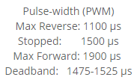
 | Calc |  | Meas
fPWM | 504 | Hz
tP | 1984.1269841 | us

Max | 244.188 | 240 | 1960
DeadHi | 195.993
Mid | 192.78 | 19 | 1540
DeadLo | 189.567
MaxR | 141.372

Steps | 48.195

 | 31250 | 504

Base | 62.003968254
 |  |  |  | 243.90243902
Max | 236
Min | 186
Steps | 50

