Sheet1
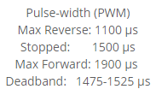
 | Calc
fPWM | 487 | Hz
tP | 2053.3880903 | us

Max | 235.9515 | #
DeadHi | 189.382125 | #
Mid | 186.2775 | #
DeadLo | 183.172875 | #
MaxR | 136.6035 | #
Min | 153.38809035 | us
Steps | 46.569375 | #

Max | 236
Min | 186
Steps | 50

