Geometry
MFD | length | width
 | 96 | 48
Floor Area | 4608 | ft^2
floorMaximumXDimension | 1152 | in
floorMaximumZDimension | 576 | in
Num of Stories | 4
MFD 96 x 48 Wood Panel Properties |  | Grid A |  |  |  |  |  |  | Grid B |  |  |  | Grid C |  |  |  |  |  |  | Total
 |  | Panel 1 (X1) | NSC Ext | Panel 2 (X2) | NSC Ext | Panel 3( X3) | NSC Ext | Panel 4 (X4) | Panel 5 (X5A+B) | Panel 6 (X6A+B) | Panel 5 (X5A+B) | Panel 6 (X6A+B) | Panel 7 (X1) | NSC Ext | Panel 8 (X2) | NSC Ext | Panel 9( X3) | NSC Ext | Panel 10 (X4)
 | x | 24 | 192 | 384 | 576 | 768 | 960 | 1128 | 384 | 768 | 384 | 768 | 24 | 192 | 384 | 576 | 768 | 960 | 1128
 | z | 0 | 0 | 0 | 0 | 0 | 0 | 0 | 288 | 288 | 288 | 288 | 576 | 576 | 576 | 576 | 576 | 576 | 576
 | Height | 120 | 120 | 120 | 120 | 120 | 120 | 120 | 120 | 120 | 120 | 120 | 120 | 120 | 120 | 120 | 120 | 120 | 120
 | Opensees Tag 1st story | 1 | 17 | 1 | 17 | 1 | 17 | 1 | 2 | 9 | 2 | 9 | 1 | 17 | 1 | 17 | 1 | 17 | 1
 | Tag Interior 1st story | 18 | 18 | 18 | 18 | 18 | 18 | 18 | 17 | 17 | 17 | 17 | 18 | 18 | 18 | 18 | 18 | 18 | 18
 | Opensees Tag 2nd story | 1 | 17 | 1 | 17 | 1 | 17 | 1 | 2 | 2 | 2 | 2 | 1 | 17 | 1 | 17 | 1 | 17 | 1
 | Tag Interior 2nd story | 18 | 18 | 18 | 18 | 18 | 18 | 18 | 17 | 17 | 17 | 17 | 18 | 18 | 18 | 18 | 18 | 18 | 18
 | Opensees Tag 3rd story | 13 | 17 | 1 | 17 | 1 | 17 | 1 | 1 | 2 | 1 | 2 | 13 | 17 | 1 | 17 | 1 | 17 | 1
 | Tag Interior 3rd story | 18 | 18 | 18 | 18 | 18 | 18 | 18 | 17 | 17 | 17 | 17 | 18 | 18 | 18 | 18 | 18 | 18 | 18
 | Opensees Tag 4th story | 13 | 17 | 1 | 17 | 13 | 17 | 13 | 1 | 1 | 1 | 1 | 13 | 17 | 1 | 17 | 17 | 17 | 13
 | Tag Interior 4th story | 18 | 18 | 18 | 18 | 18 | 18 | 18 | 17 | 17 | 17 | 17 | 18 | 18 | 18 | 18 | 18 | 18 | 18
 | Pinching4 Index | 0 | 1 | 2 | 3 | 4 | 5 | 6 | 7 | 8 | 9 | 10 | 11 | 12 | 13 | 14 | 15 | 16 | 17
 | Length | 96 | 108 | 120 | 144 | 120 | 192 | 96 | 288 | 336 | 288 | 336 | 96 | 108 | 120 | 144 | 120 | 192 | 96 | 1500
 | Load Ratio per Grid | 0.2 |  |  |  |  |  |  | 0.6 |  |  |  | 0.2 |  |  |  |  |  |  | 1
 | Load Ratio per Wall | 0.04444 | 0.00000 | 0.05556 | 0.00000 | 0.05556 | 0.00000 | 0.04444 | 0.13846 | 0.16154 | 0.13846 | 0.16154 | 0.04444 | 0.00000 | 0.05556 | 0.00000 | 0.05556 | 0.00000 | 0.04444 | 1.00000
 |  | Grid 1 |  |  | Grid 2 |  | Grid 3 |  |  |  | Grid 4 |  | Grid 5 |  |  |  | Grid 6 |  | Grid 7
 |  | Panel 1 (Y1) | NSC Ext | Panel 2 (Y2) | Panel 3 (Y5) | Panel 4 (Y6) | Panel 5 (Y3A) | Panel 6 (Y4A) | Panel 5 (Y3AB) | Panel 6 (Y4B) | Panel 7 (Y7) | Panel 8 (Y8) | Panel 9 (Y3A) | Panel 10 (Y4A) | Panel 9 (Y3A) | Panel 10 (Y4A) | Panel 11 (Y5) | Panel 12 (Y6) | Panel 13 (Y1) | NSC Ext | Panel 14 (Y2)
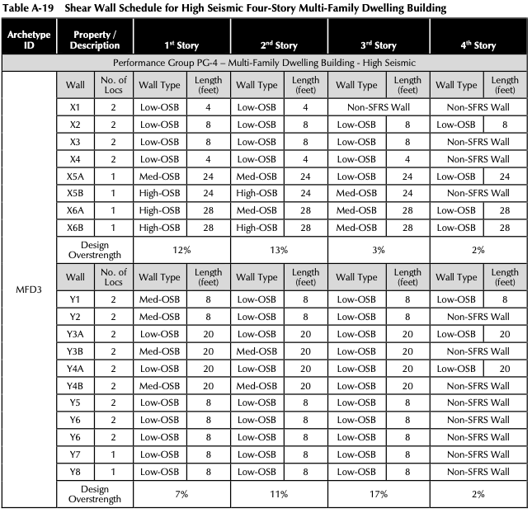
 | x | 0 | 0 | 0 | 192 | 192 | 384 | 384 | 384 | 384 | 576 | 576 | 768 | 768 | 768 | 768 | 960 | 960 | 1152 | 1152 | 1152
 | z | 48 | 288 | 528 | 144 | 432 | 120 | 456 | 120 | 456 | 144 | 432 | 120 | 456 | 120 | 456 | 144 | 432 | 48 | 288 | 528
 | Height | 120 | 120 | 120 | 120 | 120 | 120 | 120 | 120 | 120 | 120 | 120 | 120 | 120 | 120 | 120 | 120 | 120 | 120 | 120 | 120
 | Opensees Tag 1st story | 2 | 17 | 2 | 1 | 1 | 1 | 1 | 1 | 1 | 1 | 1 | 1 | 1 | 1 | 1 | 1 | 1 | 2 | 17 | 2
 | Tag Interior 1st story | 18 | 18 | 18 | 15 | 15 | 17 | 17 | 17 | 17 | 15 | 15 | 17 | 17 | 17 | 17 | 15 | 15 | 18 | 18 | 18
 | Opensees Tag 2nd story | 1 | 17 | 1 | 1 | 1 | 1 | 1 | 1 | 1 | 1 | 1 | 1 | 1 | 1 | 1 | 1 | 1 | 1 | 17 | 1
 | Tag Interior 2nd story | 18 | 18 | 18 | 15 | 15 | 17 | 17 | 17 | 17 | 15 | 15 | 17 | 17 | 17 | 17 | 15 | 15 | 18 | 18 | 18
 | Opensees Tag 3rd story | 1 | 17 | 1 | 1 | 1 | 1 | 1 | 1 | 1 | 1 | 1 | 1 | 1 | 1 | 1 | 1 | 1 | 1 | 17 | 1
 | Tag Interior 3rd story | 18 | 18 | 18 | 15 | 15 | 17 | 17 | 17 | 17 | 15 | 15 | 17 | 17 | 17 | 17 | 15 | 15 | 18 | 18 | 18
 | Opensees Tag 4th story | 1 | 17 | 13 | 15 | 15 | 1 | 1 | 1 | 1 | 15 | 15 | 1 | 1 | 1 | 1 | 15 | 15 | 1 | 17 | 13
 | Tag Interior 4th story | 18 | 18 | 18 | 15 | 15 | 17 | 17 | 17 | 17 | 15 | 15 | 17 | 17 | 17 | 17 | 15 | 15 | 18 | 18 | 18
 | Pinching4 Index | 0 | 1 | 2 | 3 | 4 | 5 | 6 | 7 | 8 | 9 | 10 | 11 | 12 | 13 | 14 | 15 | 16 | 17 | 18 | 19
 | Length | 60 | 456 | 60 | 60 | 60 | 192 | 192 | 192 | 192 | 108 | 108 | 192 | 192 | 192 | 192 | 60 | 60 | 60 | 456 | 60 | 3144
 | Load Ratio per Grid | 0.05 |  |  | 0.05 |  | 0.35 |  |  |  | 0.1 |  | 0.35 |  |  |  | 0.05 |  | 0.05 |  |  | 1
 | Load Ratio per Wall | 0.0250 |  | 0.0250 | 0.0250 | 0.0250 | 0.0875 | 0.0875 | 0.0875 | 0.0875 | 0.5000 | 0.5000 | 0.0875 | 0.0875 | 0.0875 | 0.0875 | 0.0250 | 0.0250 | 0.0250 | 0.0000 | 0.0250 | 1.9000

 | 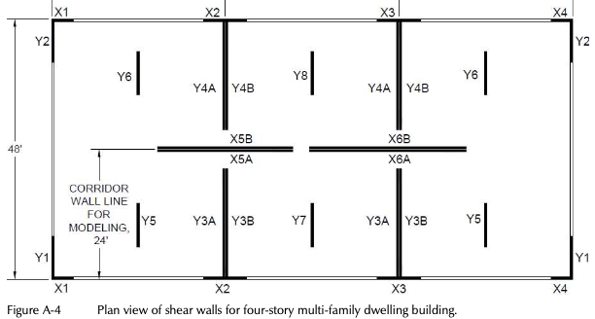

Leaning Column Nodes | 1 | 2 | 3 | 4 | 5 | 6 | 7 | 8 | 9
X | 576 | 0 | 576 | 1152 | 0 | 0 | 576 | 1152 | 1152
Z | 288 | 0 | 0 | 0 | 288 | 576 | 576 | 576 | 288
 | center point

