Roles and Responsibilities
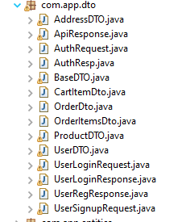
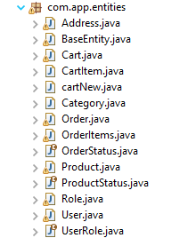
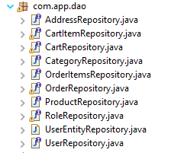
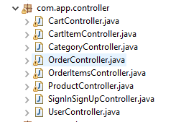
Roles and Responsibilites of Project

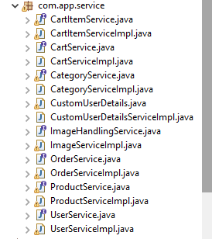
 | TO Be completed before joining the Call |  |  |  |  |  |  |  |  |  |  |  | Optional
S.No | Entities | Roles | Progress | Controller | Roles | Progress | Dao | Roles | Progress | Service | Roles | Progress | DTO | Roles | Progress
 | BaseEntity
1 | Address | Adiba |  |  | Adiba |  | Address |  |  |  | Adiba |  | Address | Adiba
2 | Cart | Adiba |  | Cart | Adiba |  | Cart |  |  | cart | Adiba |  |  | Adiba
3 | CartITem | Amber |  | CartItem | Amber |  | CartITem |  |  | CartItem | Amber |  | CartItem | Amber
4 | Category | Amber |  | Category | Amber |  | Category |  |  | Category | Amber |  |  | Amber
5 | Order | Atul |  | Order | Atul |  | Order |  |  | Order | Atul |  | Order | Atul
6 | OrderItem | Atul |  | OrderItem | Atul |  | OrderItem |  |  |  | Atul |  | OrderItem | Atul
7 | OrderStatus | Abhishek |  |  | Abhishek |  |  |  |  |  | Abhishek |  |  | Abhishek
8 | Product | Abhishek |  | Product | Abhishek |  | Product |  |  | Product | Abhishek |  | Product | Abhishek
9 | ProductStatus | Laxmi |  |  | Laxmi |  |  |  |  | CustomUserDetails | Laxmi |  |  | Laxmi
10 | Role | Laxmi |  |  | Laxmi |  | Role |  |  |  | Laxmi |  |  | Laxmi
11 | User | Poonam |  | User | Poonam |  | User |  |  | User | Poonam |  | User | Poonam
12 | UserRole | Poonam |  | SignIn | Poonam |  | UserEntity |  |  | Image | Poonam |  |  | Poonam

