Roles and Responsibilities
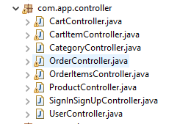
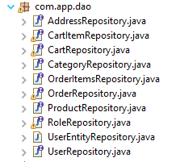
Roles and Responsibilites of Project

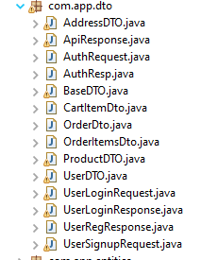
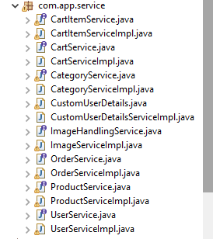
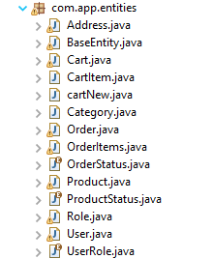
S.No | Entities | Roles | Progress | Controller | Roles | Progress | Dao | Roles | Progress
 | BaseEntity
1 | Address | Adiba |  |  | Adiba |  | Address
2 | Cart | Adiba |  | Cart | Adiba |  | Cart
3 | CartITem | Amber |  | CartItem | Amber |  | CartITem
4 | Category | Amber |  | Category | Amber |  | Category
5 | Order | Atul |  | Order | Atul |  | Order
6 | OrderItem | Atul |  | OrderItem | Atul |  | OrderItem
7 | OrderStatus | Abhishek |  |  | Abhishek
8 | Product | Abhishek |  | Product | Abhishek |  | Product
9 | ProductStatus | Laxmi |  |  | Laxmi
10 | Role | Laxmi |  |  | Laxmi |  | Role
11 | User | Poonam |  | User | Poonam |  | User
12 | UserRole | Poonam |  | SignIn | Poonam |  | UserEntity

