BugReport
QA |  |  |  |  |  |  |  |  |  | Developer
BugID | Module Name | Description | TCID | Steps to replicate bug | Screenshoot | Servirity | Priority | Reported By | Assigned to | Resolution | Status | Fixed Date
PrimusBank_001 | Primusbank Admin | System throws a runtime error after clicking on change password button. | TC_Admin_012 | Step 1:Enter a valid URL and click go Step 2:Enter a valid username and valid password. Step 3:Click Login button Step 4:Click on change password button | 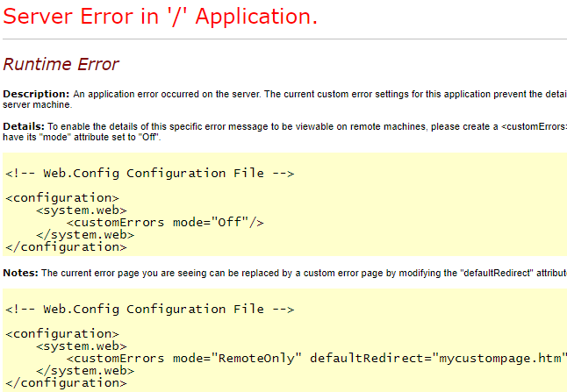 | S1 | P1 | XYZ | ABC
PrimusBank_002 | Primusbank Admin | System displays runtime error after selecting the drop down list in Branch field | TC_Admin_027 | Step 1:Enter a valid URL and click go Step 2:Enter a valid username and valid password. Step 3:Click Login button Step 4:Click on User button. Step 5: Click New user button Step 6:Enters necessary fields with valid data and clicks Submit. Step 7:Necessary fields can be reset and click reset and enter the fields. Step 8:Click Submit. | 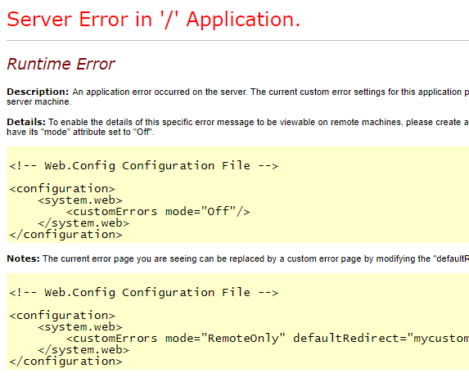 | S1 | P1 | XYZ | ABC
PrimusBank_003 | Primusbank Admin | User table details is empty and unable to edit | TC_Admin_028 | Step 1:Enter a valid URL and click go Step 2:Enter a valid username and valid password. Step 3:Click Login button Step 4:Click on Users button. Step 5: Click edit on the respective role to be edited. Step 6: Update necessary fields with valid data and clicks Update. |  | S2 | P1 | XYZ | ABC
PrimusBank_004 | Primusbank Admin | User table details is empty and unable to edit | TC_Admin_029 | Step 1:Enter a valid URL and click go Step 2:Enter a valid username and valid password. Step 3:Click Login button Step 4:Click on Users button. Step 5: Click edit on the respective role to be edited. Step 6: Update necessary fields with valid data and clicks Cancel | 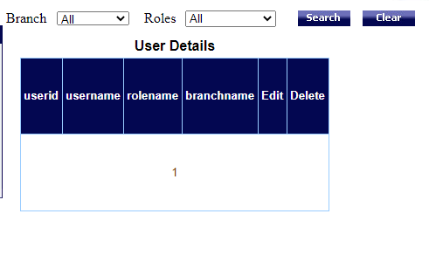 | S2 | P1 | XYZ | ABC
PrimusBank_005 | Primusbank Admin | User table details is empty and unable to edit | TC_Admin_030 | Step 1:Enter a valid URL and click go Step 2:Enter a valid username and valid password. Step 3:Click Login button Step 4:Click on Users button. Step 5: Click delete on the respective role to be deleted. Step 6: System displays a confirmation window with “Yes” and “No” options. Step 7:Click OK |  | S3 | P2 | XYZ | ABC
PrimusBank_006 | Primusbank Admin | System fails to update and message appears updation failure due to some contsraints | TC_Admin_033 | Step 1:Enter a valid URL and click go Step 2:Enter a valid username and valid password. Step 3:Click Login button Step 4:Click on Employee button. Step 5: Click Edit button on the respective employee details to be edited Step 6: Update necessary fields with valid data and click update Step 7:Necessary fields can be reset and click reset and enter the fields. Step 8:Click Submit. | 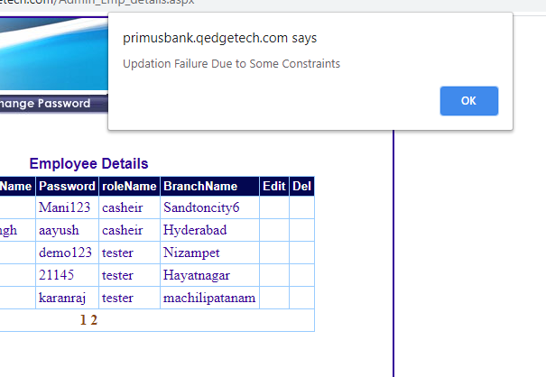 | S2 | P1 | XYZ | ABC

