Sheet1
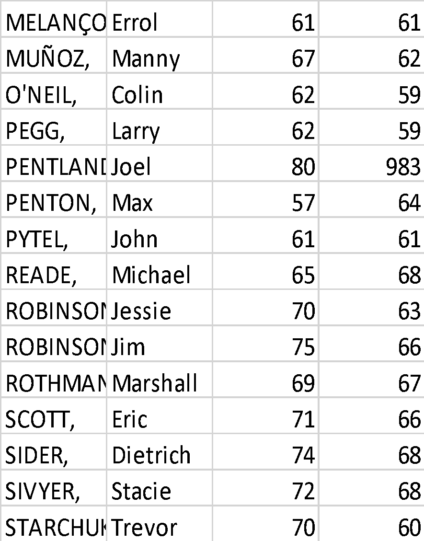
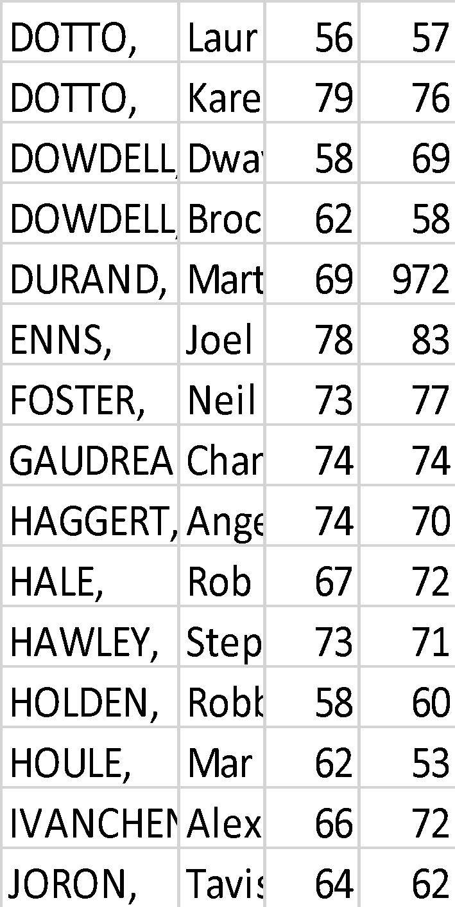
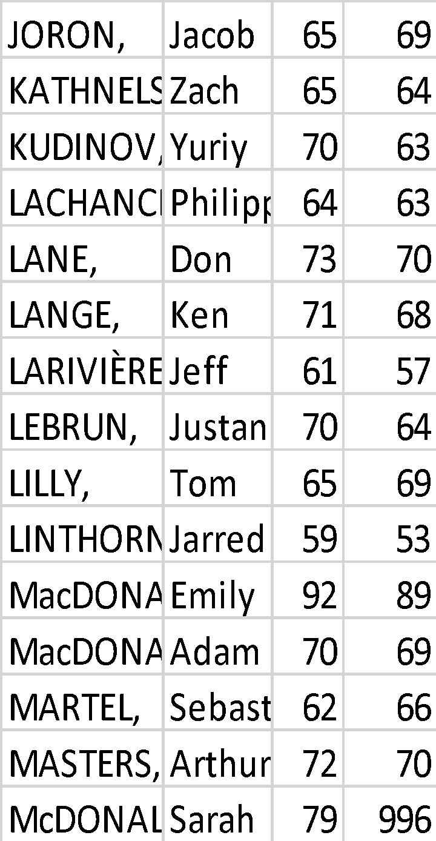
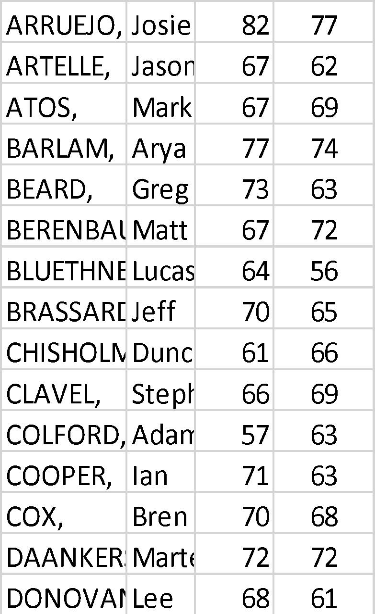
ARRUEJO, | Josie | 82 | 77 | DOTTO, | Laurie | 56 | 57 | JORON, | Jacob | 65 | 69 | MELANÇON, | Errol | 61 | 61
ARTELLE, | Jason | 67 | 62 | DOTTO, | Karen | 79 | 76 | KATHNELSON, | Zach | 65 | 64 | MUÑOZ, | Manny | 67 | 62
ATOS, | Mark | 67 | 69 | DOWDELL, | Dwayne | 58 | 69 | KUDINOV, | Yuriy | 70 | 63 | O'NEIL, | Colin | 62 | 59
BARLAM, | Arya | 77 | 74 | DOWDELL, | Brock | 62 | 58 | LACHANCE, | Philippe | 64 | 63 | PEGG, | Larry | 62 | 59
BEARD, | Greg | 73 | 63 | DURAND, | Marten | 69 | 972 | LANE, | Don | 73 | 70 | PENTLAND, | Joel | 80 | 983
BERENBAUM, | Matt | 67 | 72 | ENNS, | Joel | 78 | 83 | LANGE, | Ken | 71 | 68 | PENTON, | Max | 57 | 64
BLUETHNER, | Lucas | 64 | 56 | FOSTER, | Neil | 73 | 77 | LARIVIÈRE, | Jeff | 61 | 57 | PYTEL, | John | 61 | 61
BRASSARD, | Jeff | 70 | 65 | GAUDREAU, | Chantal | 74 | 74 | LEBRUN, | Justan | 70 | 64 | READE, | Michael | 65 | 68
CHISHOLM, | Duncan | 61 | 66 | HAGGERT, | Angelica | 74 | 70 | LILLY, | Tom | 65 | 69 | ROBINSON, | Jessie | 70 | 63
CLAVEL, | Steph | 66 | 69 | HALE, | Rob | 67 | 72 | LINTHORNE, | Jarred | 59 | 53 | ROBINSON, | Jim | 75 | 66
COLFORD, | Adam | 57 | 63 | HAWLEY, | Stephen | 73 | 71 | MacDONALD, | Emily | 92 | 89 | ROTHMAN, | Marshall | 69 | 67
COOPER, | Ian | 71 | 63 | HOLDEN, | Robbie | 58 | 60 | MacDONALD, | Adam | 70 | 69 | SCOTT, | Eric | 71 | 66
COX, | Brenda | 70 | 68 | HOULE, | Mario | 62 | 53 | MARTEL, | Sebastien | 62 | 66 | SIDER, | Dietrich | 74 | 68
DAANKERS, | Marten | 72 | 72 | IVANCHENKO, | Alexey | 66 | 72 | MASTERS, | Arthur | 72 | 70 | SIVYER, | Stacie | 72 | 68
DONOVAN, | Lee | 68 | 61 | JORON, | Tavis | 64 | 62 | McDONALD, | Sarah | 79 | 996 | STARCHUK, | Trevor | 70 | 60
 |  |  |  |  |  |  |  |  |  |  |  | STECKLEY, | Joe | 60 | 66
 |  |  |  |  |  |  |  |  |  |  |  | TORRANCE, | Dylan | 68 | 67
 |  |  |  |  |  |  |  |  |  |  |  | TREMBLAY, | Frank | 72 | 68
 |  |  |  |  |  |  |  |  |  |  |  | UPTON, | Darryl | 66 | 70

