SGTData_Pandas31012025A
Month | OB (Bcm) | Coal (Ton) | Distance OB (KM) | Distance Coal (KM) | Fuel | forecast | Ver1 3 Featured | Intercept | -13042397.585 | X1 | 1.12E+00 | X2 | 5.80E+06 | X3 | 1.02E+06
Jan-17 | 35058035.7 | 4205899.604 | 3.035132682 | 9.153032786 | 51331446 |  | Ver 2 Features | Intercept | -6156355.695 | X1 | 1.02E+00 | X2 | 8.40E+06
Feb-17 | 32749915.93 | 3738394.116 | 2.954103763 | 9.865582317 | 50819764.44
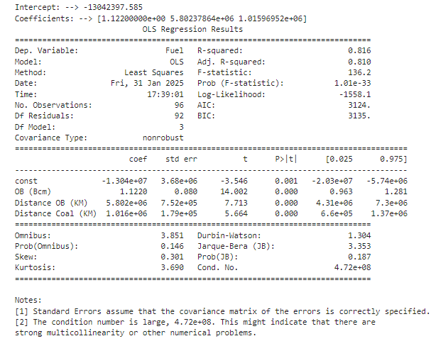
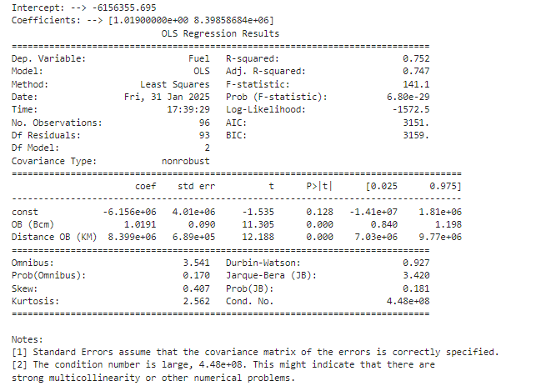
Mar-17 | 33460435.31 | 4277640.663 | 2.920290139 | 9.388768755 | 55697679
Apr-17 | 36270798.22 | 4595871.334 | 2.88372552 | 10.06310027 | 54963784
May-17 | 39840063.5 | 4517361.051 | 2.950965169 | 10.07852718 | 57712934
Jun-17 | 32601967.69 | 3795021.765 | 2.782047587 | 10.80435759 | 49706491
Jul-17 | 39273922.31 | 4368797.132 | 2.884585077 | 10.41488751 | 55854148
Aug-17 | 35896606.53 | 4262273.048 | 2.949276174 | 10.05246874 | 53620116
Sep-17 | 37582425.02 | 4582670.9 | 2.986526804 | 10.70729936 | 55791336
Oct-17 | 40174825.01 | 5009484.4 | 3.089085355 | 10.28152874 | 55399302.7
Nov-17 | 30412380.07 | 3739166.362 | 3.210401266 | 10.0413802 | 59414523.9
Dec-17 | 36193174.3 | 4065222.6 | 3.259788481 | 10.12479638 | 51228629.3
Jan-18 | 31503699.62 | 3823932.07 | 3.408274979 | 10.26169645 | 54421408
Feb-18 | 30662150.81 | 3521514.6 | 3.280391485 | 10.39026064 | 50937115
Mar-18 | 33951534.92 | 4186494.462 | 3.3112705 | 10.63134361 | 57711818
Apr-18 | 33177575.82 | 3852316.4 | 3.221836544 | 10.3212705 | 55075609
May-18 | 38704273.24 | 4706882.992 | 3.289965891 | 10.57741999 | 61903197
Jun-18 | 35140403.49 | 4126447.676 | 3.238629072 | 10.24109312 | 55628329
Jul-18 | 38876286.41 | 4717184.525 | 3.288959147 | 10.72068225 | 60564513
Aug-18 | 41720332.37 | 4625304.8 | 3.236527981 | 10.28719269 | 61279404
Sep-18 | 40697748.44 | 4529722.9 | 3.266886096 | 10.65372451 | 61681379
Oct-18 | 42157995.35 | 4572233.9 | 3.41789798 | 10.89213473 | 63240986
Nov-18 | 39775753.35 | 4198945.88 | 3.438962181 | 9.697514555 | 62931939
Dec-18 | 40934424.78 | 3460485.1 | 3.498633341 | 9.983711962 | 64565730
Jan-19 | 35335556.84 | 4125763.553 | 3.642212433 | 10.20115643 | 61348160
Feb-19 | 37146718.37 | 4193429.178 | 3.679276336 | 10.63471794 | 58585140
Mar-19 | 38861196.41 | 4307591.3 | 3.675115891 | 10.08237025 | 60232289
Apr-19 | 34374279.86 | 3664092.5 | 3.618458115 | 10.44759116 | 57116982.68
May-19 | 38541828.41 | 4490383.674 | 3.477230321 | 10.75550424 | 63819176
Jun-19 | 33498040.08 | 3936144.381 | 3.680348416 | 10.41388764 | 56303906.24
Jul-19 | 39681526.66 | 4526717.6 | 3.626012242 | 9.820632236 | 63943450
Aug-19 | 42737237.63 | 4621957.4 | 3.49547076 | 9.929717512 | 63658048
Sep-19 | 41829076.82 | 4817848.2 | 3.586859198 | 10.24420834 | 64919755.34
Oct-19 | 39666992.72 | 4379670.6 | 3.741915094 | 10.0436364 | 63770634
Nov-19 | 38011789.73 | 4280581 | 3.836931299 | 9.757002619 | 62205844
Dec-19 | 33192765.57 | 3976073.525 | 3.724692259 | 9.811692849 | 58505842
Jan-20 | 38736096.84 | 4415868.606 | 3.562516296 | 9.999674119 | 61612607.3
 | Ver1 3 Featured
Jan-17 | 0.0%
Feb-17
Mar-17
Apr-17
May-17
Jun-17
Jul-17
Aug-17
Sep-17
Oct-17
Nov-17
Dec-17
Jan-18
Feb-18
Mar-18
Apr-18
May-18
Jun-18
Jul-18
Aug-18
Sep-18
Oct-18
Nov-18
Dec-18
Jan-19
Feb-19
Mar-19
Apr-19
May-19
Jun-19
Jul-19
Aug-19
Sep-19
Oct-19
Nov-19
Dec-19
Jan-20
Feb-20
Mar-20
Apr-20
May-20
Jun-20
Jul-20
Aug-20
Sep-20
Oct-20
Nov-20
Dec-20
Jan-21
Feb-21
...
Feb-20 | 35582487.03 | 3772542.3 | 3.20375302 | 10.46658017 | 53597036.02
Mar-20 | 38191406.8 | 4161189.1 | 3.228275314 | 10.36758615 | 60399270.02
Apr-20 | 33827858.36 | 3692587.2 | 3.369294181 | 10.40483223 | 55385007.72
May-20 | 35499539.31 | 3767930.055 | 3.224094768 | 10.67844509 | 55755834.13
Jun-20 | 35972133.29 | 4272559.9 | 2.991074345 | 9.861463447 | 53581694.23
Jul-20 | 34271999.7 | 3987655.7 | 3.056189522 | 10.46892803 | 53046878.01
Aug-20 | 39111663.54 | 4529479.7 | 2.994942598 | 11.45145919 | 56456284.4
Sep-20 | 36475874.59 | 4125761.5 | 2.884149748 | 11.40267391 | 53422767.08
Oct-20 | 38835472.18 | 4526917.583 | 2.878338517 | 11.24012701 | 56941658.24
Nov-20 | 36886123.89 | 4113312.4 | 2.875685229 | 10.84141174 | 53403244.51
Dec-20 | 31842876.33 | 3948871.431 | 2.956039511 | 10.69533114 | 51531890.63
Jan-21 | 33100123.85 | 3860362.174 | 2.994129133 | 11.61538313 | 53258382.14
Feb-21 | 31075728.38 | 3759996.4 | 2.973191694 | 11.4555221 | 48696966.17
Mar-21 | 35400568.49 | 4342667.6 | 3.079574198 | 11.11532161 | 56143715.87
Apr-21 | 32083584.06 | 4088904.4 | 3.041049904 | 11.58029399 | 54156587.04
May-21 | 33980434.2 | 4093706.2 | 3.040245996 | 11.32240008 | 55620894.63
Jun-21 | 37082610.07 | 4525365.851 | 2.958503272 | 11.55190113 | 57579439.5
Jul-21 | 34176851.55 | 3924337.751 | 2.980268201 | 11.21980814 | 52660125.6
Aug-21 | 37107608.8 | 4093794.993 | 2.953140944 | 10.92369525 | 56765396.44
Sep-21 | 36327739.84 | 3783609.974 | 2.934361032 | 11.02046883 | 55746034.23
Oct-21 | 36594523.41 | 3802386.684 | 2.940933741 | 11.09487316 | 57197066.27
Nov-21 | 34024271.32 | 3443956.334 | 3.063567037 | 11.71337464 | 56706172.81
Dec-21 | 31866070.4 | 3323843.853 | 3.19802353 | 11.82563204 | 56139979
Jan-22 | 30944370.04 | 2887842.297 | 2.910085 | 15.112425 | 55200543
Feb-22 | 28774804.21 | 2783217.054 | 3.10012 | 15.0577025 | 50037403
Mar-22 | 33537358.79 | 3250507.355 | 3.147645 | 14.3035025 | 57207014
Apr-22 | 32333907.35 | 2986515.648 | 3.3090825 | 14.2589425 | 57123976.59
May-22 | 33442806.15 | 3213678.595 | 3.444635 | 15.6660725 | 59732105
Jun-22 | 37838062.6 | 3792356.524 | 3.6094025 | 14.6572125 | 68155107
Jul-22 | 36146092.85 | 4119948.96 | 3.59315 | 14.329025 | 66568199
Aug-22 | 38274370.48 | 4142822.498 | 3.6769 | 14.998675 | 69934308
Sep-22 | 35784608.02 | 3740434.424 | 3.755615 | 15.20713 | 65159029
Oct-22 | 32296315.66 | 3200860.184 | 3.990715 | 14.994255 | 64310492
Nov-22 | 36029033.04 | 4200385.646 | 4.2845975 | 14.97439 | 69399921
Dec-22 | 33376981.33 | 3256555.166 | 4.062575 | 15.507915 | 66315684
Jan-23 | 35036483.97 | 2813054.063 | 3.98804315 | 14.42819455 | 66102309.85
Feb-23 | 30919874.27 | 2644304.944 | 4.189559196 | 15.30540053 | 63461864.15
Mar-23 | 38768275.91 | 3509943.619 | 4.159332722 | 14.92822106 | 76056695.63
Apr-23 | 35771124.87 | 3574040.639 | 4.117173898 | 14.10989361 | 66504580
May-23 | 37264899.93 | 3812682.69 | 4.276965895 | 14.43066924 | 73033627
Jun-23 | 37359617.02 | 3897217.435 | 4.116155241 | 13.78583325 | 72540036.93
Jul-23 | 42222722.19 | 4147939.643 | 4.15859978 | 13.57759826 | 75748898
Aug-23 | 47597123.41 | 4570727.31 | 4.064858807 | 13.21809466 | 79881538
Sep-23 | 42163065.87 | 4025990.099 | 4.02644761 | 13.70074441 | 70284112.34
Oct-23 | 44420795.82 | 4302853.752 | 3.651921312 | 13.77822169 | 73617574.66
Nov-23 | 39982166.99 | 3714400.615 | 3.356068183 | 14.44653033 | 67479430
Dec-23 | 34463297.58 | 2681681.999 | 3.471457799 | 15.34631093 | 63247664
Jan-24 | 38271371.4 | 4125059.4248 | 3.9221697266 | 14.783665271 | 63774779
Feb-24 | 36001434.436 | 3435803.9247 | 3.9823085089 | 14.827232202 | 60316241.406
Mar-24 | 38454228.56 | 3804538.0083 | 4.0668722219 | 14.910820203 | 63854913.594
Apr-24 | 36314359.117 | 3893050.7642 | 3.9284700862 | 14.565036526 | 59493935
May-24 | 36709424.336 | 3904606.6225 | 4.0561086731 | 14.673201545 | 63030345
Jun-24 | 30605096.273 | 3658755.5011 | 4.386368275 | 13.077435793 | 56361153
Jul-24 | 31483898.911 | 3915476.2951 | 4.6149990277 | 13.208497444 | 60541065
Aug-24 | 32144317.337 | 3940544.7781 | 4.2357070953 | 13.52943008 | 57964721
Sep-24 | 35126791.179 | 3835466.3331 | 4.3970709864 | 14.363575889 | 62507975
Oct-24 | 33005253.862 | 3795132.0758 | 4.236190966 | 13.794982607 | 59739749
Nov-24 | 31986885.578 | 3566161.8385 | 4.2744173598 | 14.770507034 | 58881360.3
Dec-24 | 26566588.355 | 2325464.3867 | 4.3893591234 | 14.962562747 | 53467096.7

