BGLData_Pandas13062024A
Month | OB (Bcm) | Coal (Ton) | Distance OB (KM) | Distance Coal (KM) | Fuel | Forecast | Var | % | Intercept | 4982062.966 | X1 | 7.33E-01 | X2 | 1.86E+00
Jan-22 | 6342140.08 | 605234.2413 | 3.11212 | 3.21846 | 10618823 | 10,754,166 | (135,343) | -1.27%
Feb-22 | 5823270.897 | 618762.3575 | 2.96146 | 3.11364 | 10051651 | 10,398,943 | (347,292) | -3.46%
Mar-22 | 6933576.821 | 698839.3928 | 2.86811 | 2.75086 | 11644493 | 11,361,421 | 283,072 | 2.43%
Apr-22 | 6871894.236 | 768925.398 | 2.75201 | 2.99294 | 11864056 | 11,446,287 | 417,769 | 3.52%
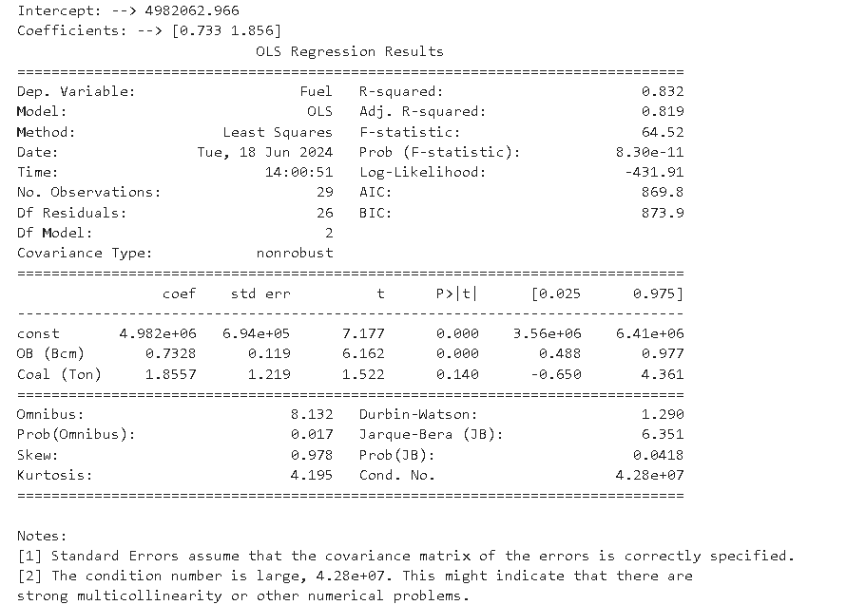
May-22 | 6855367.144 | 763376.6627 | 2.77473 | 2.98955 | 10850571 | 11,423,874 | (573,303) | -5.28%
Jun-22 | 7877077.971 | 792467.7093 | 3.04653 | 2.9939 | 12101303 | 12,226,781 | (125,478) | -1.04%
Jul-22 | 8027302.34 | 862138.2398 | 3.13621 | 2.72403 | 13357129 | 12,466,204 | 890,925 | 6.67%
Aug-22 | 8272035.55 | 845467.9442 | 3.34009 | 2.86218 | 14754028 | 12,614,654 | 2,139,374 | 14.50%
Sep-22 | 7265423.067 | 680511.366 | 3.43014 | 3.30691 | 11303901 | 11,570,647 | (266,746) | -2.36%
Oct-22 | 6042218.678 | 697972.4994 | 3.49193 | 3.45649 | 10532151 | 10,706,446 | (174,295) | -1.65%
Nov-22 | 5037992.836 | 467933.0361 | 3.7322 | 3.46512 | 8820594 | 9,543,395 | (722,801) | -8.19%
Dec-22 | 6863154.858 | 625552.1597 | 3.51967 | 3.60235 | 11077253 | 11,173,780 | (96,527) | -0.87%
Jan-23 | 8523431.308 | 655324.6049 | 3.219532356 | 3.124503588 | 12819975 | 12,446,021 | 373,954 | 2.92%
Feb-23 | 7283259.77 | 638536.2305 | 3.181442618 | 3.528152144 | 11347471 | 11,505,816 | (158,345) | -1.40%
Mar-23 | 8437724.498 | 654022.6931 | 3.098675902 | 3.318323297 | 12582328 | 12,380,781 | 201,547 | 1.60%
Apr-23 | 8497519.113 | 668734.9907 | 2.81839931 | 3.20669436 | 12262555 | 12,451,917 | (189,362) | -1.54%
May-23 | 9241841.415 | 799089.8575 | 2.74381418 | 3.3252294 | 12185138 | 13,239,443 | (1,054,305) | -8.65%
Jun-23 | 9346468.248 | 730889.4311 | 2.499199174 | 3.297880566 | 12808707 | 13,189,555 | (380,848) | -2.97%
Jul-23 | 11355942.84 | 886528.2378 | 2.331672624 | 3.434063667 | 13973576 | 14,951,365 | (977,789) | -7.00%
Aug-23 | 11436752.4 | 1022958.281 | 2.446906113 | 3.196644945 | 14326886 | 15,263,813 | (936,927) | -6.54%
Sep-23 | 11753338.26 | 1087563.342 | 3.003076169 | 3.36182997 | 15574708 | 15,615,777 | (41,069) | -0.26%
Oct-23 | 12668872.07 | 1117502.786 | 3.30387593 | 3.643210564 | 16530352 | 16,342,431 | 187,921 | 1.14%
Nov-23 | 10201084.8 | 988337.6579 | 3.249623062 | 3.719346501 | 15362626 | 14,293,813 | 1,068,813 | 6.96%
Dec-23 | 8489938.84 | 510512.1 | 3.599777011 | 3.949891562 | 13556465 | 12,152,699 | 1,403,766 | 10.35%
Jan-24 | 9812057.27 | 1165022.8292 | 3.484930417 | 3.8431706151 | 14429499 | 14,336,583 | 92,916 | 0.64%
Feb-24 | 8243764.1133 | 953831.28111 | 3.5559252424 | 3.7446738506 | 12989182 | 12,795,053 | 194,129 | 1.49%
Mar-24 | 8443628.4084 | 973465.06517 | 3.2353571986 | 3.737471139 | 12085921 | 12,977,994 | (892,073) | -7.38%
Apr-24 | 8121844.502 | 825111.92612 | 3.5927546994 | 3.783963632 | 11817399 | 12,466,783 | (649,384) | -5.50%
May-24 | 8490362.1886 | 881675.77116 | 3.805602115 | 3.9744209145 | 13256102 | 12,841,889 | 414,213 | 3.12%
Jun-24 | 7964269.3583 | 858993.98447 | 3.7006292875 | 4.0148985937 | 12238942
Jul-24 | 9171888.1223 | 871379.15704 | 3.3948989945 | 4.5063937928 | 13644858
Aug-24 | 8620369.9461 | 918959.17569 | 3.557688068 | 4.0730759268 | 13322561
Sep-24 | 9267766.6985 | 905966.3454 | 3.5678638016 | 3.9339904665 | 13757018
Oct-24 | 8852148.8644 | 926384.26455 | 3.39817636 | 3.9211892275 | 13652317
Nov-24 | 9347025.4685 | 927616.45689 | 3.286252905 | 3.7130113472 | 14399326
Dec-24 | 7018231.0724 | 591405.60142 | 3.5004152494 | 3.974150481 | 14094803

