Sheet1
0°C
 | 0C_Measured |  | 10C_Measured |  | 25C_Measured |  | X5
0 | 4.140 | 0 | 4.130 | 0 | 4.138 | 0 | 0,004
80 | 3.678 | 80 | 3.805 | 80 | 3.944 | 80 | 0,004
160 | 3.624 | 160 | 3.763 | 160 | 3.907 | 160 | 0,004
240 | 3.596 | 240 | 3.730 | 240 | 3.874 | 240 | 0,004
320 | 3.567 | 320 | 3.701 | 320 | 3.848 | 320 | 0,004
400 | 3.933 | 400 | 3.971 | 400 | 4.012 | 400 | 0,004
480 | 3.962 | 480 | 3.992 | 480 | 4.024 | 480 | 0,004
560 | 3.979 | 560 | 4.008 | 560 | 4.030 | 560 | 0,004
640 | 3.988 | 640 | 4.013 | 640 | 4.033 | 640 | 0,004
720 | 3.994 | 720 | 4.016 | 720 | 4.033 | 720 | 0,004
800 | 3.999 | 800 | 4.017 | 800 | 4.033 | 800 | 0,004
880 | 4.001 | 880 | 4.019 | 880 | 4.034 | 880 | 0,004
960 | 4.003 | 960 | 4.020 | 960 | 4.034 | 960 | 0,004
1040 | 4.004 | 1040 | 4.021 | 1040 | 4.034 | 1040 | 0,004
1120 | 4.006 | 1120 | 4.021 | 1120 | 4.034 | 1120 | 0,004
1200 | 4.007 | 1200 | 4.021 | 1200 | 4.034 | 1200 | 0,004
1280 | 4.007 | 1280 | 4.021 | 1280 | 4.035 | 1280 | 0,004
1360 | 4.007 | 1360 | 4.021 | 1360 | 4.035 | 1360 | 0,004
1440 | 4.007 | 1440 | 4.021 | 1440 | 4.035 | 1440 | 0,004
1520 | 4.008 | 1520 | 4.021 | 1520 | 4.035 | 1520 | 0,004
1600 | 4.008 | 1600 | 4.021 | 1600 | 4.035 | 1600 | 0,004
1680 | 4.009 | 1680 | 4.021 | 1680 | 4.035 | 1680 | 0,004
1760 | 4.009 | 1760 | 4.021 | 1760 | 4.035 | 1760 | 0,004
1840 | 4.009 | 1840 | 4.022 | 1840 | 4.035 | 1840 | 0,004
1920 | 4.009 | 1920 | 4.022 | 1920 | 4.035 | 1920 | 0,004
2000 | 4.009 | 2000 | 4.022 | 2000 | 4.035 | 2000 | 0,004
2080 | 4.009 | 2080 | 4.022 | 2080 | 4.035 | 2080 | 0,004
2160 | 4.009 | 2160 | 4.023 | 2160 | 4.035 | 2160 | 0,004
2240 | 3.543 | 2240 | 3.676 | 2240 | 3.817 | 2240 | 0,004
2320 | 3.488 | 2320 | 3.630 | 2320 | 3.783 | 2320 | 0,004
2400 | 3.461 | 2400 | 3.603 | 2400 | 3.757 | 2400 | 0,004
2480 | 3.437 | 2480 | 3.586 | 2480 | 3.736 | 2480 | 0,004
2560 | 3.831 | 2560 | 3.863 | 2560 | 3.903 | 2560 | 0,004
2640 | 3.857 | 2640 | 3.884 | 2640 | 3.921 | 2640 | 0,004
2720 | 3.866 | 2720 | 3.897 | 2720 | 3.929 | 2720 | 0,004
2800 | 3.876 | 2800 | 3.904 | 2800 | 3.931 | 2800 | 0,004
2880 | 3.881 | 2880 | 3.909 | 2880 | 3.933 | 2880 | 0,004
2960 | 3.884 | 2960 | 3.911 | 2960 | 3.934 | 2960 | 0,004
3040 | 3.888 | 3040 | 3.913 | 3040 | 3.935 | 3040 | 0,004
3120 | 3.890 | 3120 | 3.916 | 3120 | 3.935 | 3120 | 0,004
3200 | 3.893 | 3200 | 3.916 | 3200 | 3.937 | 3200 | 0,004
3280 | 3.895 | 3280 | 3.918 | 3280 | 3.936 | 3280 | 0,004
3360 | 3.896 | 3360 | 3.918 | 3360 | 3.936 | 3360 | 0,004
3440 | 3.899 | 3440 | 3.919 | 3440 | 3.936 | 3440 | 0,004
3520 | 3.900 | 3520 | 3.920 | 3520 | 3.936 | 3520 | 0,004
3600 | 3.901 | 3600 | 3.920 | 3600 | 3.937 | 3600 | 0,004
3680 | 3.903 | 3680 | 3.920 | 3680 | 3.936 | 3680 | 0,004
3760 | 3.904 | 3760 | 3.920 | 3760 | 3.936 | 3760 | 0,004
3840 | 3.905 | 3840 | 3.921 | 3840 | 3.937 | 3840 | 0,004
3920 | 3.906 | 3920 | 3.921 | 3920 | 3.937 | 3920 | 0,004
...
Curves | 0C_Measured |  | 10C_Measured |  | 25C_Measured |  | 50C_Measured
Coord | X1 | Y1 | X3 | Y3 | X5 | Y5 | X5 | Y5
0 | 0 | 4.140 | 0 | 4.130 | 0 | 4.138 | 0 | 4.164
1 | 80 | 3.678 | 80 | 3.805 | 80 | 3.944 | 80 | 3.945
2 | 160 | 3.624 | 160 | 3.763 | 160 | 3.907 | 160 | 3.903
3 | 240 | 3.596 | 240 | 3.730 | 240 | 3.874 | 240 | 3.876
4 | 320 | 3.567 | 320 | 3.701 | 320 | 3.848 | 320 | 3.851
5 | 400 | 3.933 | 400 | 3.971 | 400 | 4.012 | 400 | 4.021
6 | 480 | 3.962 | 480 | 3.992 | 480 | 4.024 | 480 | 4.030
7 | 560 | 3.979 | 560 | 4.008 | 560 | 4.030 | 560 | 4.033
8 | 640 | 3.988 | 640 | 4.013 | 640 | 4.033 | 640 | 4.035
9 | 720 | 3.994 | 720 | 4.016 | 720 | 4.033 | 720 | 4.035
10 | 800 | 3.999 | 800 | 4.017 | 800 | 4.033 | 800 | 4.036
11 | 880 | 4.001 | 880 | 4.019 | 880 | 4.034 | 880 | 4.037
12 | 960 | 4.003 | 960 | 4.020 | 960 | 4.034 | 960 | 4.036
13 | 1040 | 4.004 | 1040 | 4.021 | 1040 | 4.034 | 1040 | 4.036
14 | 1120 | 4.006 | 1120 | 4.021 | 1120 | 4.034 | 1120 | 4.037
15 | 1200 | 4.007 | 1200 | 4.021 | 1200 | 4.034 | 1200 | 4.036
16 | 1280 | 4.007 | 1280 | 4.021 | 1280 | 4.035 | 1280 | 4.037
17 | 1360 | 4.007 | 1360 | 4.021 | 1360 | 4.035 | 1360 | 4.037
18 | 1440 | 4.007 | 1440 | 4.021 | 1440 | 4.035 | 1440 | 4.037
19 | 1520 | 4.008 | 1520 | 4.021 | 1520 | 4.035 | 1520 | 4.037
20 | 1600 | 4.008 | 1600 | 4.021 | 1600 | 4.035 | 1600 | 4.037
21 | 1680 | 4.009 | 1680 | 4.021 | 1680 | 4.035 | 1680 | 4.037
22 | 1760 | 4.009 | 1760 | 4.021 | 1760 | 4.035 | 1760 | 4.037
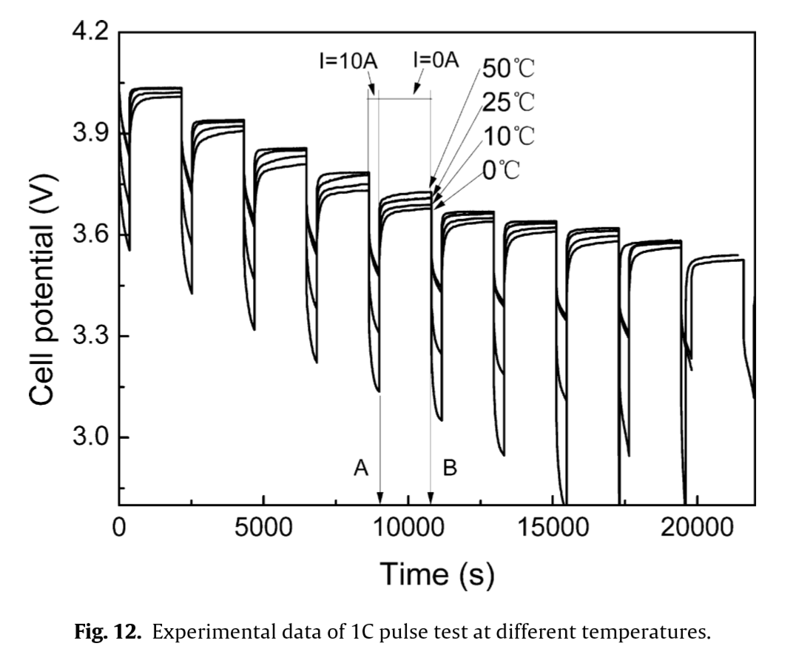
23 | 1840 | 4.009 | 1840 | 4.022 | 1840 | 4.035 | 1840 | 4.037
24 | 1920 | 4.009 | 1920 | 4.022 | 1920 | 4.035 | 1920 | 4.037
25 | 2000 | 4.009 | 2000 | 4.022 | 2000 | 4.035 | 2000 | 4.037
26 | 2080 | 4.009 | 2080 | 4.022 | 2080 | 4.035 | 2080 | 4.036
27 | 2160 | 4.009 | 2160 | 4.023 | 2160 | 4.035 | 2160 | 4.036
28 | 2240 | 3.543 | 2240 | 3.676 | 2240 | 3.817 | 2240 | 3.822
29 | 2320 | 3.488 | 2320 | 3.630 | 2320 | 3.783 | 2320 | 3.793
30 | 2400 | 3.461 | 2400 | 3.603 | 2400 | 3.757 | 2400 | 3.769
31 | 2480 | 3.437 | 2480 | 3.586 | 2480 | 3.736 | 2480 | 3.749
32 | 2560 | 3.831 | 2560 | 3.863 | 2560 | 3.903 | 2560 | 3.926
33 | 2640 | 3.857 | 2640 | 3.884 | 2640 | 3.921 | 2640 | 3.935
34 | 2720 | 3.866 | 2720 | 3.897 | 2720 | 3.929 | 2720 | 3.937
35 | 2800 | 3.876 | 2800 | 3.904 | 2800 | 3.931 | 2800 | 3.937
36 | 2880 | 3.881 | 2880 | 3.909 | 2880 | 3.933 | 2880 | 3.940
37 | 2960 | 3.884 | 2960 | 3.911 | 2960 | 3.934 | 2960 | 3.940
38 | 3040 | 3.888 | 3040 | 3.913 | 3040 | 3.935 | 3040 | 3.940
39 | 3120 | 3.890 | 3120 | 3.916 | 3120 | 3.935 | 3120 | 3.940
40 | 3200 | 3.893 | 3200 | 3.916 | 3200 | 3.937 | 3200 | 3.940
41 | 3280 | 3.895 | 3280 | 3.918 | 3280 | 3.936 | 3280 | 3.940
42 | 3360 | 3.896 | 3360 | 3.918 | 3360 | 3.936 | 3360 | 3.940
43 | 3440 | 3.899 | 3440 | 3.919 | 3440 | 3.936 | 3440 | 3.940
44 | 3520 | 3.900 | 3520 | 3.920 | 3520 | 3.936 | 3520 | 3.940
45 | 3600 | 3.901 | 3600 | 3.920 | 3600 | 3.937 | 3600 | 3.940
46 | 3680 | 3.903 | 3680 | 3.920 | 3680 | 3.936 | 3680 | 3.940
47 | 3760 | 3.904 | 3760 | 3.920 | 3760 | 3.936 | 3760 | 3.940
48 | 3840 | 3.905 | 3840 | 3.921 | 3840 | 3.937 | 3840 | 3.941
49 | 3920 | 3.906 | 3920 | 3.921 | 3920 | 3.937 | 3920 | 3.941
50 | 4000 | 3.906 | 4000 | 3.922 | 4000 | 3.937 | 4000 | 3.941
51 | 4080 | 3.907 | 4080 | 3.922 | 4080 | 3.937 | 4080 | 3.941
52 | 4160 | 3.907 | 4160 | 3.922 | 4160 | 3.936 | 4160 | 3.941
53 | 4240 | 3.908 | 4240 | 3.923 | 4240 | 3.936 | 4240 | 3.941
54 | 4320 | 3.527 | 4320 | 3.639 | 4320 | 3.936 | 4320 | 3.761
55 | 4400 | 3.434 | 4400 | 3.563 | 4400 | 3.706 | 4400 | 3.714
56 | 4480 | 3.378 | 4480 | 3.523 | 4480 | 3.682 | 4480 | 3.691
57 | 4560 | 3.346 | 4560 | 3.500 | 4560 | 3.655 | 4560 | 3.669
58 | 4640 | 3.328 | 4640 | 3.478 | 4640 | 3.634 | 4640 | 3.654
59 | 4720 | 3.721 | 4720 | 3.769 | 4720 | 3.808 | 4720 | 3.839
60 | 4800 | 3.757 | 4800 | 3.791 | 4800 | 3.825 | 4800 | 3.850
61 | 4880 | 3.776 | 4880 | 3.801 | 4880 | 3.833 | 4880 | 3.852
62 | 4960 | 3.783 | 4960 | 3.807 | 4960 | 3.838 | 4960 | 3.854
63 | 5040 | 3.789 | 5040 | 3.810 | 5040 | 3.841 | 5040 | 3.854
64 | 5120 | 3.792 | 5120 | 3.813 | 5120 | 3.846 | 5120 | 3.855
65 | 5200 | 3.794 | 5200 | 3.816 | 5200 | 3.848 | 5200 | 3.855
66 | 5280 | 3.796 | 5280 | 3.818 | 5280 | 3.849 | 5280 | 3.856
67 | 5360 | 3.796 | 5360 | 3.820 | 5360 | 3.851 | 5360 | 3.857
68 | 5440 | 3.798 | 5440 | 3.822 | 5440 | 3.852 | 5440 | 3.857
69 | 5520 | 3.799 | 5520 | 3.823 | 5520 | 3.852 | 5520 | 3.857
70 | 5600 | 3.801 | 5600 | 3.826 | 5600 | 3.853 | 5600 | 3.857
71 | 5680 | 3.803 | 5680 | 3.827 | 5680 | 3.853 | 5680 | 3.858
72 | 5760 | 3.803 | 5760 | 3.829 | 5760 | 3.853 | 5760 | 3.858
73 | 5840 | 3.803 | 5840 | 3.829 | 5840 | 3.853 | 5840 | 3.858
74 | 5920 | 3.804 | 5920 | 3.830 | 5920 | 3.853 | 5920 | 3.858
75 | 6000 | 3.805 | 6000 | 3.831 | 6000 | 3.853 | 6000 | 3.858
76 | 6080 | 3.806 | 6080 | 3.831 | 6080 | 3.853 | 6080 | 3.858
77 | 6160 | 3.808 | 6160 | 3.832 | 6160 | 3.853 | 6160 | 3.858
78 | 6240 | 3.808 | 6240 | 3.832 | 6240 | 3.853 | 6240 | 3.858
79 | 6320 | 3.809 | 6320 | 3.834 | 6320 | 3.853 | 6320 | 3.858
80 | 6400 | 3.809 | 6400 | 3.834 | 6400 | 3.853 | 6400 | 3.858
81 | 6480 | 3.559 | 6480 | 3.531 | 6480 | 3.853 | 6480 | 3.858
82 | 6560 | 3.331 | 6560 | 3.472 | 6560 | 3.617 | 6560 | 3.629
83 | 6640 | 3.275 | 6640 | 3.433 | 6640 | 3.591 | 6640 | 3.604
84 | 6720 | 3.245 | 6720 | 3.408 | 6720 | 3.570 | 6720 | 3.587
85 | 6800 | 3.230 | 6800 | 3.389 | 6800 | 3.551 | 6800 | 3.571
86 | 6880 | 3.651 | 6880 | 3.694 | 6880 | 3.733 | 6880 | 3.761
87 | 6960 | 3.685 | 6960 | 3.715 | 6960 | 3.745 | 6960 | 3.773
88 | 7040 | 3.701 | 7040 | 3.726 | 7040 | 3.752 | 7040 | 3.778
89 | 7120 | 3.710 | 7120 | 3.731 | 7120 | 3.755 | 7120 | 3.780
90 | 7200 | 3.716 | 7200 | 3.734 | 7200 | 3.757 | 7200 | 3.781
91 | 7280 | 3.719 | 7280 | 3.737 | 7280 | 3.761 | 7280 | 3.782
92 | 7360 | 3.722 | 7360 | 3.738 | 7360 | 3.762 | 7360 | 3.782
93 | 7440 | 3.722 | 7440 | 3.739 | 7440 | 3.764 | 7440 | 3.783
94 | 7520 | 3.724 | 7520 | 3.741 | 7520 | 3.765 | 7520 | 3.783
95 | 7600 | 3.726 | 7600 | 3.740 | 7600 | 3.768 | 7600 | 3.784
96 | 7680 | 3.726 | 7680 | 3.741 | 7680 | 3.769 | 7680 | 3.784
97 | 7760 | 3.726 | 7760 | 3.742 | 7760 | 3.772 | 7760 | 3.784
98 | 7840 | 3.727 | 7840 | 3.744 | 7840 | 3.772 | 7840 | 3.784
99 | 7920 | 3.728 | 7920 | 3.745 | 7920 | 3.773 | 7920 | 3.784
100 | 8000 | 3.729 | 8000 | 3.745 | 8000 | 3.774 | 8000 | 3.784
101 | 8080 | 3.730 | 8080 | 3.746 | 8080 | 3.775 | 8080 | 3.784
102 | 8160 | 3.730 | 8160 | 3.747 | 8160 | 3.776 | 8160 | 3.784
103 | 8240 | 3.731 | 8240 | 3.748 | 8240 | 3.777 | 8240 | 3.785
104 | 8320 | 3.731 | 8320 | 3.750 | 8320 | 3.778 | 8320 | 3.785
105 | 8400 | 3.731 | 8400 | 3.751 | 8400 | 3.778 | 8400 | 3.786
106 | 8480 | 3.732 | 8480 | 3.751 | 8480 | 3.778 | 8480 | 3.786
107 | 8560 | 3.732 | 8560 | 3.752 | 8560 | 3.778 | 8560 | 3.786
108 | 8640 | 3.733 | 8640 | 3.555 | 8640 | 3.778 | 8640 | 3.786
109 | 8720 | 3.219 | 8720 | 3.387 | 8720 | 3.541 | 8720 | 3.550
110 | 8800 | 3.176 | 8800 | 3.351 | 8800 | 3.517 | 8800 | 3.529
111 | 8880 | 3.152 | 8880 | 3.330 | 8880 | 3.498 | 8880 | 3.513
112 | 8960 | 3.140 | 8960 | 3.317 | 8960 | 3.484 | 8960 | 3.500
113 | 9040 | 3.600 | 9040 | 3.644 | 9040 | 3.671 | 9040 | 3.696
114 | 9120 | 3.630 | 9120 | 3.662 | 9120 | 3.689 | 9120 | 3.706
115 | 9200 | 3.647 | 9200 | 3.670 | 9200 | 3.693 | 9200 | 3.709
116 | 9280 | 3.657 | 9280 | 3.675 | 9280 | 3.696 | 9280 | 3.713
117 | 9360 | 3.660 | 9360 | 3.678 | 9360 | 3.697 | 9360 | 3.714
118 | 9440 | 3.665 | 9440 | 3.679 | 9440 | 3.700 | 9440 | 3.716
119 | 9520 | 3.667 | 9520 | 3.682 | 9520 | 3.700 | 9520 | 3.717
120 | 9600 | 3.669 | 9600 | 3.683 | 9600 | 3.702 | 9600 | 3.719
121 | 9680 | 3.670 | 9680 | 3.683 | 9680 | 3.702 | 9680 | 3.721
122 | 9760 | 3.671 | 9760 | 3.684 | 9760 | 3.704 | 9760 | 3.722
123 | 9840 | 3.673 | 9840 | 3.685 | 9840 | 3.704 | 9840 | 3.722
124 | 9920 | 3.673 | 9920 | 3.685 | 9920 | 3.704 | 9920 | 3.722
125 | 10000 | 3.673 | 10000 | 3.688 | 10000 | 3.705 | 10000 | 3.724
126 | 10080 | 3.673 | 10080 | 3.688 | 10080 | 3.705 | 10080 | 3.725
127 | 10160 | 3.674 | 10160 | 3.689 | 10160 | 3.706 | 10160 | 3.725
128 | 10240 | 3.675 | 10240 | 3.689 | 10240 | 3.706 | 10240 | 3.726
129 | 10320 | 3.675 | 10320 | 3.689 | 10320 | 3.706 | 10320 | 3.726
130 | 10400 | 3.675 | 10400 | 3.689 | 10400 | 3.707 | 10400 | 3.727
131 | 10480 | 3.676 | 10480 | 3.689 | 10480 | 3.708 | 10480 | 3.727
132 | 10560 | 3.678 | 10560 | 3.690 | 10560 | 3.708 | 10560 | 3.727
133 | 10640 | 3.678 | 10640 | 3.690 | 10640 | 3.708 | 10640 | 3.727
134 | 10720 | 3.678 | 10720 | 3.690 | 10720 | 3.708 | 10720 | 3.727
135 | 10800 | 3.678 | 10800 | 3.377 | 10800 | 3.709 | 10800 | 3.727
136 | 10880 | 3.127 | 10880 | 3.308 | 10880 | 3.479 | 10880 | 3.486
137 | 10960 | 3.081 | 10960 | 3.278 | 10960 | 3.461 | 10960 | 3.469
138 | 11040 | 3.063 | 11040 | 3.261 | 11040 | 3.447 | 11040 | 3.457
139 | 11120 | 3.053 | 11120 | 3.251 | 11120 | 3.434 | 11120 | 3.449
140 | 11200 | 3.569 | 11200 | 3.607 | 11200 | 3.636 | 11200 | 3.649
141 | 11280 | 3.594 | 11280 | 3.622 | 11280 | 3.649 | 11280 | 3.662
142 | 11360 | 3.614 | 11360 | 3.632 | 11360 | 3.654 | 11360 | 3.665
143 | 11440 | 3.618 | 11440 | 3.638 | 11440 | 3.656 | 11440 | 3.666
144 | 11520 | 3.621 | 11520 | 3.639 | 11520 | 3.659 | 11520 | 3.667
145 | 11600 | 3.625 | 11600 | 3.642 | 11600 | 3.660 | 11600 | 3.668
146 | 11680 | 3.627 | 11680 | 3.643 | 11680 | 3.659 | 11680 | 3.668
147 | 11760 | 3.630 | 11760 | 3.645 | 11760 | 3.660 | 11760 | 3.668
148 | 11840 | 3.629 | 11840 | 3.645 | 11840 | 3.660 | 11840 | 3.668
149 | 11920 | 3.632 | 11920 | 3.645 | 11920 | 3.661 | 11920 | 3.668
150 | 12000 | 3.634 | 12000 | 3.646 | 12000 | 3.660 | 12000 | 3.668
151 | 12080 | 3.634 | 12080 | 3.647 | 12080 | 3.661 | 12080 | 3.668
152 | 12160 | 3.636 | 12160 | 3.648 | 12160 | 3.662 | 12160 | 3.669
...

