Domo
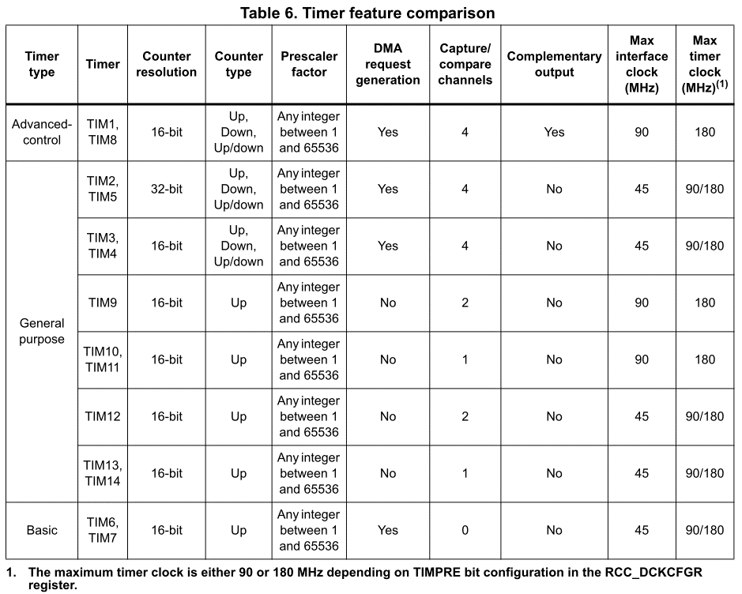

 |  |  | AF01 | AF02 | AF03 | AF04 | AF05 | AF06 | AF07 | AF08 | AF09
 |  |  | TIM1/2 | TIM3/4/5 | TIM8/9/ 10/11/ | I2C1/2/3 /4/CEC | SPI1/2/3/ 4 | SPI2/3/4/ SAI1 | SPI2/3/ | SAI/ | CAN1/2
 |  |  |  |  | CEC |  |  |  | USART1/ | USART6/ | TIM12/13/14
 |  |  |  |  |  |  |  |  | 2/3/UART | UART4/5/ | QUADSPI
 |  |  |  |  |  |  |  |  | 5/SPDIFR X | SPDIFRX
 | IN1 | PA0 | TIM2_CH1/ TIM2_ETR | TIM5_CH1 | TIM8_ETR | - | - | - | USART2_ CTS | UART4_ TX | - | Analog Arduino
 | IN2 | PA1 | TIM2_CH2 | TIM5_CH2 | - | - | - | - | USART2_ RTS | UART4_ RX | QUADSPI_ BK1_IO3
 |  | PA2 | TIM2_CH3 | TIM5_CH3 | TIM9_CH1 | - | - | - | USART2_ TX | SAI2_SCK_B | -
 |  | PA3 | TIM2_CH4 | TIM5_CH4 | TIM9_CH2 | - | - | SAI1_ FS_A | USART2_ RX | - | -
 | IN3 | PA4 | - | - | - | - | SPI1_NSS/I 2S1_WS | SPI3_NSS/I2S3_WS | USART2_ CK | - | -
 | GreenLed | PA5 | TIM2_CH1/ TIM2_ETR | - | TIM8_ CH1N | - | SPI1_SCK/I 2S1_CK | - | - | - | -
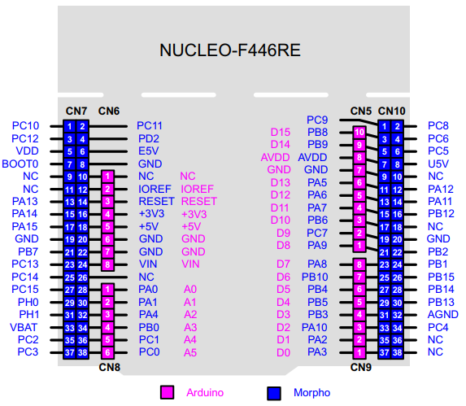
 | IN4 | PA6 | TIM1_ BKIN | TIM3_CH1 | TIM8_ BKIN | - | SPI1_MISO | I2S2_MCK | - | - | TIM13_CH1
 | IN5 | PA7 | TIM1_ CH1N | TIM3_CH2 | TIM8_ CH1N | - | SPI1_MOSI/I2S1_SD | - | - | - | TIM14_CH1
 | IN6 | PA8 | TIM1_CH1 | - | - | I2C3_ SCL | - | - | USART1_ CK | - | -
 | IN7 | PA9 | TIM1_CH2 | - | - | I2C3_SMBA | SPI2_SCK /I2S2_CK | SAI1_ SD_B | USART1_ TX | - | -
 | IN8 | PA10 | TIM1_CH3 | - | - | - | - | - | USART1_ RX | - | -
TIM6/TIM7 Increment PWM | IN9 | PA11 | TIM1_CH4 | - | - | - | - | - | USART1_ CTS | - | CAN1_RX
 | IN10 | PA12 | TIM1_ETR | - | - | - | - | - | USART1_ RTS | SAI2_ FS_B | CAN1_TX
IN Encoder Motor-TIM3
 |  | PA13 | - | - | - | - | - | - | - | - | -
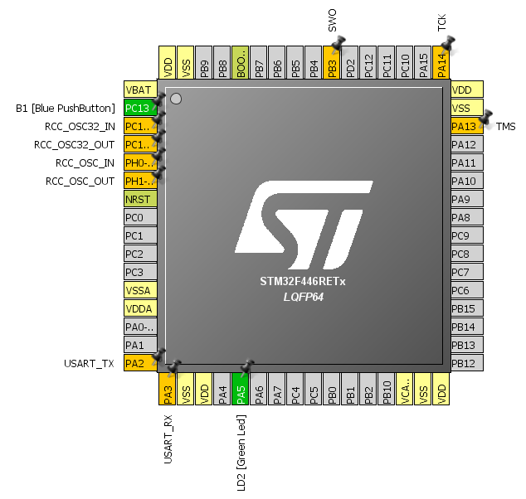
 |  | PA14 | - | - | - | - | - | - | - | - | -
 | IN11 | PA15 | TIM2_CH1/ TIM2_ETR | - | - | HDMI_ CEC | SPI1_NSS/ I2S1_WS | SPI3_NSS/I2S3_WS | - | UART4_RT S | -
ENA-IN2-GPIO Dir Motor
 | IN12 | PB0 | TIM1_CH2N | TIM3_CH3 | TIM8_ CH2N | - | - | - | SPI3_MOSI/I2S3_SD | UART4_ CTS | - |  | ENA-IN1-GPIO Dir Motor | IN Encoder Motor-TIM3
 | IN13 | PB1 | TIM1_CH3N | TIM3_CH4 | TIM8_ CH3N | - | - | - | - | - | - |  | ENB-IN3-GPIO Dir Motor | PWM Tilt-TIM8
 | IN14 | PB2 | TIM2_CH4 | - | - | - | - | SAI1_ SD_A | SPI3_MOSI/I2S3_SD | - | QUADSPI_ CLK |  |  | ENB-IN3-GPIO Dir Motor
 |  | PB3 | TIM2_CH2 | - | - | I2C2_ SDA | SPI1_SCK /I2S1_CK | SPI3_SCK/I2S3_CK | - | - | -
 | IN15 | PB4 | - | TIM3_CH1 | - | I2C3_ SDA | SPI1_MISO | SPI3_ MISO | SPI2_NSS/ I2S2_WSD | - | -
 | IN16 | PB5 | - | TIM3_CH2 | - | I2C1_SMBA | SPI1_MOSI /I2S1_SD | SPI3_MOSI/I2S3_SD | - | - | CAN2_RX | BOOTLOADER
 | IN17 | PB6 | - | TIM4_CH1 | HDMI_ CEC | I2C1_ SCL | - | - | USART1_ TX | - | CAN2_TX
 | IN18 | PB7 | - | TIM4_CH2 | - | I2C1_ SDA | - | - | USART1_ RX | SPDIF_ RX0 | -
 | CAN1_RX | PB8 | TIM2_CH1/ TIM2_ETR | TIM4_CH3 | TIM10_ CH1 | I2C1_ SCL | - | - | - | - | CAN1_RX |  | Trig Out-TIM2
 | CAN1_TX | PB9 | TIM2_ CH2 | TIM4_CH4 | TIM11_ CH1 | I2C1_ SDA | SPI2_NSS/ I2S2_WS | SAI1_ FS_B | - | - | CAN1_TX
 | IN19 | PB10 | TIM2_CH3 | - | - | I2C2_ SCL | SPI2_SCK/ I2S2_CK | SAI1_SCK_A | USART3_ TX | - | - |  | Infrared IN-TIM4 | Echo IN-TIM2
 | IN20 | PB11 | TIM2_CH4 | - | - | I2C2_ SDA | - | - | USART3_ RX | SAI2_ SD_A | - |  |  | PWM Pan-TIM8
 | IN21 | PB12 | TIM1_BKIN | - | - | I2C2_SMBA | SPI2_NSS/ I2S2_WS | SAI1_SCK_B | USART3_ CK | - | CAN2_RX |  |  | ENB-PWM Motor-TIM1
 | IN22 | PB13 | TIM1_CH1N | - | - | - | SPI2_SCK/ I2S2_CK | - | USART3_ CTS | - | CAN2_TX | BOOTLOADER |  | ENA-PWM Motor-TIM1
 | IN23 | PB14 | TIM1_CH2N | - | TIM8_ CH2N | - | SPI2_MISO | - | USART3_ RTS | - | TIM12_CH1
 | IN24 | PB15 | TIM1_CH3N | - | TIM8_ CH3N | - | SPI2_MOSI /I2S2_SD | - | - | - | TIM12_CH2
 | IN25 | PC0 | - | - | - | - | - | SAI1_MCLK_B | - | - | -
 | IN26 | PC1 | - | - | - | - | SPI3_MOSI /I2S3_SD | SAI1_ SD_A | SPI2_MOSI/I2S2_SD | - | -
 | IN27 | PC2 | - | - | - | - | SPI2_MISO | - | - | - | -
 | IN28 | PC3 | - | - | - | - | SPI2_MOSI/I2S2_SD | - | - | - | -
 | IN29 | PC4 | - | - | - | - | I2S1_MCK | - | - | SPDIF_ RX2 | -
 | IN30 | PC5 | - | - | - | - | - | - | USART3_ RX | SPDIF_ RX3 | -
 | IN31 | PC6 | - | TIM3_CH1 | TIM8_CH1 | FMPI2C1 _SCL | I2S2_MCK | - | - | USART6_T X | -
 | IN32 | PC7 | - | TIM3_CH2 | TIM8_CH2 | FMPI2C1 _SDA | SPI2_SCK/ I2S2_CK | I2S3_MCK | SPDIF_ RX1 | USART6_R X | -
 | IN33 | PC8 | - | TIM3_CH3 | TIM8_CH3 | - | - | - | UART5_ RTS | USART6_C K | -
 | IN34 | PC9 | - | TIM3_CH4 | TIM8_CH4 | I2C3_ SDA | I2S_CKIN | - | UART5_ CTS | - | QUADSPI_ BK1_IO0
 | IN35 | PC10 | - | - | - | - | - | SPI3_SCK/I2S3_CK | USART3_ TX | UART4_TX | QUADSPI_ BK1_IO1
 | IN36 | PC11 | - | - | - | - |  | SPI3_ MISO | USART3_ RX | UART4_RX | QUADSPI_ BK2_NCS
 | IN37 | PC12 | - | - | - | I2C2_ SDA | - | SPI3_MOSI/I2S3_SD | USART3_ CK | UART5_TX | -
 | PushButton | PC13 | - | - | - | - | - | - | - | - | -
 | IN38 | PC14 | - | - | - | - | - | - | - | - | -
 | IN39 | PC15 | - | - | - | - | - | - | - | - | -
 | IN40 | PD2 | - | TIM3_ETR | - | - | - | - | - | UART5_RX | -
 | IN41 | PH0 | - | - | - | - | - | - | - | - | -
 | IN42 | PH1 | - | - | - | - | - | - | - | - | -

F446
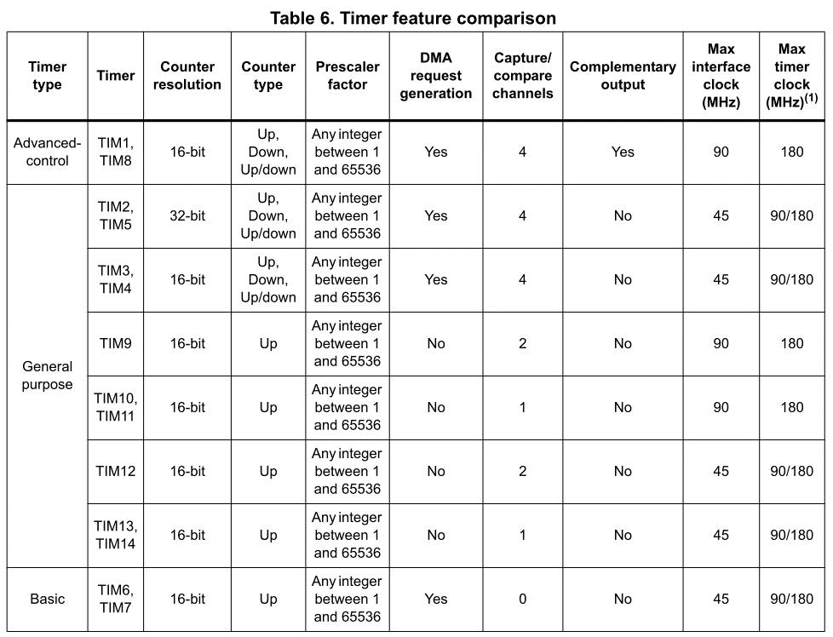
 |  | AF01 | AF02 | AF03 | AF04 | AF05 | AF06 | AF07 | AF08 | AF09 | AF08 | AF09 | AF10 | AF11 | AF12 | AF13 | AF14
 |  | TIM1/2 | TIM3/4/5 | TIM8/9/ 10/11/ | I2C1/2/3 /4/CEC | SPI1/2/3/ 4 | SPI2/3/4/ SAI1 | SPI2/3/ | SAI/ | CAN1/2 | SAI/ | CAN1/2 | SAI2 | OTG1_FS | FMC | DCMI | -
 |  |  |  | CEC |  |  |  | USART1/ | USART6/ | TIM12/13/14 | USART6 | TIM12/13/14 | QUADSPI |  | SDIO
 |  |  |  |  |  |  |  | 2/3/UART | UART4/5/ | QUADSPI | UART4/5 | QUADSPI | OTG2_HS |  | OTG2_FS
 |  |  |  |  |  |  |  | 5/SPDIFR X | SPDIFRX |  | SPDIFRX |  | OTG1_FS
 | PA0 | TIM2_CH1/ TIM2_ETR | TIM5_CH1 | TIM8_ETR | - | - | - | USART2_ CTS | UART4_ TX | - | UART4_ TX | - | - | - | - | - | -
 | PA1 | TIM2_CH2 | TIM5_CH2 | - | - | - | - | USART2_ RTS | UART4_ RX | QUADSPI_ BK1_IO3 | UART4_ RX | QUADSPI_ BK1_IO3 | SAI2_MCLK_B | - | - | - | -
TIM3/PB4 DIR/PB2 : PWM Motor R + DIR OUTPUT | PA2 | TIM2_CH3 | TIM5_CH3 | TIM9_CH1 | - | - | - | USART2_ TX | SAI2_SCK_B | - | SAI2_SCK_B | - | - | - | - | - | -
TIM3/PB5 DIR/PC12: PWM Motor L + DIR OUTPUT | PA3 | TIM2_CH4 | TIM5_CH4 | TIM9_CH2 | - | - | SAI1_ FS_A | USART2_ RX | - | - | - | - | OTG_HS_ ULPI_D0 | - | - | - | -
TIM4/PB6 : Encoder R | PA4 | - | - | - | - | SPI1_NSS/I 2S1_WS | SPI3_NSS/I2S3_WS | USART2_ CK | - | - | - | - | - | - | OTG_HS_ SOF | DCMI_ HSYNC | -
TIM4/PB7 : Encoder L | PA5 | TIM2_CH1/ TIM2_ETR | - | TIM8_ CH1N | - | SPI1_SCK/I 2S1_CK | - | - | - | - | - | - | OTG_HS_ ULPI_CK | - | - | - | -
TIM10/PB8 : TRIG Ultrasonic | PA6 | TIM1_ BKIN | TIM3_CH1 | TIM8_ BKIN | - | SPI1_MISO | I2S2_MCK | - | - | TIM13_CH1 | - | TIM13_CH1 | - | - | - | DCMI_ PIXCLK | -
 | PA7 | TIM1_ CH1N | TIM3_CH2 | TIM8_ CH1N | - | SPI1_MOSI/I2S1_SD | - | - | - | TIM14_CH1 | - | TIM14_CH1 | - | - | FMC_ SDNWE | - | -
TIM12/PB14 : Tourelle Pan | PA8 | TIM1_CH1 | - | - | I2C3_ SCL | - | - | USART1_ CK | - | - | - | - | OTG_FS_ SOF | - | - | - | -
TIM12/PB15 : Tourelle Tilt | PA9 | TIM1_CH2 | - | - | I2C3_SMBA | SPI2_SCK /I2S2_CK | SAI1_ SD_B | USART1_ TX | - | - | - | - | - | - | - | DCMI_D0 | -
TIM13/PA6 : ECHO Ultrasonic | PA10 | TIM1_CH3 | - | - | - | - | - | USART1_ RX | - | - | - | - | OTG_FS_ID | - | - | DCMI_D1 | -
TIM14/PA7 : IR Remote | PA11 | TIM1_CH4 | - | - | - | - | - | USART1_ CTS | - | CAN1_RX | - | CAN1_RX | OTG_FS_ DM | - | - | - | -
 | PA12 | TIM1_ETR | - | - | - | - | - | USART1_ RTS | SAI2_ FS_B | CAN1_TX | SAI2_ FS_B | CAN1_TX | OTG_FS_ DP | - | - | - | -
 | PA13 | - | - | - | - | - | - | - | - | - | - | - | - | - | - | - | -
 | PA14 | - | - | - | - | - | - | - | - | - | - | - | - | - | - | - | -
 | PA15 | TIM2_CH1/ TIM2_ETR | - | - | HDMI_ CEC | SPI1_NSS/ I2S1_WS | SPI3_NSS/I2S3_WS | - | UART4_RT S | - | UART4_RT S | - | - | - | - | - | -
 | PB0 | TIM1_CH2N | TIM3_CH3 | TIM8_ CH2N | - | - | - | SPI3_MOSI/I2S3_SD | UART4_ CTS | - | UART4_ CTS | - | OTG_HS_ ULPI_D1 | - | SDIO_D1 | - | -
 | PB1 | TIM1_CH3N | TIM3_CH4 | TIM8_ CH3N | - | - | - | - | - | - | - | - | OTG_HS_ ULPI_D2 | - | SDIO_D2 | - | -
 | PB2 | TIM2_CH4 | - | - | - | - | SAI1_ SD_A | SPI3_MOSI/I2S3_SD | - | QUADSPI_ CLK | - | QUADSPI_ CLK | OTG_HS_ ULPI_D4 | - | SDIO_CK | - | -
 | PB3 | TIM2_CH2 | - | - | I2C2_ SDA | SPI1_SCK /I2S1_CK | SPI3_SCK/I2S3_CK | - | - | - | - | - | - | - | - | - | -
 | PB4 | - | TIM3_CH1 | - | I2C3_ SDA | SPI1_MISO | SPI3_ MISO | SPI2_NSS/ I2S2_WSD | - | - | - | - | - | - | - | - | -
 | PB5 | - | TIM3_CH2 | - | I2C1_SMBA | SPI1_MOSI /I2S1_SD | SPI3_MOSI/I2S3_SD | - | - | CAN2_RX | - | CAN2_RX | OTG_HS_ ULPI_D7 | - | FMC_ SDCKE1 | DCMI_ D10 | -
 | PB6 | - | TIM4_CH1 | HDMI_ CEC | I2C1_ SCL | - | - | USART1_ TX | - | CAN2_TX | - | CAN2_TX | QUADSPI_ BK1_NCS | - | FMC_ SDNE1 | DCMI_D5 | -
 | PB7 | - | TIM4_CH2 | - | I2C1_ SDA | - | - | USART1_ RX | SPDIF_ RX0 | - | SPDIF_ RX0 | - | - | - | FMC_NL | DCMI_ VSYNC | -
 | PB8 | TIM2_CH1/ TIM2_ETR | TIM4_CH3 | TIM10_ CH1 | I2C1_ SCL | - | - | - | - | CAN1_RX | - | CAN1_RX | - | - | SDIO_D4 | DCMI_D6 | -
 | PB9 | TIM2_ CH2 | TIM4_CH4 | TIM11_ CH1 | I2C1_ SDA | SPI2_NSS/ I2S2_WS | SAI1_ FS_B | - | - | CAN1_TX | - | CAN1_TX | - | - | SDIO_D5 | DCMI_D7 | -
 | PB10 | TIM2_CH3 | - | - | I2C2_ SCL | SPI2_SCK/ I2S2_CK | SAI1_SCK_A | USART3_ TX | - | - | - | - | OTG_HS_ ULPI_D3 | - | - | - | -
 | PB11 | TIM2_CH4 | - | - | I2C2_ SDA | - | - | USART3_ RX | SAI2_ SD_A | - | SAI2_ SD_A | - | - | - | - | - | -
 | PB12 | TIM1_BKIN | - | - | I2C2_SMBA | SPI2_NSS/ I2S2_WS | SAI1_SCK_B | USART3_ CK | - | CAN2_RX | - | CAN2_RX | OTG_HS_ ULPI_D5 | - | OTG_ HS_ID | - | -
 | PB13 | TIM1_CH1N | - | - | - | SPI2_SCK/ I2S2_CK | - | USART3_ CTS | - | CAN2_TX | - | CAN2_TX | OTG_HS_ ULPI_D6 | - | - | - | -
 | PB14 | TIM1_CH2N | - | TIM8_ CH2N | - | SPI2_MISO | - | USART3_ RTS | - | TIM12_CH1 | - | TIM12_CH1 | - | - | OTG_ HS_DM | - | -
 | PB15 | TIM1_CH3N | - | TIM8_ CH3N | - | SPI2_MOSI /I2S2_SD | - | - | - | TIM12_CH2 | - | TIM12_CH2 | - | - | OTG_ HS_DP | - | -
 | PC0 | - | - | - | - | - | SAI1_MCLK_B | - | - | - | - | - | OTG_HS_ ULPI_STP | - | FMC_ SDNWE | - | -
 | PC1 | - | - | - | - | SPI3_MOSI /I2S3_SD | SAI1_ SD_A | SPI2_MOSI/I2S2_SD | - | - | - | - | - | - | - | - | -
 | PC2 | - | - | - | - | SPI2_MISO | - | - | - | - | - | - | OTG_HS_ ULPI_DIR | - | FMC_ SDNE0 | - | -
 | PC3 | - | - | - | - | SPI2_MOSI/I2S2_SD | - | - | - | - | - | - | OTG_HS_ ULPI_NXT | - | FMC_ SDCKE0 | - | -
 | PC4 | - | - | - | - | I2S1_MCK | - | - | SPDIF_ RX2 | - | SPDIF_ RX2 | - | - | - | FMC_ SDNE0 | - | -
 | PC5 | - | - | - | - | - | - | USART3_ RX | SPDIF_ RX3 | - | SPDIF_ RX3 | - | - | - | FMC_ SDCKE0 | - | -
 | PC6 | - | TIM3_CH1 | TIM8_CH1 | FMPI2C1 _SCL | I2S2_MCK | - | - | USART6_T X | - | USART6_T X | - | - | - | SDIO_D6 | DCMI_D0 | -
 | PC7 | - | TIM3_CH2 | TIM8_CH2 | FMPI2C1 _SDA | SPI2_SCK/ I2S2_CK | I2S3_MCK | SPDIF_ RX1 | USART6_R X | - | USART6_R X | - | - | - | SDIO_D7 | DCMI_D1 | -
 | PC8 | - | TIM3_CH3 | TIM8_CH3 | - | - | - | UART5_ RTS | USART6_C K | - | USART6_C K | - | - | - | SDIO_D0 | DCMI_D2 | -
 | PC9 | - | TIM3_CH4 | TIM8_CH4 | I2C3_ SDA | I2S_CKIN | - | UART5_ CTS | - | QUADSPI_ BK1_IO0 | - | QUADSPI_ BK1_IO0 | - | - | SDIO_D1 | DCMI_D3 | -
 | PC10 | - | - | - | - | - | SPI3_SCK/I2S3_CK | USART3_ TX | UART4_TX | QUADSPI_ BK1_IO1 | UART4_TX | QUADSPI_ BK1_IO1 | - | - | SDIO_D2 | DCMI_D8 | -
 | PC11 | - | - | - | - |  | SPI3_ MISO | USART3_ RX | UART4_RX | QUADSPI_ BK2_NCS | UART4_RX | QUADSPI_ BK2_NCS | - | - | SDIO_D3 | DCMI_D4 | -
 | PC12 | - | - | - | I2C2_ SDA | - | SPI3_MOSI/I2S3_SD | USART3_ CK | UART5_TX | - | UART5_TX | - | - | - | SDIO_CK | DCMI_D9 | -
 | PC13 | - | - | - | - | - | - | - | - | - | - | - | - | - | - | - | -
 | PC14 | - | - | - | - | - | - | - | - | - | - | - | - | - | - | - | -
 | PC15 | - | - | - | - | - | - | - | - | - | - | - | - | - | - | - | -
 | PD2 | - | TIM3_ETR | - | - | - | - | - | UART5_RX | - | UART5_RX | - | - | - | SDIO_CMD | DCMI_ D11 | -
 | PH0 | - | - | - | - | - | - | - | - | - | - | - | - | - | - | - | -
 | PH1 | - | - | - | - | - | - | - | - | - | - | - | - | - | - | - | -

