Specification
 | Dataset 1 | Dataset 2 | Dataset 3 | Dataset 4
Species | 102 | 1068 | 2034 | 3000
Sequence Length | 1002 | 1668 | 2334 | 3000
IR | 5 | 10 | 15 | 20
Premature | 5 | 10 | 15 | 20
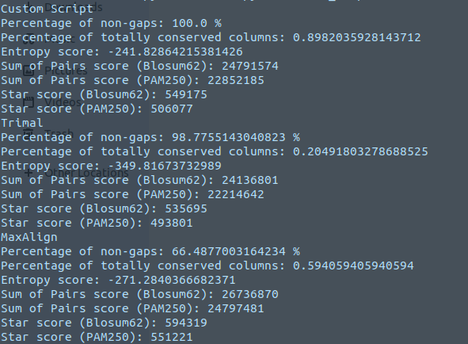
Frameshift | 5 | 10 | 15 | 20
Seed | d1_seed | d2_seed | d3_seed | d4_seed
Mutated | d1_mutated | d2_mutated | d3_mutated | d4_seed
Mu | 5 | 10 | 15 | 20

 | Dataset 1 | Dataset 2 | Dataset 3 | Dataset 4
Species | 149 | 149 | 149 | 149
Sequence Length | 1002 | 1668 | 2334 | 3000
IR | 5 | 10 | 15 | 20
Premature | 5 | 10 | 15 | 20
Frameshift | 5 | 10 | 15 | 20
Seed | d1_seed | d2_seed | d3_seed | d4_seed
Mutated | d1_mutated | d2_mutated | d3_mutated | d4_seed
Mu | 5 | 10 | 15 | 20

